Data Dictionary
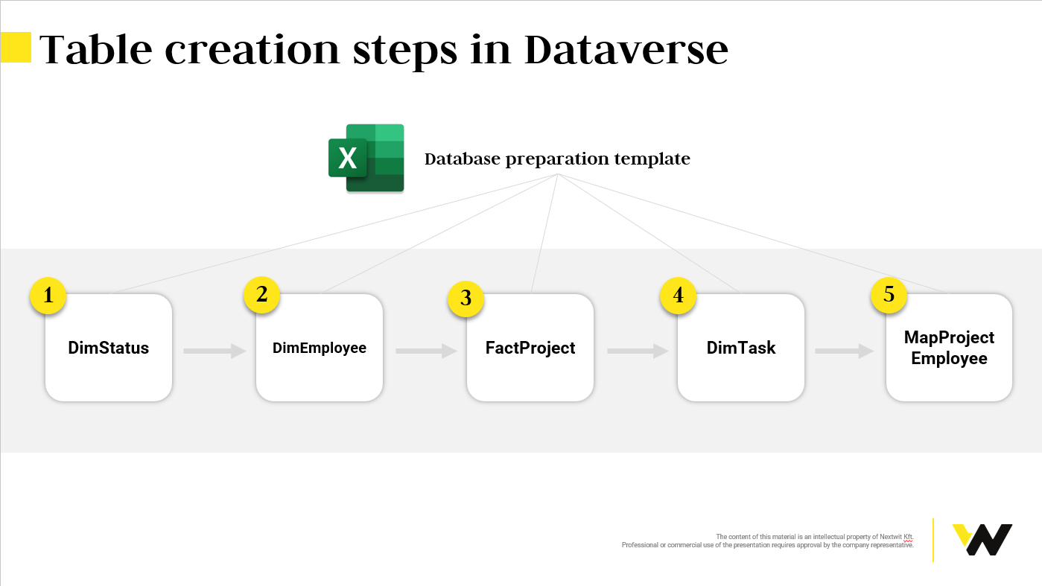
# | TableName | # | FieldName | FieldType | DataSource | PrimaryKey | Definition | Comment
1 | DimEmployee | 1.1 | EmployeeID | Autonumber | HR database | x | A unique identifier assigned to each employee
1 | DimEmployee | 1.2 | EmployeeName | Text | HR database |  | Represents the full name of an employee
2 | FactProject | 2.1 | ProjectID | Autonumber |  | x | A unique identifier assigned to each project
2 | FactProject | 2.2 | ProjectName | Text |  |  | Represents the full name of a project
2 | FactProject | 2.3 | Description | Text |  |  | Provides detailed information about the project
2 | FactProject | 2.4 | Deadline | Date only |  |  | Represents the date by which the project is expected to be completed
2 | FactProject | 2.5 | StatusID | Look up | Status table |  | Reference to the current status of the project. It links to a status table
2 | FactProject | 2.6 | Cost | Currency |  |  | Represents the total cost associated with the project
3 | DimTask | 3.1 | TaskID | Autonumber |  | x | A unique identifier assigned to each task
3 | DimTask | 3.2 | TaskName | Text |  |  | Represents the full name of a task
3 | DimTask | 3.3 | ProjectID | Look up | Project table |  | Reference to the associated project's unique identifier. It links to a project table
3 | DimTask | 3.4 | EmployeeID | Look up | Employee table |  | Reference to the associated employee's unique identifier. It links to an employee table
3 | DimTask | 3.5 | StatusID | Look up | Status table |  | Reference to the current status of the task. It links to a status table
4 | MapProjectEmployee | 4.1 | MapProjectEmployeeID | Autonumber | Power Apps | x | Unique identifier for the project-employee mapping
4 | MapProjectEmployee | 4.2 | ProjectID | Look up | Power Apps |  | Reference to the associated project's unique identifier. It links to a project table
4 | MapProjectEmployee | 4.3 | EmployeeID | Look up | Power Apps |  | Reference to the associated employee's unique identifier. It links to an employee table
5 | DimStatus | 5.1 | StatusID | Autonumber | - | x | A unique identifier assigned to each status
5 | DimStatus | 5.2 | StatusName | Text | - |  | Represents the full name of a status

