Sheet1
不同模型性能分析
Model | R^2 | MAPE | MAE | 去除了屈服强度为0的数据之后的结果 | epoch | kf randomstate | epoches
gboost | 0.66079234242 | 24.649176094 | 38.615605125 |  | 49 | 490 | 50
rf | 0.63864261769 | 24.562924671 | 38.690976517 |  | 96 | 960 | 100
xgboost | 0.61821957773 | 23.878524361 | 38.449192834 |  | 49 | 490 | 50
knn | 0.52862914328 | 29.12142657 | 45.293432866 |  | 0 | 100 | 30
adaboost | 0.49533478299 | 37.426172975 | 52.100577344 |  | 45 | 450 | 50
dt | 0.49008955863 | 26.249414187 | 43.51467301 |  | 6 | 60 | 10
ridge | 0.4340321925 | 33.586974607 | 51.593674317 |  | 17 | 170 | 20
elasticNet | 0.42965797776 | 33.944217598 | 51.800509478 |  | 6 | 60 | 10
lasso | 0.42380298999 | 34.204469056 | 52.160642143 |  | 6 | 60 | 20
svm_linear | 0.38618243634 | 33.134263652 | 51.872583394 |  | 9 | 90 | 10
svm_rbf | 0.042769096894 | 47.757041291 | 68.437597763 |  | 0 | 0 | 10

屈服强度模型结果 | FULL Test（原本测试集） | Validation
 | gboost和rf、MAE最小 | gboost最小
 |  | 22.84,origin=131.42 25.71,origin=128.55 13.86,origin=132.0 2.912,origin=135.0 27.4,origin=130.0 21.87,origin=203.0 15.3,origin=160.0 1.956,origin=160.0 1.956,origin=160.0 29.39,origin=276.6 22.86,origin=238.4 平均误差： 50.645167512148156 R^2精度： 0.19978938674262925 平均绝对百分误差： 35.950203739771005 % | 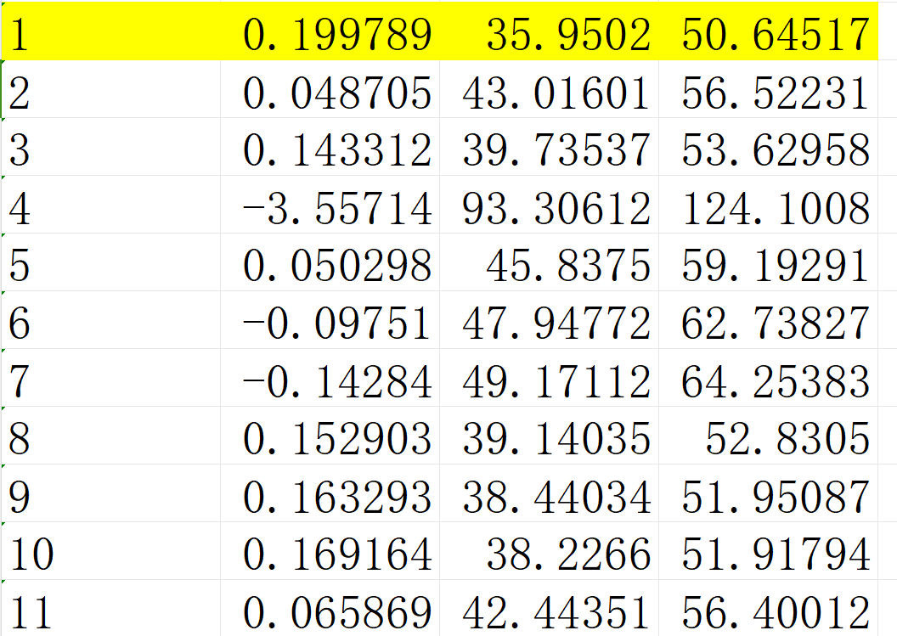
抗拉强度模型结果 | FULL Test（原本测试集） | Validation
 | GBoost、Rf、XGBoost加权最小 | gboost最小
 |  | 2.933,origin=265.1 10.87,origin=251.3 1.567,origin=260.6 12.74,origin=211.0 7.74,origin=202.0 13.97,origin=265.0 1.867,origin=202.0 8.981,origin=210.0 10.8,origin=220.0 15.66,origin=230.0 15.66,origin=230.0 12.89,origin=260.0 1.825,origin=287.2 平均误差： 42.13665336326976 R^2精度： 0.1892138818434812 平均绝对百分误差： 20.270133580965666 %

