Requirements
Id | Description | Type | Node | Module | Test method | Status | Reviewes | Review comments | Date
 | System requirements | Header
SYS_001 | The system shall have the following nodes: Breaks Comfort HMI Lights Steering Transmision |  | All | ME SW HW |  | New
SYS_002 | The system shall be robust
SYS_003 | Node: Comfort
SYS_004 |  | Diagram
SYS_005 | The system shall run only with S32DS version 3.5 |  |  |  |  | New
 | Mechanic Requirments | Header
ME_001 | Unit shall be robust
ME_002 | tbd

 | Hardware Requirements | Header
HW_001 | The project shall use dev board S32K144 | Req | All |  |  | New
HW_002 | tbd

 | Software Requirements | Header
SW_001 | APIs and parameter … |  |  |  |  | Approved |  | Data type to pe define. | 24.10.21

Brakes
 | The system shall include a SK6812 strip of 6 LEDs mounted on the PCB, with UART for serial communication | Req | Brakes | HW |  | New
 | The system shall include a pressure sensor to activate the bargraph LEDs | Req | Brakes | HW
 | The system shall include a DC-DC converter from 12V to 5V | Req | Brakes | HW
 | The band signal pin shall be connected to the board via the J5 connector, to pin 14, mapped to port E, PTE14 | Req | Brakes | HW |  | New
 | The presure sensor out pin shall be connected to the board to J5 connector, to pin 15, mapped to port A, PTA15 | Req | Brakes | HW |  | New
 | Band shall be connected with 2* 1.5 kΩ resistors | Req | Brakes | HW |  | Rejected |  | Not in project scope
 | Band shall be connected with 1* 10nF condenser | Req | Brakes | HW |  | Rejected |  | Not in project scope
 |  | Diagram |  |  |  | New
SYS | The system shall simulate the force of pressing the brake pedal | Req | Brakes | Sys
 | The system shall visually light up a number of LEDs, proportional to the ADC indicated braking force, from 0 to 6 LEDs on the LED strip. | Req | Brakes | SW |  | New
 | When the pressure sensor is fully pressed, all LEDs shall be turned on | Req | Brakes | SW
 | When the pressure sensor is free, all LEDs shall be turned off | Req | Brakes | SW

 | The system shall convert the raw ADC value to a voltage using a 12-bit resolution. | Req | Brakes | SW
 | The reference voltage used for the conversion shall be 5.0V. | Req | Brakes | SW
 | The system shall normalize the ADC voltage between 2.22V and 2.47V to determine the braking force. | Req | Brakes | SW

 | The system shall introduce a delay between ADC readings to ensure stable LED updates. | Req | Brakes | SW
 | The system shall reset the LED strip after each update using a defined latch time. | Req | Brakes | SW
 | The system shall turn off all LEDs when the pressure sensor is not pressed (voltage below 2.22V). | Req | Brakes | SW
 | The system shall turn on all LEDs when the pressure sensor is fully pressed (voltage at or above 2.47V). | Req | Brakes | SW
 | The system shall update the LED strip in real time based on the current ADC reading. | Req | Brakes | SW
 | The system shall use green LEDs to indicate low braking force. | Req | Brakes | SW
 | The system shall use yellow LEDs to indicate medium braking force. | Req | Brakes | SW
 | The system shall use red LEDs to indicate high braking force. | Req | Brakes | SW

 | The system shall send the converted voltage value over UART to a serial terminal. | Req | Brakes | SW
 | The system shall display a welcome message and continuous ADC readings via UART. | Req | Brakes | SW

 | The system shall use GRB color format, each color represented by 24 units (8 bits per channel) | Req | Brakes | SW |  | New

Comfort
 | Documented code | Req | Comfort | HW |  | Rejected
 | The System shall set the stepper motor direction based on control logic | Req | Comfort | Sys |  | New
 | The System shall not change direction while motor is running | Req | Comfort | Sys |  | New
 | Function that shall initialize the ADC in order to command the step by step motor | Description | Comfort | SW |  | New
 | The PCB shall include 2 buttons instead of using K144 buttons | Req | Comfort | HW |  | New
 | The System shall have self-test on stepper motor and fan | Req | Comfort | Sys |  | New
 | The System should include sensors for the fan | Req | Comfort | Sys |  | New
 | The direction shall not be changed when the stepper motor is on a closed state | Req | Comfort | SW |  | New
 | Rotation senzor shall increase/decrease the speed the motor | Req | Comfort | SW |  | New
 | ADC should have a resolution of 12 bits | Req | Comfort | SW |  | New
 | Application flow shall stop when calculation value is out of range | Req | Comfort | SW |  | New
 | Function calculateIntValue shall not be greater than 0xFFFF | Req | Comfort | SW |  | New
 | Direction button shall be initialized on PIN13 within PORTC | Req | Comfort | SW |  | New
 | Start/stop button shall be initialized on PIN12 within PORTC | Req | Comfort |  |  | New
 | Fan activation threshold value shall lower to [1500-2000] to activate fan faster | Req | Comfort | SW |  | New
 | Freq shall be 100000 | Req | Comfort
 | Clearing interrupt flag shall happen once after executing switch case to avoid duplicate instructions | Description | Comfort | SW |  | New |  | PINS_DRV_ClearPinIntFlagCmd(BTN_PORT, BTN1_PIN);
 | Multiplication shall be done in a 32-bit space to avoid overflow. | Req | Comfort | SW |  | New |  | intVal_l = (pdbFrequency * uSec) / (pdbPrescaler * pdbPrescalerMult);
 | Dividing shall be done with a non-zero value regarding pdbPrescalerMult
 | Define constant of frequency scaling instead of hardcoding it to 100000 | Finding | Comfort | SW |  | New |  | #define PDB_SCALE_FACTOR 100000
 | Potentiometer that shall command the step by step motor | Req | Comfort | HW |  | New
 | Variables shall be optimized for memory space as much as we can | Req | Comfort | SW |  | New
 | Ternary conditional expressions shall be used instead of if-else statements | Req | Comfort | SW |  | New
 | When SW1 is pushed for 500ms duty cycle shall increment by 10%. | Desciption | Comfort | SW |  | New
 | When SW2 is pushed for 500ms duty cycle shall decrement by 10%. | Desciption | Comfort | SW |  | New

HMI
 | The system shall have a Human readable interface (display). | Description | HMI | HW
 | The display shall have information about the modules of the system. | Req | HMI

Lights
SYS | The system shall simulate car lights functionality: low beam, high beam, left and right turn lights, break lights, hazard lights | Req | Lights | SYS
SYS | The front side of the car shall be where the PCB have 6 LEDs. | Req | Lights | SYS
SYS | The rear side of the car shall be where the PCB have 4 LEDs. | Req | Lights | SYS
HW | The system shall include a total of 10 LEDs mounted on the PCB | Req | Lights | HW
HW | The system shall include 6 push buttons for controlling the LEDs from PCB | Req | Lights | HW
Low Beam
HW | The white right button shall be dedicated to activate the low beam | Req | Lights | HW
HW_ | The low beam lights shall be the 2 LEDs from the middle of the front side of the car | Req |  | HW
SW_ | When the low beam lights button is pressed for the first time, the corresponding LEDs shall be turned on | Req |  | SW
SW_ | When the low beam lights button is pressed for the second time, the corresponding LEDs shall be turned off
High Beam
HW_ | The white left button shall be dedicated to activate the high beam | Req | Lights | HW
HW_ | The high beam lights shall be the LEDs 2 and 5 from the front side of the car
SW_ | The high beam lights shall be activated only if the low beam lights are currently active | Req | Lights | SW
SW_ | When the high beam lights button is pressed for the first time, the corresponding LEDs shall be turned on
SW_ | When the high beam lights button is pressed for the first time, the corresponding LEDs shall be turned off
SW_ | The system shall ensure that when high beam is turned off , the low beam remains active | Req | Lights | SW
SW_ | The system shall turn off the high beam and low beam if the low beam button is pressed while the high beam is active | Req | Lights | SW
Brakes lights
HW_ | The red button from PCB shall be dedicated to activate the brake lights | Req | Lights | HW
HW | The brake lights shall be the 2 LEDs from the middle of the back side of the car
SW_ | When the brake button is pressed the corresponding LEDs shall be turn on | Req | Lights | SW
SW_ | When the brake button is free the corresponding LEDs shall stay off | Req | Lights | SW
Left turn lights
SW | The left turn lights shall be the outermost lights on both the front and rear left sides of the vehicle | Req | Lights | SW
SW_ | The left blue button shall turn on and turn off the left turn lights | Req | Lights | SW
SW_ | When left turn lights button is pressed the corresponding LED shall blink 3 times | Req | Lights | SW
Right turn lights
SW_ | The right turn lights shall be the outermost lights on both the front and rear right sides of the vehicle | Req | Lights | SW
SW_ | The right blue button shall turn on and turn off the right turn lights | Req | Lights | SW
SW_ | When right turn lights button is pressed the corresponding LED shall blink 3 times | Req | Lights | SW
Hazard Lights
HW_ | The green button from PCB shall be dedicated to activate the hazard lights | Req | Lights | HW
SW | The hazard lights shall be the outermost lights on both the front and rear sides of the vehicle | Req | Lights | SW
SW | When the hazard light button is pressed for the first time the corresponding LEDs shall blink continously
SW | When the hazard light button is pressed for the second time the corresponding LEDs shall turn off | Req | Lights | SW

 | 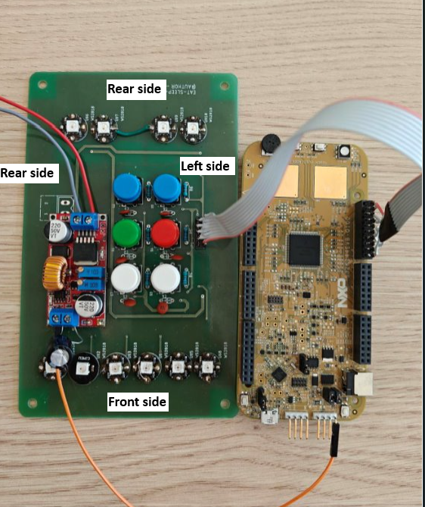 | Diagram | Lights
 | 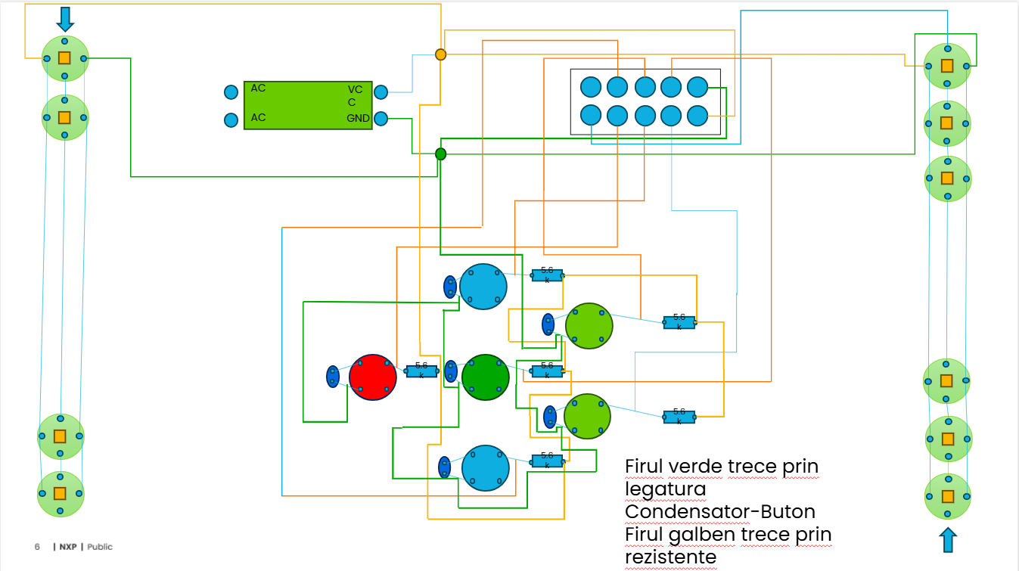 | Diagram | Lights

Steering
 | The system shall simulate the steering function of a car | Req | Steering | SYS |  | New
 | The system shall contain a voltage regulator | Req | Steering | SYS |  | New
 | A potentiometer shall be used to control the servo motor | Req | Steering | SYS |  | New
 | A servo motor shall be used to controll the angle of the wheels | Req | Steering | SYS |  | New
 | A small plastic arm shall be mounted on the servo motor, as a wheel angle guide | Req | Steering | HW |  | New
 | Potentiometer shall connect to an ADC input enabled pin | Req | Steering | HW |  | New
 | Servo motor shall connect to PWM output enabled pin | Req | Steering | HW |  | New
 |  | Diagram

 | The steering system shall controll the wheel angle(also known as "steering") using a servo motor controlled by a potentiometer | Req | Steering | CUS |  | New
 | Rotating the potentiometer's shaft in one direction shall also turn the servo motor in the same direction | Req | Steering | SW |  | New
 | Rotating the potatiometer fully to one side shall result in the full rotation of the servo to the same side | Req | Steering | SW |  | New
 | PWM shall be used for spinning the servo motor | Req | Steering | SW |  | New
 | FTM(Flex Timer Module) shall be used for PWM control and output | Req | Steering | SW |  | New
 | ADC interrupt shall be used to read the values from the potentiometer | Req | Steering | SW |  | New
 | PDB(Programmable Delay Block) shall be used to trigger ADC interrupt | Req | Steering | SW |  | New
 | The delay value used by PDB in order to generate a interrupt at a specific timeout shall be calculated through a function. | Req | Steering | SW |  | New
 | The ADC raw value shall be converted to mili volts using the following formula: adcValue = ((adcRawValue * 5000) / adcMax); | Req | Steering | SW |  | New
 | The duty cycle of the servomotor shall be calculated using the following formula: Servo_dutyCycle = (int) (adcValue / 2.5); | Req | Steering | SW |  | New

Transmission
 | Customer requirements
CUS_283 | The system operates an automatic gearbox and controls the functioning of an internal combustion engine. | Req | Transmission | CUS |  | New |  |  | 2025-07-30
CUS_284 | The system shall visually indicate the current gear. | Req | Transmission | CUS |  | New |  |  | 2025-08-01
CUS_285 | The system shall respond to acceleration input in real-time to reflect changes in vehicle speed. | Req | Transmission | CUS |  | New |  |  | 2025-08-01
 | Hardware requirements
HW_287 | The system shall include a potentiometer for adjustable input control. | Req | Transmission | HW |  | New |  |  | 2025-07-30
HW_288 | The system shall include a servo motor for precise angular control. | Req | Transmission | HW |  | New |  |  | 2025-07-30
HW_289 | The system shall include a DC (direct current) motor for mechanical actuation. | Req | Transmission | HW |  | New |  |  | 2025-07-30
HW_290 | The system shall include a motor driver to control the DC (direct current) motor and servo. | Req | Transmission | HW |  | New |  |  | 2025-07-30
HW_291 | The system shall include a voltage regulator to maintain a stable power supply. | Req | Transmission | HW |  | New |  |  | 2025-07-30

HW_293 |  | Req | Transmission | HW |  | New
 | System requirements
SYS_295 | The potentiometer shall simulate the accelerator pedal. | Req | Transmission | SYS |  | New |  |  | 2025-07-30
SYS_296 | The servo mechanism with an arm shall indicate gear shifting. | Req | Transmission | SYS |  | New |  |  | 2025-07-30
 | Module requirements
SW_298 | The system shall read analog acceleration input using the ADC. | Req | Transmission | SW |  | New |  |  | 2025-07-31
SW_299 | The system shall cyclically read acceleration every 10ms. | Req | Transmission | SW |  | New |  |  | 2025-08-01
SW_300 | The system shall initialize ADC, PWM, and PDB modules. | Req | Transmission | SW |  | New |  |  | 2025-08-01
SW_301 | The system shall increase the motor RPM proportionally to the angle of the potentiometer. | Req | Transmission | SW |  | New |  |  | 2025-07-30
SW_302 | The system shall decrease the motor RPM when the potentiometer angle is reduced. | Req | Transmission | SW |  | New |  |  | 2025-08-01
SW_303 | The system shall reduce vehicle speed based on a braking factor inversely proportional to acceleration. | Req | Transmission | SW |  | New |  |  | 2025-08-01
SW_304 | The system shall determine the appropriate gear based on speed and acceleration. | Req | Transmission | SW |  | New |  |  | 2025-08-01
SW_305 | The system shall calculate vehicle speed based on acceleration and gear. | Req | Transmission | SW |  | New |  |  | 2025-07-31
SW_306 | The system shall update gear based on speed thresholds and the potentiometer input. | Req | Transmission | SW |  | New |  |  | 2025-08-01
SW_307 | The system shall calculate RPM using an exponential function of acceleration and gear factor. | Req | Transmission | SW |  | New |  |  | 2025-08-01
SW_308 | The system shall control the motor PWM duty cycle to simulate RPM. | Req | Transmission | SW |  | New |  |  | 2025-08-01
SW_309 | The system shall control the servo PWM duty cycle to indicate the current gear. | Req | Transmission | SW |  | New |  |  | 2025-08-01
SW_310 | The system shall ensure gear and RPM values remain within defined limits. | Req | Transmission | SW |  | New |  |  | 2025-08-01
SW_311 | The system shall stop the engine (RPM = 0) if acceleration is zero for a defined number of cycles. | Req | Transmission | SW |  | New |  |  | 2025-08-01
SW_312 | The system shall keep a base RPM, calculated by a formula. | Req | Transmission | SW |  | New |  |  | 2025-08-01
SW_313 | The system shall have a factor that reduces the RPM every gear change. | Req | Transmission | SW |  | New |  |  | 2025-08-01
SW_314 | The duty cycle shall be calculated using a predefined formula or mapping based on the current RPM value. | Req | Transmission | SW |  | New |  |  | 2025-08-01
SW_315 | The system must ensure that the PDB timer is only triggered after a valid ADC conversion. | Req | Transmission | SW |  | New |  |  | 2025-08-01

Brakes_Node_diag
LEDs Strip Output
Development Board K144
PCB
ADC Input
Pressure sensor
LEDs band
LEDs Strip Output
ID | Name | Diagram
D_BR_001 | HW-SW Interaction Diagram
D_BR_002 | User Interaction Diagram
D_BR_003 | System Sequence Diagram

D_BR_004 | Flow Diagram function setIndividualColor
D_BR_005 | HW Module diagram

Comfort_Node_diag
Development Board K144
PCB
Stepper motor_EN
Button_Up
Button_Down
Button_Lock
Door control
Climate control
Button_ON_OFF
Pot_Cooler_Speed
Cooler_Control
Temp_Sensor
Stepper motor_Spd
Stepper motor_Dir
ID | Name | Diagram
D_CF_001 | HW Diagram
D_CF_002 | Sequence diagram | 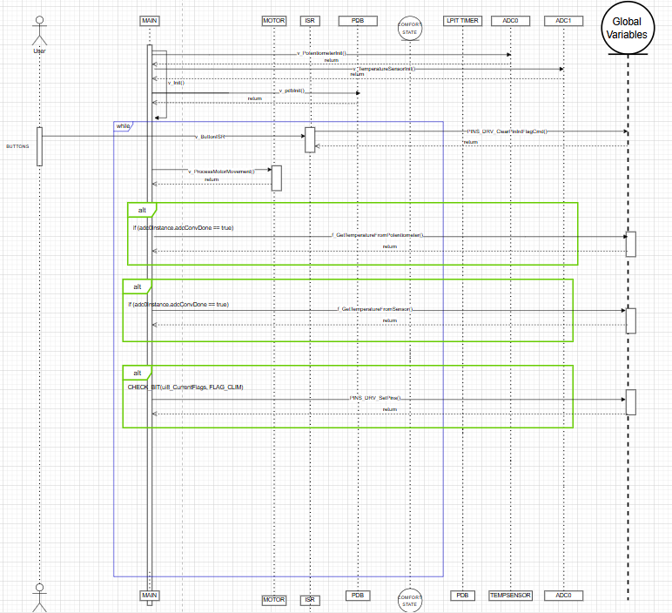
D_CF_004 | Electrical Schematic | 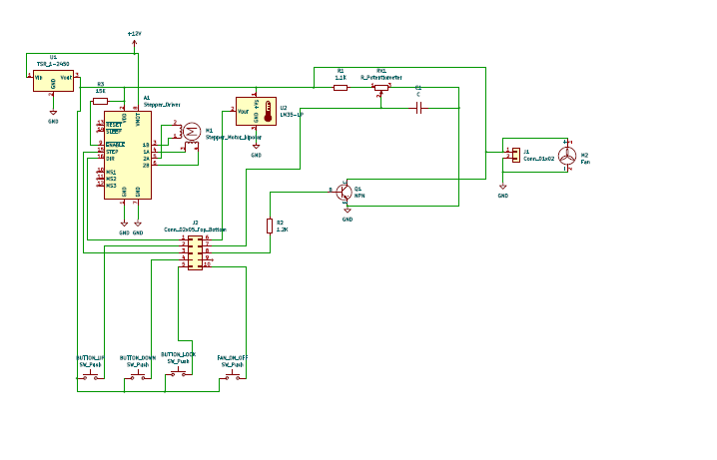
Stepper motor_EN
Button_Up
Button_Down
Button_Lock
Button_ON_OFF
Pot_Cooler_Speed
Cooler_Control
Temp_Sensor
Stepper motor_Spd
Stepper motor_Dir
D_CF_005 | Use case diagram
D_CF_006 | Flow Chart
D_CF_007 | HW Module Diagram | 