instructions
 | Instructions
1 | open the Property Data User Guide | https://nyco365.sharepoint.com/:w:/r/sites/DOF-PropertyDivision/PTS/_layouts/15/Doc.aspx?sourcedoc=%7BD6C8370C-2E90-4081-B8E9-192E99726424%7D&file=NYC%20Property%20Data%20User%20Guide%20v1.4.docx&action=default&mobileredirect=true
2 | find tables starting with "CAMA VALUES TAB"
3 | copy/paste the data in each of the tables in the "descriptions" sheet (an example is done)
 | note: the field descriptions will not copy and paste very cleanly, so make sure all the data for the right field name is in the correct description column
 | if the field label description is on two pages, you can just include the page number of where it starts

4 | done!

 | for context, these will help populate the "description" column in this interactive table:
 | https://nycdepartmentoffinance.github.io/data_dictionary/pts_columns.html

 | tip:
 | if there are multiple field names, split them up over multiple rows
 | For example:
 |  |  | field_name | field_description
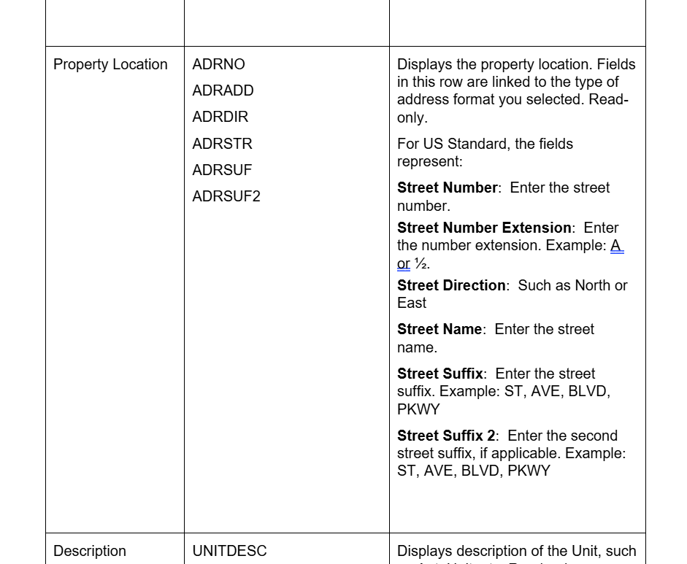
 |  |  | ADRNO | Street Number: Enter the street number
 |  |  | ADRADD | Street Number Extension: Enter the number extension. Example: A or ½.
 |  |  | ADRDIR | Street Direction: Such as North or East
 |  |  | ADRSTR | Street Name: Enter the street name.
 |  |  | ADRSUF | Street Suffix: Enter the street suffix. Example: ST, AVE, BLVD, PKWY
 |  |  | ADRSUF2 | Street Suffix 2: Enter the second street suffix, if applicable. Example: ST, AVE, BLVD, PKWY

 | here is my email if you have any more questions | boydclaire@finance.nyc.gov

