layout
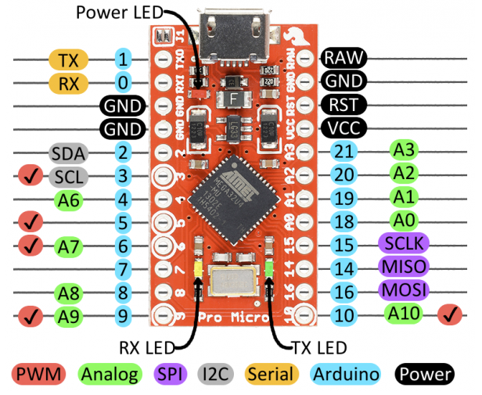
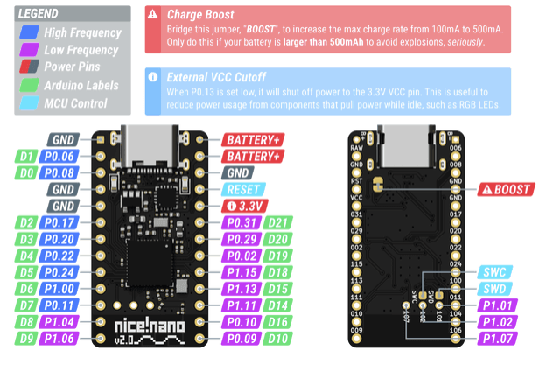
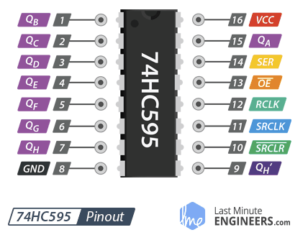
 |  |  | 1 | 2 | 3 | 4 | 5 | 6 | 7 | 8 | 9 | 10 | 11 | 12 | 13 | 14 | 15 | 16
 |  |  | P8 | P9 | 1.01 | 1.02 | 1.07 | 595-P1 | 595-P2 | 595-P3 | 595-P4 | 595-P5 | 595-P6 | 595-P7 | P18 | P19 | P20 | P21
 |  |  | C0 | C1 | C2 | C3 | C4 | C5 | C6 | C7 | C8 | C9 | CA | CB | CC | CD | CE | CF
1 | P1 | R0 | &bt RALT | &kp LEFT | &none | &kp RIGHT | &kp DOWN | &kp FSLH | &none | &none | &kp N | &kp SPACE | &kp B | &none | &none | &none | &none | &none
2 | P0 | R1 | &none | &kp PAUSE_BREAK | &none | &none | &none | &none | &kp DOT | &kp COMMA | &kp M | &kp ENTER | &kp V | &kp C | &kp X | &kp Z | &kp RSHFT | &kp RCTRL
3 | P2 | R2 | &none | &none | &none | &none | &none | &kp SEMI | &kp L | &kp K | &kp J | &kp BSLH | &kp F | &kp D | &kp S | &kp A | &none | &none
4 | P3 | R3 | &kp SLCK | &none | &none | &none | &none | &kp P | &kp O | &kp I | &kp U | &none | &kp R | &kp E | &kp W | &kp Q | &none | &none
5 | P4 | R4 | &kp PSCRN | &kp END | &kp PG_DN | &kp F12 | &kp F11 | &kp N0 | &kp N9 | &kp N8 | &kp N7 | &kp F10 | &kp N4 | &kp N3 | &kp N2 | &kp N1 | &none | &none
6 | P5 | R5 | &none | &kp HOME | &kp PG_UP | &kp INS | &kp DEL | &kp MINUS | &kp F8 | &kp EQUAL | &kp N6 | &kp F9 | &kp N5 | &kp F2 | &kp F1 | &kp TILDE | &none | &kp LCTRL
7 | P6 | R6 | &none | &none | &none | &none | &none | &kp LBKT | &kp F7 | &kp RBKT | &kp Y | &kp BSPC | &kp T | &kp F3 | &kp CAPS | &kp TAB | &kp LSHFT | &none
8 | P7 | R7 | &kp LALT | &kp UP | &none | &none | &none | &kp APOS | &none | &kp F6 | &kp H | &kp F5 | &kp G | &kp F4 | &none | &kp ESC | &none | &none

