week1
 |  |  |  |  |  | chimp | Human | seal | Whale |  | i | j | k | l
chimp | acgtaggcct | 0 | 3 |  | chimp | 0 | 3 | 6 | 4 | i | 0 | 13 | 21 | 22
Human | atgtaagact | 3 |  |  | Human | 3 | 0 | 7 | 5 | j | 13 | 0 | 12 | 13
seal | tcgagagcac |  |  |  | seal | 6 | 7 | 0 | 2 | k | 21 | 12 | 0 | 13
Whale | tcgaaagcat |  |  |  | Whale | 4 | 5 | 2 | 0 | l | 22 | 13 | 13 | 0
 |  |  |  |  |  |  |  |  |  |  |  |  |  |  | min | 12
 |  |  |  |  | m=(whale,seal) |  |  |  |  | m=(k, j)

 |  |  |  |  | chimp-m |  | 4 |  |  | j-m |  | 2
 |  |  |  |  | human-m |  | 5 |  |  | k-m |  | 10

 |  |  |  |  |  | chimp | Human | m |  | i-m |  | 11
 |  |  |  |  | chimp | 0 | 3 | 4 |  | l-m |  | 7
 |  |  |  |  | Human | 3 | 0 | 5
 |  |  |  |  | m | 4 | 5 | 0

 |  |  |  |  | chimp-a | 1
 |  |  |  |  | human-a | 2 |  |  |  |  | i | l | m |  |  |  | i | j | k | l |  | i | j | k | l
 |  |  |  |  |  |  |  |  |  | i | 0 | 22 | 11 |  |  | i | 0 | 20 | 9 | 11 | i
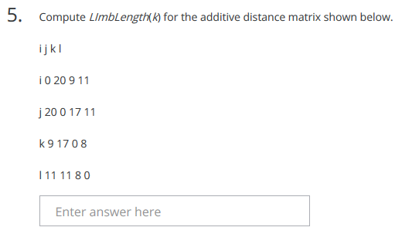
 |  |  |  |  |  |  |  |  |  | l | 22 | 0 | 7 |  |  | j | 20 | 0 | 17 | 11 | j
 |  |  |  |  |  |  |  |  |  | m | 11 | 7 | 0 |  |  | k | 9 | 17 | 0 | 8 | k
 |  |  |  |  |  |  |  |  |  |  |  |  |  |  |  | l | 11 | 11 | 8 | 8 | l

 |  |  |  |  |  |  |  |  |  | i-a | 13
 |  |  |  |  |  |  |  |  |  | l-a | 9
 |  |  |  |  |  |  |  |  |  |  |  |  |  |  |  | i | j

 |  |  |  |  |  |  |  |  |  |  |  |  |  |  |  | L(k)= | 3

 |  |  |  |  |  |  |  |  |  |  |  |  |  |  |  | i | l

 |  |  |  |  |  |  |  |  |  |  |  |  |  |  |  | L(k)= | 3

 |  |  |  |  |  |  |  |  |  |  |  |  |  |  |  | l | j

 |  |  |  |  |  |  |  |  |  |  |  |  |  |  |  | L(k)= | 7
 |  |  |  | answer=3
 |  |  |  |  |  |  |  |  |  |  |  |  |  |  |  | min(L(k)) | 3

