Sheet1
Determine the rest of the entries in HiddenVector for Parameters = (0.6, 0.82) and the five sequences of coin flips, reproduced below.

 |  |  | θa | θb
 |  |  | 0.6 | 0.82

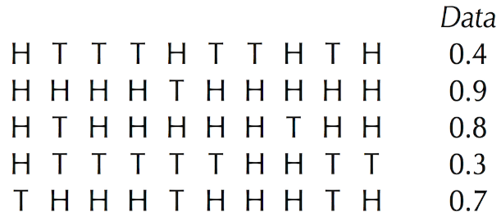
 | H
 | 4 | 6
 | 9 | 1
 | 8 | 2
 | 3 | 7
 | 7 | 3
10

