EM_soft_assignments
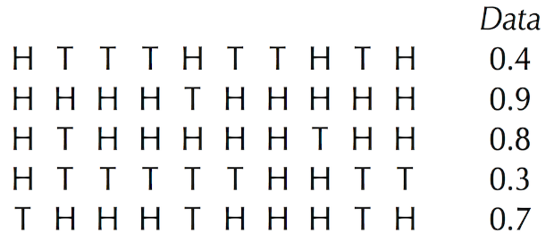
 | total | 10 | θa | θb
 |  |  | 0.6 | 0.82 |  |  | soft
 | h | t | HVa | HVb | HVa | HVb | HVa | HVb |  | ones
0.4 | 4 | 6 | 0.0005308416 | 1.5377666576E-05 | 1 | 0 | 0.97184708135 | 0.028152918649 | 1 | 1
0.9 | 9 | 1 | 0.0040310784 | 0.030171519074 | 0 | 1 | 0.11785883815 | 0.88214116185 | 1 | 1
0.8 | 8 | 2 | 0.0026873856 | 0.006623016382 | 0 | 1 | 0.28864334807 | 0.71135665193 | 1 | 1
0.3 | 3 | 7 | 0.0003538944 | 3.375585346E-06 | 1 | 0 | 0.99055172423 | 0.0094482757704 | 1 | 1
0.7 | 7 | 3 | 0.0017915904 | 0.0014538328644 | 1 | 0 | 0.55203597623 | 0.44796402377 | 1 | 1
 |  |  |  |  | 3
 |  |  | θa | θb
 |  |  | 0.48248804455 | 0.81319460163
 | h | t | HVa | HVb | HVa | HVb | HVa | HVb
0.4 | 4 | 6 | 0.0010410427152 | 1.8582942479E-05 | 1 | 0 | 0.98246272885 | 0.017537271152 | 1
0.9 | 9 | 1 | 0.00073332990553 | 0.029049576458 | 0 | 1 | 0.024622509857 | 0.97537749014 | 1
0.8 | 8 | 2 | 0.00078656248105 | 0.0066732092073 | 0 | 1 | 0.10544055688 | 0.89455944312 | 1
0.3 | 3 | 7 | 0.0011166122298 | 4.2688354863E-06 | 1 | 0 | 0.99619153573 | 0.0038084642685 | 1
0.7 | 7 | 3 | 0.00084365922067 | 0.0015329559516 | 0 | 1 | 0.35498352047 | 0.64501647953 | 1

 |  |  | θa | θb
 |  |  | 0.42490699315 | 0.8095087208
 | h | t | HVa | HVb | HVa | HVb | HVa | HVb
0.4 | 4 | 6 | 0.0011792449762 | 2.0518079882E-05 | 1 | 0 | 0.9828982233 | 0.017101776703 | 1
0.9 | 9 | 1 | 0.00025964681273 | 0.028436024776 | 0 | 1 | 0.0090482918973 | 0.9909517081 | 1
0.8 | 8 | 2 | 0.00035142059005 | 0.0066914841012 | 0 | 1 | 0.049897109993 | 0.95010289001 | 1
0.3 | 3 | 7 | 0.0015960564314 | 4.8282559322E-06 | 1 | 0 | 0.99698400767 | 0.0030159923262 | 1
0.7 | 7 | 3 | 0.0004756323785 | 0.0015746209194 | 0 | 1 | 0.23198713008 | 0.76801286992 | 1

 |  |  | θa | θb
 |  |  | 0.39752543805 | 0.8051096484
 | h | t | HVa | HVb | HVa | HVb | HVa | HVb
0.4 | 4 | 6 | 0.0011792449762 | 2.0518079882E-05 | 1 | 0 | 0.9828982233 | 0.017101776703 | 1
0.9 | 9 | 1 | 0.00025964681273 | 0.028436024776 | 0 | 1 | 0.0090482918973 | 0.9909517081 | 1
0.8 | 8 | 2 | 0.00035142059005 | 0.0066914841012 | 0 | 1 | 0.049897109993 | 0.95010289001 | 1
0.3 | 3 | 7 | 0.0015960564314 | 4.8282559322E-06 | 1 | 0 | 0.99698400767 | 0.0030159923262 | 1
0.7 | 7 | 3 | 0.0004756323785 | 0.0015746209194 | 0 | 1 | 0.23198713008 | 0.76801286992 | 1

 |  |  | θa | θb
 |  |  | 0.39752543805 | 0.8051096484

Sheet4
Exercise Break: Compute HiddenMatrix using the Newtonian inverse-square law for the three centers and eight data points shown in the figure below. | HiddenMatrixi,j=1/d(Dataj,xi)2∑all centers xt1/d(Dataj,xt)2.
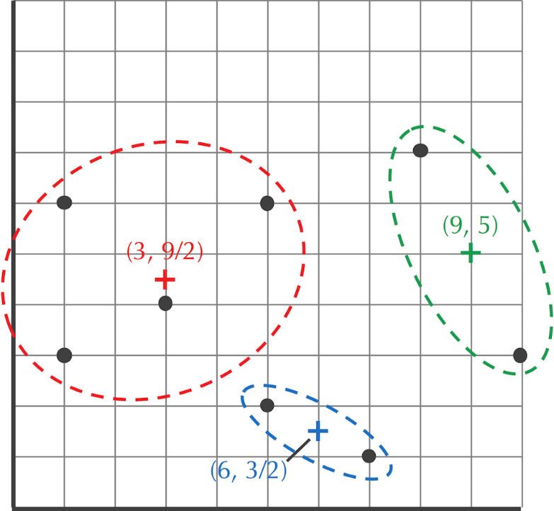

 | name | x | y
 | center1 | 3 | 4.5
 | center2 | 6 | 1.5 | distances2 |  |  |  |  | HM
 | center3 | 9 | 5 | c1 | c2 | c3 |  | x1 | x2 | x3
 | item1 | 1 | 6 | 6.25 | 45.25 | 65 |  | 0.81019196006 | 0.11190496686 | 0.077903073083
 | item2 | 1 | 3 | 6.25 | 27.25 | 68 |  | 0.75684782886 | 0.17358895157 | 0.069563219564
 | item3 | 3 | 4 | 0.25 | 15.25 | 37 |  | 0.97737360615 | 0.016022518134 | 0.0066038757172
 | item4 | 5 | 6 | 6.25 | 21.25 | 17 |  | 0.6017699115 | 0.17699115044 | 0.22123893805
 | item5 | 5 | 2 | 10.25 | 1.25 | 25 |  | 0.10405827263 | 0.85327783559 | 0.042663891779
 | item6 | 7 | 1 | 28.25 | 1.25 | 20 |  | 0.039980009995 | 0.90354822589 | 0.056471764118
 | item7 | 8 | 7 | 31.25 | 34.25 | 5 |  | 0.12251285491 | 0.11178180192 | 0.76570534317
 | item8 | 10 | 3 | 51.25 | 18.25 | 5 |  | 0.071132764921 | 0.19975639464 | 0.72911084044

 |  |  | 2.5 | partition function |  | b | 0.5 |  | HM
 |  |  |  | 0.28650479686 | 0.034617151496 | 0.017754276293 |  | 0.84545558532 | 0.10215278907 | 0.05239162562
 |  |  |  | 0.28650479686 | 0.073528909231 | 0.016194143319 |  | 0.76151937532 | 0.19543717815 | 0.04304344653
 |  |  |  | 0.77880078307 | 0.14190997249 | 0.047768862439 |  | 0.80414782985 | 0.14652861026 | 0.049323559889
 |  |  |  | 0.28650479686 | 0.099770162399 | 0.12725621132 |  | 0.55791121021 | 0.19428258325 | 0.24780620654
 |  |  |  | 0.2017388864 | 0.57177084164 | 0.082084998624 |  | 0.23578790298 | 0.66827298465 | 0.095939112369
 |  |  |  | 0.070120754898 | 0.57177084164 | 0.10687792566 |  | 0.093647982215 | 0.76361393552 | 0.14273808227
 |  |  |  | 0.061109681508 | 0.053601674127 | 0.32692189535 |  | 0.13837201201 | 0.12137146378 | 0.74025652421
 |  |  |  | 0.027890887238 | 0.11812629428 | 0.32692189535 |  | 0.058973530844 | 0.24977063656 | 0.6912558326
 |  | x | y
 | center1 | 2.9578682018 | 4.4716601897
 | center2 | 5.6786097626 | 2.7238584668
 | center3 | 7.6576782569 | 4.711075198

