Sheet1
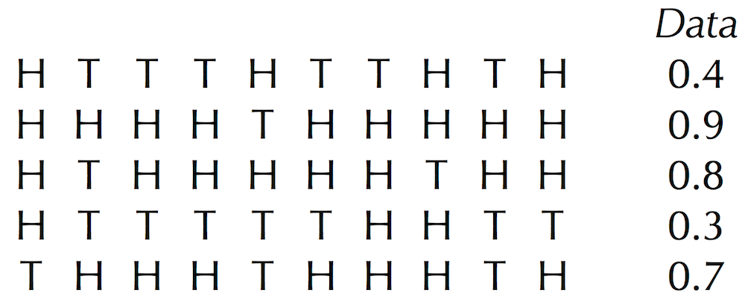
Determine the rest of the entries in HiddenVector for Parameters = (0.6, 0.82) and the five sequences of coin flips, reproduced below.

