PivotReport
POLL TX
endtxtime
from dc.CRCtimestamp
rxstart
(after call)
16/158/105
ACK RX
rxEnd
(From
di.rxstatus.timestampEnd.CRC)
phyDataWrapper Call
TargetTX
Actual TX(PHR)
786/1223/927
DATA TX
1000/1000/1000
1718/1723/1721
195/214/203
1000 (to have)
rxstart
(before call)
TargetTX
Actual TX(PHR)
718/723/721
Wrapper Call
786/1223/927
Wrapper Return
805/1236/944
555/919/732
718/723/721
Actual RX(PHR)
1684/1700/1691
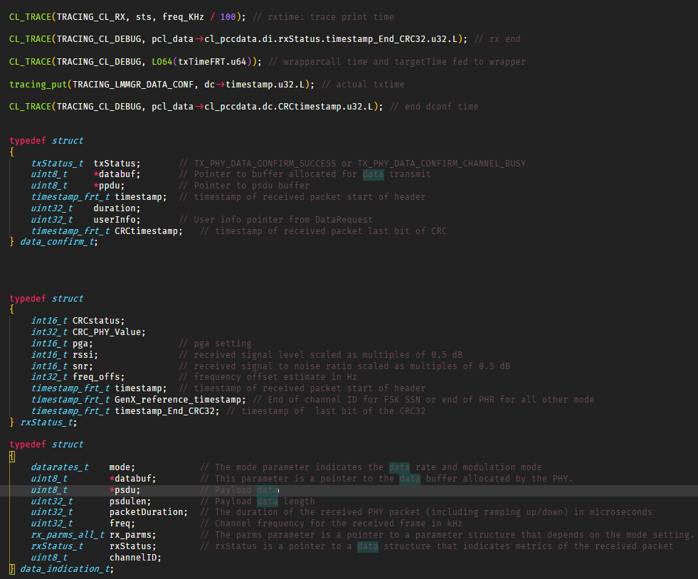
min/max/avg

RTT CL DataGet REQ/CNF
 | Count of data req to resp | CDF data req to resp | PDF data req to resp
313 | 1 | 2.56% | 2.56%
316 | 1 | 5.13% | 2.56%
317 | 3 | 12.82% | 7.69%
318 | 1 | 15.38% | 2.56%
319 | 1 | 17.95% | 2.56%
323 | 1 | 20.51% | 2.56%
326 | 1 | 23.08% | 2.56%
336 | 1 | 25.64% | 2.56%
346 | 1 | 28.21% | 2.56%
348 | 1 | 30.77% | 2.56%
351 | 1 | 33.33% | 2.56%
352 | 1 | 35.90% | 2.56%
379 | 1 | 38.46% | 2.56%
406 | 1 | 41.03% | 2.56%
407 | 2 | 46.15% | 5.13%
409 | 1 | 48.72% | 2.56%
410 | 1 | 51.28% | 2.56%
662 | 1 | 53.85% | 2.56%
665 | 2 | 58.97% | 5.13%
667 | 3 | 66.67% | 7.69%
669 | 2 | 71.79% | 5.13%
674 | 1 | 74.36% | 2.56%
687 | 1 | 76.92% | 2.56%
823 | 1 | 79.49% | 2.56%
824 | 2 | 84.62% | 5.13%
825 | 5 | 97.44% | 12.82%
826 | 1 | 100.00% | 2.56%
(blank) |  | 100.00% | 0.00%

 | Series1
1 | 1
2 | 3
3 | 1
4 | 1
5 | 1
6 | 6
7 | 1
8 | 1
9 | 2
10 | 159
 | Series1
1 | 2
2 | 1
3 | 1
4 | 1
5 | 1
6 | 3
7 | 2
8 | 165

 | Count of dataReq2Res DATA | CDF dataReq2Res DATA | PDF dataReq2Res DATA
(blank) |  |  | #N/A
 | Count of dataReq2Res wo DATA | CDF dataReq2Res wo DATA | PDF dataReq2Res wo DATA
313 | 1 | 2.56% | 2.56%
316 | 1 | 5.13% | 2.56%
317 | 3 | 12.82% | 7.69%
318 | 1 | 15.38% | 2.56%
319 | 1 | 17.95% | 2.56%
323 | 1 | 20.51% | 2.56%
326 | 1 | 23.08% | 2.56%
336 | 1 | 25.64% | 2.56%
346 | 1 | 28.21% | 2.56%
348 | 1 | 30.77% | 2.56%
351 | 1 | 33.33% | 2.56%
352 | 1 | 35.90% | 2.56%
379 | 1 | 38.46% | 2.56%
406 | 1 | 41.03% | 2.56%
407 | 2 | 46.15% | 5.13%
409 | 1 | 48.72% | 2.56%
410 | 1 | 51.28% | 2.56%
662 | 1 | 53.85% | 2.56%
665 | 2 | 58.97% | 5.13%
667 | 3 | 66.67% | 7.69%
669 | 2 | 71.79% | 5.13%
674 | 1 | 74.36% | 2.56%
687 | 1 | 76.92% | 2.56%
823 | 1 | 79.49% | 2.56%
824 | 2 | 84.62% | 5.13%
825 | 5 | 97.44% | 12.82%
826 | 1 | 100.00% | 2.56%
 | Series1
1 | 2
2 | 3
3 | 1
4 | 1
5 | 1
6 | 2
7 | 1
8 | 2
9 | 1
10 | 1
11 | 1
12 | 1
13 | 1
14 | 1
15 | 1
16 | 1
17 | 1
18 | 154

 | Count of txCall to targetTime | CDF txCall to targetTime | PDF txCall to targetTime
786 | 2 | 5.13% | 5.13%
787 | 2 | 10.26% | 5.13%
788 | 1 | 12.82% | 2.56%
795 | 2 | 17.95% | 5.13%
797 | 1 | 20.51% | 2.56%
798 | 1 | 23.08% | 2.56%
799 | 3 | 30.77% | 7.69%
800 | 1 | 33.33% | 2.56%
803 | 4 | 43.59% | 10.26%
805 | 2 | 48.72% | 5.13%
864 | 1 | 51.28% | 2.56%
877 | 2 | 56.41% | 5.13%
887 | 1 | 58.97% | 2.56%
888 | 2 | 64.10% | 5.13%
889 | 4 | 74.36% | 10.26%
1207 | 1 | 76.92% | 2.56%
1208 | 1 | 79.49% | 2.56%
1221 | 1 | 82.05% | 2.56%
1222 | 5 | 94.87% | 12.82%
1223 | 2 | 100.00% | 5.13%
 | Count of txCall to afterTx | CDF txCall to afterTx | PDF txCall to afterTx
805 | 4 | 10.26% | 10.26%
806 | 1 | 12.82% | 2.56%
807 | 1 | 15.38% | 2.56%
808 | 1 | 17.95% | 2.56%
809 | 1 | 20.51% | 2.56%
815 | 2 | 25.64% | 5.13%
816 | 1 | 28.21% | 2.56%
817 | 5 | 41.03% | 12.82%
818 | 1 | 43.59% | 2.56%
819 | 1 | 46.15% | 2.56%
837 | 1 | 48.72% | 2.56%
882 | 1 | 51.28% | 2.56%
895 | 2 | 56.41% | 5.13%
906 | 1 | 58.97% | 2.56%
907 | 3 | 66.67% | 7.69%
908 | 3 | 74.36% | 7.69%
1220 | 1 | 76.92% | 2.56%
1222 | 1 | 79.49% | 2.56%
1234 | 3 | 87.18% | 7.69%
1235 | 4 | 97.44% | 10.26%
1236 | 1 | 100.00% | 2.56%

 | Count of txPHR - target | CDF of txPHR - target | PDF txPHR - target
721 | 13 | 33.33% | 33.33%
722 | 7 | 51.28% | 17.95%
720 | 2 | 56.41% | 5.13%
719 | 7 | 74.36% | 17.95%
723 | 5 | 87.18% | 12.82%
718 | 5 | 100.00% | 12.82%
 | Count of txEnd to rxStart | CDF txEnd to rxStart | PDF txEnd to rxStart
555 | 5 | 16.67% | 16.67%
556 | 2 | 23.33% | 6.67%
559 | 1 | 26.67% | 3.33%
568 | 1 | 30.00% | 3.33%
569 | 1 | 33.33% | 3.33%
777 | 1 | 36.67% | 3.33%
778 | 1 | 40.00% | 3.33%
779 | 3 | 50.00% | 10.00%
780 | 1 | 53.33% | 3.33%
781 | 2 | 60.00% | 6.67%
783 | 1 | 63.33% | 3.33%
818 | 3 | 73.33% | 10.00%
819 | 1 | 76.67% | 3.33%
830 | 2 | 83.33% | 6.67%
831 | 1 | 86.67% | 3.33%
864 | 1 | 90.00% | 3.33%
900 | 1 | 93.33% | 3.33%
901 | 1 | 96.67% | 3.33%
919 | 1 | 100.00% | 3.33%

 | Count of rxCall to afterRx | CDF rxCall to afterRx | PDF rxCall to afterRx
16 | 4 | 13.33% | 13.33%
17 | 3 | 23.33% | 10.00%
18 | 1 | 26.67% | 3.33%
29 | 1 | 30.00% | 3.33%
30 | 1 | 33.33% | 3.33%
140 | 3 | 43.33% | 10.00%
141 | 4 | 56.67% | 13.33%
145 | 2 | 63.33% | 6.67%
146 | 2 | 70.00% | 6.67%
152 | 2 | 76.67% | 6.67%
153 | 2 | 83.33% | 6.67%
154 | 1 | 86.67% | 3.33%
155 | 1 | 90.00% | 3.33%
157 | 1 | 93.33% | 3.33%
158 | 2 | 100.00% | 6.67%
 | Count of rxEnd to txCall | CDF rxEnd to txCall | PDF rxEnd to txCall
195 | 2 | 10.53% | 10.53%
197 | 4 | 31.58% | 21.05%
200 | 1 | 36.84% | 5.26%
201 | 3 | 52.63% | 15.79%
202 | 1 | 57.89% | 5.26%
203 | 1 | 63.16% | 5.26%
205 | 2 | 73.68% | 10.53%
212 | 1 | 78.95% | 5.26%
213 | 2 | 89.47% | 10.53%
214 | 2 | 100.00% | 10.53%

 | Count of rxEnd to targetTime | CDF End to targetTime | PDF rxEnd to targetTime
1000 | 19 | 100.00% | 100.00%
 | Count of rxEnd to txTime | CDF rxEnd to txTime | PDF rxEnd to txTime
1718 | 1 | 5.26% | 5.26%
1719 | 1 | 10.53% | 5.26%
1720 | 2 | 21.05% | 10.53%
1721 | 9 | 68.42% | 47.37%
1722 | 3 | 84.21% | 15.79%
1723 | 3 | 100.00% | 15.79%

 | Count of txend to rxstart act | CDF of txend to rxstart act2 | PDF of txend to rxstart act2
1684 | 1 | 3.33% | 3.33%
1685 | 2 | 10.00% | 6.67%
1686 | 5 | 26.67% | 16.67%
1687 | 4 | 40.00% | 13.33%
1688 | 3 | 50.00% | 10.00%
1689 | 5 | 66.67% | 16.67%
1697 | 2 | 73.33% | 6.67%
1698 | 3 | 83.33% | 10.00%
1699 | 4 | 96.67% | 13.33%
1700 | 1 | 100.00% | 3.33%
 | Count of duration | CDF duration | PDF duration
7 | 1 | 5.26% | 5.26%
9 | 9 | 52.63% | 47.37%
25 | 9 | 100.00% | 47.37%
(blank) |  | 100.00% | 0.00%

