PivotReport
POLL TX
endtxtime
from dc.CRCtimestamp
rxstart
(after call)
149/829/634
ACK RX
rxEnd
(From
di.rxstatus.timestampEnd.CRC)
phyDataWrapper Call
TargetTX
Actual TX(PHR)
-686983901/894/-287961647
DATA TX
-686983653/-680832859/-683909850
#DIV/0!
220/263/237
1000 (to have)
rxstart
(before call)
TargetTX
Actual TX(PHR)
719/989/754
Wrapper Call
-686983901/894/-287961647
Wrapper Return
509/1120/840
#DIV/0!
719/989/754
Actual RX(PHR)
#DIV/0!
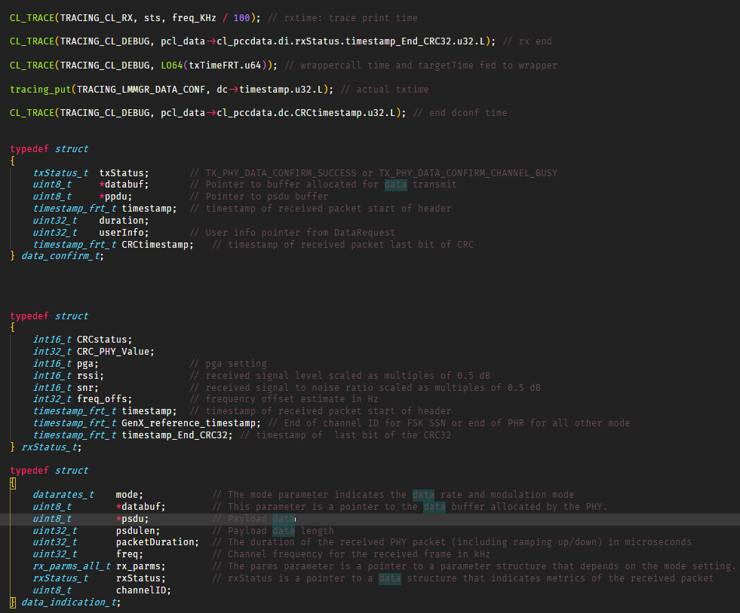
min/max/avg

RTT CL DataGet REQ/CNF
 | Count of data req to resp | CDF data req to resp | PDF data req to resp
474 | 1 | 1.28% | 1.28%
639 | 1 | 2.56% | 1.28%
647 | 1 | 3.85% | 1.28%
649 | 1 | 5.13% | 1.28%
670 | 1 | 6.41% | 1.28%
682 | 1 | 7.69% | 1.28%
687 | 1 | 8.97% | 1.28%
695 | 1 | 10.26% | 1.28%
717 | 2 | 12.82% | 2.56%
719 | 1 | 14.10% | 1.28%
720 | 1 | 15.38% | 1.28%
724 | 1 | 16.67% | 1.28%
742 | 1 | 17.95% | 1.28%
750 | 1 | 19.23% | 1.28%
754 | 1 | 20.51% | 1.28%
756 | 2 | 23.08% | 2.56%
761 | 1 | 24.36% | 1.28%
805 | 1 | 25.64% | 1.28%
1444 | 1 | 26.92% | 1.28%
1580 | 1 | 28.21% | 1.28%
1883 | 1 | 29.49% | 1.28%
1885 | 1 | 30.77% | 1.28%
1911 | 1 | 32.05% | 1.28%
1955 | 1 | 33.33% | 1.28%
1959 | 1 | 34.62% | 1.28%
1961 | 1 | 35.90% | 1.28%
1962 | 1 | 37.18% | 1.28%
1966 | 1 | 38.46% | 1.28%
1968 | 1 | 39.74% | 1.28%
1969 | 1 | 41.03% | 1.28%
1970 | 1 | 42.31% | 1.28%
1971 | 1 | 43.59% | 1.28%
1972 | 1 | 44.87% | 1.28%
1973 | 2 | 47.44% | 2.56%
1974 | 1 | 48.72% | 1.28%
1975 | 1 | 50.00% | 1.28%
1977 | 1 | 51.28% | 1.28%
1978 | 1 | 52.56% | 1.28%
1980 | 2 | 55.13% | 2.56%
1981 | 2 | 57.69% | 2.56%
1982 | 3 | 61.54% | 3.85%
1983 | 4 | 66.67% | 5.13%
1984 | 3 | 70.51% | 3.85%
1986 | 1 | 71.79% | 1.28%
1987 | 3 | 75.64% | 3.85%
1992 | 1 | 76.92% | 1.28%
1995 | 1 | 78.21% | 1.28%
1996 | 2 | 80.77% | 2.56%
1998 | 2 | 83.33% | 2.56%
2010 | 1 | 84.62% | 1.28%
...

 | Series1
1 | 1
2 | 3
3 | 1
4 | 1
5 | 1
6 | 6
7 | 1
8 | 1
9 | 2
10 | 159
 | Series1
1 | 2
2 | 1
3 | 1
4 | 1
5 | 1
6 | 3
7 | 2
8 | 165

 | Count of dataReq2Res DATA | CDF dataReq2Res DATA | PDF dataReq2Res DATA
474 | 1 | 9.09% | 9.09%
639 | 1 | 18.18% | 9.09%
647 | 1 | 27.27% | 9.09%
649 | 1 | 36.36% | 9.09%
670 | 1 | 45.45% | 9.09%
682 | 1 | 54.55% | 9.09%
687 | 1 | 63.64% | 9.09%
695 | 1 | 72.73% | 9.09%
717 | 1 | 81.82% | 9.09%
742 | 1 | 90.91% | 9.09%
756 | 1 | 100.00% | 9.09%
(blank) |  | 100.00% | 0.00%
 | Count of dataReq2Res wo DATA | CDF dataReq2Res wo DATA | PDF dataReq2Res wo DATA
717 | 1 | 1.49% | 1.49%
719 | 1 | 2.99% | 1.49%
720 | 1 | 4.48% | 1.49%
724 | 1 | 5.97% | 1.49%
750 | 1 | 7.46% | 1.49%
754 | 1 | 8.96% | 1.49%
756 | 1 | 10.45% | 1.49%
761 | 1 | 11.94% | 1.49%
805 | 1 | 13.43% | 1.49%
1444 | 1 | 14.93% | 1.49%
1580 | 1 | 16.42% | 1.49%
1883 | 1 | 17.91% | 1.49%
1885 | 1 | 19.40% | 1.49%
1911 | 1 | 20.90% | 1.49%
1955 | 1 | 22.39% | 1.49%
1959 | 1 | 23.88% | 1.49%
1961 | 1 | 25.37% | 1.49%
1962 | 1 | 26.87% | 1.49%
1966 | 1 | 28.36% | 1.49%
1968 | 1 | 29.85% | 1.49%
1969 | 1 | 31.34% | 1.49%
1970 | 1 | 32.84% | 1.49%
1971 | 1 | 34.33% | 1.49%
1972 | 1 | 35.82% | 1.49%
1973 | 2 | 38.81% | 2.99%
1974 | 1 | 40.30% | 1.49%
1975 | 1 | 41.79% | 1.49%
1977 | 1 | 43.28% | 1.49%
1978 | 1 | 44.78% | 1.49%
1980 | 2 | 47.76% | 2.99%
1981 | 2 | 50.75% | 2.99%
1982 | 3 | 55.22% | 4.48%
1983 | 4 | 61.19% | 5.97%
1984 | 3 | 65.67% | 4.48%
1986 | 1 | 67.16% | 1.49%
1987 | 3 | 71.64% | 4.48%
1992 | 1 | 73.13% | 1.49%
1995 | 1 | 74.63% | 1.49%
1996 | 2 | 77.61% | 2.99%
1998 | 2 | 80.60% | 2.99%
2010 | 1 | 82.09% | 1.49%
2013 | 1 | 83.58% | 1.49%
2020 | 1 | 85.07% | 1.49%
2043 | 1 | 86.57% | 1.49%
2051 | 1 | 88.06% | 1.49%
2056 | 1 | 89.55% | 1.49%
2064 | 1 | 91.04% | 1.49%
2071 | 1 | 92.54% | 1.49%
2102 | 1 | 94.03% | 1.49%
2401 | 1 | 95.52% | 1.49%
...
 | Series1
1 | 2
2 | 3
3 | 1
4 | 1
5 | 1
6 | 2
7 | 1
8 | 2
9 | 1
10 | 1
11 | 1
12 | 1
13 | 1
14 | 1
15 | 1
16 | 1
17 | 1
18 | 154

 | Count of txCall to targetTime | CDF txCall to targetTime | PDF txCall to targetTime
-686983901 | 1 | 0.75% | 0.75%
-686961776 | 1 | 1.50% | 0.75%
-686940621 | 1 | 2.26% | 0.75%
-686919387 | 1 | 3.01% | 0.75%
-686897084 | 1 | 3.76% | 0.75%
-686875630 | 1 | 4.51% | 0.75%
-686854243 | 1 | 5.26% | 0.75%
-686833098 | 1 | 6.02% | 0.75%
-685985265 | 1 | 6.77% | 0.75%
-685964058 | 1 | 7.52% | 0.75%
-685941771 | 1 | 8.27% | 0.75%
-685920545 | 1 | 9.02% | 0.75%
-685899397 | 1 | 9.77% | 0.75%
-685876936 | 1 | 10.53% | 0.75%
-685855802 | 1 | 11.28% | 0.75%
-685833143 | 1 | 12.03% | 0.75%
-684983853 | 1 | 12.78% | 0.75%
-684962370 | 1 | 13.53% | 0.75%
-684940818 | 1 | 14.29% | 0.75%
-684919414 | 1 | 15.04% | 0.75%
-684896871 | 1 | 15.79% | 0.75%
-684875671 | 1 | 16.54% | 0.75%
-684854526 | 1 | 17.29% | 0.75%
-684833102 | 1 | 18.05% | 0.75%
-683983605 | 1 | 18.80% | 0.75%
-683961674 | 1 | 19.55% | 0.75%
-683940523 | 1 | 20.30% | 0.75%
-683919401 | 1 | 21.05% | 0.75%
-683896798 | 1 | 21.80% | 0.75%
-683875627 | 1 | 22.56% | 0.75%
-683854503 | 1 | 23.31% | 0.75%
-683833091 | 1 | 24.06% | 0.75%
-682985543 | 1 | 24.81% | 0.75%
-682964151 | 1 | 25.56% | 0.75%
-682941952 | 1 | 26.32% | 0.75%
-682920554 | 1 | 27.07% | 0.75%
-682899401 | 1 | 27.82% | 0.75%
-682876047 | 1 | 28.57% | 0.75%
-682854425 | 1 | 29.32% | 0.75%
-682833286 | 1 | 30.08% | 0.75%
-681994386 | 1 | 30.83% | 0.75%
-681973265 | 1 | 31.58% | 0.75%
-681952110 | 1 | 32.33% | 0.75%
-681930683 | 1 | 33.08% | 0.75%
-681906682 | 1 | 33.83% | 0.75%
-681885306 | 1 | 34.59% | 0.75%
-681864172 | 1 | 35.34% | 0.75%
-681842959 | 1 | 36.09% | 0.75%
-680983312 | 1 | 36.84% | 0.75%
-680962120 | 1 | 37.59% | 0.75%
...
 | Count of txCall to afterTx | CDF txCall to afterTx | PDF txCall to afterTx
509 | 1 | 0.75% | 0.75%
529 | 1 | 1.50% | 0.75%
715 | 1 | 2.26% | 0.75%
717 | 6 | 6.77% | 4.51%
718 | 5 | 10.53% | 3.76%
719 | 1 | 11.28% | 0.75%
723 | 2 | 12.78% | 1.50%
724 | 2 | 14.29% | 1.50%
725 | 3 | 16.54% | 2.26%
726 | 9 | 23.31% | 6.77%
727 | 8 | 29.32% | 6.02%
728 | 7 | 34.59% | 5.26%
729 | 2 | 36.09% | 1.50%
730 | 1 | 36.84% | 0.75%
749 | 2 | 38.35% | 1.50%
750 | 3 | 40.60% | 2.26%
751 | 2 | 42.11% | 1.50%
752 | 1 | 42.86% | 0.75%
759 | 2 | 44.36% | 1.50%
769 | 1 | 45.11% | 0.75%
826 | 1 | 45.86% | 0.75%
828 | 1 | 46.62% | 0.75%
832 | 1 | 47.37% | 0.75%
835 | 1 | 48.12% | 0.75%
836 | 1 | 48.87% | 0.75%
842 | 1 | 49.62% | 0.75%
844 | 1 | 50.38% | 0.75%
850 | 1 | 51.13% | 0.75%
914 | 9 | 57.89% | 6.77%
915 | 5 | 61.65% | 3.76%
916 | 4 | 64.66% | 3.01%
928 | 3 | 66.92% | 2.26%
929 | 19 | 81.20% | 14.29%
930 | 13 | 90.98% | 9.77%
931 | 3 | 93.23% | 2.26%
1080 | 1 | 93.98% | 0.75%
1083 | 1 | 94.74% | 0.75%
1086 | 1 | 95.49% | 0.75%
1087 | 1 | 96.24% | 0.75%
1097 | 1 | 96.99% | 0.75%
1105 | 1 | 97.74% | 0.75%
1106 | 1 | 98.50% | 0.75%
1107 | 1 | 99.25% | 0.75%
1120 | 1 | 100.00% | 0.75%

 | Count of txPHR - target | CDF of txPHR - target | PDF txPHR - target
720 | 28 | 37.84% | 37.84%
719 | 28 | 75.68% | 37.84%
800 | 6 | 83.78% | 8.11%
801 | 5 | 90.54% | 6.76%
912 | 1 | 91.89% | 1.35%
956 | 1 | 93.24% | 1.35%
950 | 1 | 94.59% | 1.35%
989 | 1 | 95.95% | 1.35%
961 | 1 | 97.30% | 1.35%
953 | 1 | 98.65% | 1.35%
949 | 1 | 100.00% | 1.35%
 | Count of txEnd to rxStart | CDF txEnd to rxStart | PDF txEnd to rxStart
Grand Total |  |  | #N/A

 | Count of rxCall to afterRx | CDF rxCall to afterRx | PDF rxCall to afterRx
149 | 2 | 2.86% | 2.86%
153 | 4 | 8.57% | 5.71%
157 | 2 | 11.43% | 2.86%
158 | 1 | 12.86% | 1.43%
164 | 1 | 14.29% | 1.43%
165 | 1 | 15.71% | 1.43%
167 | 1 | 17.14% | 1.43%
168 | 1 | 18.57% | 1.43%
369 | 1 | 20.00% | 1.43%
725 | 1 | 21.43% | 1.43%
726 | 2 | 24.29% | 2.86%
727 | 5 | 31.43% | 7.14%
730 | 5 | 38.57% | 7.14%
731 | 1 | 40.00% | 1.43%
733 | 1 | 41.43% | 1.43%
734 | 1 | 42.86% | 1.43%
736 | 1 | 44.29% | 1.43%
738 | 4 | 50.00% | 5.71%
739 | 3 | 54.29% | 4.29%
740 | 7 | 64.29% | 10.00%
742 | 4 | 70.00% | 5.71%
743 | 3 | 74.29% | 4.29%
744 | 2 | 77.14% | 2.86%
745 | 2 | 80.00% | 2.86%
746 | 2 | 82.86% | 2.86%
747 | 1 | 84.29% | 1.43%
749 | 2 | 87.14% | 2.86%
755 | 1 | 88.57% | 1.43%
812 | 1 | 90.00% | 1.43%
813 | 1 | 91.43% | 1.43%
814 | 1 | 92.86% | 1.43%
820 | 1 | 94.29% | 1.43%
821 | 1 | 95.71% | 1.43%
825 | 1 | 97.14% | 1.43%
828 | 1 | 98.57% | 1.43%
829 | 1 | 100.00% | 1.43%
 | Count of rxEnd to txCall | CDF rxEnd to txCall | PDF rxEnd to txCall
220 | 1 | 1.79% | 1.79%
225 | 2 | 5.36% | 3.57%
226 | 2 | 8.93% | 3.57%
227 | 3 | 14.29% | 5.36%
228 | 1 | 16.07% | 1.79%
229 | 3 | 21.43% | 5.36%
230 | 2 | 25.00% | 3.57%
231 | 4 | 32.14% | 7.14%
232 | 2 | 35.71% | 3.57%
233 | 2 | 39.29% | 3.57%
234 | 4 | 46.43% | 7.14%
236 | 6 | 57.14% | 10.71%
237 | 2 | 60.71% | 3.57%
239 | 3 | 66.07% | 5.36%
240 | 4 | 73.21% | 7.14%
241 | 1 | 75.00% | 1.79%
242 | 3 | 80.36% | 5.36%
243 | 1 | 82.14% | 1.79%
245 | 2 | 85.71% | 3.57%
247 | 1 | 87.50% | 1.79%
248 | 1 | 89.29% | 1.79%
249 | 2 | 92.86% | 3.57%
251 | 1 | 94.64% | 1.79%
253 | 1 | 96.43% | 1.79%
260 | 1 | 98.21% | 1.79%
263 | 1 | 100.00% | 1.79%

 | Count of rxEnd to targetTime | CDF End to targetTime | PDF rxEnd to targetTime
-680832859 | 1 | 1.79% | 1.79%
-680854089 | 1 | 3.57% | 1.79%
-680875271 | 1 | 5.36% | 1.79%
-680896691 | 1 | 7.14% | 1.79%
-680919201 | 1 | 8.93% | 1.79%
-680940484 | 1 | 10.71% | 1.79%
-680961881 | 1 | 12.50% | 1.79%
-680983070 | 1 | 14.29% | 1.79%
-681842696 | 1 | 16.07% | 1.79%
-681863936 | 1 | 17.86% | 1.79%
-681885063 | 1 | 19.64% | 1.79%
-681906446 | 1 | 21.43% | 1.79%
-681930446 | 1 | 23.21% | 1.79%
-681951879 | 1 | 25.00% | 1.79%
-681973005 | 1 | 26.79% | 1.79%
-681994158 | 1 | 28.57% | 1.79%
-682833046 | 1 | 30.36% | 1.79%
-682854195 | 1 | 32.14% | 1.79%
-682875805 | 1 | 33.93% | 1.79%
-682899165 | 1 | 35.71% | 1.79%
-682920328 | 1 | 37.50% | 1.79%
-682941720 | 1 | 39.29% | 1.79%
-682963920 | 1 | 41.07% | 1.79%
-682985310 | 1 | 42.86% | 1.79%
-683832842 | 1 | 44.64% | 1.79%
-683854269 | 1 | 46.43% | 1.79%
-683875395 | 1 | 48.21% | 1.79%
-683896567 | 1 | 50.00% | 1.79%
-683919165 | 1 | 51.79% | 1.79%
-683940283 | 1 | 53.57% | 1.79%
-683961448 | 1 | 55.36% | 1.79%
-683983369 | 1 | 57.14% | 1.79%
-684832853 | 1 | 58.93% | 1.79%
-684854297 | 1 | 60.71% | 1.79%
-684875418 | 1 | 62.50% | 1.79%
-684896646 | 1 | 64.29% | 1.79%
-684919177 | 1 | 66.07% | 1.79%
-684940591 | 1 | 67.86% | 1.79%
-684962136 | 1 | 69.64% | 1.79%
-684983613 | 1 | 71.43% | 1.79%
-685832898 | 1 | 73.21% | 1.79%
-685855560 | 1 | 75.00% | 1.79%
-685876716 | 1 | 76.79% | 1.79%
-685899166 | 1 | 78.57% | 1.79%
-685920309 | 1 | 80.36% | 1.79%
-685941537 | 1 | 82.14% | 1.79%
-685963818 | 1 | 83.93% | 1.79%
-685985014 | 1 | 85.71% | 1.79%
-686832853 | 1 | 87.50% | 1.79%
-686854018 | 1 | 89.29% | 1.79%
...
 | Count of rxEnd to txTime | CDF rxEnd to txTime | PDF rxEnd to txTime
Grand Total |  |  | #N/A

 | Count of txend to rxstart act | CDF of txend to rxstart act2 | PDF of txend to rxstart act2
Grand Total |  |  | #N/A
 | Count of duration | CDF duration | PDF duration
8 | 56 | 86.15% | 86.15%
59 | 1 | 87.69% | 1.54%
88 | 7 | 98.46% | 10.77%
235 | 1 | 100.00% | 1.54%
(blank) |  | 100.00% | 0.00%

