PivotReport
POLL TX
endtxtime
from dc.CRCtimestamp
rxstart
(after call)
15/147/77
ACK RX
rxEnd
(From
di.rxstatus.timestampEnd.CRC)
phyDataWrapper Call
TargetTX
Actual TX(PHR)
750/891/807
DATA TX
1000/1000/1000
1695/1698/1697
189/250/212
1000 (to have)
rxstart
(before call)
TargetTX
Actual TX(PHR)
694/698/696
Wrapper Call
750/891/807
Wrapper Return
768/908/824
541/557/546
694/698/696
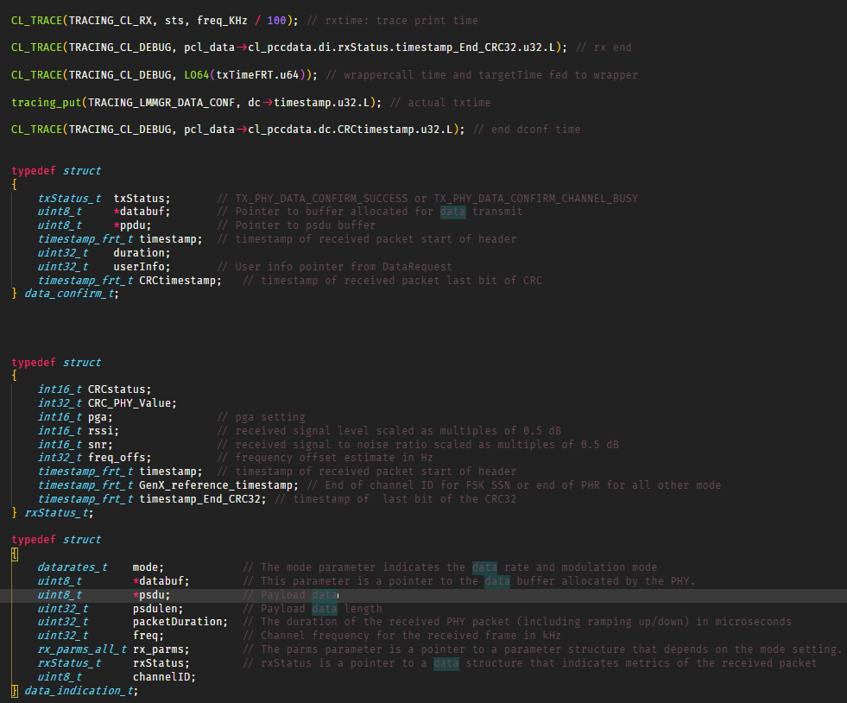
min/max/avg

RTT CL DataGet REQ/CNF
 | Count of data req to resp | CDF data req to resp | PDF data req to resp
333 | 1 | 1.75% | 1.75%
337 | 1 | 3.51% | 1.75%
371 | 1 | 5.26% | 1.75%
373 | 1 | 7.02% | 1.75%
376 | 1 | 8.77% | 1.75%
380 | 1 | 10.53% | 1.75%
386 | 1 | 12.28% | 1.75%
387 | 1 | 14.04% | 1.75%
388 | 1 | 15.79% | 1.75%
393 | 1 | 17.54% | 1.75%
397 | 2 | 21.05% | 3.51%
399 | 1 | 22.81% | 1.75%
400 | 1 | 24.56% | 1.75%
401 | 2 | 28.07% | 3.51%
402 | 1 | 29.82% | 1.75%
415 | 1 | 31.58% | 1.75%
429 | 1 | 33.33% | 1.75%
445 | 1 | 35.09% | 1.75%
465 | 1 | 36.84% | 1.75%
466 | 1 | 38.60% | 1.75%
488 | 1 | 40.35% | 1.75%
494 | 1 | 42.11% | 1.75%
495 | 1 | 43.86% | 1.75%
499 | 1 | 45.61% | 1.75%
512 | 1 | 47.37% | 1.75%
760 | 1 | 49.12% | 1.75%
772 | 1 | 50.88% | 1.75%
808 | 1 | 52.63% | 1.75%
815 | 1 | 54.39% | 1.75%
822 | 1 | 56.14% | 1.75%
838 | 1 | 57.89% | 1.75%
839 | 1 | 59.65% | 1.75%
840 | 1 | 61.40% | 1.75%
1005 | 1 | 63.16% | 1.75%
1177 | 1 | 64.91% | 1.75%
1425 | 2 | 68.42% | 3.51%
1426 | 2 | 71.93% | 3.51%
1427 | 1 | 73.68% | 1.75%
1428 | 2 | 77.19% | 3.51%
1429 | 3 | 82.46% | 5.26%
1430 | 1 | 84.21% | 1.75%
1565 | 1 | 85.96% | 1.75%
2124 | 1 | 87.72% | 1.75%
2129 | 1 | 89.47% | 1.75%
2653 | 1 | 91.23% | 1.75%
2655 | 1 | 92.98% | 1.75%
2664 | 1 | 94.74% | 1.75%
2718 | 1 | 96.49% | 1.75%
2764 | 1 | 98.25% | 1.75%
10103 | 1 | 100.00% | 1.75%
...

 | Series1
1 | 1
2 | 3
3 | 1
4 | 1
5 | 1
6 | 6
7 | 1
8 | 1
9 | 2
10 | 159
 | Series1
1 | 2
2 | 1
3 | 1
4 | 1
5 | 1
6 | 3
7 | 2
8 | 165

 | Count of dataReq2Res DATA | CDF dataReq2Res DATA | PDF dataReq2Res DATA
373 | 1 | 11.11% | 11.11%
387 | 1 | 22.22% | 11.11%
388 | 1 | 33.33% | 11.11%
401 | 2 | 55.56% | 22.22%
415 | 1 | 66.67% | 11.11%
494 | 1 | 77.78% | 11.11%
822 | 1 | 88.89% | 11.11%
1565 | 1 | 100.00% | 11.11%
(blank) |  | 100.00% | 0.00%
 | Count of dataReq2Res wo DATA | CDF dataReq2Res wo DATA | PDF dataReq2Res wo DATA
333 | 1 | 2.08% | 2.08%
337 | 1 | 4.17% | 2.08%
371 | 1 | 6.25% | 2.08%
376 | 1 | 8.33% | 2.08%
380 | 1 | 10.42% | 2.08%
386 | 1 | 12.50% | 2.08%
393 | 1 | 14.58% | 2.08%
397 | 2 | 18.75% | 4.17%
399 | 1 | 20.83% | 2.08%
400 | 1 | 22.92% | 2.08%
402 | 1 | 25.00% | 2.08%
429 | 1 | 27.08% | 2.08%
445 | 1 | 29.17% | 2.08%
465 | 1 | 31.25% | 2.08%
466 | 1 | 33.33% | 2.08%
488 | 1 | 35.42% | 2.08%
495 | 1 | 37.50% | 2.08%
499 | 1 | 39.58% | 2.08%
512 | 1 | 41.67% | 2.08%
760 | 1 | 43.75% | 2.08%
772 | 1 | 45.83% | 2.08%
808 | 1 | 47.92% | 2.08%
815 | 1 | 50.00% | 2.08%
838 | 1 | 52.08% | 2.08%
839 | 1 | 54.17% | 2.08%
840 | 1 | 56.25% | 2.08%
1005 | 1 | 58.33% | 2.08%
1177 | 1 | 60.42% | 2.08%
1425 | 2 | 64.58% | 4.17%
1426 | 2 | 68.75% | 4.17%
1427 | 1 | 70.83% | 2.08%
1428 | 2 | 75.00% | 4.17%
1429 | 3 | 81.25% | 6.25%
1430 | 1 | 83.33% | 2.08%
2124 | 1 | 85.42% | 2.08%
2129 | 1 | 87.50% | 2.08%
2653 | 1 | 89.58% | 2.08%
2655 | 1 | 91.67% | 2.08%
2664 | 1 | 93.75% | 2.08%
2718 | 1 | 95.83% | 2.08%
2764 | 1 | 97.92% | 2.08%
10103 | 1 | 100.00% | 2.08%
 | Series1
1 | 2
2 | 3
3 | 1
4 | 1
5 | 1
6 | 2
7 | 1
8 | 2
9 | 1
10 | 1
11 | 1
12 | 1
13 | 1
14 | 1
15 | 1
16 | 1
17 | 1
18 | 154

 | Count of txCall to targetTime | CDF txCall to targetTime | PDF txCall to targetTime
750 | 1 | 1.54% | 1.54%
759 | 1 | 3.08% | 1.54%
765 | 2 | 6.15% | 3.08%
767 | 1 | 7.69% | 1.54%
769 | 3 | 12.31% | 4.62%
771 | 1 | 13.85% | 1.54%
772 | 1 | 15.38% | 1.54%
773 | 1 | 16.92% | 1.54%
775 | 1 | 18.46% | 1.54%
776 | 2 | 21.54% | 3.08%
777 | 2 | 24.62% | 3.08%
778 | 4 | 30.77% | 6.15%
779 | 2 | 33.85% | 3.08%
781 | 1 | 35.38% | 1.54%
783 | 3 | 40.00% | 4.62%
784 | 1 | 41.54% | 1.54%
786 | 1 | 43.08% | 1.54%
787 | 1 | 44.62% | 1.54%
788 | 1 | 46.15% | 1.54%
791 | 2 | 49.23% | 3.08%
792 | 2 | 52.31% | 3.08%
797 | 2 | 55.38% | 3.08%
798 | 2 | 58.46% | 3.08%
803 | 4 | 64.62% | 6.15%
804 | 2 | 67.69% | 3.08%
805 | 2 | 70.77% | 3.08%
806 | 1 | 72.31% | 1.54%
809 | 1 | 73.85% | 1.54%
810 | 1 | 75.38% | 1.54%
811 | 1 | 76.92% | 1.54%
827 | 1 | 78.46% | 1.54%
828 | 1 | 80.00% | 1.54%
877 | 2 | 83.08% | 3.08%
878 | 2 | 86.15% | 3.08%
884 | 1 | 87.69% | 1.54%
887 | 1 | 89.23% | 1.54%
888 | 1 | 90.77% | 1.54%
889 | 1 | 92.31% | 1.54%
890 | 2 | 95.38% | 3.08%
891 | 3 | 100.00% | 4.62%
 | Count of txCall to afterTx | CDF txCall to afterTx | PDF txCall to afterTx
768 | 1 | 1.54% | 1.54%
776 | 1 | 3.08% | 1.54%
782 | 1 | 4.62% | 1.54%
783 | 1 | 6.15% | 1.54%
785 | 1 | 7.69% | 1.54%
786 | 2 | 10.77% | 3.08%
787 | 1 | 12.31% | 1.54%
788 | 1 | 13.85% | 1.54%
789 | 1 | 15.38% | 1.54%
791 | 1 | 16.92% | 1.54%
792 | 1 | 18.46% | 1.54%
793 | 1 | 20.00% | 1.54%
794 | 1 | 21.54% | 1.54%
795 | 2 | 24.62% | 3.08%
796 | 5 | 32.31% | 7.69%
797 | 1 | 33.85% | 1.54%
799 | 1 | 35.38% | 1.54%
801 | 3 | 40.00% | 4.62%
802 | 2 | 43.08% | 3.08%
803 | 1 | 44.62% | 1.54%
805 | 1 | 46.15% | 1.54%
807 | 1 | 47.69% | 1.54%
808 | 1 | 49.23% | 1.54%
809 | 2 | 52.31% | 3.08%
814 | 1 | 53.85% | 1.54%
815 | 3 | 58.46% | 4.62%
819 | 1 | 60.00% | 1.54%
820 | 3 | 64.62% | 4.62%
821 | 1 | 66.15% | 1.54%
822 | 2 | 69.23% | 3.08%
823 | 2 | 72.31% | 3.08%
826 | 1 | 73.85% | 1.54%
828 | 2 | 76.92% | 3.08%
845 | 2 | 80.00% | 3.08%
894 | 1 | 81.54% | 1.54%
895 | 3 | 86.15% | 4.62%
902 | 1 | 87.69% | 1.54%
904 | 1 | 89.23% | 1.54%
906 | 2 | 92.31% | 3.08%
907 | 1 | 93.85% | 1.54%
908 | 4 | 100.00% | 6.15%

 | Count of txPHR - target | CDF of txPHR - target | PDF txPHR - target
694 | 10 | 15.38% | 15.38%
695 | 17 | 41.54% | 26.15%
696 | 11 | 58.46% | 16.92%
697 | 14 | 80.00% | 21.54%
698 | 13 | 100.00% | 20.00%
 | Count of txEnd to rxStart | CDF txEnd to rxStart | PDF txEnd to rxStart
541 | 1 | 2.08% | 2.08%
542 | 10 | 22.92% | 20.83%
543 | 15 | 54.17% | 31.25%
544 | 7 | 68.75% | 14.58%
545 | 4 | 77.08% | 8.33%
550 | 1 | 79.17% | 2.08%
554 | 1 | 81.25% | 2.08%
555 | 4 | 89.58% | 8.33%
556 | 2 | 93.75% | 4.17%
557 | 3 | 100.00% | 6.25%

 | Count of rxCall to afterRx | CDF rxCall to afterRx | PDF rxCall to afterRx
15 | 1 | 2.08% | 2.08%
16 | 17 | 37.50% | 35.42%
17 | 4 | 45.83% | 8.33%
18 | 1 | 47.92% | 2.08%
28 | 1 | 50.00% | 2.08%
133 | 1 | 52.08% | 2.08%
134 | 6 | 64.58% | 12.50%
135 | 12 | 89.58% | 25.00%
147 | 5 | 100.00% | 10.42%
 | Count of rxEnd to txCall | CDF rxEnd to txCall | PDF rxEnd to txCall
189 | 1 | 2.50% | 2.50%
190 | 1 | 5.00% | 2.50%
191 | 1 | 7.50% | 2.50%
194 | 1 | 10.00% | 2.50%
195 | 2 | 15.00% | 5.00%
196 | 2 | 20.00% | 5.00%
197 | 3 | 27.50% | 7.50%
202 | 2 | 32.50% | 5.00%
203 | 2 | 37.50% | 5.00%
208 | 1 | 40.00% | 2.50%
209 | 2 | 45.00% | 5.00%
212 | 1 | 47.50% | 2.50%
213 | 1 | 50.00% | 2.50%
214 | 1 | 52.50% | 2.50%
216 | 1 | 55.00% | 2.50%
217 | 3 | 62.50% | 7.50%
219 | 1 | 65.00% | 2.50%
221 | 2 | 70.00% | 5.00%
222 | 2 | 75.00% | 5.00%
223 | 2 | 80.00% | 5.00%
224 | 1 | 82.50% | 2.50%
225 | 1 | 85.00% | 2.50%
227 | 1 | 87.50% | 2.50%
228 | 1 | 90.00% | 2.50%
229 | 1 | 92.50% | 2.50%
231 | 1 | 95.00% | 2.50%
241 | 1 | 97.50% | 2.50%
250 | 1 | 100.00% | 2.50%

 | Count of rxEnd to targetTime | CDF End to targetTime | PDF rxEnd to targetTime
1000 | 40 | 100.00% | 100.00%
 | Count of rxEnd to txTime | CDF rxEnd to txTime | PDF rxEnd to txTime
1695 | 7 | 17.50% | 17.50%
1696 | 9 | 40.00% | 22.50%
1697 | 14 | 75.00% | 35.00%
1698 | 10 | 100.00% | 25.00%

 | Count of duration | CDF duration | PDF duration
6 | 1 | 4.17% | 4.17%
20 | 2 | 12.50% | 8.33%
21 | 1 | 16.67% | 4.17%
22 | 9 | 54.17% | 37.50%
30 | 1 | 58.33% | 4.17%
33 | 2 | 66.67% | 8.33%
34 | 1 | 70.83% | 4.17%
37 | 1 | 75.00% | 4.17%
43 | 1 | 79.17% | 4.17%
47 | 3 | 91.67% | 12.50%
56 | 1 | 95.83% | 4.17%
73 | 1 | 100.00% | 4.17%
(blank) |  | 100.00% | 0.00%

