PivotReport
POLL TX
endtxtime
from dc.CRCtimestamp
rxstart
(after call)
17/151/102
ACK RX
rxEnd
(From
di.rxstatus.timestampEnd.CRC)
phyDataWrapper Call
TargetTX
Actual TX(PHR)
775/902/843
DATA TX
1000/1000/1000
1694/1698/1696
193/225/209
1000 (to have)
rxstart
(before call)
TargetTX
Actual TX(PHR)
693/698/695
Wrapper Call
775/902/843
Wrapper Return
794/921/861
542/792/660
693/698/695
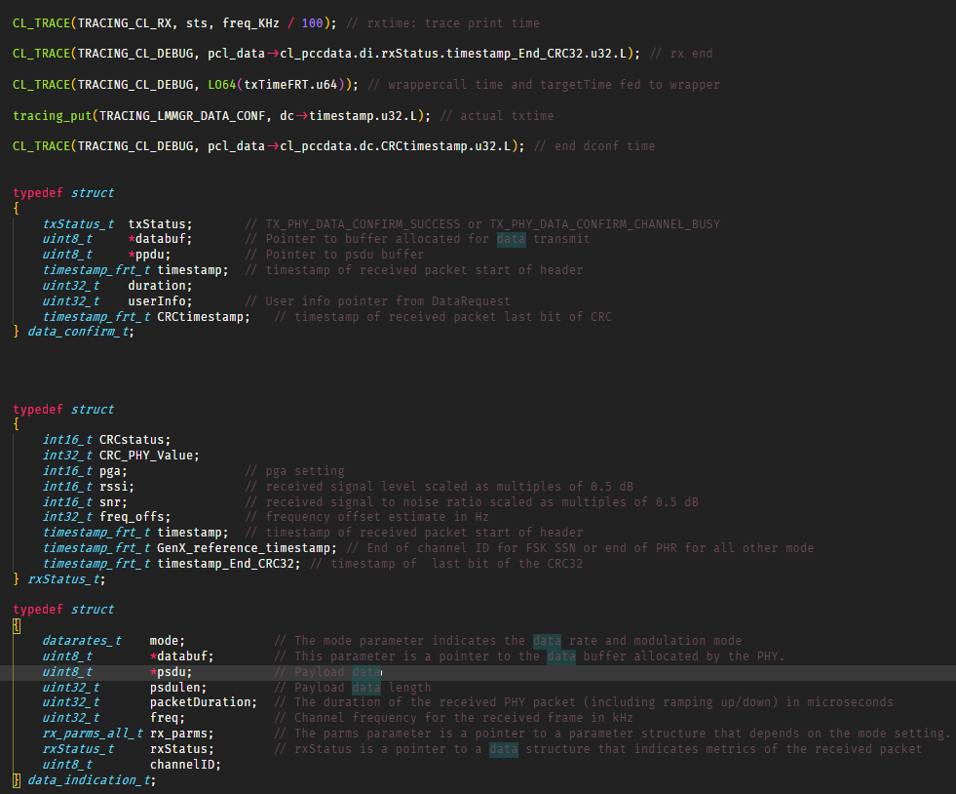
min/max/avg

RTT CL DataGet REQ/CNF
 | Count of data req to resp | CDF data req to resp | PDF data req to resp
327 | 1 | 8.33% | 8.33%
346 | 1 | 16.67% | 8.33%
382 | 1 | 25.00% | 8.33%
400 | 1 | 33.33% | 8.33%
402 | 1 | 41.67% | 8.33%
425 | 1 | 50.00% | 8.33%
788 | 2 | 66.67% | 16.67%
1792 | 1 | 75.00% | 8.33%
1795 | 1 | 83.33% | 8.33%
1955 | 2 | 100.00% | 16.67%
(blank) |  | 100.00% | 0.00%

 | Series1
1 | 1
2 | 3
3 | 1
4 | 1
5 | 1
6 | 6
7 | 1
8 | 1
9 | 2
10 | 159
 | Series1
1 | 2
2 | 1
3 | 1
4 | 1
5 | 1
6 | 3
7 | 2
8 | 165

 | Count of dataReq2Res DATA | CDF dataReq2Res DATA | PDF dataReq2Res DATA
(blank) |  |  | #N/A
 | Count of dataReq2Res wo DATA | CDF dataReq2Res wo DATA | PDF dataReq2Res wo DATA
327 | 1 | 8.33% | 8.33%
346 | 1 | 16.67% | 8.33%
382 | 1 | 25.00% | 8.33%
400 | 1 | 33.33% | 8.33%
402 | 1 | 41.67% | 8.33%
425 | 1 | 50.00% | 8.33%
788 | 2 | 66.67% | 16.67%
1792 | 1 | 75.00% | 8.33%
1795 | 1 | 83.33% | 8.33%
1955 | 2 | 100.00% | 16.67%
 | Series1
1 | 2
2 | 3
3 | 1
4 | 1
5 | 1
6 | 2
7 | 1
8 | 2
9 | 1
10 | 1
11 | 1
12 | 1
13 | 1
14 | 1
15 | 1
16 | 1
17 | 1
18 | 154

 | Count of txCall to targetTime | CDF txCall to targetTime | PDF txCall to targetTime
775 | 1 | 2.94% | 2.94%
779 | 2 | 8.82% | 5.88%
787 | 1 | 11.76% | 2.94%
793 | 1 | 14.71% | 2.94%
795 | 1 | 17.65% | 2.94%
800 | 1 | 20.59% | 2.94%
806 | 2 | 26.47% | 5.88%
807 | 1 | 29.41% | 2.94%
808 | 1 | 32.35% | 2.94%
809 | 1 | 35.29% | 2.94%
817 | 1 | 38.24% | 2.94%
820 | 1 | 41.18% | 2.94%
851 | 1 | 44.12% | 2.94%
863 | 2 | 50.00% | 5.88%
864 | 3 | 58.82% | 8.82%
865 | 3 | 67.65% | 8.82%
875 | 1 | 70.59% | 2.94%
876 | 2 | 76.47% | 5.88%
877 | 3 | 85.29% | 8.82%
878 | 2 | 91.18% | 5.88%
894 | 1 | 94.12% | 2.94%
899 | 1 | 97.06% | 2.94%
902 | 1 | 100.00% | 2.94%
 | Count of txCall to afterTx | CDF txCall to afterTx | PDF txCall to afterTx
794 | 1 | 2.94% | 2.94%
798 | 2 | 8.82% | 5.88%
806 | 1 | 11.76% | 2.94%
812 | 1 | 14.71% | 2.94%
814 | 1 | 17.65% | 2.94%
819 | 1 | 20.59% | 2.94%
824 | 2 | 26.47% | 5.88%
826 | 2 | 32.35% | 5.88%
828 | 1 | 35.29% | 2.94%
835 | 1 | 38.24% | 2.94%
839 | 1 | 41.18% | 2.94%
869 | 1 | 44.12% | 2.94%
880 | 1 | 47.06% | 2.94%
881 | 1 | 50.00% | 2.94%
882 | 3 | 58.82% | 8.82%
883 | 1 | 61.76% | 2.94%
884 | 2 | 67.65% | 5.88%
894 | 2 | 73.53% | 5.88%
895 | 3 | 82.35% | 8.82%
896 | 3 | 91.18% | 8.82%
913 | 1 | 94.12% | 2.94%
916 | 1 | 97.06% | 2.94%
921 | 1 | 100.00% | 2.94%

 | Count of txPHR - target | CDF of txPHR - target | PDF txPHR - target
694 | 10 | 29.41% | 29.41%
695 | 7 | 50.00% | 20.59%
696 | 3 | 58.82% | 8.82%
697 | 4 | 70.59% | 11.76%
698 | 3 | 79.41% | 8.82%
693 | 7 | 100.00% | 20.59%
 | Count of txEnd to rxStart | CDF txEnd to rxStart | PDF txEnd to rxStart
542 | 2 | 6.90% | 6.90%
543 | 2 | 13.79% | 6.90%
544 | 2 | 20.69% | 6.90%
555 | 1 | 24.14% | 3.45%
556 | 1 | 27.59% | 3.45%
557 | 1 | 31.03% | 3.45%
690 | 1 | 34.48% | 3.45%
691 | 2 | 41.38% | 6.90%
692 | 1 | 44.83% | 3.45%
694 | 1 | 48.28% | 3.45%
696 | 1 | 51.72% | 3.45%
697 | 2 | 58.62% | 6.90%
698 | 1 | 62.07% | 3.45%
699 | 1 | 65.52% | 3.45%
700 | 2 | 72.41% | 6.90%
701 | 1 | 75.86% | 3.45%
703 | 1 | 79.31% | 3.45%
705 | 1 | 82.76% | 3.45%
707 | 1 | 86.21% | 3.45%
715 | 1 | 89.66% | 3.45%
770 | 1 | 93.10% | 3.45%
774 | 1 | 96.55% | 3.45%
792 | 1 | 100.00% | 3.45%

 | Count of rxCall to afterRx | CDF rxCall to afterRx | PDF rxCall to afterRx
17 | 5 | 17.24% | 17.24%
18 | 3 | 27.59% | 10.34%
30 | 1 | 31.03% | 3.45%
136 | 7 | 55.17% | 24.14%
137 | 7 | 79.31% | 24.14%
139 | 1 | 82.76% | 3.45%
148 | 1 | 86.21% | 3.45%
149 | 2 | 93.10% | 6.90%
151 | 2 | 100.00% | 6.90%
 | Count of rxEnd to txCall | CDF rxEnd to txCall | PDF rxEnd to txCall
193 | 1 | 11.11% | 11.11%
194 | 1 | 22.22% | 11.11%
200 | 1 | 33.33% | 11.11%
205 | 1 | 44.44% | 11.11%
207 | 1 | 55.56% | 11.11%
213 | 1 | 66.67% | 11.11%
221 | 2 | 88.89% | 22.22%
225 | 1 | 100.00% | 11.11%

 | Count of rxEnd to targetTime | CDF End to targetTime | PDF rxEnd to targetTime
1000 | 9 | 100.00% | 100.00%
 | Count of rxEnd to txTime | CDF rxEnd to txTime | PDF rxEnd to txTime
1694 | 1 | 11.11% | 11.11%
1695 | 2 | 33.33% | 22.22%
1696 | 2 | 55.56% | 22.22%
1697 | 1 | 66.67% | 11.11%
1698 | 3 | 100.00% | 33.33%

 | Count of duration | CDF duration | PDF duration
7 | 1 | 4.17% | 4.17%
8 | 14 | 62.50% | 58.33%
14 | 1 | 66.67% | 4.17%
16 | 1 | 70.83% | 4.17%
17 | 2 | 79.17% | 8.33%
18 | 1 | 83.33% | 4.17%
20 | 2 | 91.67% | 8.33%
21 | 2 | 100.00% | 8.33%
(blank) |  | 100.00% | 0.00%

