EmSys
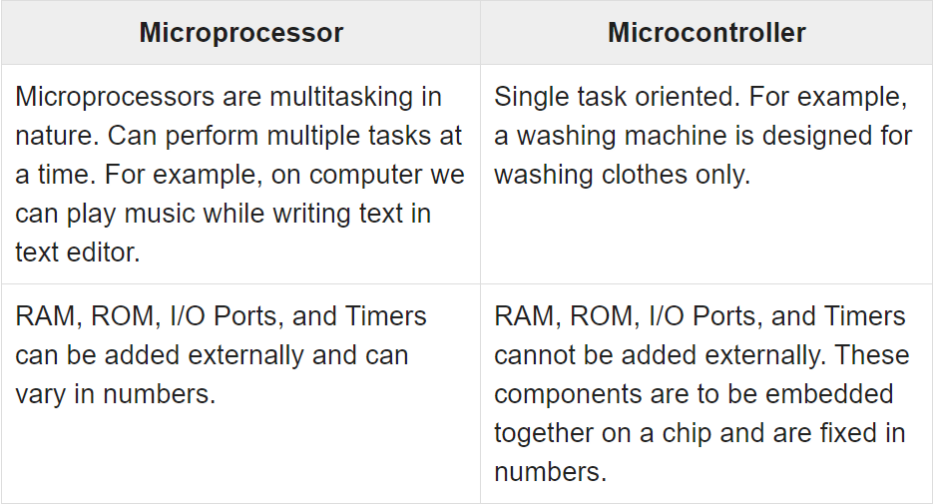
Microprocessor vs Microcontroller
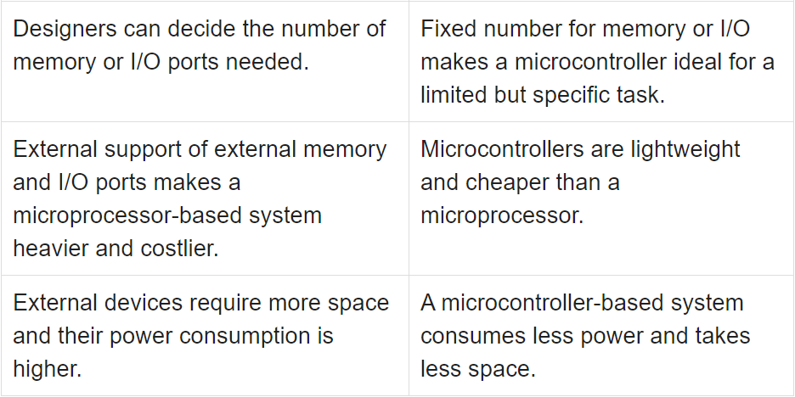

Embedded Systems - Architecture Types
 | In case data and code lie in the same memory block, then the architecture is referred as Von Neumann architecture.
 | When data and code lie in different memory blocks, then the architecture is referred as Harvard architecture.

Von-Neumann Architecture vs Harvard Architecture
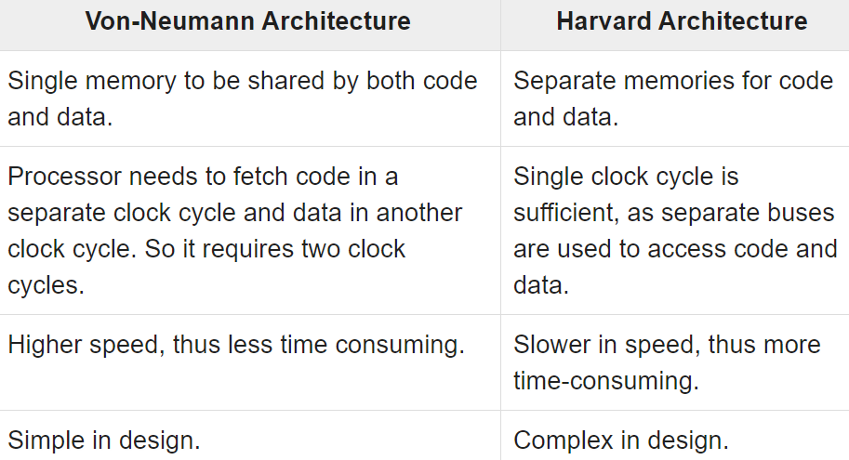
 |  | Von Neumann 두 글자니까 2개의 클락 필요
 |  | Harvard 한 글자니까 1개의 클락 필요

CISC and RISC

Little Endian Vs Big Endian
 | Although numbers are always displayed in the same way, they are not stored in the same way in memory.
 | Big-Endian machines store the most significant byte of data in the lowest memory address.
 | A Big-Endian machine stores 0x12345678 as A0=0x12 ~ A3=0x78
 | Little-Endian machines, on the other hand, store the least significant byte of data in the lowest memory address.
 | A Little-Endian machine stores 0x12345678 as A0=x78 ~ A3=0x12
Embedded Systems - Assembly Language

Embedded Systems - Timer/Counter
 | A timer is a specialized type of clock which is used to measure time intervals. A timer that counts from zero upwards for measuring time elapsed is often called a stopwatch.
 | It is a device that counts down from a specified time interval and used to generate a time delay, for example, an hourglass is a timer.
 | A counter is a device that stores (and sometimes displays) the number of times a particular event or process occurred, with respect to a clock signal.
 | It is used to count the events happening outside the microcontroller.
 | In electronics, counters can be implemented quite easily using register-type circuits such as a flip-flop.

https://www.tutorialspoint.com/embedded_systems/es_addressing_modes.htm
Embedded Systems - Addressing Modes
An addressing mode refers to how you are addressing a given memory location. There are five different ways or five addressing modes to execute this instruction which are as follows −
 | Immediate addressing mode
 | Direct addressing mode
 | Register direct addressing mode
 | Register indirect addressing mode
 | Indexed addressing mode

itvw(em-c)
 | const, volatile을 한정자(qualifiers) 혹은 키워드(keyword)라 부른다.

 | specifier: auto, extern, static, register
 | qualifier, keyword : volatile, const
 | modifier : short, long, signed, unsigned, long long
 | directive: preprocessor directives #~~~

 | https://aticleworld.com/embedded-c-interview-questions-2/
What is the use of volatile keyword?
 | The volatile keyword tells the compiler not to optimize when applied to a variable. A variable should be declared volatile whenever its value could change unexpectedly and beyond the comprehension of the compiler. Volatile keyword is useful for memory-mapped peripheral registers, global variables modified by an interrupt service routine, global variables accessed by multiple tasks within a multi-threaded application.

 | uint8_t * p_reg = (uint8_t *) 0x1234; |  |  |  |  | uint8_t volatile * p_reg = (uint8_t volatile *) 0x1234;

 | // Wait for register to read non-zero |  |  |  |  | // Wait for register to read non-zero
 | do { ... } while (0 == *p_reg) |  |  |  |  | do { ... } while (0 == *p_reg)

 | mov p_reg, #0x1234 |  |  |  |  | mov p_reg, #0x1234
 | mov a, @p_reg |  |  |  |  | loop:
 | loop: |  |  |  |  | ...
 | ... |  |  |  |  | mov a, @p_reg
 | bz loop |  |  |  |  | bz loop

 | int i=0;
 | while( i != 10 ) i++; ===> |  |  |  | i=10; // compiler optimizing

 | int i =1;
 | while(i==1); |  |  |  | while(1);

The const and volatile type-specifiers for each parameter type are ignored when determining which function is being declared, defined, or called.
 | // https://www.geeksforgeeks.org/function-overloading-in-c/

 | int f ( int x) { |  |  |  |  | volatile int f ( const int x); |  |  |  | int f ( int x);
 | return x+10;
 | } |  |  |  |  | int f ( int x) { |  |  |  | volatile int f ( const int x){
 | int f ( const int x) { |  |  |  |  | return x+10; |  |  |  | return x+10;
 | return x+10; |  |  |  |  | } |  |  |  | }
 | }
 | error “redefinition of `int f(int)’ “ |  |  |  |  | no error

 | int f ( int x); |  |  |  |  | static int f ( int x); |  |  | int f ( int x); |  | int f ( static int x);

 | static int f ( const int x) |  |  |  |  | int f ( const int x) |  |  | int f ( static int x) |  | int f ( int x)
 | { |  |  |  |  | { |  |  | { |  | {
 | return x+10; |  |  |  |  | return x+10; |  |  | return x+10; |  | return x+10;
 | } |  |  |  |  | } |  |  | } |  | }
 | error: static declaration of 'f' |  |  |  |  | no error |  |  | error: storage class specified for parameter 'x'

Function overloading and return type
 | https://www.geeksforgeeks.org/g-fact-75/?ref=lbp
 | In C++ and Java, functions can not be overloaded if they differ only in the return type.
 | int foo() {
 | return 10;
 | }

 | char foo() { // compiler error; new declaration of foo()
 | return 'a';
 | }

https://en.cppreference.com/w/c/language/volatile
 | struct s { int i; const int ci; } s;
 | // the type of s.i is int, the type of s.ci is const int
 | volatile struct s vs;
 | // the types of vs.i and vs.ci are volatile int and const volatile int

 | A pointer to a non-volatile type can be implicitly converted to a pointer to the volatile-qualified version of the same or compatible type.
 | The reverse conversion can be performed with a cast expression.
 | A pointer to an non-const type can be implicitly converted to a pointer to const-qualified version of the same or compatible type.
 | The reverse conversion can be performed with a cast expression.
 | int* p = 0; |  |  |  |  |  | int* p = 0;
 | volatile int* vp = p; // OK: adds qualifiers (int to volatile int) |  |  |  |  |  | const int* cp = p; // OK: adds qualifiers (int to const int)
 | p = vp; // Error: discards qualifiers (volatile int to int) |  |  |  |  |  | p = cp; // Error: discards qualifiers (const int to int)
 | p = (int*)vp; // OK: cast |  |  |  |  |  | p = (int*)cp; // OK: cast

https://en.cppreference.com/w/c/language/const
 | struct s { int i; const int ci; } s;
 | // the type of s.i is int, the type of s.ci is const int
 | const struct s cs;
 | // the types of cs.i and cs.ci are both const int

 | typedef int A[2][3];
 | const A a = {{4, 5, 6}, {7, 8, 9}}; // array of array of const int
 | int* pi = a[0]; // Error: a[0] has type const int* |  |  |  |  |  |  | a[1][0]=10; //error

 | A pointer to a non-volatile type can be implicitly converted to a pointer to the volatile-qualified version of the same or compatible type.
 | The reverse conversion can be performed with a cast expression.
 | A pointer to an non-const type can be implicitly converted to a pointer to const-qualified version of the same or compatible type.
 | The reverse conversion can be performed with a cast expression.
 | int* p = 0; |  |  |  |  |  | int* p = 0;
 | volatile int* vp = p; // OK: adds qualifiers (int to volatile int) |  |  |  |  |  | const int* cp = p; // OK: adds qualifiers (int to const int)
 | p = vp; // Error: discards qualifiers (volatile int to int) |  |  |  |  |  | p = cp; // Error: discards qualifiers (const int to int)
 | p = (int*)vp; // OK: cast |  |  |  |  |  | p = (int*)cp; // OK: cast

What is ISR?
 | These are procedures stored at specific memory addresses which are called when a certain type of interrupt occurs.
Can we pass any parameter and return a value from the ISR?
 | An ISR returns nothing and not allow to pass any parameter.
 | An ISR is called when a hardware or software event occurs, it is not called by the code, so that’s the reason no parameters are passed into an ISR.
 | It is also the reason that an ISR is not returned any value.
What is interrupt latency?
 | interrupt latency is the number of clock cycles that is taken by the processor to respond to an interrupt request.
 | These number of the clock cycle is count between the assertions of the interrupt request and first instruction of the interrupt handler.
What is NVIC in ARM Cortex?
 | The Nested Vector Interrupt Controller (NVIC) in the Cortex-M processor family is an example of an interrupt controller with extremely flexible interrupt priority management.

Can we use any function inside ISR?
 | Yes, you can call a function within the ISR but it is not recommended because it can increase the interrupt latency and decrease the performance of the system.

 | One important point also needs to remember that function which is called from the ISR should be re-entrant. If the called function is not re-entrant, it could create the issues.

What is the start-up code?
 | A start-up code is called prior to the main function, it creates a basic platform for the application.
 | It is a small block of code that is written in assembly language.
 | There are following parts of the start-up code.
 | Declaration of the Stack area.
 | Declaration of the Heap area.
 | Vector table.
 | Reset handler code.
 | Other exception handler code.
What are the start-up code steps?
 | Disable all interrupts. |  |  |  |  |  |  | 어떤 루틴 또는 프로그램이 Thread-safe하다라고 하면 여러 쓰레드에 의해 코드가 실행되더라도 실행 결과의 correctness가 보장되는 것을 뜻합니다. 이에 비해 어떤 루틴 또는 프로그램이 Reentrant하다라고 하면 여러 쓰레드가 코드를 동시에 수행할 수 있고, 그런 경우에도 실행 결과의 correctness가 보장되는 것을 뜻합니다. 출처: https://yesarang.tistory.com/214 [김윤수의 이상계를 꿈꾸며]
 | Copy any initialized data from ROM to RAM.
 | Zero the uninitialized data area.
 | Allocate space for and initialize the stack.
 | Initialize the processor’s stack pointer.
 | Create and initialize the heap.
 | Enable interrupts.
 | Call main.
Infinite loops often arise in embedded systems. How do you code an infinite loop in C?
 | Method 1: |  | Method 2: |  | Method 3:
 | while(1) |  | for(;;) |  | Loop:
 | { |  | { |  | goto Loop;
 | // task |  | // task
 | } |  | }
How to access the fixed memory location in embedded C?
 | uint32_t *ptr;
 | ptr = (int *)0x67a9;
 | *ptr = 0xaa55;
Difference between RISC and CISC processor?
 |  |  | RISC |  |  |  | CISC
 | Acronym |  | Reduced Instruction Set Computer |  |  |  | Complex Instruction Set Computer
 | Definition |  | The RISC processors have a smaller set of instructions with few addressing nodes. |  |  |  | The CISC processors have a larger set of instructions with many addressing nodes.
 | Memory unit |  | It has no memory unit and uses a separate hardware to implement instructions. |  |  |  | It has a memory unit to implement complex instructions.
 | Program |  | It has a hard-wired unit of programming. |  |  |  | It has a micro-programming unit.
 | Design |  | It is a complex complier design. |  |  |  | It is an easy complier design.
 | Calculations |  | The calculations are faster and precise. |  |  |  | The calculations are slow and precise.
 | Decoding |  | Decoding of instructions is simple. |  |  |  | Decoding of instructions is complex.
 | Time |  | Execution time is very less. |  |  |  | Execution time is very high.
 | External memory |  | It does not require external memory for calculations. |  |  |  | It requires external memory for calculations.
 | Pipelining |  | Pipelining does function correctly. |  |  |  | Pipelining does not function correctly.
 | Stalling |  | Stalling is mostly reduced in processors. |  |  |  | The processors often stall.
 | Code expansion |  | Code expansion can be a problem. |  |  |  | Code expansion is not a problem.
 | Disc space |  | The space is saved. |  |  |  | The space is wasted.
 | Applications |  | Used in high-end applications such as video processing, telecommunications and image processing. |  |  |  | Used in low-end applications such as security systems, home automations, etc.

What is the stack overflow?
 | If your program tries to access the beyond the limit of the available stack memory then stack overflow occurs.
 | If stack overflow occurs, the program can crash or you can say that segmentation fault that is the result of the stack overflow.
 | 메모리에 limited stack 영역이 정의되어 있는데, program이 infinite recursive function을 호출한다던지, huge size 데이터를 취급할때, stack overflow가 생길 수 있다. 이것은 segment fault를 일으킬 수 있다.

What is the cause of the stack overflow?
 | Improper use of the recursive function.
 | Passing to much arguments in the function.
 | Passing a structure directly into a function.
 | Nested function calls.
 | Creating a huge size local array.
What is the difference between I2c and SPI communication Protocol?
What is the difference between Asynchronous and Synchronous Communication?
 | Asynchronous Communication |  |  |  |  | Synchronous Communication
 | There is no common clock signal between the sender and receivers. |  |  |  |  | Communication is done by a shared clock.
 | Sends 1 byte or character at a time. |  |  |  |  | Sends data in the form of blocks or frames.
 | Slow as compare to synchronous communication. |  |  |  |  | Fast as compare to asynchronous communication.
 | Overhead due to start and stop bit. |  |  |  |  | Less overhead.
 | Ability to communicate long distance. |  |  |  |  | Less as compared to asynchronous communication.
 | A start and stop bit used for the data synchronization. |  |  |  |  | A shared clock is used for the data synchronization.
 | Economical |  |  |  |  | Costly
 | RS232, RS485 |  |  |  |  | I2C, SPI
What is the difference between RS232 and RS485?
 | Parameter |  |  | RS232 |  |  | RS485
 | Line configuration |  |  | Single –ended |  |  | differential
 | Numbers of devices |  |  | 1 transmitter 1 receiver |  |  | 32 transmitters 32 receivers
 | Mode of operation |  |  | Simplex or full duplex |  |  | Simplex or half duplex
 | Maximum cable length |  |  | 50 feet |  |  | 4000 feet
 | Maximum data rate |  |  | 20 Kbits/s |  |  | 10 Mbits/s
 | signaling |  |  | unbalanced |  |  | balanced
 | Typical logic levels |  |  | +-5 ~ +-15V |  |  | +-1.5 ~ +-6V
 | Minimum receiver input impedance |  |  | 3 ~ 7 K-ohm |  |  | 12 K-ohm
 | Receiver sensitivity |  |  | +-3V |  |  | +-200mV
What is the difference between Bit Rate and Baud Rate?
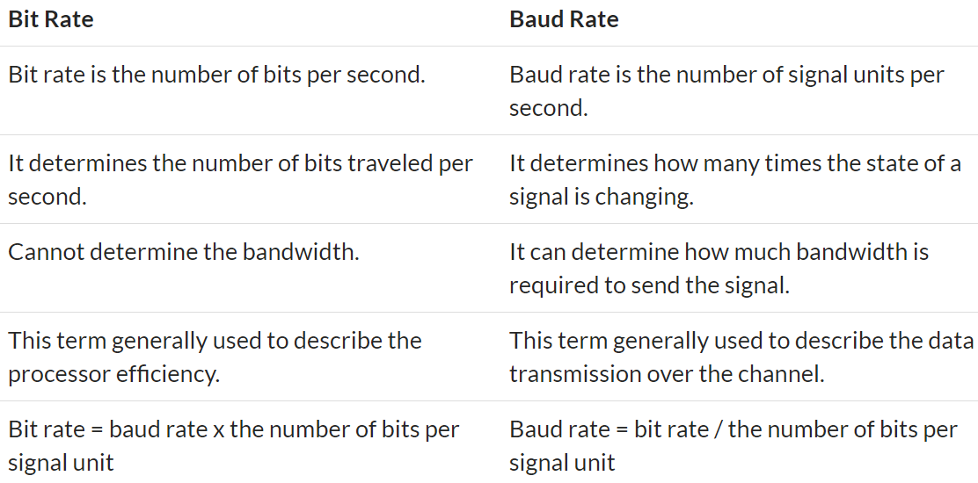

What are the common causes of segmentation fault in C?
 | 1. Writing to read-only memory
 | 2. Dereferencing NULL pointer
 | 3. Stack overflow
 | Dereferencing NULL pointers.
 | Tried to write read-only memory (such as code segment).
 | Trying to access a nonexistent memory address (outside process’s address space).
 | Trying to access memory the program does not have rights to (such as kernel structures in process context).
 | Sometimes dereferencing or assigning to an uninitialized pointer (because might point an invalid memory) can be the cause of the segmentation fault.
 | Dereferencing the freed memory (after calling the free function) can also be caused by the segmentation fault.
 | A stack overflow is also caused by the segmentation fault.
 | A buffer overflow (try to access the array beyond the boundary) is also cause of the segmentation fault.
Size of the integer depends on what?
 | Primarily size of integer depends on the type of the compiler which has written by compiler writer for the underlying processor.
How to set, clear, toggle and checking a single bit in C?
 | Setting a Bits |  | Number | = (1<< nth Position)
 | Clearing a Bits |  | Number &= ~ (1<< nth Position)
 | Checking a Bits |  | Bit = Number & (1 << nth)
 | Toggling a Bits |  | Number ^= (1<< nth Position)
What is the memory leak in C?
 | a memory leak occurs when you allocate a block of memory using the memory management function and forget to release it.

What’s difference between 1’s Complement and 2’s Complement?
 | 1’s complement |  |  |  |  | 2’s complement
 | 1's complement of 7 (0111) is 8 (1000) |  |  |  |  | 2's complement of 7 (0111) is 9 (1001)
 | 1's complement of 12 (1100) is 3 (0011) |  |  |  |  | 2's complement of 12 (1100) is 4 (0100)
 | The main difference between 1′ s complement and 2′ s complement
 | 1′ s complement has two representations of 0, positive (+0, 00000000) and negative (-0, 11111111)
 | whereas in 2′ s complement, there is only one representation for zero

a4academics.com
 | http://a4academics.com/interview-questions/57-c-plus-plus/722-embedded-c-interview-questions?showall=&limitstart=
1) What is the use of volatile keyword?
 | A variable should be declared volatile whenever its value could change unexpectedly and beyond the comprehension of the compiler.
 | Volatile keyword is useful for memory-mapped peripheral registers, global variables modified by an interrupt service routine, global variables accessed by multiple tasks within a multi-threaded application.

2) Can a variable be both const and volatile?
 | Constant addresses of hardware registers
 | volatile int* const a= (int*)0x456789;
3) Can a pointer be volatile?
 | volatile int *p, it means that the pointer itself is not volatile and points to an integer that is volatile.
4) What is size of character, integer, integer pointer, character pointer?
 | The sizeof character is 1 byte.
 | Size of integer is 4 bytes.
 | Size of both integer pointer and character pointer is 8 bytes on 64 bit machine and 4 bytes on 32 bit machine.

 | char a[10] = "data";
 | char* pa=a;
 | printf("%d %s %lu\n", (int)sizeof(a),a,(int)strlen(a)); // 10 data 4
 | printf("%d %s %d\n", (int)sizeof(pa),pa,(int)strlen(pa)); // 8 data 4
5) What is NULL pointer and what is its use?
 | The NULL is a macro defined in C. Null pointer actually means a pointer that does not point to any valid location. We define a pointer to be null when we want to make sure that the pointer does not point to any valid location and not to use that pointer to change anything. If we don't use null pointer, then we can't verify whether this pointer points to any valid location or not.

6) What is void pointer and what is its use?
 | The void pointer means that it points to a variable that can be of any type. Generic pointer
7) What is ISR?
 | An ISR(Interrupt Service Routine) is an interrupt handler, a callback subroutine which is called when a interrupt is encountered.
9) What is interrupt latency?
 | Interrupt latency is the time required for an ISR responds to an interrupt.
10) How to reduce interrupt latency?
 | Interrupt latency can be minimized by writing short ISR routine and by not delaying interrupts for more time.
11) Can we use any function inside ISR?
 | We can use function inside ISR as long as that function is not invoked from other portion of the code.
 | reentrance 조건 : 다른 비-재진입 함수를 호출하면 안 된다. 호출자가 호출 시 제공한 매개변수만으로 동작해야 한다. 정적 (전역) 변수의 주소를 반환하면 안 된다. 정적 (전역) 변수를 사용하면 안 된다.

13) Can we put breakpoint inside ISR?
 | Putting a break point inside ISR is not a good idea because debugging will take some time and a difference of half or more second will lead to different behavior of hardware. To debug ISR, definitive logs are better.

15) Is Count Down_to_Zero Loop better than Count_Up_Loops?
 | Count down to zero loops are better. Reason behind this is that at loop termination, comparison to zero can be optimized by the compiler. Most processors have instruction for comparing to zero.

16) What are inline functions?
 | These functions have a small definition and the function body is substituted in each call to the inline function. it results in faster code execution, but it increases code size

 | 컴파일러가 inline함수의 body를 inline 함수 호출되는 곳에 대체한다. 따라서, 함수의 위치를 찾아서 가져오는 작업이 없으므로, 프로그램의 실행 속도가 빨라진다. 하지만, 코드의 크기가 늘어난다.

17) Can include files be nested?
 | Yes. But, including multiple header files may cause your computer to run out of stack memory.
18) What are the uses of the keyword static?

19) What are the uses of the keyword volatile?
 | Rather than optimizing that variable, we want the compiler to load the variable every time it is encountered.
20) What is Top half & bottom half of a kernel?
 | Sometimes to handle an interrupt, a substantial amount of work has to be done.
 | But it conflicts with the speed need for an interrupt handler.
 | To handle this situation, Linux splits the handler into two parts – Top half and Bottom half.
 | The top half is the routine that actually responds to the interrupt.
 | The bottom half on the other hand is a routine that is scheduled by the upper half to be executed later at a safer time.
 | This way the top half can service a new interrupt while the bottom half is working on the previous.
22) What is RTOS?
 | To meet real time requirements, the behaviour of the scheduler must be predictable. This type of OS which have a scheduler with predictable execution pattern is called Real Time OS(RTOS). The features of an RTOS are

 | Context switching latency should be short.
 | Interrupt latency should be short.
 | Interrupt dispatch latency should be short.
 | Reliable and time bound inter process mechanisms.
 | Should support kernel preemption.
23) What is the difference between hard real-time and soft real-time OS?
 | A Hard real-time system strictly adheres to the deadline associated with the task. If the system fails to meet the deadline, even once, the system is considered to have failed.

 | In case of a soft real-time system, missing a deadline is acceptable. In this type of system, a critical real-time task gets priority over other tasks and retains that priority until it completes.

24) What type of scheduling is there in RTOS?
 | RTOS uses pre-emptive scheduling. In pre-emptive scheduling, the higher priority task can interrupt a running process and the interrupted process will be resumed later.

 | The most common designs are:
 | Event-driven – switches tasks only when an event of higher priority needs servicing; called preemptive priority, or priority scheduling.
 | Time-sharing – switches tasks on a regular clocked interrupt, and on events; called round robin.
 | Time sharing designs switch tasks more often than strictly needed, but give smoother multitasking, giving the illusion that a process or user has sole use of a machine.

25) What is priority inversion?
 | if the lower-priority task is using the shared resource when the higher-priority task becomes ready, then the higher-priority task must wait for the lower-priority task to finish. In this scenario, even though the task has higher priority it needs to wait for the completion of the lower-priority task with the shared resource.

 | A(highest), B(middle, C(lowest)의 3 task를 가정한다.
 | 가장 낮은 우선권을 가진 C가 먼저 실행되고 있고, semaphore lock으로 공유 자원을 점유하고 있을때,
 | A가 공유자원을 쓰기위해서는 C가 semaphore unlock할때까지 기다려야 한다.
 | 그때, 공유자원을 사용하지 않는 B가 실행하면, C는 B의 실행을 위해 멈추어야 한다.
 | B가 실행되고 나면, C가 실행되므로, 가장 우선권이 높은 A가 실행되지 못하고 기다려야 하는 현상을 의미한다.

26) What is priority inheritance?
 | Priority inheritance is a solution to the priority inversion problem. The process waiting for any resource which has a resource lock will have the maximum priority. This is priority inheritance. When one or more high priority jobs are blocked by a job, the original priority assignment is ignored and execution of critical section will be assigned to the job with the highest priority in this elevated scenario. The job returns to the original priority level soon after executing the critical section.

 | priority inversion 현상을 해결하기 위해 고안되었다.
 | A(highest), B(middle, C(lowest)의 3 task를 가정한다.
 | 가장 낮은 우선권을 가진 C가 먼저 실행되고 있고, mutex lock으로 공유 자원을 점유하고 있을때,
 | A가 C에게 자신의 priority를 넘겨 준다.
 | C 보다 우선권이 높은 B가 실행하려 할때, C의 우선권이 A로 높아졌으므로, C의 실행 중에 B가 실행하지 못하게 된다.
 | 따라서, C가 실행을 마치면, 바로 A가 실행될 수 있게 할 수 있다.

VxWorks 정리
 | http://blog.naver.com/PostView.nhn?blogId=sheld2&logNo=222001696411&parentCategoryNo=&categoryNo=41&viewDate=&isShowPopularPosts=false&from=postView
 | mutual exclustion
 | 임계 구역(Critical Section) : 동시 접근을 막기 위해 프로그래머에 의해 구현된 코드 영역. semaphore로 block된 부분을 뜻함
 | 임계구역(Critical Section)이란 프로그램 상에서 동시에 실행될 경우 문제을 일으킬 수 있는 부분을 말한다.

Mutex vs Semaphore: What's the Difference?
 | https://www.guru99.com/mutex-vs-semaphore.html
 | What is Semaphore?
 | Semaphore is simply a variable that is non-negative and shared between threads.
 | A semaphore is a signaling mechanism, and a thread that is waiting on a semaphore can be signaled by another thread.
 | It uses two atomic operations, 1)wait, and 2) signal for the process synchronization.
 | A semaphore either allows or disallows access to the resource, which depends on how it is set up.
 | What is Mutex?
 | The full form of Mutex is Mutual Exclusion Object.
 | It is a special type of binary semaphore which used for controlling access to the shared resource.
 | It includes a priority inheritance mechanism to avoid extended priority inversion problems.
 | It allows current higher priority tasks to be kept in the blocked state for the shortest time possible.
 | However, priority inheritance does not correct priority- inversion but only minimizes its effect.
 | KEY DIFFERENCE
 | Mutex is a locking mechanism whereas Semaphore is a signaling mechanism
 | Mutex is just an object while Semaphore is an integer
 | Mutex has no subtype whereas Semaphore has two types, which are counting semaphore and binary semaphore.
 | Semaphore supports wait and signal operations modification, whereas Mutex is only modified by the process that may request or release a resource.
 | Semaphore value is modified using wait () and signal () operations, on the other hand, Mutex operations are locked or unlocked.

 | Use of Semaphore
 | In the case of a single buffer, we can separate the 4 KB buffer into four 1 KB buffers.
 | Semaphore can be associated with these four buffers. This allows users and producers to work on different buffers at the same time.

 | Use of Mutex
 | A mutex provides mutual exclusion, which can be either producer or consumer that can have the key (mutex) and proceed with their work.
 | As long as producer fills buffer, the user needs to wait, and vice versa.
 | In Mutex lock, all the time, only a single thread can work with the entire buffer.

 | Advantages of Semaphore
 | Here, are pros/benefits of using Semaphore:

 | It allows more than one thread to access the critical section
 | Semaphores are machine-independent.
 | Semaphores are implemented in the machine-independent code of the microkernel.
 | They do not allow multiple processes to enter the critical section.
 | As there is busy waiting in semaphore, there is never a wastage of process time and resources.
 | They are machine-independent, which should be run in the machine-independent code of the microkernel.
 | They allow flexible management of resources.

 | Advantages of Mutex
 | Here, are important pros/benefits of Mutex

 | Mutexes are just simple locks obtained before entering its critical section and then releasing it.
 | Since only one thread is in its critical section at any given time, there are no race conditions, and data always remain consistent.

 | Disadvantage of Semaphores

 | Here, are cons/drawback of semaphore
 | One of the biggest limitations of a semaphore is priority inversion.
 | The operating system has to keep track of all calls to wait and signal semaphore.
 | Their use is never enforced, but it is by convention only.
 | In order to avoid deadlocks in semaphore, the Wait and Signal operations require to be executed in the correct order.
 | Semaphore programming is a complex method, so there are chances of not achieving mutual exclusion.
 | It is also not a practical method for large scale use as their use leads to loss of modularity.
 | Semaphore is more prone to programmer error.
 | It may cause deadlock or violation of mutual exclusion due to programmer error.

 | Disadvantages of Mutex
 | Here, are cons/drawback of Mutex
 | If a thread obtains a lock and goes to sleep or it is preempted, then the other thread may not able to move forward. This may lead to starvation.
 | It can't be locked or unlocked from a different context than the one that acquired it.
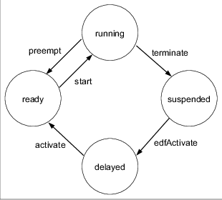
 | Only one thread should be allowed in the critical section at a time.
 | The normal implementation may lead to busy waiting state, which wastes CPU time.

 | https://www.guru99.com/difference-between-process-and-thread.html
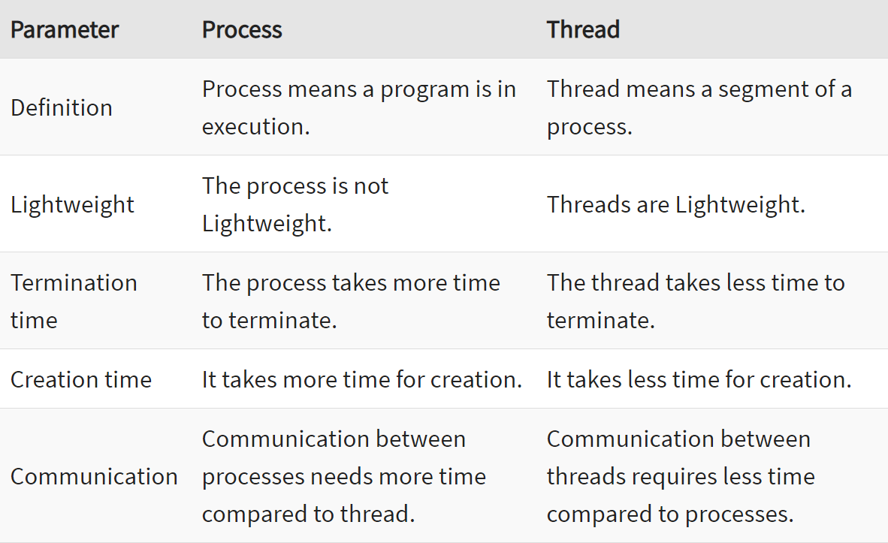
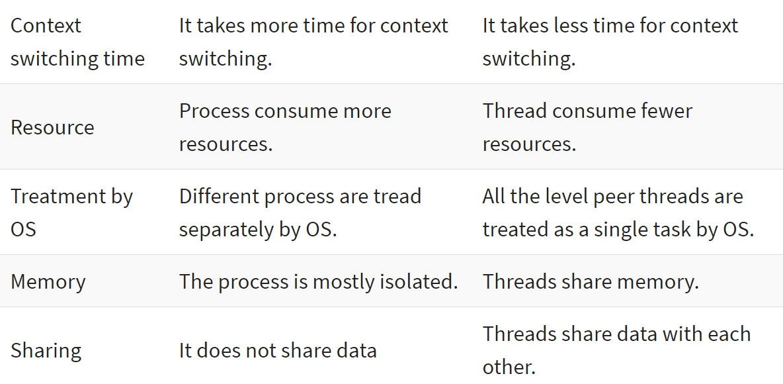

 | https://worthpreading.tistory.com/90
 | Mutex
 | 뮤텍스는 화장실이 하나 뿐이 없는 식당과 비슷하다. 화장실을 가기 위해서는 카운터에서 열쇠를 받아 가야 한다.
 | 당신이 화장실을 가려고 하는데 카운터에 키가 있으면 화장실에 사람이 없다는 뜻이고 당신은 그 열쇠를 이용해 화장실에 들어갈 수 있다.
 | 당신이 화장실에서 행복한 시간을 보내고 있는데 다른 테이블에 있는 어떤 남자가 화장실에 가고 싶어졌다. 이 남자는 아무리 용무가 급하더라도 열쇠가 없기 때문에 화장실에 들어갈 수 없다. 결국 남자는 당신이 용무를 마친 후 나올 때까지 카운터에서 기다려야 한다.
 | 곧이어 옆 테이블에 있는 남자도 화장실에 가고 싶어졌고 이 남자 또한 화장실에 들어가기 위해서는 카운터에서 대기해야한다.
 | 이제 당신이 화장실에서 나와 카운터에 키를 돌려놓았다. 이제 기다리던 사람들 중 맨 앞에있던 사람은 키를 받을 수 있고 이를 이용해 화장실에 갈 수 있다.
 | 화장실을 이용하는 사람은 프로세스 혹은 쓰레드이며 화장실은 공유자원, 화장실 키는 공유자원에 접근하기 위해 필요한 어떤 오브젝트이다.
 | 즉 뮤텍스는 Key 에 해당하는 어떤 오브젝트가 있으며 이 오브젝트를 소유한 (쓰레드,프로세스) 만이 공유자원에 접근할 수 있다.
 | Semaphore
 | 세마포어는 손님이 화장실을 좀 더 쉽게 이용할 수 있는 레스토랑이다. 세마포어를 이용하는 레스토랑의 화장실에는 여러 개의 칸이 있다.
 | 그리고 화장실 입구에는 현재 화장실의 빈 칸 개수를 보여주는 전광판이 있다.
 | 만약 당신이 화장실에 가고 싶다면 입구에서 빈 칸의 개수를 확인하고 빈 칸이 1개 이상이라면 빈칸의 개수를 하나 뺀 다음에 화장실로 입장해야 한다.
 | 그리고 나올 때 빈 칸의 개수를 하나 더해준다.
 | 출처: https://worthpreading.tistory.com/90 [Worth spreading]

Deadlock
 | https://m.blog.naver.com/PostView.nhn?blogId=sungeuns&logNo=50098110372&proxyReferer=https:%2F%2Fwww.google.com%2F
 | 데드락은 다음과 같은 4가지 조건이 모두 만족될 때 일어납니다.
 | 1. 상호배제 (mutual exclusion)
 | 2. 선점금지 (no preemption)
 | 3. 소유 후 대기 (hold and wait)
 | 4. 순환형 대기 (circular wait)

 | 1. 상호배제(mutual exclusion)
 | "한 번에 하나의 프로세스만이 공유 자원을 접근할 수 있다" 라는 뜻입니다. 동기화의 가장 기본이지요. 뮤텍스도 mutual exclusion을 줄여서 쓴말이구요.
 | 이 상호배제라는 조건이 깨지면 앞서 살펴보았듯이 Race Condition이 발생합니다.
 | 결론적으로, 상호배제라는 조건은 깰 수 없는것입니다.
 | 2. 선점금지(no preemption)
 | 공유 자원(세마포어나 lock같은)에 대한 선점을 의미합니다. "이미 다른 프로세스가 소유하고 있는 자원을 강제로 빼앗을 수 없다" 는 뜻입니다.
 | 만약에, 우리가 세마포어를 강제로 뺏게 한다면 Race Condition이 발생할 겁니다. 세마포어같은걸 만들어서 동기화를 하게 된 의미가 퇴색되어 버리겠네요. 그러므로, 선점금지도 꺠면 안됩니다~~
 | 3. 소유 후 대기 (hold and wait)
 | "프로세스는 이미 특정 자원을 소유한 상태에서 추가로 다른 자원을 얻으려고 대기한다" 라는 뜻입니다. 어떤 공유자원을 가진 상태에서 다른 자원을 가지려고 대기하다 보니 데드락이 발생하는것이겠지요.
 | 4. 순환형 대기 (circular wait)
 | "프로세스들 사이에서 자원의 순환형 고리가 만들어진다" 라는 뜻으로, p1이 소유한 자원을 p2가 요구하고 있고, p2가 소유한 자원을 p1이 요구하고 있는 것입니다.
 | 이 조건 또한 깰 수 있습니다. lock을 획득하는 순서를 linear(선형적)하게 만들면 됩니다. 즉, 자원 A,B가 필요하다면 반드시 A를 획득한 후 B를 요청한다는 식으로 lock ordering을 하면 됩니다.
 | 보통, 이렇게 해서 많이들 사용한다고 합니다.

Priority Inversion
 | https://m.blog.naver.com/PostView.nhn?blogId=sungeuns&logNo=50098110372&proxyReferer=https:%2F%2Fwww.google.com%2F
 | 우선순위가 가장높은 "상" , 중간정도 되는 "중", 우선순위가 낮은 "하" 라는 프로세스가 있습니다.
 | 일단 "하" 가 열심히 작업하다가 세마포어를 요청했고, 세마포어를 획득한 후 공유자원을 사용하며 작업하고 있습니다.
 | 이때 "상"이 실행되었고, CPU는 "상"을 열심히 처리하다가 보니 세마포어 요청 코드가 있어서, 세마포어를 요청합니다.
 | 그런데 세마포어는 "하"가 가지고 있으므로, "상"은 세마포어를 기다리게 된다.
 | 이때 "중" 프로세스가 실행됩니다. "중"이 "하"보다 우선순위가 높으니 당연히 "중"이 실행될테고, "중"이 끝날때까지
 | "하"는 실행되지 않아서 세마포어 반납 등의 작업도 하지를 못합니다.
 | 그러면 "중" 이 다 실행이 끝나고, "하"가 마저 작업을 끝낸 후 공유자원을 반납한 후에야 "상"이 실행될 수 있겟군요!!!!!!
 | 그러면 우선순위역전되는 시간이 길어지게 됩니다~
 | 근데 문제는 이게 다가 아닙니다.
 | 아까 "중"이 실행되다가, 우선순위가 "중"정도 되는 프로세스들이 마구마구 실행되어 버린다면 어떻게 될까요??
 | 우선순위가 높은 "상" 이 계속계속 실행되지 못하겠지요.
 | 이것은 프로세스 수가 많은 시스템에서 아주 큰 문제가 될 수 있습니다.
 | ** 그렇다면 우선순위역전을 해결하기 위한 기법은 무엇이 있을까요??
 | 1. 우선순위 계승 프로토콜(priority inheritance protocol)
 | 2. 우선순위 상한 프로토콜(priority ceiling protocol)

 | 1. 우선순위 계승 프로토콜(priority inheritance protocol)
 | 우선순위가 낮은 프로세스(하)가 세마포어를 소유하고 실행중일때 우선순위가 높은 프로세스(상)가 실행되었을때 세마포어가 없다면 실행이 못되는데,
 | 이때 우선순위 낮은 프로세스(하)를 세마포어 요청한 우선순위 높은 프로세스(상)만큼 우선순위를 일시적으로 높여주는 것입니다.
 | 즉, 높은 우선순위의 프로세스(상)를 블록시키고 있는 프로세스(하)는 높은 우선순위 프로세스(상)의 우선순위를 계승하는 것이지요.
 | 이 프로세스(하)가 세마포어를 반환하면 원래의 우선순위로 되돌아갑니다!!
 | 이렇게 되면, 중간 우선순위(중)이 실행되더라도 "하"는 지금 "상"의 우선순위만큼 높으므로, 방해받지 않고 빨리 Race Condition을 벗어난 후
 | 세마포어를 반납하여 우선순위역전되는 시간을 줄일 수 있습니다.
 | 이 프로토콜은 구현이 간단하기 때문에 실제로 많이 사용됩니다.
 | 단점은 공유자원이 여러개 있고 순환적으로 획득될 때, 데드락이 일어날 수 있는것이지요.
 | 예를들어 "하" 가 S1(세마포어1)을 요청하여 획득한 후 Race Condition실행중에 "상"이 실행되어 CPU를 점유해버립니다.
 | "상"이 실행중에 S2(세마포어2)를 요청하고 획득한 후, S1을 요청하게 되면 "하"가 가지고 있으므로 블록되어 버리겠지요.
 | 그래서 다시 "하"가 실행되는데, 실행중에 S2를 요청하게 되면 이건 "상"이 가지고 있으므로 블록되어 버려서 데드락이 발생되버립니다. (아까 데드락에서 보던것같은 상황입니다.)
 | 그렇지만 결과적으로, 구현이 어렵지 않고 비교적 좋은 성능을 낼 수 있어서 많이 사용됩니다.

 | The VxWorks microkernel uses priority based scheduling with two types of scheduling
 | models with 256 priority levels: preemptive and nonpreemptive round-robin (RR) scheduling.

Context Switching
 | https://jins-dev.tistory.com/entry/%EC%BB%A8%ED%85%8D%EC%8A%A4%ED%8A%B8-%EC%8A%A4%EC%9C%84%EC%B9%98Context-Switching-%EC%97%90-%EB%8C%80%ED%95%9C-%EC%A0%95%EB%A6%AC
 | Context Switching 이란 CPU가 한 개의 Task(Process / Thread) 를 실행하고 있는 상태에서
 | Interrupt request에 의해 다른 Task 로 실행이 전환되는 과정에서 기존의 Task 상태 및 Register 값들에 대한 정보 (Context)를 저장하고
 | 새로운 Task 의 Context 정보로 교체하는 작업을 말한다.
 | 여기서 Context란, CPU 가 다루는 Task(Procee / Thread) 에 대한 정보로 대부분의 정보는 Register 에 저장되며 PCB(Process Control Block) 으로 관리된다.

 | 여기서 Process 와 Thread 를 처리하는 ContextSwitching 은 조금 다른데,
 | PCB는 OS에 의해 스케줄링되는 Process Control Block이고,
 | Thread 의 경우 Process 내의 TCB(Task Control Block) 라는 내부 구조를 통해 관리된다.
 | Task 의 PCB 정보는 Process Stack, Ready Queue 라는 자료구조로 관리가 되며,
 | Context Switching 시 PCB 의 정보를 바탕으로 이전에 수행하던 작업 혹은 신규 작업의 수행이 가능하게 된다.

 | PCB는 주로 다음과 같은 정보들을 저장하게 된다.
 | (1) Process State : 프로세스 상태
 | (2) Program Counter : 다음에 실행할 명령어 Address
 | (3) Register : 프로세스 레지스터 정보
 | (4) Process number : 프로세스 번호

 | Context Switching 시,
 | Context Switching 을 수행하는 CPU 는 Cache 를 초기화하고 Memory Mapping 을 초기화하는 작업을 거치는 등 아무 작업도 하지 못하므로
 | 잦은 Context Switching 은 성능 저하를 가져온다.

 | 일반적으로 멀티 프로세스를 통해 PCB를 Context Switching 하는 것보다 멀티 쓰레드를 통해 TCB 를 Context Switching 하는 비용이 더 적다고 알려져있다.
 | 주로 Context Switching 은 Interrupt 에 의해 발생되는데, Hardware 를 통한 I/O 요청이나, OS / Driver 레벨의 Timer 기반 Scheduling 에 의해 발생한다.

27) How many types of IPC mechanism you know?
 | Pipes
 | Named pipes or FIFO
 | Semaphores
 | Shared memory
 | Message queue
 | Socket
28) What is semaphore?
 | Binary semaphore – It can have only two values (0 and 1). The semaphore value is set to 1 by the process in charge, when the resource is available.
 | Counting semaphore – It can have value greater than one. It is used to control access to a pool of resources.
29) What is spin lock?
 | If a resource is locked, a thread that wants to access that resource may repetitively check whether the resource is available. During that time, the thread may loop and check the resource without doing any useful work.

30) What is difference between binary semaphore and mutex?
 | Mutual exclusion and synchronization can be used by binary semaphore while mutex is used only for mutual exclusion.
 | A mutex can be released by the same thread which acquired it. Semaphore values can be changed by other thread also.
 | From an ISR, a mutex can not be used.
 | The advantage of semaphores is that, they can be used to synchronize two unrelated processes trying to access the same resource.
 | Semaphores can act as mutex, but the opposite is not possible.
31) What is virtual memory?
 | Virtual memory is a technique that allows processes to allocate memory in case of physical memory shortage using automatic storage allocation upon a request. It allows large virtual memory to be provided when only a smaller physical memory is available. Virtual memory can be implemented using paging.

 | A paging system is quite similar to a paging system with swapping. When we want to execute a process, we swap it into memory. Here we use a lazy swapper called pager rather than swapping the entire process into memory. When a process is to be swapped in, the pager guesses which pages will be used based on some algorithm, before the process is swapped out again. Instead of swapping whole process, the pager brings only the necessary pages into memory. By that way, it avoids reading in unnecessary memory pages, decreasing the swap time and the amount of physical memory.

32) What is kernel paging?
 | Paging is a memory management scheme by which computers can store and retrieve data from the secondary memory storage when needed in to primary memory. In this scheme, the operating system retrieves data from secondary storage in same-size blocks called pages. The paging scheme allows the physical address space of a process to be non continuous. Paging allows OS to use secondary storage for data that does not fit entirely into physical memory.

33) Can structures be passed to the functions by value?
 | Yes, but it's not good idea. if the structure is big, then passing the structure by value means copying the whole structure to the function argument stack which can slow the program by a significant amount.

34) Why cannot arrays be passed by values to functions?
 | In C, the array name itself represents the address of the first element. So, even if we pass the array name as argument, it will be passed as reference and not its address.

선행처리(preprocess)란?

35) Advantages and disadvantages of using macro and inline functions?
매크로 함수의 장단점
http://www.tcpschool.com/c/c_prepro_macroFunc
 | 매크로 함수의 장점은 다음과 같습니다.( #define으로 시작한다.)
 | 1. 매크로 함수는 단순 치환만을 해주므로, 인수의 타입을 신경 쓰지 않습니다.
 | 2. 매크로 함수를 사용하면 여러 개의 명령문을 동시에 포함할 수 있습니다.
 | 3. 함수 호출에 의한 성능 저하가 일어나지 않으므로, 프로그램의 실행속도가 향상됩니다.

 | 매크로 함수의 단점은 다음과 같습니다.
 | 1. 원하는 결과를 얻는 정확한 매크로 함수의 구현은 어려우며, 따라서 디버깅 또한 매우 어렵습니다.
 | 2. 매크로 함수의 크기가 증가하면 증가할수록 사용되는 괄호 또한 매우 많아져서 가독성이 떨어집니다.

 | 따라서 매크로 함수는 크기가 큰 함수보다는 간단한 함수를 대체하는 데 사용하는 것이 좋습니다.
 | #define SQR(X) printf(""#X"의 제곱은 %d입니다.\n", ((X)*(X))) // SQR(3+4) --> 3+4의 제곱은 49입니다.
 | #define XN(n) x ## n
 | int XN(1) = 10; // x1에 저장된 값은 10입니다.
매크로 함수와 인라인 함수
 | http://tcpschool.com/c/c_prepro_macroFunc
 | 실행 주체가 다르다. macro function은 preprocessor에 의해 실행되며, inline function은 compiler에 의해 실행된다.
 | 매크로 함수는 #define을 통해 정의된다.
 | 매크로 함수를 일반 함수처럼 사용하기 위해서는 모든 인수를 괄호({})로 감싸야만 합니다.
 | 인라인 함수는 단순 치환이 아닌 함수의 모든 코드를 호출된 자리에 인라인 코드로 삽입해 주는 것입니다. 따라서 일반 함수처럼 값이나 수식을 인수로 전달할 수 있으며, 매개변수 타입에 맞춘 자동 타입 변환도 지원합니다.

인라인 함수(inline function)
 | http://tcpschool.com/cpp/cpp_cppFunction_inlineFunction
 | 인라인 함수는 호출될 때 일반적인 함수의 호출 과정을 거치지 않고, 함수의 모든 코드를 호출된 자리에 바로 삽입하는 방식의 함수입니다. 이 방식은 함수를 호출하는 데 걸리는 시간은 절약되나, 함수 호출 과정으로 생기는 여러 이점을 포기하게 됩니다. 따라서 코드가 매우 적은 함수만을 인라인 함수로 선언하는 것이 좋습니다.

36) What happens when recursive functions are declared inline?
 | Obviously, the compiler won't be able to inline a recursive function infinitely. It may not inline it at all or it may inline it, just a few levels deep.
37) #define cat(x,y) x##y concatenates x to y. But cat(cat(1,2),3) does not expand but gives preprocessor warning. Why?
 | https://dojang.io/mod/page/view.php?id=656
 | The cat(x, y) expands to x##y. It just pastes x and y. But in case of cat(cat(1,2),3), it expands to cat(1,2)##3 instead of 1##2##3. That is why it is giving preprocessor warning.
42) What will be the output of the following code fragment?
 | char *ptr;
 | if ((ptr = (char *)malloc(0)) == NULL)
 | The output will be “Got a valid pointer”. It is because malloc(0) returns a valid pointer, but it allocates size 0. So this pointer is of no use, but we can use this free pointer and the program will not crash.

46) What is the concatenation operator?
 | #define SOME_MACRO(a, b) a##b
 | main()
 | {
 | int var = 15;
 | printf(“%d”, SOME_MACRO(v, ar)); // 15
 | }
48) Guess the output:
 | #include <stdio.h> |  |  |  |  |  |  | P_PID 3158, hello! P_PID 3160, hello! C_PID 3161, hello! C_PID 3162, hello! P_PID 3159, hello! P_PID 3163, hello! C_PID 3165, hello! C_PID 3164, hello! // geeksforgeeks IDE 이용할 것
 | #include <unistd.h>
 | int main() // m
 | {
 | pid_t pid; |  |  |  | fork 2개 | fork 3개 | fork 4개
 |  |  |  |  | m | m
 | pid=fork(); //a |  |  |  | ab | abcc
 | pid=fork(); //b |  |  |  | b | bc
 | pid=fork(); //c |  |  |  |  | c
 | if( pid>0)
 | printf("P_PID %d, hello!\n", getpid()); |  |  |  | 2^2 | 2^3 | 2^4
 | else if( pid==0) |  |  |  | 4개 | 8개 | 16개
 | printf("C_PID %d, hello!\n", getpid());
 | else
 | return -1;
 | return 0;
 | }
 | fork 함수를 호출하는 프로세스는 부모 프로세스가 되고 새롭게 생성되는 프로세스는 자식 프로세스가 됩니다.
 | fork 함수에 의해 생성된 자식 프로세스는 부모 프로세스의 메모리를 그대로 복사하여 가지게 됩니다.
 | 그리고 fork 함수 호출 이후 코드부터 각자의 메모리를 사용하여 실행됩니다
 | https://codetravel.tistory.com/23

54) What is job of preprocessor, compiler, assembler and linker ?
 | 선행처리기(preprocessor)에 의한 선행처리
 |  | 소스 파일 중에서도 선행처리 문자(#)로 시작하는 선행처리 지시문(preprocessing directives)의 처리 작업을 의미합니다.
 |  | 선행처리기는 코드를 생성하는 것이 아닌, 컴파일하기 전 컴파일러가 작업하기 좋도록 소스를 재구성해주는 역할만을 합니다.
 | 컴파일러(compiler)에 의한 컴파일
 |  | 컴파일이 끝나 기계어로 변환된 파일을 오브젝트 파일(object file)이라고 합니다.
 | 링커(linker)에 의한 링크
 |  | 컴파일러에 의해 생성된 오브젝트 파일은 운영체제와의 인터페이스를 담당하는 시동 코드(start-up code)를 가지고 있지 않습니다. 또한, 대부분의 C 프로그램에서 사용하는 C 표준 라이브러리 파일도 포함되어 있지 않습니다. 이때 하나 이상의 obj 파일과 library 파일, start-up 코드 등을 합쳐 하나의 파일로 만드는 작업을 링크(link)라고 합니다.

55) What is the difference between static linking and dynamic linking ?
 | In static linking, all the library modules used in the program are placed in the final executable file making it larger in size.
 | This is done by the linker. If the modules used in the program are modified after linking, then re-compilation is needed.
 | The advantage of static linking is that the modules are present in an executable file. We don't want to worry about compatibility issues.
 | In case of dynamic linking, only the names of the module used are present in the executable file and the actual linking is done at run time when the program and the library modules both are present in the memory. That is why, the executables are smaller in size. Modification of the library modules used does not force re-compilation. But dynamic linking may face compatibility issues with the library modules used.

56) What is the purpose of the preprocessor directive #error?
 | Preprocessor error is used to throw a error message during compile time.
 | I usually use #error to distinguish a valid code with #if,#else,#endif at compile time.
57) On a certain project it is required to set an integer variable at the absolute address 0x67a9 to the value 0xaa55.
 | int *ptr;
 | ptr = (int *)0x67a9;
 | *ptr = 0xaa55;
58) Significance of watchdog timer in Embedded Systems.
 | https://www.embedded.com/introduction-to-watchdog-timers/
 | 컴퓨터의 오작동을 탐지하고 복구하기 위해 쓰이는 전자 타이머이다.
 | 워치독 타이머는 프로세서 리셋, 차단 불가능 인터럽트, 차단 가능 인터럽트, 전원 껐다 켜기, 안전모드 상태 활성화 또는 이들의 조합을 포함하는 몇 가지 유형의 시정 조치를 취할 수 있다.
 | For those embedded systems that can't be constantly watched by a human, watchdog timers may be the solution.
 | // Kicking the dog |  |  |  |  |  |  |  | The hardware implementation of this watchdog allows the counter value to be set via a memory-mapped register. If the watchdog timer's counter is initialized to a value that corresponds to five milliseconds of elapsed time, say 10,000, and the software has no bugs, the watchdog timer will never expire; the software will always restart the counter before it reaches zero.
 | uint16 volatile * pWatchdog = (uint16 volatile *) 0xFF0000;

 | main(void)
 | {
 | hwinit();
 | for (;;)
 | {
 | *pWatchdog = 10000;
 | read_sensors();
 | control_motor();
 | display_status();
 | }
 | }

59) Why ++n executes faster than n+1?
 | The expression ++n requires a single machine instruction. In case of n+1, other instructions are required to load the value of n. That is why ++n is faster.
60) What is wild pointer?
 | A pointer that is not initialized to any valid address or NULL is considered as wild pointer.
61) What is dangling pointer?
 | If a pointer is de-allocated or freed and the pointer is not assigned to NULL
62) Write down the equivalent pointer expression for referring the same element a[i][j][k][l] ?
 | a[i][j] == *(*(a+i)+j)
 | a[i][j][k] == *(*(*(a+i)+j)+k)
 | a[i][j][k][l] == *(*(*(*(a+i)+j)+k)+l)
63) Which bit wise operator is suitable for checking whether a particular bit is on or off?
 | bit = (byte >> 4) & 0x01; // bit = ( byte >> (pos-1) ) & 0x01;
 | Here, shifting byte by 4 position means taking 5'th bit to first position and "Bitwise And" will get the value in 0 or 1.
64) When should we use register modifier?
 | The register modifier is used when a variable is expected to be heavily used and keeping it in the CPU’s registers will make the access faster.
65) Why doesn't the following statement work?
 | char str[ ] = "Hello" ; |  |  |  | The string function strcat( ) concatenates two strings. strcat ( str, "!" ) ;
 | strcat ( str, '!' ) ;
68) Write a code fragment to set and clear only bit 3 of an integer.
 | #define BIT(n) (0x1 << n)
 | int a;
 | void SetBit3()
 | {
 | a |= BIT(3);
 | }
 | void ClearBit3()
 | {
 | a &= ~BIT(3);
 | }
69) What is wrong with this code? |  |  |  | // 값을 넘겨주고, 연산한다.
 | int square(volatile int *p) |  |  | int square(volatile int *p) |  |  | //volatile이나 const pointer는 일반 pointer에 casting 없이 대입할 수 없다.
 | { |  |  | { |  |  | volatile int*p; int*a=p; // warning: initialization discards 'volatile' qualifier from pointer target type
 | return *p * *p; |  |  | int a = *p;
 | } |  |  | return a*a;
 |  |  |  | }
70) Is the code fragment given below is correct? If so what is the output?
 | int i = 2, j = 3, res;
 | res = i+++j; |  |  | // res = 5

Reentrant
 | https://ko.wikipedia.org/wiki/%EC%9E%AC%EC%A7%84%EC%9E%85%EC%84%B1
 | 즉 재진입이 가능한 루틴은 동시에 접근해도 언제나 같은 실행 결과(correctness)를 보장한다. 재진입이 가능하려면 함수는 다음 조건을 만족하여야 한다.
 | 정적 (전역) 변수를 사용하면 안 된다.
 | 정적 (전역) 변수의 주소를 반환하면 안 된다.
 | 호출자가 호출 시 제공한 매개변수만으로 동작해야 한다.
 | 싱글턴 객체의 잠금에 의존하면 안 된다.
 | 다른 비-재진입 함수를 호출하면 안 된다.
 | int g_var = 1; |  | f 함수는 전역 변수 g_var에 의존하고 있다. 만약 두 개의 스레드가 이 함수를 실행하여 g_var에 동시에 접근할 경우, 결과는 실행되는 시점에 따라서 바뀌게 된다. 그러므로 f는 재진입성을 가지지 않는다. g 함수는 비-재진입 함수 f를 호출하기 때문에 역시 재진입이 불가능하다. |  |  |  |  | int f(int i) |  |  | int g(int i)
 | int f() |  |  |  |  |  |  | { |  |  | {
 | { |  |  |  |  |  |  | int priv = i; |  |  | int priv = i;
 | g_var = g_var + 2; |  |  |  |  |  |  | priv = priv + 2; |  |  | return f(priv) + 2;
 | return g_var; |  |  |  |  |  |  | return priv; |  |  | }
 | } |  |  |  |  |  |  | }
 | int g()
 | { |  |  |  |  |  |  | reentrant function
 | return f() + 2;
 | }
 | 대부분의 경우에서 비-재진입 함수를 재진입이 가능하도록 만들려면 함수의 호출자가 제공하는 데이터와 같은 외부 인터페이스를 고쳐야 한다. 스레드-안전하지 않은 함수를 스레드-안전하게 고치려면 경합 조건에서 공유 자원을 보호하도록 동기화 코드를 추가시키는 것과 같이 내부 구현만 수정하면 된다. 그러므로 재진입성은 스레드 안전성보다 더 강한 의미를 가진다: 모든 재진입 함수는 스레드-안전하지만, 모든 스레드 함수가 재진입이 가능한 것은 아니다.

thread safety
 | https://ko.wikipedia.org/wiki/%EC%8A%A4%EB%A0%88%EB%93%9C_%EC%95%88%EC%A0%84
 | 보다 엄밀하게는 하나의 함수가 한 스레드로부터 호출되어 실행 중일 때, 다른 스레드가 그 함수를 호출하여 동시에 함께 실행되더라도 각 스레드에서의 함수의 수행 결과가 올바로 나오는 것으로 정의한다.

 | 재진입성: 어떤 함수가 한 스레드에 의해 호출되어 실행 중일 때, 다른 스레드가 그 함수를 호출하더라도 그 결과가 각각에게 올바로 주어져야 한다.
 | 상호 배제: 공유 자원을 꼭 사용해야 할 경우 해당 자원의 접근을 세마포어 등의 락으로 통제한다.
 | 스레드 지역 저장소: 공유 자원의 사용을 최대한 줄여 각각의 스레드에서만 접근 가능한 저장소들을 사용함으로써 동시 접근을 막는다.
 | 원자 연산: 공유 자원에 접근할 때 원자 연산을 이용하거나 '원자적'으로 정의된 접근 방법을 사용함으로써 상호 배제를 구현할 수 있다.

C Thread Safe and Reentrant Function Examples
 | https://www.thegeekstuff.com/2012/07/c-thread-safe-and-reentrant/
 | 1. Thread Safe Code
 | when more than one thread can execute the same code without causing synchronization problems.
 | int a=0; |  |  |  | int a=0;
 |  |  |  |  | int function(n)
 | int function(n) |  |  |  | {
 | { |  |  |  | // Lock a mutex here
 | for( int i =0; i<10; i++) |  |  |  | for( int i =0; i<10; i++)
 | n+=a; |  |  |  | n+=a;
 | } |  |  |  | // unlock the mutex here
 |  |  |  |  | }
 | not thread-safety function |  |  |  | thread-safety function

 | 2. Re-entrant Code
 | where in a single thread also the execution of a function can be interrupted by a call to same function again.

 | int a=10; |  |  | int functiona(int b)
 |  |  |  | {
 | int functiona(int b) |  |  | int a=10;
 | {
 | return a+b; |  |  | return a+b;
 | } |  |  | }
 | non re-entrance |  |  | Re-entrance

 | 3. Thread Safe but not Re-entrant

 | int a=10;

 | int functiona(int b)
 | {
 | // Lock a mutex here
 | b+=a;
 | // unlock the mutex here
 | return b;
 | }

itvw(C++)
C++ Interview Questions,Your interviewer might ask
https://aticleworld.com/cpp-interview-questions/
What is difference between in C and C++?
 | C | C++
 | procedural programming | both procedural and object oriented programming
 |  | OOP: polymorphism, encapsulation, and inheritance.
 | not support function and operator overloading.
 | not allow functions to be defined inside structures. | functions can be used inside a structure.
 | no support for virtual and friend functions. | supports virtual and friend functions.
 | memory functions: malloc, calloc, free | new, delete

Why is the size of an empty class not zero in C++?
 | It is 1 byte generally. It is nonzero to ensure that the two different objects will have different addresses.

What are C++ access specifiers ?
 | Private, Public and Protected
What are the various OOPs concepts in C++?
 | Classes
 | Encapsulation
 | Abstraction
 | Inheritance
 | Polymorphism

What are the differences between a C++ struct and C++ class?
 | A class can also contain functions [called methods].
 | The member variables and methods are hidden from the outside world, unless their declaration follows a public label.
 | There can be a pair of special methods – the constructor and destructor – that are run automatically when an instance of the class [an object] is created and destroyed.
 | Operators to work on the new data type can be defined using special methods [member functions].
 | One class can be used as the basis for the definition of another [inheritance].
 | Declaring a variable of the new type [an instance of the class; an object] requires just the name of the class – the keyword class is not required.

What is difference between new and malloc?
 | Both are used for same purpose, but still they have some differences, the differences are:
 | new is an operator whereas malloc() is a library function. new allocates memory and calls constructor for object initialization.
 | But malloc() allocates memory and does not call constructor.
What is a namespace?
 | In computing, a namespace is a set of symbols that are used to organize objects of various kinds, so that these objects may be referred to by name.

What is Overriding?

How to create .dll in C++ and how to link .dll in your code?
What is overloading?
How to create and use a reference variable in c++?
Can you overload a function based only on whether a parameter is a value or a reference?
What is difference between function overloading and Operator Overloading?
Can we access private data members of a class without using a member or a friend function?
What is the use of inline function?
how to access derived class function from base class object without using virtual function?
Distinguish between shallow copy and deep copy.
Friend class and function in C++
what is difference between constructor and destructor?
How are .h files loaded and linked with their .c files?
What Is Inheritance?
What is “this” pointer?
What is difference between delete and free?
 | delete is an operator whereas free() is a library function. delete deallocates memory and calls descructor for object.
 | But free() deallocates memory and does not call destructor.

What is encapsulation?
What is static Member in c++?
What is a pure virtual function in c++?
Count the number of words, characters, and lines in a file?
Any fundamental difference between source and header files in C?
Can a C++ class member function template be virtual?
What is the Diamond problem? How can we get around it?
What are the advantages of inheritance?
why virtual functions cannot be static in c++?
How does the compilation/linking process work?
Can you explain the order of execution in constructor initialization list?
How to make a C++ class whose objects can only be dynamically allocated?
Is it possible to have Virtual Constructor? If yes, how? If not, Why not possible?
What is a constructor? Is default constructor exist in C++?
Can a constructor throw an exception? How to handle the error when the constructor fails?
What is the difference between a copy constructor and an overloaded assignment operator?
When are copy constructors called in C++?
Why copy constructor takes the parameter as a reference in C++?
What do you mean by inline function?
What is a template function?
Can we combine c and C++ code?
What is shared pointer in c++?
What is typecasting?
Why is a pure virtual function initialized by 0?
How to create multidimensional arrays using new?
When should static_cast, dynamic_cast, const_cast and reinterpret_cast be used?
 | static_cast : 우리가 흔히 생각하는, 언어적 차원에서 지원하는 일반적인 타입 변환
 | const_cast : 객체의 상수성(const) 를 없애는 타입 변환. 쉽게 말해 const int 가 int 로 바뀐다.
 | dynamic_cast : 파생 클래스 사이에서의 다운 캐스팅 (→ 정확한 의미는 나중에 다시 배울 것입니다)
 | reinterpret_cast : 위험을 감수하고 하는 캐스팅으로 서로 관련이 없는 포인터들 사이의 캐스팅 등
Can I free() pointers allocated with new?
How do I convert an integer to a string in C++?
What is the difference between a pointer and a reference?
When should I use references, and when should I use pointers?
What is the assignment operator in c++?
What does the explicit keyword mean?
 | explicit: implicit conversion을 할 수 없도록 컴파일러에게 명시한다. mutable: const 함수 내부에서는 멤버 변수들의 값을 바꾸는 것이 불가능 합니다. 하지만, 만약에 멤버 변수를 mutable 로 선언하였다면 const 함수에서도 이들 값을 바꿀 수 있습니다. explicit 은 해당 생성자가 복사 생성자의 형태로도 호출되는 것을 막게 됩니다.
When do we need to create virtual destructor in our class?
 | Child 객체의 생성과 소멸시: Parent 생성자 → Child 생성자 → Child 소멸자 → Parent 소멸자 순으로 호출
 | Parent 포인터가 Child 객체를 가리킬 때 , Parent 생성자 → Child 생성자 → Parent 소멸자
 | child 생성자에서 메모리 할당했다면, 메모리 누수 발생함.
 | Parent 의 소멸자를 virtual 로 만들면, p 가 소멸자를 호출할 때, Child 의 소멸자를 성공적으로 호출할 수 있게 됩니다.

What is Polymorphism?
What is the effect of extern “C” in C++?
What are the different types of polymorphism in C++?
Can a copy constructor accept an object of the same class as a parameter, in place of reference of the object? If No, why not possible?
What about Virtual Destructor?
What is conversion constructor?
 | A conversion constructor is a single-parameter constructor that is declared without the function specifier explicit. The compiler uses conversion constructors to convert objects from the type of the first parameter to the type of the conversion constructor's class.

 | class Y { int a, b; char* name; public: Y(int i) { }; Y(const char* n, int j = 0) { }; }; | // equivalent to // obj1 = Y(2) Y obj1 = 2; // equivalent to // obj2 = Y("somestring",0) Y obj2 = "somestring";

How do you access the static member of a class?
When do we use the Initializer List in C++?
Is it possible to overload the destructor the class?
Which is faster: Stack allocation or Heap allocation
What is auto pointer in C++?
What is the smart pointer in C++?
Can I delete pointers allocated with malloc()? |  | No
Can I use realloc() on pointers allocated via new?
Can I call the destructor explicitly?
Can one constructor of a class call another constructor of the same class to initialize the this
object?
What is the difference between an array and a list?
What is a “pure virtual” member function and when it is used?
What are VTABLE and VPTR?
 | https://pabloariasal.github.io/2017/06/10/understanding-virtual-tables/
How to handle the exception in C++?
What is a Memory Leak?
why static functions cannot access non-static variables?
What is a dangling pointer?
What is “mutable” keyword in C++?
What are the debugging methods you use when came across a problem?
STL Containers – What are the types of STL containers?

http://a4academics.com/interview-questions/57-c-plus-plus/419-cpp-interview-questions-answers
1. What is difference between C and C++ ?

2. What is a class?
 | C++에서 클래스(class)란 구조체의 상위 호환으로 이해할 수 있습니다.
 | C++의 구조체는 멤버로 함수를 포함할 수 있기에, C언어의 구조체보다 좀 더 확장된 의미를 가집니다.
 | C++에서 이러한 구조체와 클래스의 차이는 기본 접근 제어의 차이일 뿐, 나머지는 거의 같습니다.
3. What is an Object/Instance?
 | C++에서 클래스는 구조체와 마찬가지로 사용자가 정의할 수 있는 일종의 타입입니다. 따라서 클래스를 사용하기 위해서는 우선 해당 클래스 타입의 객체를 선언해야 합니다. 이렇게 선언된 해당 클래스 타입의 객체를 인스턴스(instance)라고 하며, 메모리에 대입된 객체를 의미합니다. 하나의 클래스에서 여러 개의 인스턴스를 생성할 수 있습니다. 이러한 인스턴스는 독립된 메모리 공간에 저장된 자신만의 멤버 변수를 가지지만, 멤버 함수는 모든 인스턴스가 공유합니다.

4. What do you mean by C++ access specifiers ?
 | Access specifiers are used to define how the members (functions and variables) can be accessed outside the class.
 | public:
 | Members declared as public are accessible from any where.
 | protected:
 | Members declared as protected can not be accessed from outside the class except a child class. This access specifier has significance in the context of inheritance.
 | private:
 | Members declared as private are accessible only with in the same class and they cannot be accessed outside the class they are declared.

5. What are the basics concepts of OOP?
 | how you apply these OOPs concepts in real life. You should be able to give real life examples for each of these concepts, so prepare yourself with few examples before appearing for the interview. It has seen that even the experienced people get confused when it comes to the difference between basic OOP concepts, especially abstraction and encapsulation.

 | Classes and Objects
 | Encapsulation
 | Encapsulation is the mechanism by which data and associated operations/methods are bound together and thus hide the data from outside world. It's also called data hiding. In c++, encapsulation achieved using the access specifiers (private, public and protected). Data members will be declared as private (thus protecting from direct access from outside) and public methods will be provided to access these data.

 | Data abstraction
 | Data abstraction refers to hiding the internal implementations and show only the necessary details to the outside world.
 | Abstraction means displaying only essential information and hiding the details. Data abstraction refers to providing only essential information about the data to the outside world, hiding the background details or implementation.

 | 나의 예를 들자.
 | Inheritance
 | Inheritance allows one class to inherit properties of another class. In other words, inheritance allows one class to be defined in terms of another class.
 | Polymorphism
 | https://www.geeksforgeeks.org/polymorphism-in-c/
 | The word polymorphism means having many forms.
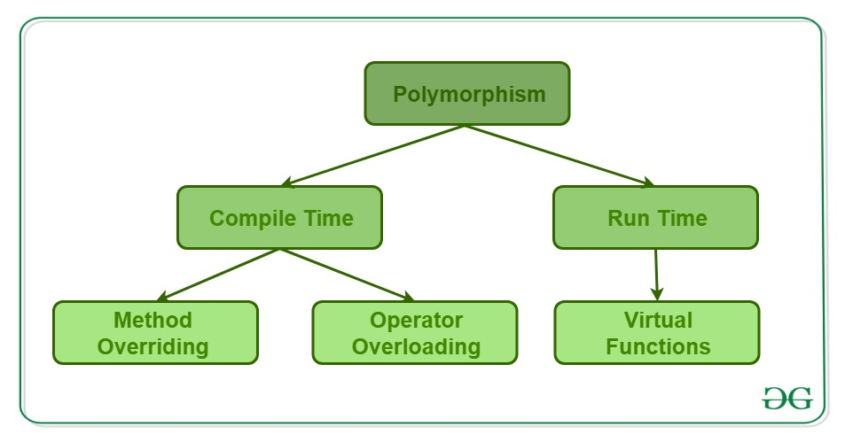
 | Compile time Polymorphism :
 | function overloading
 | operator overloading

 | Runtime Polymorphism :
 | Virtual Function Overriding.

6. What is the use of volatile keyword in c++? Give an example.
 | int i=0;
 | while( i != 10 ) i++; ===> | i=10; // compiler optimizing

reentrance
 | https://ko.wikipedia.org/wiki/%EC%9E%AC%EC%A7%84%EC%9E%85%EC%84%B1
 | 즉 재진입이 가능한 루틴은 동시에 접근해도 언제나 같은 실행 결과를 보장한다. 재진입이 가능하려면 함수는 다음 조건을 만족하여야 한다.
 | 정적 (전역) 변수를 사용하면 안 된다.
 | 정적 (전역) 변수의 주소를 반환하면 안 된다.
 | 호출자가 호출 시 제공한 매개변수만으로 동작해야 한다.
 | 싱글턴 객체의 잠금에 의존하면 안 된다.
 | 다른 비-재진입 함수를 호출하면 안 된다.
 | 다음 C 코드에서 f와 g 함수는 재진입이 불가능하다.
 | int g_var = 0;
 | int f(int i)
 | { | int g(int i)
 | g_var = i + 2; | {
 | return g_var; | return f(i) + 2;
 | } | }
 | 위 코드에서 f 함수는 전역 변수 g_var에 의존하고 있다. 만약 두 개의 스레드가 이 함수를 실행하여 g_var에 동시에 접근할 경우, 결과는 실행되는 시점에 따라서 바뀌게 된다.
 | 그러므로 f는 재진입성을 가지지 않는다. g 함수는 비-재진입 함수 f를 호출하기 때문에 역시 재진입이 불가능하다.
 | 이 함수를 다음과 같이 고치면 재진입이 가능하다.
 | int f(int i) | int g(int i)
 | { | {
 | int var = 0; | return f(i) + 2;
 | var = i + 2; | }
 | return var;
 | }
7. In how many ways we can initialize an int variable in C++?
 | Traditional C++ initilization | int i = 10;
 | Using C++ constructor notation | int i(10);
8. What is implicit conversion/coercion in c++?
 | double result1 = 5 + 3.14; | // int형 데이터가 double형으로 자동 타입 변환
 | double result2 = 5.0f + 3.14; | // float형 데이터가 double형으로 자동 타입 변환
9. What are C++ inline functions?
 | C++ inline functions are special functions, for which the compiler replaces the function call with body/definition of function. Inline functions makes the program execute faster than the normal functions

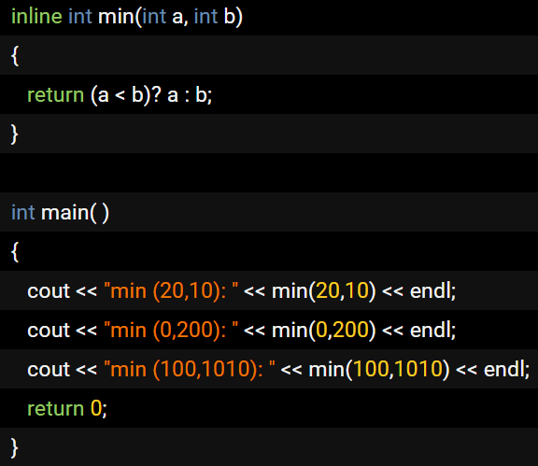

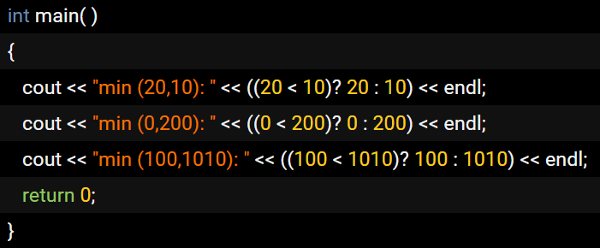

10. What do you mean by translation unit in c++?
 | When you consider a source file, at the preprocessing stage, some extra content may get added to the source code ( for example, the contents of header files included) and some content may get removed( for example, the part of the code in the #ifdef of #ifndef block which resolve to false/0 based on the symbols defined).

11. What do you mean by internal linking and external linking in c++?
 | [This interview question is related to questions on "translation unit" and "storage classes"]
 | http://tcpschool.com/cpp/cpp_scope_scopeLinkage
 | 유효 범위(scope)란 하나의 변환 단위(translation unit) 내에서 해당 변수가 사용될 수 있는 범위를 나타냅니다.
 | 함수 내에서 선언된 변수는 함수 내에서만 사용할 수 있습니다.
 | 또한, 함수 밖에서 선언된 변수는 변수가 선언된 이후에 나오는 모든 함수에서 사용할 수 있습니다.
 | 연결(linkage)이란 해당 변수를 사용할 수 있는 파일의 접근 가능 여부를 나타냅니다.
 | 외부 연결(external linkage)을 가지는 변수는 여러 파일에서 사용할 수 있습니다.
 | 하지만 내부 연결(internal linkage)을 가지는 변수는 하나의 파일에서만 사용할 수 있습니다.
 | 또한, 함수 내에서 선언된 변수는 함수 밖에서는 사용할 수 없으므로 연결을 가지지 않습니다.

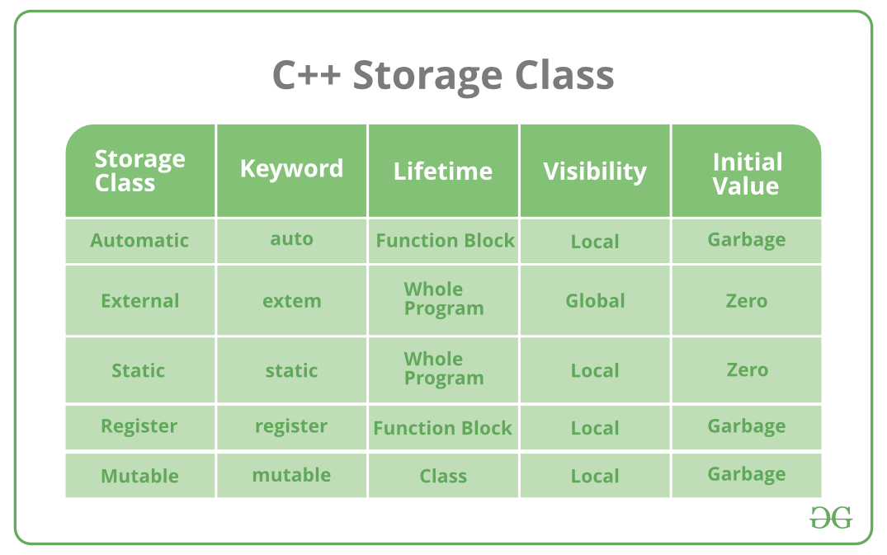
12. What do you mean by storage classes?
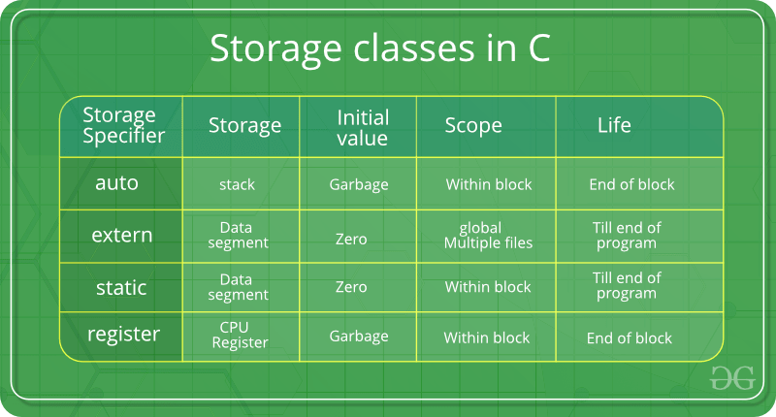

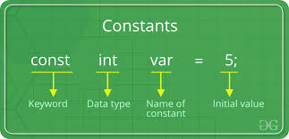

 |  |  | const, volatile
 |  | scope = visibility

13. How many storage classes are available in C++?

14. What is 'Copy Constructor' and when it is called?
 | http://tcpschool.com/cpp/cpp_conDestructor_copyConstructor
 | shallow copy vs deep copy
 | shallow copy : copy an object using assignment operator. 값을 복사하는 것이 아닌, 값을 가리키는 포인터를 복사한다.
 | Book web_book("HTML과 CSS", 350);
 | Book html_book = web_book;

 | deep copy : 자신과 같은 클래스 타입의 다른 객체에 대한 참조(reference)를 인수로 전달받아, 그 참조를 가지고 자신을 초기화하는 방법. 완전한 독립성을 가지게 해줍니다.
 | Book(const Book&); // 자신과 같은 클래스 타입의 다른 객체에 대한 참조(reference)를 인수로 전달
 | Book web_book("HTML과 CSS", 350);
 | Book html_book(web_book);
 | This is a frequent c++ interview question. Copy constructor is a special constructor of a class which is used to create copy of an object. Compiler will give a default copy constructor if you don't define one. This implicit constructor will copy all the members of source object to target object.

 | Implicit copy constructors are not recommended, because if the source object contains pointers they will be copied to target object, and it may cause heap corruption when both the objects with pointers referring to the same location does an update to the memory location. In this case its better to define a custom copy constructor and do a deep copy of the object.

15. What is realloc() and free()? What is difference between them?
 | void* realloc (void* ptr, size_t size)
 | void free (void* ptr)
16. What is difference between shallow copy and deep copy? Which is default?
 | When you do a shallow copy, all the fields of the source object is copied to target object as it is. That means, if there is a dynamically created field in the source object, shallow copy will copy the same pointer to target object. So you will have two objects with fields that are pointing to same memory location which is not what you usually want.

 | In case of deep copy, instead of copying the pointer, the object itself is copied to target. In this case if you modify the target object, it will not affect the source. By default copy constructors and assignment operators do shallow copy. To make it as deep copy, you need to create a custom copy constructor and override assignment operator.

 | shallow copy : default copy constructor by compiler and assignment operator
 | deep copy : customer copy constructor and assignment operator overriding
17. What do you mean by persistent and non persistent objects?
 | [This question may be asked in many ways during c++ interviews, like how to send an object to a remote computer or how to save the your program state across application restarts. All these are related to serialization.]

18. Is it possible to get the source code back from binary file?
 | Technically it is possible to generate the source code from binary. It is called reverse engineering. There are lot of reverse engineering tools available.
 | But, in actual case most of them will not re generate the exact source code back because many information will be lost due to compiler optimization and other interpretations.
19. What are virtual functions and what is its use?
 | Virtual functions are member functions of class which is declared using keyword 'virtual'.
 | function overriding이 사용되었고, virtual destructor 필요.

20. What do you mean by pure virtual functions in C++? Give an example?
 | Pure virtual function is a function which doesn't have an implementation and the same needs to be implemented by the the next immediate non-abstract class. (A class will become an abstract class if there is at-least a single pure virtual function and thus pure virtual functions are used to create interfaces in c++).

21. Why pure virtual functions are used if they don't have implementation / When does a pure virtual function become useful?
 | shapes class can include it's area function. But, there is no common information about every shape, such as triangle, rectangulr and circle.
 | 도형을 상속받는 삼각형, 사각형, 원 등이 있다고 가정하면, shape class에 이들을 위한, area를 계산하는 함수를 정의할 수 없다.
22. What is virtual destructors? Why they are used?
 | Person* hong = new Student; | virtual destructor를 사용하지 않는다면, delete 키워드는 ~Student() 소멸자를 호출하지 않고, ~Person() 소멸자를 호출할 것입니다. Person 클래스의 소멸자를 가상으로 선언한다면, 위의 구문은 정상적으로 ~Student() 소멸자를 호출할 것입니다.
 | ...
 | delete hong;
23. What you mean by early binding and late binding? How it is related to dynamic binding?
 | Binding is the process of linking actual address of functions or identifiers to their reference.
 | During compilation : early binding, static binding such as function overriding
 | At runtime : late binding, dynamic binding such as virtual function
 | http://tcpschool.com/cpp/cpp_polymorphism_virtual
 | late binding->dynamic binding -> decided at runtime -> virtual function table -> virtual function
 | early binding -> static binding -> at compile time -> function overriding
24. What is meant by reference variable in C++?
 | In C++, reference variable allows you create an alias (second name) for an already existing variable.
 | both the variable and reference variable are attached to same memory location.
 | When a reference variable is created, it should be initialized at the same time.
25. What are the difference between reference variables and pointers in C++?
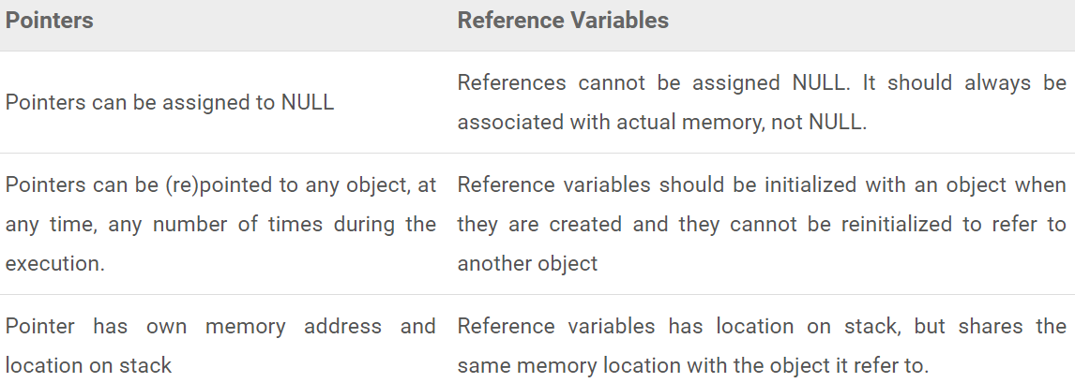

https://www.thecrazyprogrammer.com/2015/10/cpp-interview-questions-and-answers.html
1. What is Object Oriented Programming Approach?
 | Object Oriented Programming is an approach that provides a way of modularizing programs by creating partitioned memory area for data as well as functions that can be used as templates for creating copies of such modules on demand. OOP allows decomposition of a problem into a number of entities called Objects and then builds data and functions around these objects.

2. What is a Class?
 | An entire set of data and code of an object can be made user-defined data type using a class. Objects are variables of Class type. Once a Class has been defined, we can create numerous Objects of its type. A Class is a collection of Objects of similar type.

3. What is Hierarchical Inheritance?
 | Hierarchical Inheritance occurs when traits of one Class is inherited by more than one classes.
4. What are Iterators in C++ STL?
 | Iterators behave similar to Pointers and are used to access container elements. They are used to traverse from one element to another. This process is known as ‘iterating through the container’.

5. What is Polymorphism?
 | It is the ability to showcase or exhibit different behaviors under different instances. The process of making and Operator or a Function behave differently in different instances is known as Operator Overloading.

6. What is iostream?
 | iostream is a header file in C++. It includes function prototypes for Standard Input Output Functions which include definitions for cout and cin too. The header file is declared as #include<iostream>

7. What is Dynamic Binding?
 | Binding is the linking of a procedure call to the code to be executed in response to the call. Dynamic Binding is also know as Late Binding which means that the code associated with a given procedure call is unknown until the time of call at run-time.

8. What are the applications of Object Oriented Programming?
 | The areas of applications for OOP includes:
 | 1. Artificial Intelligence Systems
 | 2. Simulation and Modelling
 | 3. Real-Time Systems
 | 4. Neural networks and Parallel Programming
 | 5. Object Oriented Databases
9. What is a Destructor?
 | A Destructor is used to destroy the objects that have been created by Constructor. It is basically used to clean up storage that is no longer accessible. A Destructor is a member function. Its name is the same as the class name but is preceded by a Tilde.

10. What is a Namespace?
 | It is mandatory that all the C++ programs must include Namespaces. Namespaces in C++ defines a scope for the identifiers that are used in the program.
11. What is Enumerated Data Type?
 | An Enumerated Data Type is another User-Defined Type which provides a way for attaching numbers, thereby increasing comprehensibility of the program code. The enum keyword automatically enumerates a list of words by assigning them values 0,1,2,3, and so on.

12. What are Lists in C++ STL?
 | A List is another very important Container in C++. It supports bidirectional, linear list and provides and efficient implementation for deletion and insertion operatons. A List can only be sequentially accessed.

13. Enlist Operators in C++.
 | new Memory allocation operator
 | .* Pointer to Member Operator
 | endl Line feed operator
 | :: Scope Resolution Operator
 | ::* Pointer to Member Declarator
 | delete Memory Release Operator
 | ->* Pointer to Member Operator
 | setw Field width operator
14. Explain catch block in C++ Exception Handling.
 | A catch block is defined by keyword catch that catches Exceptions thrown in by throw block and then handles it accordingly. The catch block that intercepts an exception immediately follow the try block that throws the exception. There can be multiple catch statements in a single program.

15. What is Function Prototyping?
 | A Function Prototype depicts the function interface to the compiler by providing the details regarding Number and Type of arguments and the type of return values. With function or method prototyping, a template is always used when declaring and defining a function.

16. What is the ifstream() method?
 | ifstream() method provides input operations. It contains open() method with default input mode. It also inherits functions such as get(), getline(), read(), seekg() and tellg() functions from istream.
17. What is Multilevel Inheritance?
 | The mechanism of deriving a Class from a previously Derived Class is known as Multiple Inheritance.
18. What is an Object?
 | Objects are basic Run-Time entities in an Object oriented system. They may represent a place, a bank account or a person. Objects are essentially the variables that are of Class types.
19. What is an Inline Function?
 | To eliminate the cost of calls and few other overheads to small functions, C++ provides a new feature called Inline Function. An inline function is a function that is expanded in line when it is invoked. This helps to save memory space. This is some what similar to Macro Expansion.
...

C
...
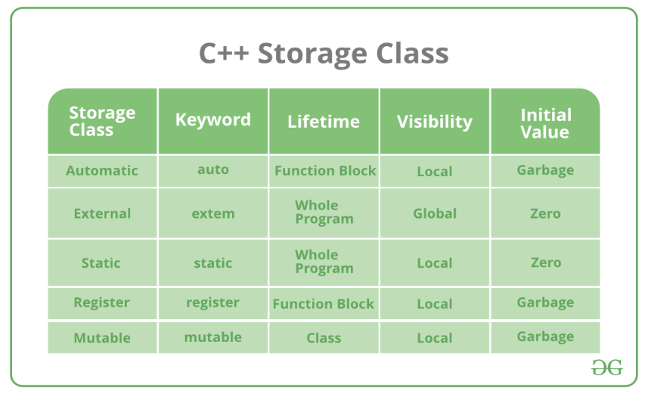
...
 |  |  |  |  | specifier: auto, extern, static, register
 |  |  |  |  | qualifier, keyword : volatile, const
 |  |  |  |  | modifier : short, long, signed, unsigned, long long
 |  | Stack segment, |  |  | directive: preprocessor directives #~~~
 |  | Heap segment,
 |  | BSS (block started by symbol, Uninitialized data segment)
 |  | DS (Data segment, Initialized data segment) and
 |  | Text segment(Binary code).
...
 | stored at heap segment
 | They are used to allocate memory dynamically.
 | The memory that is allocated by calloc is initialized with 0.
 | malloc takes one argument but calloc takes two.
What is the purpose of realloc( )?
 | The realloc function is used to resize the allocated block of memory.
What is dynamic memory fragmentation?
 | One of the major problems with dynamic memory allocation is fragmentation, basically, fragmentation occurred when the user does not use the memory efficiently.

 | There are two types of fragmentation, external fragmentation, and internal fragmentation.
 | external fragmentation
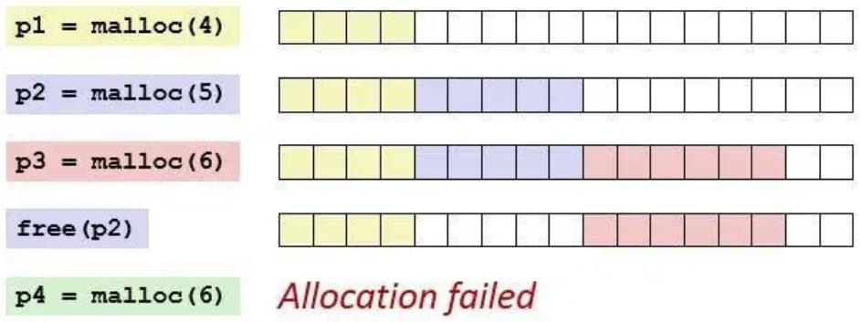

 | internal fragmentation.
 | Whenever we called the malloc function then it reserves some extra bytes (depend on implementation and system) for bookkeeping.
 | This extra byte is reserved for each call of malloc and become a cause of the internal fragmentation.

https://aticleworld.com/c-interview-questions/3/
 |  |  |  | 중요!!!
What is the difference between memcpy and memmove?
 | https://m.blog.naver.com/PostView.nhn?blogId=sharonichoya&logNo=220510332768&proxyReferer=https%3A%2F%2Fwww.google.com%2F
...
We hope that we could clarify that any array name itself is a pointer to the first element but & (i.e. address-of) for the array name is a pointer to the whole array itself.

 | char dblArr[6][3];
 | int cnt1, cnt2, cnt3;
 | printf("dblArr=%p, &dblArr=%p\n", dblArr, &dblArr);
 | printf("dblArr+1=%p, &dblArr+1=%p\n", dblArr + 1, &dblArr + 1);
 | cnt1 = *(dblArr + 1) - *dblArr; // 3
 | cnt2 = *(&dblArr + 1) - dblArr; // 6
 | cnt3 = **(&dblArr + 1) - *dblArr; // 18
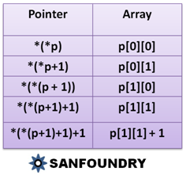
 |  |  | *(*(p+a)+b) = p[a][b]

C Programming Comma Operator |  |  |  | http://www.c4learn.com/c-programming/c-comma-operator/
 | int num1 = 1, num2 = 2, num3 = 3;
 | int res1, res2;
 | res1 = (num1, num2, num3); // 3 |  |  | comma operator가 제일 후순위 연산자이다.
 | res2 = num1, num2, num3; // 1
 | printf("Computer","Programming"); // Computer

 | int choice = 2 ;
...

linux
...
9. What command would you use to check how much memory is being used by Linux?
 | ‘>>’ appends the new content to the end of the file or creates a new file.
21. Why is the tar command used?
 | The tar command is used to extract or create an archived file.
22. What is a Latch?
 | A Latch is a temporary storage device controlled by timing signal which can either store 0 or 1.
23. What is a Microprocessor?

24. Explain Regular Expressions and Grep
 | Regular Expressions are used to search for data having a particular pattern. Some of the commands used with Regular Patterns are: tr, sed, vi and grep.
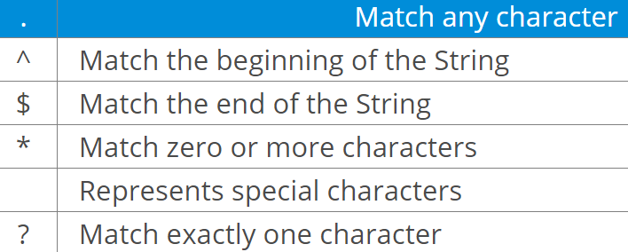

25. What is the minimum number of disk partitions required to install Linux?
 | The minimum number of partitions required is 2.
 | One partition is used as the local file system where all the files are stored. This includes files of the OS, files of applications and services, and files of the user.
 | the other partition is used as Swap Space which acts as an extended memory for RAM.

Part B – Scenario Based Questions

1. How to copy a file in Linux?
2. How to terminate a running process in Linux?
...
21. What is the export command used for?
 | $ export JAVA_HOME = /home/user/Java/bin
22. How do you check if a particular service in running?
 | $ service --status-all
23. How do you check the status of all the services?
 | $ service --status-all
24. How do you start and stop a service?
 | $ service <servicename> start
 | $ service <servicename> stop
25. Explain the free command.
 | This command is used to display the free, used, swap memory available in the system.
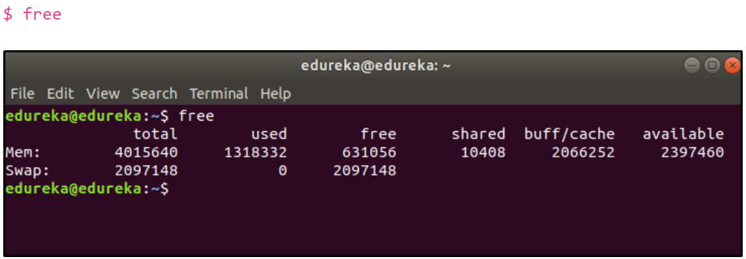

https://www.guru99.com/linux-interview-questions-answers.html
Top 60 Linux Interview Questions & Answers
1) What is Linux?
 | Linux is an operating system based on UNIX and was first introduced by Linus Torvalds.
 | It is based on the Linux Kernel and can run on different hardware platforms manufactured by Intel, MIPS, HP, IBM, SPARC, and Motorola.
 | Another popular element in Linux is its mascot, a penguin figure named Tux.
2) What is the difference between UNIX and LINUX?
 | Unix originally began as a propriety operating system from Bell Laboratories, which later on spawned into different commercial versions.
 | On the other hand, Linux is free, open source and intended as a non-propriety operating system for the masses.
...

INTR
...
Interrupts v/s Polling
 | Polling
 |  | The polling method is like a salesperson.
 |  | The salesman goes from door to door while requesting to buy a product or service.
 |  | Similarly, the controller keeps monitoring the flags or signals one by one for all devices and provides service to whichever component that needs its service.
Interrupt Service Routine
 | When an interrupt occurs, the microcontroller runs the interrupt service routine.
 | For every interrupt, there is a fixed location in memory that holds the address of its interrupt service routine, ISR.
 | The table of memory locations set aside to hold the addresses of ISRs is called as the Interrupt Vector Table.

Interrupt Vector Table
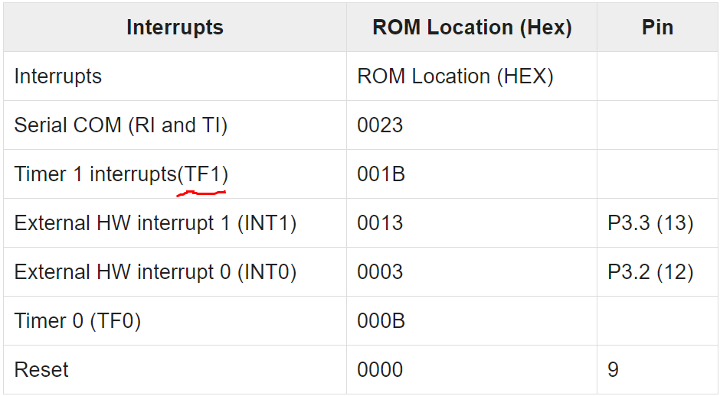

Steps to Execute an Interrupt
 | When an interrupt gets active, the microcontroller goes through the following steps −
 | The microcontroller closes the currently executing instruction and saves the address of the next instruction (PC) on the stack.
 | It also saves the current status of all the interrupts internally (i.e., not on the stack).
 | It jumps to the memory location of the interrupt vector table that holds the address of the interrupts service routine.
 | The microcontroller gets the address of the ISR from the interrupt vector table and jumps to it.
 | It starts to execute the interrupt service subroutine, which is RETI (return from interrupt).
 | Upon executing the RETI instruction, the microcontroller returns to the location where it was interrupted.
 | First, it gets the program counter (PC) address from the stack by popping the top bytes of the stack into the PC. Then, it start to execute from that address.
Edge Triggering vs. Level Triggering
 | Upon Reset, all the interrupts are disabled even if they are activated.
 | The interrupts must be enabled using software in order for the microcontroller to respond to those interrupts.
 | IE (interrupt enable) register is responsible for enabling and disabling the interrupt. IE is a bitaddressable register.
Interrupt Enable Register
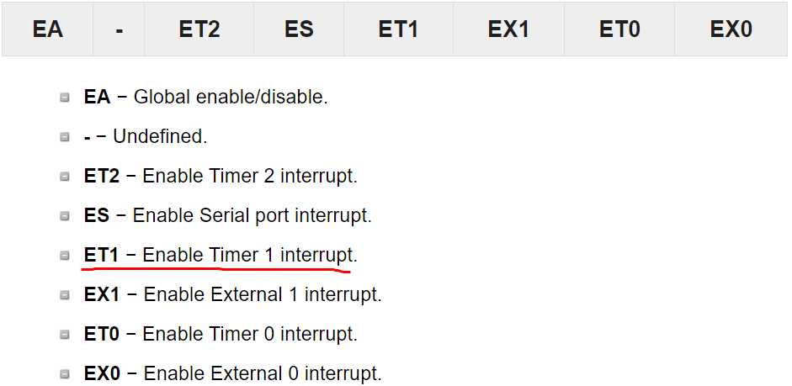

Interrupt Priority in 8051
 | We can alter the interrupt priority by assigning the higher priority to any one of the interrupts.
 | This is accomplished by programming a register called IP (interrupt priority).
 | The following figure shows the bits of IP register. Upon reset, the IP register contains all 0's.
 | To give a higher priority to any of the interrupts, we make the corresponding bit in the IP register high.
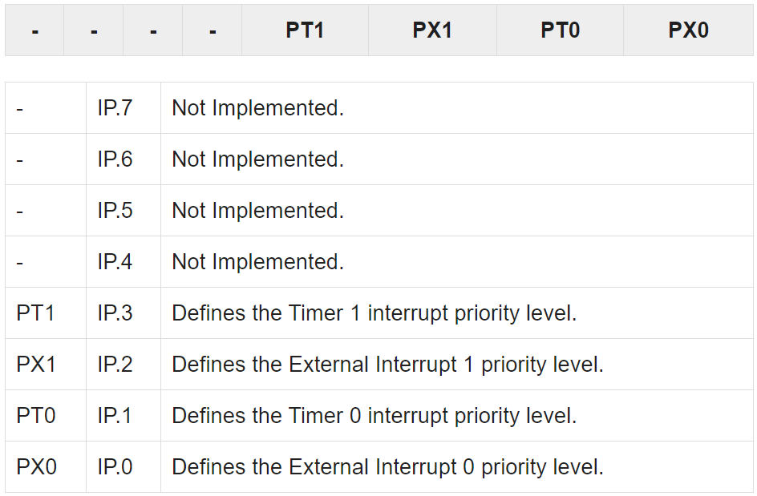

Triggering an Interrupt by Software
 | There are times when we need to test an ISR by way of simulation.
 | This can be done with the simple instructions to set the interrupt high and thereby cause the 8051 to jump to the interrupt vector table.
 | For example, set the IE bit as 1 for timer 1. An instruction SETB TF1 will interrupt the 8051 in whatever it is doing and force it to jump to the interrupt vector table.

 | interrupt --> setting the specific bit in IE register --> lookup the table of IVT -->ISR

https://www.embedded.com/introduction-to-interrupt-debugging/
Introduction to Interrupt Debugging
 | Interrupt-related problems are among the hardest to debug.
...
 | 1. Read variable X into register |  | A. Read variable X into register
 | 2. Decrement register contents |  | B. Increment register contents
 | 3. Store result back at variable X |  | C. Store result back at variable X

 | Let's say that the shared variable X is tracking the number of bytes in a buffer. The ISR puts a byte into the buffer and increments X.
 | The mainline code reads a byte from the buffer and decrements X. Say that X starts out with a value of 4. The ISR puts a byte into the buffer and increments it to 5.
 | The mainline code then reads a byte and decrements the count back to 4.
 | But if an interrupt occurs between lines 1 and 3 in the mainline code, the value of X will be corrupted.
 | First, the mainline code reads X, which is 4, into a register. Then the ISR occurs, also reads 4, and increments X to 5.
 | After the ISR completes, the mainline code finishes, storing the improper value 3 in X. This sequence is illustrated in Figure 1.
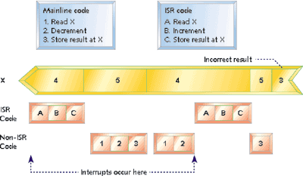

 | Solutions:
 | Some processors have atomic read-modify-write instructions that can read the memory location, modify the value, and write the new value back to memory without interruption.
 | By far, the best solution is to avoid sharing variables and hardware registers between ISR and mainline code.
 | In the example of the counter, this could be accomplished by using two counters. One counter is incremented by the mainline code, and the other counter ISR code.
 | The number of bytes in the buffer is the difference between the two counts.
 | Ideally, variables that are only written by the ISR code are only read by the mainline code, and vice versa.

 | Stack overflow
 | Since the return address and any additional context information is always added to the stack, an interrupt uses up stack space.
 | If you add more information to the stack than it can hold, you get stack overflow.
...

automation
...
Regression test cases are very crucial in incremental software approach where a new functionality is added at each increment phase. In this case, regression testing is performed at each incremental phase.

(iii) Complex Calculation test cases: Test cases which involve some complex calculations to verify a field for an application fall into this category. Complex calculation results are more prone to human errors hence when automated they give accurate results.

(iv) Data-driven test cases: Test cases which have the same set of steps and run multiple times with the change of data are known as data-driven test cases. Automated testing for these kinds of test cases is quick and cost-effective.

(v) Non-functional test cases: Test cases like load tests and performance tests require a simulated environment with multiple users and multiple hardware or software combinations.

Setting up multiple environments manually is impossible for each combination or number of users. Automated tools can easily create this environment to perform non-functional testing easily.
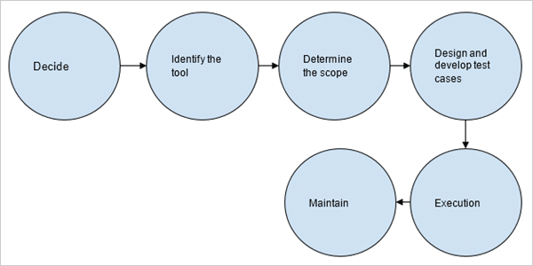
...
Answer: The phases in Automation testing life Cycle include:

1. The decision to perform automation testing.
2. Identify and learn about the automation tool.
3. Determine the scope of automation testing.
4. Design and develop a test suite.
5. Test Execution
6. Maintenance of test scripts.

phases in Automation testing Life Cycle
...
Answer: An automated test script is a short program that is written in a programming language to perform a set of instructions on an application under test to verify if the application is as per the requirements.

This program when run, gives the test results as pass or fail to depend on if the application is as per the expectations.

