UDC
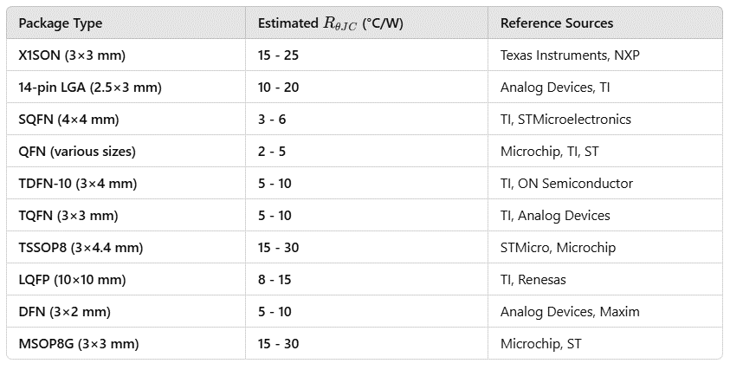
ESATAN Name | Component | Package | W (mm) | L (mm) | H (mm) | RθJC​ (°C/W) | Conductance G (W/K)
NGTN_ADCS_U1 | LPV542 | X1SON | 3 | 3 | 0.45 | 20 | 0.05
NGTN_ADCS_U2 | LPV542 | X1SON | 3 | 3 | 0.45 | 20 | 0.05
NGTN_ADCS_U3 | LPV542 | X1SON | 3 | 3 | 0.45 | 20 | 0.05
NGTN_ADCS_U4 | IIM-42652 | 14-pin LGA | 2.5 | 3 | 0.91 | 15 | 0.067
NGTN_ADCS_U5 | BD2606MVV | SQFN016V4040 | 4 | 4 | 1 | 4 | 0.25
NGTN_ADCS_U6 | TMUX1108RSVR | RSV (QFN, 16) | 2.6 | 1.8 | 0.5 | 5 | 0.2
NGTN_ADCS_U7 | MMC5983MA | ILSP | 3 | 3 | 1 | 15 | 0.067
NGTN_Batt_Heater
NGTN_EPS_IC1 | DS2782E+ | TDFN-10 | 3 | 4 | 0.5 | 7 | 0.143
NGTN_EPS_IC2 | ISL9120IRTNZ | TQFN | 3 | 3 | 0.5 | 7 | 0.143
NGTN_EPS_U1 | SPV1040TTR | TSSOP8 | 3 | 4.4 | 0.5 | 20 | 0.05
NGTN_EPS_U2 | SPV1040TTR | TSSOP8 | 3 | 4.4 | 0.5 | 20 | 0.05
NGTN_EPS_U3 | SPV1040TTR | TSSOP8 | 3 | 4.4 | 0.5 | 20 | 0.05
NGTN_EPS_U4 | LTC4040EUFD#PBF | QFN | 4 | 5 | 0.75 | 3 | 0.333
NGTN_OBC_STM32 | STM32L476RGTx | LQFP - 64 pins | 10 | 10 | 1.6 | 10 | 0.1
NGTN_OBC_SX1262 | SX1262IMLTRT | QFN (24L) | 4 | 4 | 0.5 | 4 | 0.25
NGTN_PLTOP_U1 | HMC342LC4 | SMT | 4 | 4 | 0.5 | 5 | 0.2
NGTN_PLTOP_U2 | HMC516LC5 | RoHS Compliant?? | 5 | 5 | 0.5 | 5 | 0.2
NGTN_PLTOP_Y1 | HMC506LP4ETR | QFN Leadless SMT | 4 | 4 | 0.5 | 4 | 0.25
NGTN_PLUNDER_U1 | CMD271P3 | QFN Package | 3 | 3 | 0.5 | 5 | 0.2
NGTN_PLUNDER_U2 | SIM-14+ | HV1195 | 5.08 | 4.57 | 2.03 | 8 | 0.125
NGTN_PLUNDER_U3 | LT5537EDDB#TRMPBF | DFN (8L) | 3 | 2 | 0.5 | 7 | 0.143
NGTN_PLUNDER_U4 | LEE2-6+ | MC1630-1 (6L) | 2 | 2 | 0.89 | 10 | 0.1
NGTN_PLUNDER_U5 | LEE2-6+ | MC1630-1 (6L) | 2 | 2 | 0.89 | 10 | 0.1
NGTN_PLUNDER_U7 | HMC358MS8GE | MSOP8G SMT | 3 | 3 | 0.5 | 20 | 0.05

Extra
Vertical Connectors (new) |  |  |  | 0
Inner Connector | Stack VC | Pbronze | 8800 | 0.35
Plastic Cover | Stack VC | ABS | 1070 | 0.4
Total |  |  |  | 2.9g (4)

ADCS RAW | 5.6g
OBC RAW | 5.4g
EPS RAW | 5.5g
bottom raw | 14.2g
Y mag raw | 7.1g
Lat raw | 9.5

lateral | 9.8
laterals comps | 10.2
lateral comps solar | 11.2
lateral comps solar thermal | 11.4

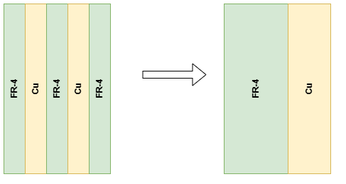
PCBS |  |  | (mm)
Capas de cobre | 4 | de | 0.035 | 0.14 |  | R= rho* l/A |  | rho= suma[rho_i * w_i]
FR4 | 3 | de | 0.48 | 1.44
Mascara | 2 | de | 0.01 | 0.02

Laterales y Bot
Capas de cobre | 6 | de | 0.035 | 0.21
FR4 | 3 | de | 0.1 | 0.3
FR4 | 2 | de | 0.735 | 1.47
Mascara | 2 | de | 0.01 | 0.02

Y Mag
Capas de cobre | 6 | de | 0.035 | 0.21
FR4 | 5 | de | 0.354 | 1.77
Mascara | 2 | de | 0.01 | 0.02

Slider |  |  |  |  |  |  |  |  |  |  | rho= suma[rho_i * w_i]
Cobre | 2 | de | 0.035 | 0.07
FR4 | 1 | de | 1.51 | 1.51
Mascara | 2 | de | 0.01 | 0.02

Kband Top
FR4 | 1 | de | 0.21 | 0.21
Cobre | 2 | de | 0.035 | 0.07
Mascara | 2 | de | 0.01 | 0.02

Kband Support
FR4 | 1 | de | 0.91 | 0.91
Cobre | 2 | de | 0.035 | 0.07 |  |  | Screws:
Mascara | 2 | de | 0.01 | 0.02 |  |  | Total len | 35mm
 |  |  |  |  |  |  | 24.88 | under kband | 0.71% | add to spacer | 0.1775*m_t
Kband Antenna |  |  |  |  |  |  | 10.12 | overkband | 0.29% | add to support | 0.29*4*m_t | (4 screws)
Cobre | 0 | de | 0 | 0 | 5% area de antenna
Rogers | 1 | de | 0.254 | 0.254 | hecha de cobre
Mascara | 0 | de | 0 | 0

Kband Over
Rogers | 0.254
FR4 | 1.12
Cobre | 0.14
Mascara | 0.04

Kband Bot
Rogers | 1 | de | 0.21 | 0.21
Cobre | 2 | de | 0.035 | 0.07
Mascara | 2 | de | 0.01 | 0.02

Kband Interface
FR4 | 3 | de | 0.28 | 0.84
Cobre | 4 | de | 0.035 | 0.14
Mascara | 2 | de | 0.01 | 0.02

Kband Under
FR4 | 0.84
Rogers | 0.21
Cobre | 0.21
Mascara | 0.04

