Extra
Vertical Connectors (new) |  |  |  | #REF!
Inner Connector | Stack VC | Pbronze | 8800 | 0.35
Plastic Cover | Stack VC | ABS | 1070 | 0.4
Total |  |  |  | 2.9g (4)

ADCS RAW | 5.6g
OBC RAW | 5.4g
EPS RAW | 5.5g
bottom raw | 14.2g
Y mag raw | 7.1g
Lat raw | 9.5

lateral | 9.8
laterals comps | 10.2
lateral comps solar | 11.2
lateral comps solar thermal | 11.4

Source: | KiCad PQ Hardware
PCBS |  |  | (mm)
Capas de cobre | 4 | de | 0.035 | 0.14 |  | R= rho* l/A |  | rho= suma[rho_i * w_i]
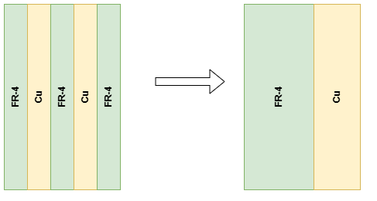
FR4 | 3 | de | 0.48 | 1.44
Mascara | 2 | de | 0.01 | 0.02

Laterales y Bot
Capas de cobre | 6 | de | 0.035 | 0.21
FR4 | 3 | de | 0.1 | 0.3
FR4 | 2 | de | 0.735 | 1.47
Mascara | 2 | de | 0.01 | 0.02

Y Mag
Capas de cobre | 6 | de | 0.035 | 0.21
FR4 | 5 | de | 0.354 | 1.77
Mascara | 2 | de | 0.01 | 0.02

Slider |  |  |  |  |  |  |  |  |  |  | rho= suma[rho_i * w_i]
Cobre | 2 | de | 0.035 | 0.07
FR4 | 1 | de | 1.51 | 1.51
Mascara | 2 | de | 0.01 | 0.02

Kband Top
FR4 | 1 | de | 0.21 | 0.21
Cobre | 2 | de | 0.035 | 0.07
Mascara | 2 | de | 0.01 | 0.02

Kband Support
FR4 | 1 | de | 0.91 | 0.91
Cobre | 2 | de | 0.035 | 0.07 |  |  | Screws:
Mascara | 2 | de | 0.01 | 0.02 |  |  | Total len | 35mm
 |  |  |  |  |  |  | 24.88 | under kband | 0.71% | add to spacer | 0.1775*m_t
Kband Antenna |  |  |  |  |  |  | 10.12 | overkband | 0.29% | add to support | 0.29*4*m_t | (4 screws)
Cobre | 0 | de | 0 | 0 | 5% area de antenna
Rogers | 1 | de | 0.254 | 0.254 | hecha de cobre
Mascara | 0 | de | 0 | 0
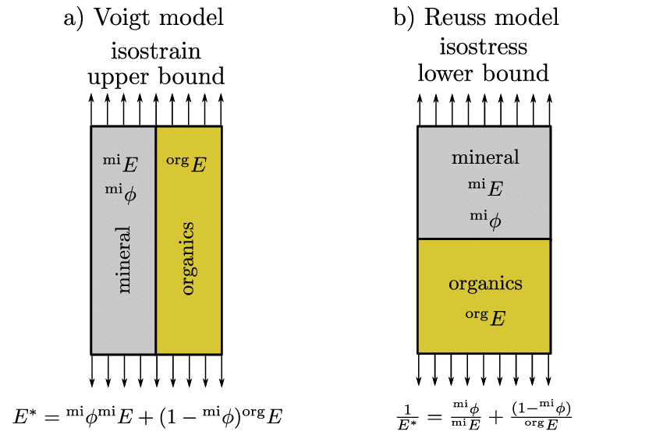

Kband Over
Rogers | 0.254
FR4 | 1.12
Cobre | 0.14
Mascara | 0.04

Kband Bot
Rogers | 1 | de | 0.21 | 0.21
Cobre | 2 | de | 0.035 | 0.07
Mascara | 2 | de | 0.01 | 0.02

Kband Interface
FR4 | 3 | de | 0.28 | 0.84
Cobre | 4 | de | 0.035 | 0.14
Mascara | 2 | de | 0.01 | 0.02

Kband Under
FR4 | 0.84
Rogers | 0.21
Cobre | 0.21
Mascara | 0.04

 |  |  |  |  |  |  |  | Used for E' and poisson
ICES-2019-335 Stack Calculus:
6980.8 | 7000
Config A, considering the maximum lower boundary of error and reducing 20% due to torque differences

