CPE Fact Sheet Backup
Date | CPEAX | % Return | DD | S&P 500 TR Index | % Return | DD | CURRENT | 2020-12-31
2011-12-22 | 10,000 |  |  | 10,000.00 |  |  | Risk Free Rate: |  | 0.0723%
2011-12-31 | 9,975 | -0.25% | -0.25% | 10,032.07 | 0.32% | 0.00% | Months: |  | 108.28
2012-01-31 | 10,161 | 1.86% | 0.00% | 10,481.64 | 4.48% | 0.00% |  |  |  |  |  |  |  | CPEAX |  | SP500TR |  |  |  | CURRENT |  | SP500TR
2012-02-29 | 10,597 | 4.29% | 0.00% | 10,934.89 | 4.32% | 0.00% |  |  | CPEAX | S&P 500 TR Index |  | YTD | 2019-12-31 | 29,201 | 21.00% | 30,453 | 18.40% |  | 2011-12-31 | 9,975 |  | 10,032
2012-03-31 | 10,839 | 2.28% | 0.00% | 11,294.73 | 3.29% | 0.00% | Standard Deviation: |  | 14.56% | 13.23% |  | 1YR | 2019-12-31 | 29,201 | 21.00% | 30,453 | 18.40% | 2012 | 2012-12-31 | 11,239 | 12.62% | 11,638 | 16.00%
2012-04-30 | 11,160 | 2.96% | 0.00% | 11,223.87 | -0.63% | -0.63% | Sharpe Ratio: |  | 1.03 | 1.15 |  | 5YRS | 2015-12-31 | 20,013 | 12.04% | 17,758 | 15.22% | 2013 | 2013-12-31 | 15,383 | 36.87% | 15,407 | 32.39%
2012-05-31 | 10,520 | -5.73% | -5.73% | 10,549.30 | -6.01% | -6.60% | Alpha: |  | 0.40 |  |  | 3YRS | 2017-12-31 | 27,385 | 8.86% | 24,222 | 14.18% | 2014 | 2014-12-31 | 18,755 | 21.92% | 17,516 | 13.69%
2012-06-30 | 10,680 | 1.52% | -4.30% | 10,983.96 | 4.12% | -2.75% | Beta: |  | 0.96 |  |  | Inception | 2011-12-22 | 10,000 | 15.01% | 10,000 | 15.27% | 2015 | 2015-12-31 | 20,013 | 6.71% | 17,758 | 1.38%
2012-07-31 | 10,720 | 0.37% | -3.94% | 11,136.51 | 1.39% | -1.40% | R-squared: |  | 0.77 |  |  | Current | 2020-12-31 | 35,332 |  | 36,056 |  | 2016 | 2016-12-31 | 21,585 | 7.85% | 19,882 | 11.96%
2012-08-31 | 10,870 | 1.40% | -2.60% | 11,387.34 | 2.25% | 0.00% | % positive months |  | 67.4% | 73.9% |  |  |  |  |  |  |  | 2017 | 2017-12-31 | 27,385 | 26.87% | 24,222 | 21.83%
2012-09-30 | 11,100 | 2.12% | -0.54% | 11,681.62 | 2.58% | 0.00% | max DD |  | -22.85% | -19.60% |  |  |  |  |  |  |  | 2018 | 2018-12-31 | 26,275 | -4.06% | 23,160 | -4.38% | Hard-coded
2012-10-31 | 10,890 | -1.89% | -2.42% | 11,465.92 | -1.85% | -1.85% | Cumulative Return |  | 253.32% | 260.56% |  |  |  |  |  |  |  | 2019 | 2019-12-31 | 29,201 | 11.14% | 30,453 | 31.49%
2012-11-30 | 11,270 | 3.49% | 0.00% | 11,532.41 | 0.58% | -1.28% | Ann. Inception |  | 15.01% | 15.27% |  |  |  |  |  |  |  | 2020 | 2020-12-31 | 35,332 | 21.00% | 36,056 | 18.40%
 | CPEAX | S&P 500 TR Index
YTD | -17.995959042 | -19.598020621
1 Year | -17.855305135 | -6.9778937445
3 Years | 1.5354341416 | 5.1041904734
5 Years | 3.6121593673 | 6.7263952685
Since Inception* | 11.131708455 | 11.430941886
 | CPEAX | S&P 500 TR Index
YTD | 4.0683538235 | -3.0807636143
1 Year | 5.1013349934 | 7.5050988025
3 Years | 8.301280023 | 10.729863069
5 Years | 9.0638704036 | 10.728476968
Since Inception* | 13.929108228 | 13.539556342
 | CPEAX | S&P 500 TR Index
YTD | 4.0683538235 | -3.0807636143
1 Year | 5.1013349934 | 7.5050988025
3 Years | 8.301280023 | 10.729863069
5 Years | 9.0638704036 | 10.728476968
Since Inception* | 13.929108228 | 13.539556342
 | CPEAX | S&P 500 TR Index
YTD | 7.6778192528 | 5.5734508062
1 Year | 14.130671506 | 15.148978379
3 Years | 7.5316965034 | 12.279734245
5 Years | 11.317856909 | 14.148117261
Since Inception* | 13.948512404 | 14.23
 | CPEAX | S&P 500 TR Index
YTD | 21.00 | 18.40
1 Year | 21.00 | 18.40
3 Years | 8.86 | 14.18
5 Years | 12.04 | 15.22
Since Inception* | 15.01 | 15.27
2012-12-31 | 11,239 | -0.28% | -0.28% | 11,637.52 | 0.91% | -0.38% | # positive months |  | 73 | 80
2013-01-31 | 11,880 | 5.70% | 0.00% | 12,240.30 | 5.18% | 0.00%
2013-02-28 | 11,880 | 0.00% | 0.00% | 12,406.47 | 1.36% | 0.00% | Share Class/Benchmark | YTD | 1 Year | 3 Years | 5 Years | Since Inception*
2013-03-31 | 12,211 | 2.79% | 0.00% | 12,871.75 | 3.75% | 0.00% | Class A | 21.00 | 21.00 | 8.86 | 12.04 | 15.01
2013-04-30 | 12,421 | 1.72% | 0.00% | 13,119.75 | 1.93% | 0.00% | Class C | 20.08 | 20.08 | 8.05 | 11.21 | 14.15
2013-05-31 | 12,712 | 2.34% | 0.00% | 13,426.62 | 2.34% | 0.00% | S&P 500 TR Index | 18.40 | 18.40 | 14.18 | 15.22 | 15.27
2013-06-30 | 12,421 | -2.29% | -2.29% | 13,246.32 | -1.34% | -1.34% | Class A w/ Sales Charge | 14.04 | 14.04 | 6.74 | 10.72 | 14.26
2013-07-31 | 13,022 | 4.84% | 0.00% | 13,920.38 | 5.09% | 0.00% | Class I | 21.32 | 21.32 | 9.13 | 12.32 | 12.35
2013-08-31 | 12,611 | -3.16% | -3.16% | 13,517.23 | -2.90% | -2.90% | S&P 500 TR Index | 18.40 | 18.40 | 14.18 | 15.22 | 12.74
2013-09-30 | 13,373 | 6.04% | 0.00% | 13,941.11 | 3.14% | 0.00%
2013-10-31 | 14,254 | 6.59% | 0.00% | 14,581.94 | 4.60% | 0.00%
2013-11-30 | 14,765 | 3.58% | 0.00% | 15,026.31 | 3.05% | 0.00% | Sector Allocation | % Assets | SP500TR | Top 10 Holdings | % Assets
2013-12-31 | 15,383 | 4.19% | 0.00% | 15,406.74 | 2.53% | 0.00% | Information Technology | 33.4% | 27.6% | DocuSign Inc | 7.4%
2014-01-31 | 15,306 | -0.50% | -0.50% | 14,874.04 | -3.46% | -3.46% | Communication Services | 16.9% | 10.8% | Teradyne Inc | 6.6%
2014-02-28 | 16,343 | 6.78% | 0.00% | 15,554.46 | 4.57% | 0.00% | Consumer Discretionary | 15.6% | 12.7% | Apple Inc | 5.6%
2014-03-31 | 16,234 | -0.67% | -0.67% | 15,685.18 | 0.84% | 0.00% | Industrials | 15.5% | 8.4% | Amazon.com Inc | 5.2%
2014-04-30 | 15,601 | -3.90% | -4.54% | 15,801.11 | 0.74% | 0.00% | Health Care | 14.4% | 13.5% | UnitedHealth Group Inc | 4.3%
2014-05-31 | 16,354 | 4.83% | 0.00% | 16,172.06 | 2.35% | 0.00% | Materials | 3.7% | 2.6% | KLA Corp | 4.2%
2014-06-30 | 16,834 | 2.94% | 0.00% | 16,506.12 | 2.07% | 0.00% | Cash | 0.5% | 0.0% | Netflix Inc | 4.2%
2014-07-31 | 16,375 | -2.73% | -2.73% | 16,278.47 | -1.38% | -1.38% | Financials | 0.0% | 10.4% | Target Corp | 3.9%
2014-08-31 | 17,576 | 7.33% | 0.00% | 16,929.72 | 4.00% | 0.00% | Consumer Staples | 0.0% | 6.5% | Zendesk Inc | 3.8%
2014-09-30 | 17,510 | -0.38% | -0.38% | 16,692.31 | -1.40% | -1.40% | Real Estate | 0.0% | 2.4% | Pinterest Inc | 3.7%
2014-10-31 | 17,892 | 2.18% | 0.00% | 17,100.02 | 2.44% | 0.00% | Utilities | 0.0% | 2.8%
2014-11-30 | 18,874 | 5.49% | 0.00% | 17,559.91 | 2.69% | 0.00% | Energy | 0.0% | 2.3%
2014-12-31 | 18,755 | -0.63% | -0.63% | 17,515.67 | -0.25% | -0.25%
2015-01-31 | 18,888 | 0.71% | 0.00% | 16,989.85 | -3.00% | -3.25%
2015-02-28 | 19,560 | 3.56% | 0.00% | 17,966.31 | 5.75% | 0.00% | Portfolio Characteristics
2015-03-31 | 20,053 | 2.52% | 0.00% | 17,682.17 | -1.58% | -1.58% | Long equity holdings: | 27
2015-04-30 | 19,272 | -3.89% | -3.89% | 17,851.82 | 0.96% | -0.64% | Median Market Capitalization: | $41.3B | 41322.36
2015-05-31 | 20,137 | 4.49% | 0.00% | 18,081.37 | 1.29% | 0.00% | Average Market Capitalization: | $204.4B | 204237.05
2015-06-30 | 19,693 | -2.20% | -2.20% | 17,731.33 | -1.94% | -1.94% | Median P/E ratio: | 29.77 | 29.77
2015-07-31 | 20,413 | 3.66% | 0.00% | 18,102.84 | 2.10% | 0.00%
2015-08-31 | 18,743 | -8.18% | -8.18% | 17,010.62 | -6.03% | -6.03%
2015-09-30 | 18,395 | -1.86% | -9.89% | 16,589.71 | -2.47% | -8.36%
2015-10-31 | 19,452 | 5.75% | -4.71% | 17,989.13 | 8.44% | -0.63%
2015-11-30 | 19,765 | 1.61% | -3.17% | 18,042.61 | 0.30% | -0.33%
2015-12-31 | 20,013 | 1.25% | -1.96% | 17,758.05 | -1.58% | -1.90%
2016-01-31 | 18,296 | -8.58% | -10.37% | 16,876.84 | -4.96% | -6.77%
2016-02-29 | 17,687 | -3.33% | -13.35% | 16,854.07 | -0.13% | -6.90%
2016-03-31 | 18,941 | 7.09% | -7.21% | 17,997.40 | 6.78% | -0.58%
2016-04-30 | 18,649 | -1.54% | -8.64% | 18,067.20 | 0.39% | -0.20%
2016-05-31 | 19,940 | 6.92% | -2.32% | 18,391.63 | 1.80% | 0.00%
2016-06-30 | 20,147 | 1.04% | -1.30% | 18,439.31 | 0.26% | 0.00%
2016-07-31 | 21,122 | 4.84% | 0.00% | 19,119.13 | 3.69% | 0.00%
2016-08-31 | 20,768 | -1.68% | -1.68% | 19,145.99 | 0.14% | 0.00%
2016-09-30 | 21,073 | 1.47% | -0.23% | 19,149.57 | 0.02% | 0.00%
2016-10-31 | 20,841 | -1.10% | -1.33% | 18,800.27 | -1.82% | -1.82%
2016-11-30 | 21,377 | 2.57% | 0.00% | 19,496.54 | 3.70% | 0.00%
2016-12-31 | 21,585 | 0.97% | 0.00% | 19,881.89 | 1.98% | 0.00%
2017-01-31 | 22,486 | 4.17% | 0.00% | 20,258.98 | 1.90% | 0.00%
2017-02-28 | 23,302 | 3.63% | 0.00% | 21,063.43 | 3.97% | 0.00%
2017-03-31 | 22,876 | -1.83% | -1.83% | 21,087.96 | 0.12% | 0.00%
2017-04-30 | 23,192 | 1.38% | -0.47% | 21,304.55 | 1.03% | 0.00%
2017-05-31 | 23,996 | 3.47% | 0.00% | 21,604.35 | 1.41% | 0.00%
2017-06-30 | 23,923 | -0.30% | -0.30% | 21,739.20 | 0.62% | 0.00%
2017-07-31 | 24,410 | 2.04% | 0.00% | 22,186.22 | 2.06% | 0.00%
2017-08-31 | 24,666 | 1.05% | 0.00% | 22,254.16 | 0.31% | 0.00%
2017-09-30 | 25,288 | 2.52% | 0.00% | 22,713.21 | 2.06% | 0.00%
2017-10-31 | 26,481 | 4.72% | 0.00% | 23,243.22 | 2.33% | 0.00%
2017-11-30 | 27,285 | 3.04% | 0.00% | 23,956.08 | 3.07% | 0.00%
2017-12-31 | 27,385 | 0.37% | 0.00% | 24,222.43 | 1.11% | 0.00%
2018-01-31 | 28,893 | 5.51% | 0.00% | 25,609.25 | 5.73% | 0.00%
2018-02-28 | 27,734 | -4.01% | -4.01% | 24,665.41 | -3.69% | -3.69%
2018-03-31 | 27,223 | -1.84% | -5.78% | 24,038.56 | -2.54% | -6.13%
2018-04-30 | 27,410 | 0.69% | -5.13% | 24,130.80 | 0.38% | -5.77%
2018-05-31 | 28,457 | 3.82% | -1.51% | 24,711.92 | 2.41% | -3.50%
2018-06-30 | 28,058 | -1.40% | -2.89% | 24,864.01 | 0.62% | -2.91%
2018-07-31 | 29,267 | 4.31% | 0.00% | 25,789.32 | 3.72% | 0.00%
2018-08-31 | 30,801 | 5.24% | 0.00% | 26,629.64 | 3.26% | 0.00%
2018-09-30 | 31,037 | 0.77% | 0.00% | 26,781.21 | 0.57% | 0.00%
2018-10-31 | 28,220 | -9.08% | -9.08% | 24,950.72 | -6.84% | -6.84%
2018-11-30 | 28,370 | 0.53% | -8.59% | 25,459.16 | 2.04% | -4.94%
2018-12-31 | 26,275 | -7.38% | -15.34% | 23,160.46 | -9.03% | -13.52%
2019-01-31 | 27,550 | 4.85% | -11.23% | 25,016.42 | 8.01% | -6.59%
2019-02-28 | 28,959 | 5.11% | -6.70% | 25,819.66 | 3.21% | -3.59%
2019-03-31 | 29,151 | 0.66% | -6.08% | 26,321.37 | 1.94% | -1.72%
2019-04-30 | 29,641 | 1.68% | -4.50% | 27,387.10 | 4.05% | 0.00%
2019-05-31 | 27,713 | -6.50% | -10.71% | 25,646.71 | -6.35% | -6.35%
2019-06-30 | 28,914 | 4.33% | -6.84% | 27,454.20 | 7.05% | 0.00%
2019-07-31 | 29,270 | 1.23% | -5.69% | 27,848.81 | 1.44% | 0.00%
2019-08-31 | 28,232 | -3.55% | -9.04% | 27,407.64 | -1.58% | -1.58%
2019-09-30 | 27,550 | -2.42% | -11.23% | 27,920.46 | 1.87% | 0.00%
2019-10-31 | 27,565 | 0.05% | -11.19% | 28,525.19 | 2.17% | 0.00%
2019-11-30 | 28,736 | 4.25% | -7.41% | 29,560.62 | 3.63% | 0.00%
2019-12-31 | 29,201 | 1.62% | -5.92% | 30,452.85 | 3.02% | 0.00%
2020-01-31 | 29,869 | 2.29% | -3.76% | 30,440.91 | -0.04% | -0.04%
2020-02-29 | 27,093 | -9.29% | -12.71% | 27,935.05 | -8.23% | -8.27%
2020-03-31 | 23,946 | -11.62% | -22.85% | 24,484.69 | -12.35% | -19.60%
2020-04-30 | 26,573 | 10.97% | -14.38% | 27,623.48 | 12.82% | -9.29%
2020-05-31 | 28,578 | 7.55% | -7.92% | 28,939.12 | 4.76% | -4.97%
2020-06-30 | 30,389 | 6.34% | -2.09% | 29,514.67 | 1.99% | -3.08%
2020-07-31 | 31,769 | 4.54% | 0.00% | 31,178.86 | 5.64% | 0.00%
2020-08-31 | 32,972 | 3.79% | 0.00% | 33,419.99 | 7.19% | 0.00%
2020-09-30 | 31,443 | -4.64% | -4.64% | 32,150.12 | -3.80% | -3.80%
2020-10-31 | 30,047 | -4.44% | -8.87% | 31,295.17 | -2.66% | -6.36%
2020-11-30 | 33,788 | 12.45% | 0.00% | 34,720.85 | 10.95% | 0.00%
2020-12-31 | 35,332 | 4.57% | 0.00% | 36,055.82 | 3.84% | 0.00%

SP500
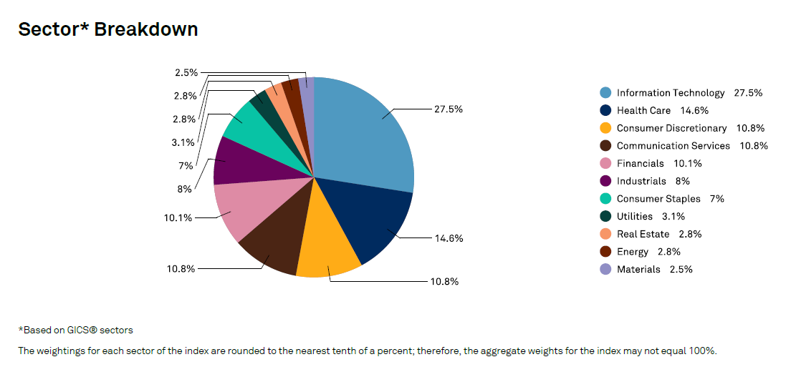
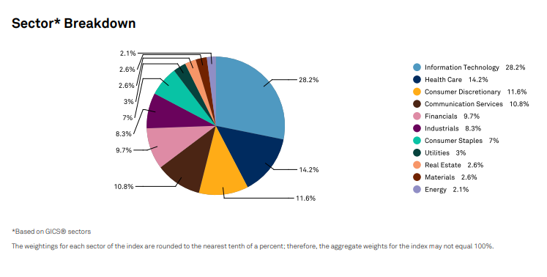
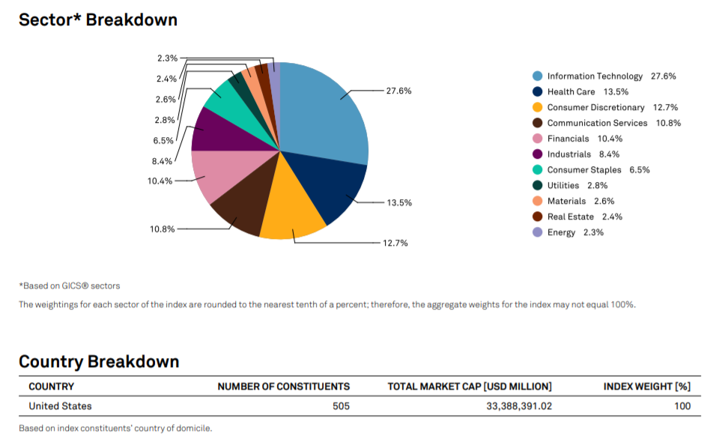
https://us.spindices.com/indices/equity/sp-500
Download Month-End Fact Sheet

