Strategic Allocation-FACT SHEET
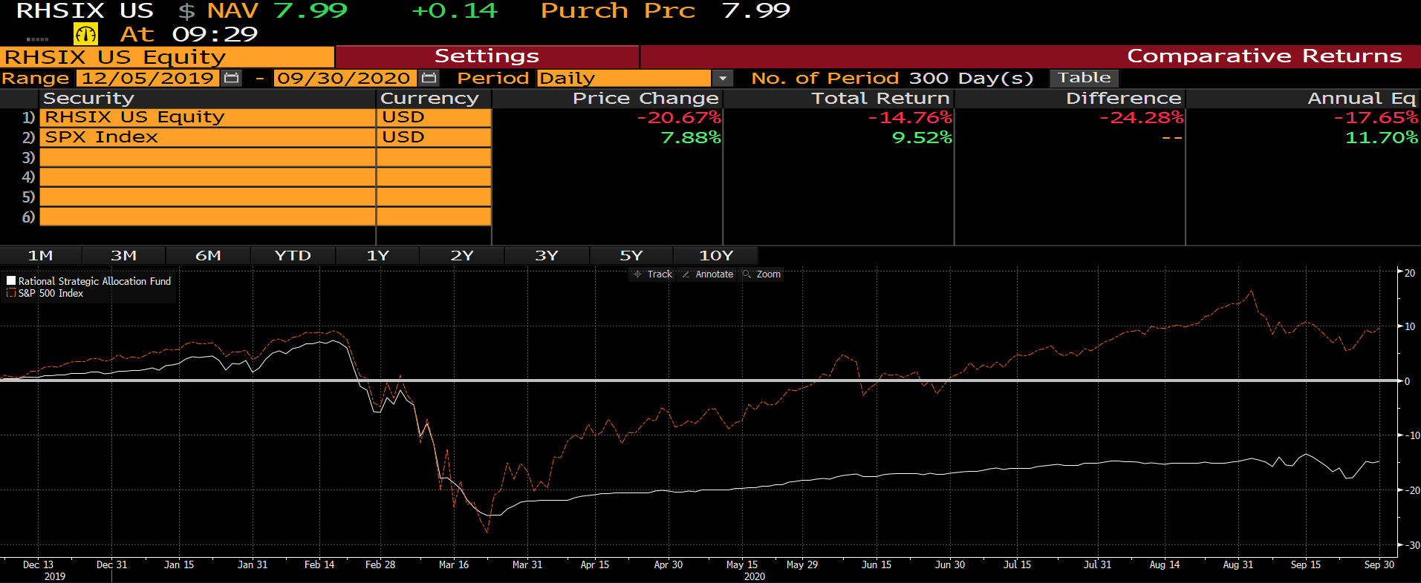
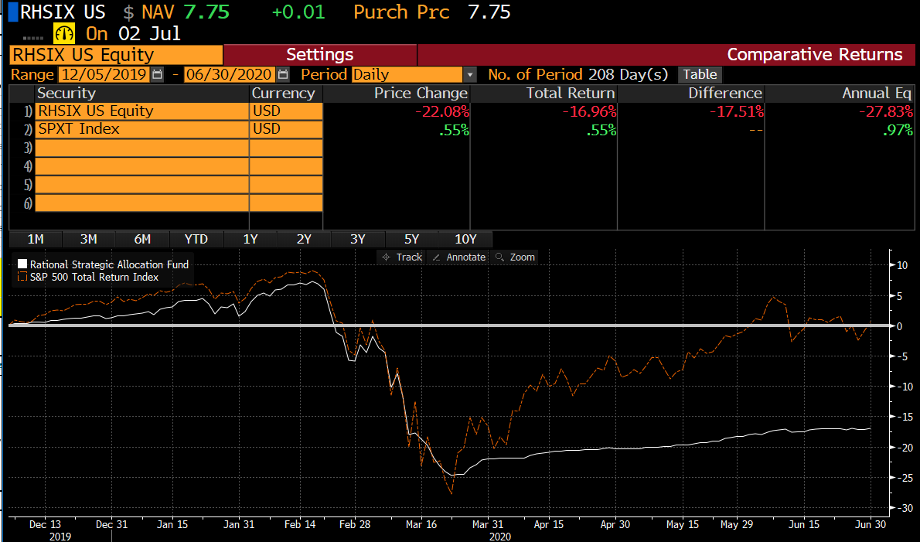
PAGE 1 |  |  |  |  |  |  |  | PAGE 2

 | GROWTH OF $10,000 - CHART | 31-Dec-20 | HBAFX | BENCH |  |  |  |  | CURRENT HOLDINGS
 |  |  | $18,275 | $48,160 |  |  |  |  |  | Weight | Exposure | Focus
 | PERFORMANCE SUMMARY GRAPH | YTD | -3.42% | 18.40% |  |  |  |  | Catalyst Enhanced Income Strategy Fund Class I | 17.49% | 17.49% | Non-Agency RMBS
 |  | 1 Year | -3.42% | 18.40% |  |  |  |  | Rational Special Situations Income Fund Institutional Class | 17.40% | 17.40% | Non-Agency RMBS
 |  | 3 Years | 1.75% | 14.18% |  |  |  |  | Rational/Pier 88 Convertible Securities Fund Institutional Class | 16.33% | 16.33% | Convertible Bond
 |  | 5 Years | 4.92% | 15.22% |  |  |  |  | Cash & Equivalents | 15.87% | 15.87% | Cash Equivalents
 |  | 10 Years | 4.48% | 13.88% |  |  |  |  | Catalyst/CIFC Floating Rate Income Fund Class I | 9.81% | 9.81% | Senior Secured Notes
 |  | Inception* | 5.42% | 14.75% |  |  |  |  | Catalyst Insider Income Fund Class I | 9.58% | 9.58% | Corporate Bonds
 |  |  |  |  |  |  |  |  | Catalyst/Stone Beach Income Opportunity Fund Class I | 8.08% | 8.08% | Agency MBS
 | PERFORMANCE SUMMARY | YTD | 1 Year | 3 Years | 5 Years | 10 Years | Inception* |  | AlphaCentric Income Opportunities Fund Class I | 5.43% | 5.43% | Target Distribution
 | Class A | -3.42 | -3.42 | 1.75 | 4.92 | 4.48 | 5.42 |  | S&P 500 Futures Contracts | 0.00% | 98.59% | Futures Contracts
 | S&P 500 TR Index | 18.40 | 18.40 | 14.18 | 15.22 | 13.88 | 14.75
 | Class A Load | -8.01 | -8.01 | 0.11 | 3.90 | 3.97 | 4.97
 | Institutional | -3.19 | -3.19 | 1.96 | n/a | n/a | 4.93
 | Class C | -4.13 | -4.13 | 0.96 | n/a | n/a | 3.91
 | S&P 500 TR Index | 18.40 | 18.40 | 14.18 | n/a | n/a | 14.75 |  |  | 100.00% | 198.59%

 | RISK & PERF. STATS | RHSIX | BENCH |  | DO NOT USE UNTIL 2021 |  |  |  | SHARE CLASS INFORMATION | Net Exp | Gross Exp
 | Cumulative Return* | -1.96% | 22.82% |  | BB COMP |  |  |  | Class A | 2.18% | 2.83%
 | Annualized Return* | 5.42% | 14.75% |  |  |  |  |  | Class C | 2.93% | 3.50%
 | Standard Deviation | 10.03% | 14.08% |  |  |  |  |  | Institutional | 1.93% | 2.46%
 | Sharpe Ratio | 0.53 | 1.04 |  |  |  |  |  | Inception Date (A & Inst/C) | 2009-07-30 | 2016-05-31
 | Alpha vs. Bench | -3.19% | -
 | Beta vs. Bench | 0.58 | - |  |  |  |  |  | Distribution Schedule | Quarterly
 | Correlation vs. Bench | 0.82 | -
 | % Positive Months | 67% | 71%
 | Maximum Drawdown | -23.15% | -19.60%

