Dividend Capture -Fact Sheet
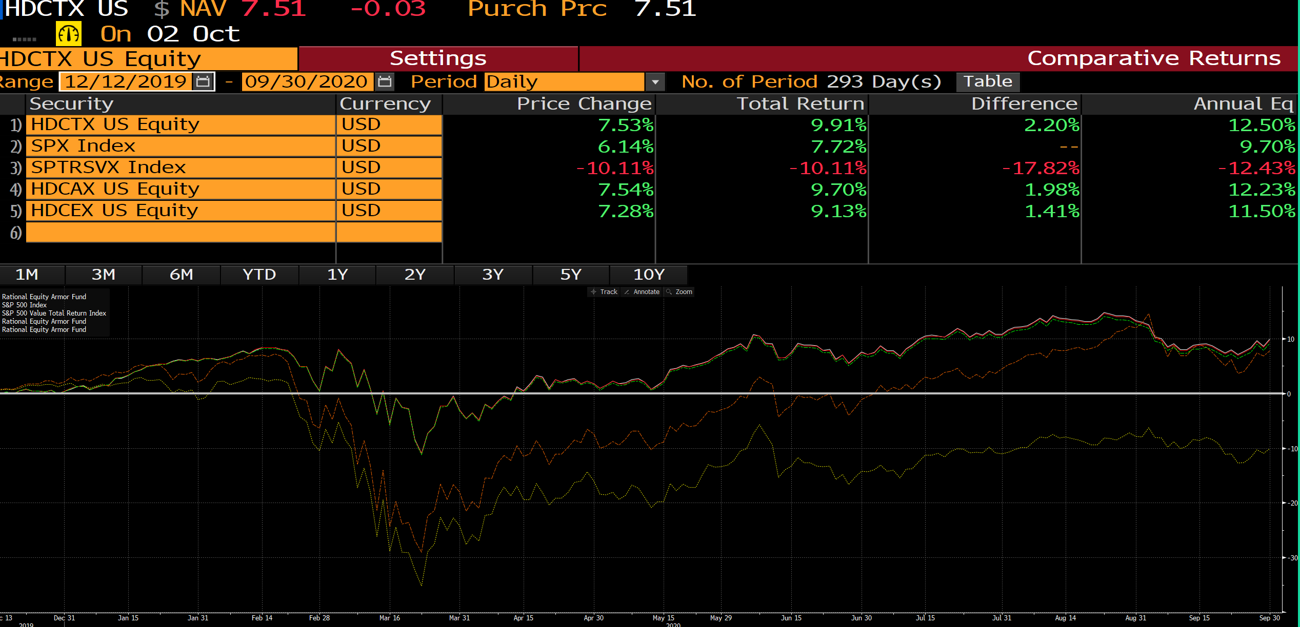
PAGE 1 |  |  |  |  |  |  |  |  |  | PAGE 2

 | GROWTH OF $10,000 - CHART | 31-Dec-20 | HDCTX | BENCH |  |  |  |  |  |  | TOP 10 HOLDINGS
 |  |  | $10,757 | $8,578 |  |  |  |  |  |  | Cash | 11.8% |  | Pfizer Inc | 2.9%
 | PERFORMANCE SUMMARY GRAPH | YTD | 15.85% | 1.36% |  |  |  |  |  |  | Johnson & Johnson | 3.7% |  | Deere & Co | 2.6%
 |  | Since 12/12/2019 | 16.25% | 2.92% |  |  |  |  |  |  | JPMorgan Chase & Co | 3.5% |  | Starbucks Corp | 2.4%
 |  | 1yr | 15.85% | 1.36% |  |  |  |  |  |  | Comcast Corp | 3.0% |  | Procter & Gamble Co/The | 2.4%
 |  | 3yr | 4.33% | 6.78% |  |  |  |  |  |  | Verizon Communications Inc | 2.9% |  | Goldman Sachs Group Inc/The | 2.3%
 |  | 5yr | 3.39% | 10.52%
 |  | 10yr | 5.96% | 10.74% |  |  |  |  |  |  | SECTOR ALLOCATION | Portfolio | Bench
 |  | Inception* | 5.60% | 6.29% |  |  |  |  |  |  | Financials | 15.9% | 19.2%
 |  |  |  |  |  |  |  |  |  |  | Information Technology | 13.6% | 11.6%
 |  |  |  | Previous Strategy |  |  |  |  |  |  | Health Care | 12.7% | 15.2%
 | PERFORMANCE SUMMARY | YTD | Since 12/12/2019 | 1yr | 3yr | 5yr | 10yr | Inception* |  |  | Cash | 11.8% | 0.0%
 | Institutional Class | 15.85 | 16.25 | 15.85 | 4.33 | 3.39 | 5.96 | 5.60 |  |  | Industrials | 11.5% | 11.7%
 | S&P 500 Value Index | 1.36 | 2.92 | 1.36 | 6.78 | 10.52 | 10.74 | 6.29 | Use this since inception value (Ultimus not correct) |  | Communication Services | 8.0% | 7.3%
 | S&P 500 Index | 18.40 | 20.80 | 18.40 | 14.18 | 15.22 | 13.88 | 7.86 |  |  | Consumer Discretionary | 7.8% | 7.6%
 | Class A | 15.74 | 16.10 | 15.74 | 4.10 | 3.15 | 5.70 | 5.35 |  |  | Consumer Staples | 5.6% | 9.8%
 | Class C | 14.88 | 15.14 | 14.88 | 3.31 | 2.48 | 5.00 | 4.47 | For C share 10YR & SI use our values |  | Utilities | 3.9% | 5.3%
 | Class A Load | 10.17 | 10.58 | 10.17 | 2.42 | 2.15 | 5.19 | 5.09 |  |  | Energy | 2.9% | 4.8%
 | Class C will not match Gemini backup file as it's a blend of historical I share w/ C 12b-1 and new C share |  |  |  |  |  |  |  |  |  | Materials | 2.9% | 3.5%
 | Since Strategy Change | HDCTX |  | BENCH |  |  |  |  |  |  | Real Estate | 2.5% | 4.0%
 | Cumulative Return* | 16.25% |  | 2.92% | BB COMP |  |  |  |  |  | Options | 0.0% | 0.0%
 | Annualized Return* | 5.60% |  | 6.29% | Do not use until 2021
 | Std. Dev (S.I.) | 12.65% |  | 15.95%
 | Sharpe Ratio | 0.43 |  | 0.39 |  |  |  |  |  |  | PORTFOLIO STATISTICS | Portfolio | Bench
 | Alpha vs. S&P 500 | 0.26% |  | -1.82%
 | Beta vs. S&P 500 | 0.68 |  | 1.03 |  |  |  |  |  |  | Number of Holdings | 48 | 439
 | Correlation vs. S&P 500 | 0.80 |  | 0.97 |  |  |  |  |  |  | Top 10 Holdings (%) | 37.6% | 18.2%
 | % Positive Months | 67% |  | 63% |  |  |  |  |  |  | Mean Total Mkt Cap ($mil) | 208,018 | 49,581
 | Maximum Drawdown | -52.43% |  | -56.82% |  |  |  |  |  |  | P/E Ratio (Trailing) | 20.10 | 29.80

 |  | YTD | Since 12/12/2019 | 1yr | 3yr | 5yr | 10yr | Inception*
 | Institutional Class | 15.86% | 16.25% | 15.86% | 4.33% | 3.39% | 5.96% | 5.59%
 | S&P 500 Value Index | 1.36% | 2.92% | 1.36% | 6.78% | 10.52% | 10.74% | 6.29%
 | S&P 500 Index | 18.40% | 20.80% | 18.40% | 14.18% | 15.22% | 13.88% | 7.86% | BB COMP
 | Class A | 15.74% | 16.10% | 15.74% | 4.10% | 3.15% | 5.70% | 5.34%
 | Class C | 14.88% | 15.14% | 14.88% | 3.31% | 2.48% | 5.00% | 4.47%
 | Class A Load | 10.170% | 10.585% | 10.170% | 2.420% | 2.150% | 5.190% | 5.090%
 |  |  | Cumulative until 12/12/2020

