LSTA vs. AGG
Date | S&P LSTA Lvg. Loan 100 | % Return | S&P LSTA Lvg. Loan 100 10K | Barclays Agg | % Return | Barclays Agg 10K
2008-12-31 | 942.57 |  | 10,000.00 | 1,454.10 |  | 10,000.00
2009-01-31 | 1,021.22 | 8.34% | 10,834.42 | 1,441.27 | -0.88% | 9,911.77
S&P LSTA Lvg. Loan 100 vs. Barclays AGG
 | S&P LSTA Lvg. Loan 100 10K | Barclays Agg 10K
12/31/2008 | 10,000.00 | 10,000.00
1/31/2009 | 10,834.42 | 9,911.77
2/28/2009 | 10,796.12 | 9,874.36
3/31/2009 | 11,114.40 | 10,011.62
4/30/2009 | 12,230.18 | 10,059.49
5/31/2009 | 12,882.86 | 10,132.45
6/30/2009 | 13,318.80 | 10,190.08
7/31/2009 | 14,039.81 | 10,354.45
8/31/2009 | 14,213.69 | 10,461.66
9/30/2009 | 14,673.61 | 10,571.56
10/31/2009 | 14,581.30 | 10,623.75
11/30/2009 | 14,603.37 | 10,761.30
12/31/2009 | 15,223.06 | 10,593.08
1/31/2010 | 15,445.22 | 10,754.90
2/28/2010 | 15,418.38 | 10,795.06
3/31/2010 | 15,867.36 | 10,781.79
4/30/2010 | 16,101.40 | 10,894.02
5/31/2010 | 15,530.09 | 10,985.70
6/30/2010 | 15,457.10 | 11,157.97
7/31/2010 | 15,801.05 | 11,277.01
8/31/2010 | 15,810.39 | 11,422.12
9/30/2010 | 16,092.49 | 11,434.29
10/31/2010 | 16,393.58 | 11,475.00
11/30/2010 | 16,397.72 | 11,409.05
12/31/2010 | 16,692.34 | 11,286.02
1/31/2011 | 17,100.90 | 11,299.15
2/28/2011 | 17,130.61 | 11,327.42
3/31/2011 | 17,106.42 | 11,333.68
4/30/2011 | 17,198.93 | 11,477.55
5/31/2011 | 17,128.91 | 11,627.33
6/30/2011 | 17,017.62 | 11,593.29
7/31/2011 | 17,037.14 | 11,777.25
8/31/2011 | 16,201.45 | 11,949.32
9/30/2011 | 16,201.02 | 12,036.24
10/31/2011 | 16,905.27 | 12,049.17
11/30/2011 | 16,678.34 | 12,038.72
12/31/2011 | 16,795.99 | 12,171.03
1/31/2012 | 17,281.69 | 12,277.90
2/29/2012 | 17,408.57 | 12,275.08
3/31/2012 | 17,530.37 | 12,207.83
4/30/2012 | 17,651.42 | 12,343.17
5/31/2012 | 17,435.20 | 12,454.85
6/30/2012 | 17,616.62 | 12,459.73
7/31/2012 | 17,897.13 | 12,631.59
8/31/2012 | 18,126.51 | 12,639.85
9/30/2012 | 18,339.12 | 12,657.25
10/31/2012 | 18,350.04 | 12,682.14
11/30/2012 | 18,363.73 | 12,702.15
12/31/2012 | 18,561.38 | 12,684.07
1/31/2013 | 18,786.08 | 12,595.35
...
S&P LSTA Lvg. Loan 100 vs. Barclays AGG
 | S&P LSTA Lvg. Loan 100 10K | Barclays Agg 10K
39813 | 10000 | 10000
39844 | 10834.420786 | 9911.7667286
39872 | 10796.121243 | 9874.3552713
39903 | 11114.399992 | 10011.622309
39933 | 12230.179191 | 10059.486968
39964 | 12882.862811 | 10132.453064
39994 | 13318.798604 | 10190.083213
40025 | 14039.806062 | 10354.446049
40056 | 14213.692352 | 10461.660133
40086 | 14673.605143 | 10571.556289
40117 | 14581.304306 | 10623.753525
40147 | 14603.371633 | 10761.295647
40178 | 15223.060356 | 10593.081631
40209 | 15445.218923 | 10754.899938
40237 | 15418.377415 | 10795.062238
40268 | 15867.362636 | 10781.789423
40298 | 16101.403609 | 10894.023795
40329 | 15530.093256 | 10985.695619
40359 | 15457.101329 | 11157.967127
40390 | 15801.054564 | 11277.009834
40421 | 15810.39074 | 11422.116773
40451 | 16092.491804 | 11434.289251
40482 | 16393.5835 | 11475.001719
40512 | 16397.721124 | 11409.050272
40543 | 16692.341152 | 11286.018843
40574 | 17100.904973 | 11299.154116
40602 | 17130.610989 | 11327.419022
40633 | 17106.421804 | 11333.677189
40663 | 17198.934827 | 11477.546249
40694 | 17128.913502 | 11627.32962
40724 | 17017.622033 | 11593.287944
40755 | 17037.14313 | 11777.250533
40786 | 16201.449229 | 11949.315728
40816 | 16201.024858 | 12036.242349
40847 | 16905.269635 | 12049.171309
40877 | 16678.336887 | 12038.718107
40908 | 16795.993931 | 12171.033629
40939 | 17281.687302 | 12277.903858
40968 | 17408.574429 | 12275.084245
40999 | 17530.369097 | 12207.826147
41029 | 17651.421115 | 12343.167595
41060 | 17435.203751 | 12454.851798
41090 | 17616.622638 | 12459.734544
41121 | 17897.132308 | 12631.593425
41152 | 18126.505193 | 12639.845953
41182 | 18339.115397 | 12657.245031
41213 | 18350.042968 | 12682.140155
41243 | 18363.728954 | 12702.152534
41274 | 18561.380057 | 12684.065745
41305 | 18786.084853 | 12595.351076
...
S&P LSTA Lvg. Loan 100 vs. Barclays AGG
 | S&P LSTA Lvg. Loan 100 10K | Barclays Agg 10K
39813 | 10000 | 10000
39844 | 10834.420786 | 9911.7667286
39872 | 10796.121243 | 9874.3552713
39903 | 11114.399992 | 10011.622309
39933 | 12230.179191 | 10059.486968
39964 | 12882.862811 | 10132.453064
39994 | 13318.798604 | 10190.083213
40025 | 14039.806062 | 10354.446049
40056 | 14213.692352 | 10461.660133
40086 | 14673.605143 | 10571.556289
40117 | 14581.304306 | 10623.753525
40147 | 14603.371633 | 10761.295647
40178 | 15223.060356 | 10593.081631
40209 | 15445.218923 | 10754.899938
40237 | 15418.377415 | 10795.062238
40268 | 15867.362636 | 10781.789423
40298 | 16101.403609 | 10894.023795
40329 | 15530.093256 | 10985.695619
40359 | 15457.101329 | 11157.967127
40390 | 15801.054564 | 11277.009834
40421 | 15810.39074 | 11422.116773
40451 | 16092.491804 | 11434.289251
40482 | 16393.5835 | 11475.001719
40512 | 16397.721124 | 11409.050272
40543 | 16692.341152 | 11286.018843
40574 | 17100.904973 | 11299.154116
40602 | 17130.610989 | 11327.419022
40633 | 17106.421804 | 11333.677189
40663 | 17198.934827 | 11477.546249
40694 | 17128.913502 | 11627.32962
40724 | 17017.622033 | 11593.287944
40755 | 17037.14313 | 11777.250533
40786 | 16201.449229 | 11949.315728
40816 | 16201.024858 | 12036.242349
40847 | 16905.269635 | 12049.171309
40877 | 16678.336887 | 12038.718107
40908 | 16795.993931 | 12171.033629
40939 | 17281.687302 | 12277.903858
40968 | 17408.574429 | 12275.084245
40999 | 17530.369097 | 12207.826147
41029 | 17651.421115 | 12343.167595
41060 | 17435.203751 | 12454.851798
41090 | 17616.622638 | 12459.734544
41121 | 17897.132308 | 12631.593425
41152 | 18126.505193 | 12639.845953
41182 | 18339.115397 | 12657.245031
41213 | 18350.042968 | 12682.140155
41243 | 18363.728954 | 12702.152534
41274 | 18561.380057 | 12684.065745
41305 | 18786.084853 | 12595.351076
...
2009-02-28 | 1,017.61 | -0.35% | 10,796.12 | 1,435.83 | -0.38% | 9,874.36
2009-03-31 | 1,047.61 | 2.95% | 11,114.40 | 1,455.79 | 1.39% | 10,011.62
2009-04-30 | 1,152.78 | 10.04% | 12,230.18 | 1,462.75 | 0.48% | 10,059.49
2009-05-31 | 1,214.30 | 5.34% | 12,882.86 | 1,473.36 | 0.73% | 10,132.45
2009-06-30 | 1,255.39 | 3.38% | 13,318.80 | 1,481.74 | 0.57% | 10,190.08
2009-07-31 | 1,323.35 | 5.41% | 14,039.81 | 1,505.64 | 1.61% | 10,354.45
2009-08-31 | 1,339.74 | 1.24% | 14,213.69 | 1,521.23 | 1.04% | 10,461.66
2009-09-30 | 1,383.09 | 3.24% | 14,673.61 | 1,537.21 | 1.05% | 10,571.56
2009-10-31 | 1,374.39 | -0.63% | 14,581.30 | 1,544.80 | 0.49% | 10,623.75
2009-11-30 | 1,376.47 | 0.15% | 14,603.37 | 1,564.80 | 1.29% | 10,761.30
2009-12-31 | 1,434.88 | 4.24% | 15,223.06 | 1,540.34 | -1.56% | 10,593.08
2010-01-31 | 1,455.82 | 1.46% | 15,445.22 | 1,563.87 | 1.53% | 10,754.90
2010-02-28 | 1,453.29 | -0.17% | 15,418.38 | 1,569.71 | 0.37% | 10,795.06
2010-03-31 | 1,495.61 | 2.91% | 15,867.36 | 1,567.78 | -0.12% | 10,781.79
2010-04-30 | 1,517.67 | 1.47% | 16,101.40 | 1,584.10 | 1.04% | 10,894.02
2010-05-31 | 1,463.82 | -3.55% | 15,530.09 | 1,597.43 | 0.84% | 10,985.70
2010-06-30 | 1,456.94 | -0.47% | 15,457.10 | 1,622.48 | 1.57% | 11,157.97
2010-07-31 | 1,489.36 | 2.23% | 15,801.05 | 1,639.79 | 1.07% | 11,277.01
2010-08-31 | 1,490.24 | 0.06% | 15,810.39 | 1,660.89 | 1.29% | 11,422.12
2010-09-30 | 1,516.83 | 1.78% | 16,092.49 | 1,662.66 | 0.11% | 11,434.29
2010-10-31 | 1,545.21 | 1.87% | 16,393.58 | 1,668.58 | 0.36% | 11,475.00
2010-11-30 | 1,545.60 | 0.03% | 16,397.72 | 1,658.99 | -0.57% | 11,409.05
2010-12-31 | 1,573.37 | 1.80% | 16,692.34 | 1,641.10 | -1.08% | 11,286.02
2011-01-31 | 1,611.88 | 2.45% | 17,100.90 | 1,643.01 | 0.12% | 11,299.15
2011-02-28 | 1,614.68 | 0.17% | 17,130.61 | 1,647.12 | 0.25% | 11,327.42
2011-03-31 | 1,612.40 | -0.14% | 17,106.42 | 1,648.03 | 0.06% | 11,333.68
2011-04-30 | 1,621.12 | 0.54% | 17,198.93 | 1,668.95 | 1.27% | 11,477.55
2011-05-31 | 1,614.52 | -0.41% | 17,128.91 | 1,690.73 | 1.31% | 11,627.33
2011-06-30 | 1,604.03 | -0.65% | 17,017.62 | 1,685.78 | -0.29% | 11,593.29
2011-07-31 | 1,605.87 | 0.11% | 17,037.14 | 1,712.53 | 1.59% | 11,777.25
2011-08-31 | 1,527.10 | -4.91% | 16,201.45 | 1,737.55 | 1.46% | 11,949.32
2011-09-30 | 1,527.06 | 0.00% | 16,201.02 | 1,750.19 | 0.73% | 12,036.24
2011-10-31 | 1,593.44 | 4.35% | 16,905.27 | 1,752.07 | 0.11% | 12,049.17
2011-11-30 | 1,572.05 | -1.34% | 16,678.34 | 1,750.55 | -0.09% | 12,038.72
2011-12-31 | 1,583.14 | 0.71% | 16,795.99 | 1,769.79 | 1.10% | 12,171.03
2012-01-31 | 1,628.92 | 2.89% | 17,281.69 | 1,785.33 | 0.88% | 12,277.90
2012-02-29 | 1,640.88 | 0.73% | 17,408.57 | 1,784.92 | -0.02% | 12,275.08
2012-03-31 | 1,652.36 | 0.70% | 17,530.37 | 1,775.14 | -0.55% | 12,207.83
2012-04-30 | 1,663.77 | 0.69% | 17,651.42 | 1,794.82 | 1.11% | 12,343.17
2012-05-31 | 1,643.39 | -1.22% | 17,435.20 | 1,811.06 | 0.90% | 12,454.85
2012-06-30 | 1,660.49 | 1.04% | 17,616.62 | 1,811.77 | 0.04% | 12,459.73
2012-07-31 | 1,686.93 | 1.59% | 17,897.13 | 1,836.76 | 1.38% | 12,631.59
2012-08-31 | 1,708.55 | 1.28% | 18,126.51 | 1,837.96 | 0.07% | 12,639.85
2012-09-30 | 1,728.59 | 1.17% | 18,339.12 | 1,840.49 | 0.14% | 12,657.25
2012-10-31 | 1,729.62 | 0.06% | 18,350.04 | 1,844.11 | 0.20% | 12,682.14
2012-11-30 | 1,730.91 | 0.07% | 18,363.73 | 1,847.02 | 0.16% | 12,702.15
2012-12-31 | 1,749.54 | 1.08% | 18,561.38 | 1,844.39 | -0.14% | 12,684.07
2013-01-31 | 1,770.72 | 1.21% | 18,786.08 | 1,831.49 | -0.70% | 12,595.35
2013-02-28 | 1,772.32 | 0.09% | 18,803.06 | 1,840.67 | 0.50% | 12,658.48
2013-03-31 | 1,786.77 | 0.82% | 18,956.36 | 1,842.14 | 0.08% | 12,668.59
2013-04-30 | 1,797.28 | 0.59% | 19,067.87 | 1,860.78 | 1.01% | 12,796.78
2013-05-31 | 1,799.41 | 0.12% | 19,090.47 | 1,827.58 | -1.78% | 12,568.46
2013-06-30 | 1,783.36 | -0.89% | 18,920.19 | 1,799.31 | -1.55% | 12,374.05
2013-07-31 | 1,805.58 | 1.25% | 19,155.92 | 1,801.77 | 0.14% | 12,390.96
2013-08-31 | 1,801.56 | -0.22% | 19,113.28 | 1,792.56 | -0.51% | 12,327.63
2013-09-30 | 1,804.25 | 0.15% | 19,141.81 | 1,809.53 | 0.95% | 12,444.33
2013-10-31 | 1,819.72 | 0.86% | 19,305.94 | 1,824.16 | 0.81% | 12,544.94
2013-11-30 | 1,829.45 | 0.53% | 19,409.17 | 1,817.33 | -0.37% | 12,497.97
2013-12-31 | 1,837.45 | 0.44% | 19,494.04 | 1,807.06 | -0.57% | 12,427.34
2014-01-31 | 1,848.78 | 0.62% | 19,614.25 | 1,833.76 | 1.48% | 12,610.96
2014-02-28 | 1,849.73 | 0.05% | 19,624.32 | 1,843.51 | 0.53% | 12,678.01
2014-03-31 | 1,855.96 | 0.34% | 19,690.42 | 1,840.37 | -0.17% | 12,656.42
2014-04-30 | 1,858.42 | 0.13% | 19,716.52 | 1,855.90 | 0.84% | 12,763.22
2014-05-31 | 1,872.56 | 0.76% | 19,866.54 | 1,877.03 | 1.14% | 12,908.53
2014-06-30 | 1,882.93 | 0.55% | 19,976.55 | 1,878.00 | 0.05% | 12,915.21
2014-07-31 | 1,878.14 | -0.25% | 19,925.73 | 1,873.29 | -0.25% | 12,882.81
2014-08-31 | 1,882.57 | 0.24% | 19,972.73 | 1,893.97 | 1.10% | 13,025.03
2014-09-30 | 1,864.41 | -0.96% | 19,780.07 | 1,881.11 | -0.68% | 12,936.59
2014-10-31 | 1,875.78 | 0.61% | 19,900.70 | 1,899.60 | 0.98% | 13,063.75
2014-11-30 | 1,882.56 | 0.36% | 19,972.63 | 1,913.08 | 0.71% | 13,156.45
2014-12-31 | 1,855.67 | -1.43% | 19,687.34 | 1,914.87 | 0.09% | 13,168.76
2015-01-31 | 1,859.43 | 0.20% | 19,727.24 | 1,955.02 | 2.10% | 13,444.88
2015-02-28 | 1,886.37 | 1.45% | 20,013.05 | 1,936.64 | -0.94% | 13,318.48
2015-03-31 | 1,889.94 | 0.19% | 20,050.92 | 1,945.63 | 0.46% | 13,380.30
2015-04-30 | 1,903.70 | 0.73% | 20,196.91 | 1,938.65 | -0.36% | 13,332.30
2015-05-31 | 1,904.71 | 0.05% | 20,207.62 | 1,933.98 | -0.24% | 13,300.19
2015-06-30 | 1,888.27 | -0.86% | 20,033.21 | 1,912.89 | -1.09% | 13,155.15
2015-07-31 | 1,881.53 | -0.36% | 19,961.70 | 1,926.19 | 0.70% | 13,246.61
2015-08-31 | 1,864.11 | -0.93% | 19,776.89 | 1,923.42 | -0.14% | 13,227.56
2015-09-30 | 1,846.10 | -0.97% | 19,585.81 | 1,936.43 | 0.68% | 13,317.03
2015-10-31 | 1,846.29 | 0.01% | 19,587.83 | 1,936.76 | 0.02% | 13,319.30
2015-11-30 | 1,826.97 | -1.05% | 19,382.86 | 1,931.64 | -0.26% | 13,284.09
2015-12-31 | 1,804.55 | -1.23% | 19,145.00 | 1,925.40 | -0.32% | 13,241.18
2016-01-31 | 1,796.81 | -0.43% | 19,062.88 | 1,951.89 | 1.38% | 13,423.35
2016-02-29 | 1,792.98 | -0.21% | 19,022.25 | 1,965.74 | 0.71% | 13,518.60
2016-03-31 | 1,849.49 | 3.15% | 19,621.78 | 1,983.77 | 0.92% | 13,642.60
2016-04-30 | 1,892.78 | 2.34% | 20,081.05 | 1,991.39 | 0.38% | 13,695.00
2016-05-31 | 1,904.25 | 0.61% | 20,202.74 | 1,991.90 | 0.03% | 13,698.51
2016-06-30 | 1,901.31 | -0.15% | 20,171.55 | 2,027.69 | 1.80% | 13,944.64
2016-07-31 | 1,932.51 | 1.64% | 20,502.56 | 2,040.51 | 0.63% | 14,032.80
2016-08-31 | 1,946.11 | 0.70% | 20,646.85 | 2,038.18 | -0.11% | 14,016.78
2016-09-30 | 1,957.74 | 0.60% | 20,770.23 | 2,036.98 | -0.06% | 14,008.53
2016-10-31 | 1,971.86 | 0.72% | 20,920.04 | 2,021.40 | -0.76% | 13,901.38
2016-11-30 | 1,975.43 | 0.18% | 20,957.91 | 1,973.59 | -2.37% | 13,572.59
2016-12-31 | 2,000.94 | 1.29% | 21,228.56 | 1,976.37 | 0.14% | 13,591.71
2017-01-31 | 2,007.66 | 0.34% | 21,299.85 | 1,980.25 | 0.20% | 13,618.39
2017-02-28 | 2,017.76 | 0.50% | 21,407.00 | 1,993.56 | 0.67% | 13,709.92
2017-03-31 | 2,016.62 | -0.06% | 21,394.91 | 1,992.51 | -0.05% | 13,702.70
2017-04-30 | 2,024.85 | 0.41% | 21,482.22 | 2,007.89 | 0.77% | 13,808.47
2017-05-31 | 2,033.81 | 0.44% | 21,577.28 | 2,023.34 | 0.77% | 13,914.72
2017-06-30 | 2,029.36 | -0.22% | 21,530.07 | 2,021.31 | -0.10% | 13,900.76
2017-07-31 | 2,044.99 | 0.77% | 21,695.90 | 2,030.01 | 0.43% | 13,960.59
2017-08-31 | 2,040.70 | -0.21% | 21,650.38 | 2,048.21 | 0.90% | 14,085.76
2017-09-30 | 2,047.59 | 0.34% | 21,723.48 | 2,038.46 | -0.48% | 14,018.71
2017-10-31 | 2,059.08 | 0.56% | 21,845.38 | 2,039.64 | 0.06% | 14,026.82
2017-11-30 | 2,060.59 | 0.07% | 21,861.40 | 2,037.02 | -0.13% | 14,008.80
2017-12-31 | 2,067.14 | 0.32% | 21,930.89 | 2,046.37 | 0.46% | 14,073.10
2018-01-31 | 2,089.36 | 1.07% | 22,166.63 | 2,022.80 | -1.15% | 13,911.01
2018-02-28 | 2,090.59 | 0.06% | 22,179.68 | 2,003.63 | -0.95% | 13,779.18
2018-03-31 | 2,096.18 | 0.27% | 22,238.98 | 2,016.48 | 0.64% | 13,867.55
2018-04-30 | 2,104.67 | 0.41% | 22,329.06 | 2,001.48 | -0.74% | 13,764.39
2018-05-31 | 2,104.81 | 0.01% | 22,330.54 | 2,015.76 | 0.71% | 13,862.60
2018-06-30 | 2,105.07 | 0.01% | 22,333.30 | 2,013.28 | -0.12% | 13,845.54
2018-07-31 | 2,123.70 | 0.89% | 22,530.95 | 2,013.76 | 0.02% | 13,848.84
2018-08-31 | 2,134.34 | 0.50% | 22,643.84 | 2,026.72 | 0.64% | 13,937.97
2018-09-30 | 2,149.20 | 0.70% | 22,801.49 | 2,013.67 | -0.64% | 13,848.22
2018-10-31 | 2,144.93 | -0.20% | 22,756.19 | 1,997.76 | -0.79% | 13,738.81
2018-11-30 | 2,121.38 | -1.10% | 22,506.34 | 2,009.68 | 0.60% | 13,820.78
2018-12-31 | 2,054.38 | -3.16% | 21,795.52 | 2,046.60 | 1.84% | 14,074.69
2019-01-31 | 2,127.43 | 3.56% | 22,570.53 | 2,068.34 | 1.06% | 14,224.19
2019-02-28 | 2,170.11 | 2.01% | 23,023.33 | 2,067.14 | -0.06% | 14,215.94
2019-03-31 | 2,159.74 | -0.48% | 22,913.31 | 2,106.83 | 1.92% | 14,488.89
2019-04-30 | 2,204.83 | 2.09% | 23,391.68 | 2,107.37 | 0.03% | 14,492.61
2019-05-31 | 2,190.07 | -0.67% | 23,235.09 | 2,144.78 | 1.78% | 14,749.88
2019-06-30 | 2,193.97 | 0.18% | 23,276.47 | 2,171.71 | 1.26% | 14,935.08
2019-07-31 | 2,216.82 | 1.04% | 23,518.89 | 2,176.49 | 0.22% | 14,967.95
2019-08-31 | 2,208.09 | -0.39% | 23,426.27 | 2,232.89 | 2.59% | 15,355.82
2019-09-30 | 2,223.11 | 0.68% | 23,585.62 | 2,221.00 | -0.53% | 15,274.05
2019-10-31 | 2218.71 | -0.20% | 23,538.94 | 2227.69 | 0.30% | 15,320.06
2019-11-30 | 2235.37 | 0.75% | 23,715.69 | 2226.55 | -0.05% | 15,312.22
2019-12-31 | 2273.18 | 1.69% | 24,116.83 | 2225 | -0.07% | 15,301.56
2020-01-31 | 2278.18 | 0.22% | 24,169.88 | 2267.82 | 1.92% | 15,596.04
2020-02-29 | 2233.96 | -1.94% | 23,700.73 | 2308.64 | 1.80% | 15,876.76
2020-03-31 | 2048.59 | -8.30% | 21,734.09 | 2295.05 | -0.59% | 15,783.30
2020-04-30 | 2115.57 | 3.27% | 22,444.70 | 2335.85 | 1.78% | 16,063.89
2020-05-31 | 2188.07 | 3.43% | 23,213.87 | 2346.72 | 0.47% | 16,138.64
2020-06-30 | 2183.77 | -0.20% | 23,168.25 | 2361.51 | 0.63% | 16,240.35
2020-07-31 | 2231.73 | 2.20% | 23,677.07 | 2396.78 | 1.49% | 16,482.91
2020-08-31 | 2260.89 | 1.31% | 23,986.44 | 2377.43 | -0.81% | 16,349.84
2020-09-30 | 2261.07 | 0.01% | 23,988.35 | 2376.13 | -0.05% | 16,340.90
2020-10-31 | 2252.69 | -0.37% | 23,899.45 | 2365.52 | -0.45% | 16,267.93
2020-11-30 | 2313 | 2.68% | 24,539.29 | 2388.73 | 0.98% | 16,427.55
2020-12-31 | 2337.66 | 1.07% | 24,800.92 | 2392.02 | 0.14% | 16,450.18

CFR MSTAR Table
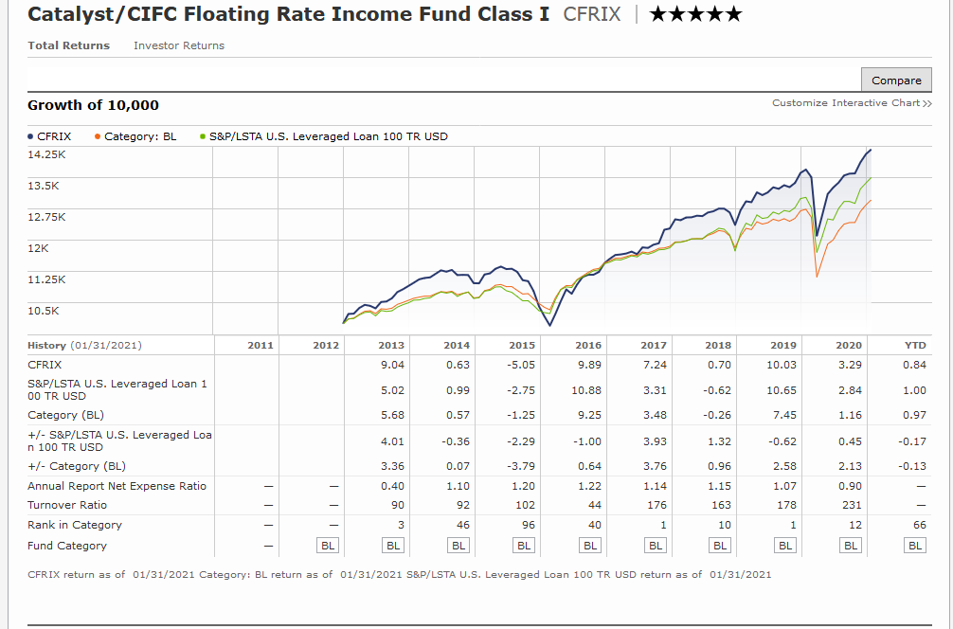
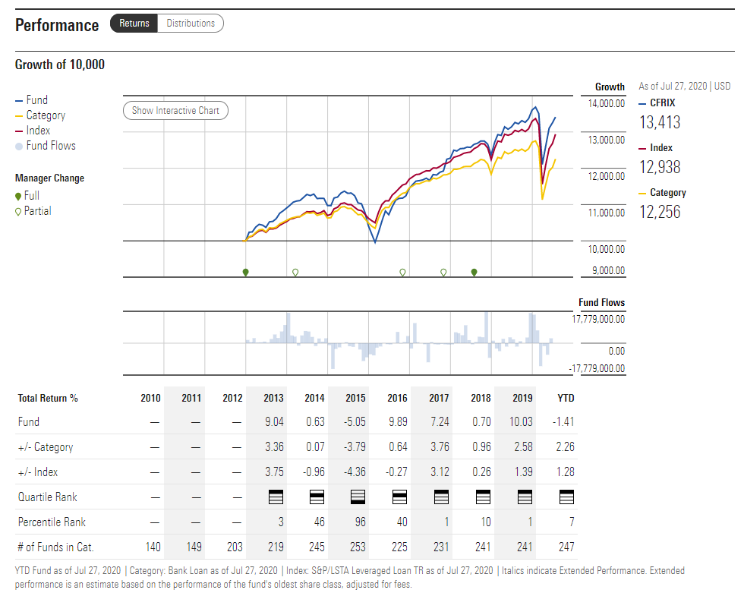
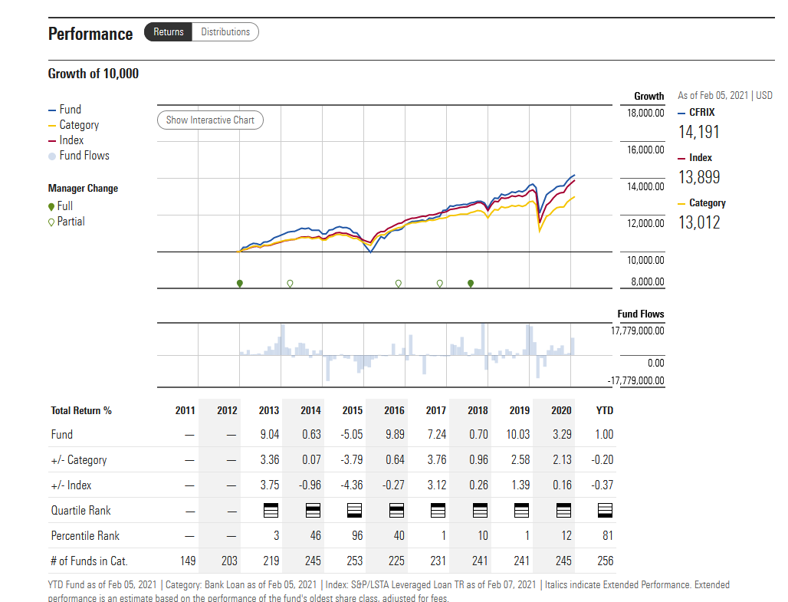
CFRIX | 2017 | 2018 | 2019 | 2020
Percentile Rank in the Bank Loan Category | Top 1% out of 231 funds In the category | Top 10% out of 241 funds In the category | Top 1% out of 241 funds In the category | Top 10% out of 245 funds in category
Catalyst/CIFC Floating Rate Fund I-share | 7.24% | 0.70% | 10.03% | 3.25% | Use Gemini
S&P/LSTA Leveraged Loan TR | 3.31% | -0.62% | 10.65% | 2.84% | Use Gemini
Category (BL) | 3.48% | -0.26% | 7.45% | 1.16% | Use Gemini
+/- S&P/LSTA Leveraged Loan TR | 3.93% | 1.32% | -0.62% | 0.41% | M* screenshot value off versus Gemini official
+/- Category (BL) | 3.76% | 0.96% | 2.58% | 2.09% | M* screenshot value off versus Gemini official

Performance table showing a comparison between CFRIX, its index and the Bank Loan category.

Chart 2 Yield Curve
0.083333333333 | 0.075
0.16666666667 | 0.077
0.25 | 0.097
0.5 | 0.104
1 | 0.118
2 | 0.129
3 | 0.158
5 | 0.278
7 | 0.472
10 | 0.685
20 | 1.226
30 | 1.457
0.083333333333 | 0.0266151391
0.16666666667 | 0.0291506322
0.25 | 0.0240812609
0.5 | 0.043099314
1 | 0.063397171
2 | 0.1081665456
3 | 0.1851638481
5 | 0.4728263021
7 | 0.8204312921
10 | 1.1592855453
20 | 1.7640728951
30 | 1.9456119537
Tenor |  | CUSIP | Description | Price | Yield | Source | Update
1M | 0.08 | 912796C7@BGN Govt | B 0 03/09/21 Govt | 0.026250001 | 0.0266151391 | BGN
2M | 0.17 | 912796D7@BGN Govt | B 0 04/06/21 Govt | 0.0287500005 | 0.0291506322 | BGN
3M | 0.25 | 9127965A@BGN Govt | B 0 05/06/21 Govt | 0.0237499997 | 0.0240812609 | BGN
6M | 0.50 | 912796C6@BGN Govt | B 0 08/05/21 Govt | 0.0425000004 | 0.043099314 | BGN
1Y | 1.00 | 912796C3@BGN Govt | B 0 01/27/22 Govt | 0.0624999981 | 0.063397171 | BGN
2Y | 2.00 | 91282CBG@BGN Govt | T 0 ⅛ 01/31/23 Govt | 100.03320312 | 0.1081665456 | BGN
3Y | 3.00 | 91282CBE@BGN Govt | T 0 ⅛ 01/15/24 Govt | 99.82421875 | 0.1851638481 | BGN
5Y | 5.00 | 91282CBH@BGN Govt | T 0 ⅜ 01/31/26 Govt | 99.51953125 | 0.4728263021 | BGN
7Y | 7.00 | 91282CBJ@BGN Govt | T 0 ¾ 01/31/28 Govt | 99.5234375 | 0.8204312921 | BGN
10Y | 10.00 | 91282CAV@BGN Govt | T 0 ⅞ 11/15/30 Govt | 97.3828125 | 1.1592855453 | BGN
20Y | 20.00 | 912810ST@BGN Govt | T 1 ⅜ 11/15/40 Govt | 93.53125 | 1.7640728951 | BGN
30Y | 30.00 | 912810SS@BGN Govt | T 1 ⅝ 11/15/50 Govt | 92.78125 | 1.9456119537 | BGN

Page 5-6
Vehicle Name | Returns - 7 Years (12/2020) | Standard Deviation - 7 Years (12/2020) | Sharpe Ratio - 7 Years using FTSE 3-Month T-Bill (12/2020) | All data from CIFC
S&P/LSTA Leveraged Loan | 3.85 | 6.03 | 0.50
JPM EMBI+ | 5.60 | 7.83 | 0.61
Bloomberg Barclays US Corporate High Yield | 5.74 | 7.31 | 0.67
Bloomberg Barclays US Long Treasury | 8.78 | 11.08 | 0.72
Bloomberg Barclays US Municipals | 4.54 | 3.53 | 1.05
Bloomberg Barclays CMBS | 4.06 | 3.20 | 1.01
Bloomberg Barclays US Aggregate | 4.09 | 3.02 | 1.08

Floating Rate Loans | 0.6556
High Yield Bonds | 0.4035
Floating Rate Loans | 0.6481
High Yield Bonds | 0.3957
Floating Rate Loans | 0.6481
High Yield Bonds | 0.3957
 |  |  | Floating Rate Loans | 0.65
 |  |  | High Yield Bonds | 0.40

Page 6 -- Loan Perf During DD
 | S&P 500 | S&P/LSTA Leveraged Loan Index |  | S&P 500 | Loans
2008-10-15 | -9.2% | -1.6% | 2010 Greek Bailout | -16% | -3%
2008-09-29 | -8.8% | -0.5% | 2011 European Debt Crisis | -16% | -6%
2008-12-01 | -8.5% | -0.1% | 2012 Growth Slowdown | -9% | -2%
2008-10-09 | -7.5% | -1.4% | 2012 Fiscal Cliff | -7% | 0%
1998-08-31 | -6.9% | -0.4% | 2014 Growth Scare | -7% | -2%
2008-11-20 | -6.7% | -2.2% | 2016 Oil Crisis | -9% | -2%
2011-08-08 | -6.7% | -1.2% | 2018 Interest Rate Scare | -8% | 0%
2008-11-19 | -6.0% | -0.8% | 2018 Trade Tantrum | -11% | -2%
2008-10-22 | -6.0% | 0.6%
2000-04-14 | -5.9% | 0.1%
 | S&P 500 | Loans
2010 Greek Bailout | -0.16 | -0.03
2011 European Debt Crisis | -0.16 | -0.06
2012 Growth Slowdown | -0.09 | -0.02
2012 Fiscal Cliff | -0.07 | 0
2014 Growth Scare | -0.07 | -0.02
2016 Oil Crisis | -0.09 | -0.02
2018 Interest Rate Scare | -0.08 | 0
2018 Trade Tantrum | -0.11 | -0.02
 | S&P 500 | Loans
2010 Greek Bailout | -0.16 | -0.03
2011 European Debt Crisis | -0.16 | -0.06
2012 Growth Slowdown | -0.09 | -0.02
2012 Fiscal Cliff | -0.07 | 0
2014 Growth Scare | -0.07 | -0.02
2016 Oil Crisis | -0.09 | -0.02
2018 Interest Rate Scare | -0.08 | 0
2018 Trade Tantrum | -0.11 | -0.02
 | S&P 500 | S&P/LSTA Leveraged Loan Index
 | -0.091776725142 | -0.0155
 | -0.087695277058 | -0.0053
 | -0.085278447647 | -0.0014
 | -0.074796416938 | -0.0136
 | -0.06850449713 | -0.0038
 | -0.06719112556 | -0.0223
 | -0.067092544901 | -0.0115
 | -0.06032763948 | -0.0082
 | -0.059541408486 | 0.0056
 | -0.058626919603 | 0.0007
 | S&P 500 | S&P/LSTA Leveraged Loan Index
 | -0.091776725142 | -0.0155
 | -0.087695277058 | -0.0053
 | -0.085278447647 | -0.0014
 | -0.074796416938 | -0.0136
 | -0.06850449713 | -0.0038
 | -0.06719112556 | -0.0223
 | -0.067092544901 | -0.0115
 | -0.06032763948 | -0.0082
 | -0.059541408486 | 0.0056
 | -0.058626919603 | 0.0007

 |  |  |  | 7

Page 7 Cumulative
 | Name | Code | End Date | Start Date | Cumulative Return | Std Dev | Annualised Return | # Days | Return/StDev | Cumulative Return (CHF Hedged) | Annualised Return (CHF) | Return/Std Dev | Cumulative (not CHF) | Return/Std Dev (Not CHF)
 | Credit Suisse Western EU Lev Loan Index* | CSLLETOT | 2019-12-31 | 2009-01-01 | 132.85% | 2.24% | 8.0% | 4016 | 59.31 | 126.69% | 7.7% | 3.447
 | European Investment Grade Credit | SPEZICET Index | 2019-12-31 | 2009-01-01 | 59.60% | 8.54% | 4.3% | 4016 | 6.98 | 44.94% | 3.4% | 0.402
 | GSCI Energy Index (GSCI Energy) | SPGSEN Index | 2019-12-31 | 2009-01-01 | 27.96% | 28.97% | 2.3% | 4016 | 0.97 | 13.30% | 1.1% | 0.039
 | GSCI Enhanced Commodity Total Return Strategy Index (GSCI Enhanced) | SPGSESTR Index | 2019-12-31 | 2009-01-01 | -17.67% | 19.17% | -1.8% | 4016 | -0.92 | -32.33% | -3.5% | -0.182
 | J.P. Morgan Emerging Markets Bonds Index | JPEIGLBL Index | 2019-12-31 | 2009-01-01 | 142.25% | 4.88% | 8.4% | 4016 | 29.15 | 127.59% | 7.8% | 1.590 | 111.08 | 1.716
 | Morgan Stanley Capital International Index(MSCI World) | MXWOH Index | 2019-12-31 | 2009-01-01 | 197.47% | 13.20% | 10.4% | 4016 | 14.96 | 182.81% | 9.9% | 0.751 | 225.54 | 0.789
 | MSCI AC Asia Pacific Excluding Japan Index (MXAPJ INDEX) | MXAPJ Index | 2019-12-31 | 2009-01-01 | 52.01% | 16.43% | 3.9% | 4016 | 3.17 | 37.35% | 2.9% | 0.178
 | S&P 500 Index | SPXT Index | 2019-12-31 | 2009-01-01 | 351.04% | 16.34% | 14.7% | 4016 | 0.90 | 336.38% | 14.3% | 0.877 | 322.49 | 0.898
 | S&P GSCI Gold TR | SPGSGCTR Index | 2019-12-31 | 2009-01-01 | 59.71% | 16.46% | 4.3% | 4016 | 3.63 | 45.05% | 3.4% | 0.209
 | S&P GSCI Industrial Metals TR | SPGSINTR Index | 2019-12-31 | 2009-01-01 | 30.24% | 20.97% | 2.4% | 4016 | 1.44 | 15.58% | 1.3% | 0.063
 | S&P U.S. Treasury Bond 20+ Year | SPBDUSLT Index | 2019-12-31 | 2009-01-01 | 62.02% | 14.30% | 4.5% | 4016 | 4.34 | 47.36% | 3.6% | 0.251
 | S&P U.S. Treasury Bond 7-10 Year Index | SPBDU10T Index | 2019-12-31 | 2009-01-01 | 54.58% | 6.29% | 4.0% | 4016 | 8.68 | 39.92% | 3.1% | 0.493
 | S&P/LSTA U.S. Leveraged Loan Index (SPBDAL) | SPBDAL Index | 2019-12-31 | 2009-01-01 | 147.10% | 2.00% | 8.6% | 4016 | 73.55 | 132.44% | 8.0% | 3.984
 | US High Yield Master II Index | H0A0 | 2019-12-31 | 2009-01-01 | 224.55% | 7.46% | 11.3% | 4016 | 30.10 | 209.89% | 10.8% | 1.451

Cumulative Return (January 2009 - October 2019)
Cumulative Return (January 2009 - October 2019)
S&P 500 | 3.5104
US High Yield | 2.2455
MSCI | 1.9747
U.S. Leveraged Loan | 1.471
JPM EM Bonds | 1.4225
CS Western EU Lev Loan* | 1.3285
U.S. Treasury 20+ Year | 0.6202
GSCI Gold | 0.5971
European IG Credit | 0.596
U.S. Treasury 7-10 Year | 0.5458
MSCI AC Asia Pacific (Excl JPN) | 0.5201
GSCI Industrial Metals | 0.3024
GSCI Energy | 0.2796
GSCI Enhanced Commodity | -0.1767
Cumulative Return (January 2009 - October 2019)
S&P 500 | 3.5104
US High Yield | 2.2455
MSCI | 1.9747
U.S. Leveraged Loan | 1.471
JPM EM Bonds | 1.4225
CS Western EU Lev Loan* | 1.3285
U.S. Treasury 20+ Year | 0.6202
GSCI Gold | 0.5971
European IG Credit | 0.596
U.S. Treasury 7-10 Year | 0.5458
MSCI AC Asia Pacific (Excl JPN) | 0.5201
GSCI Industrial Metals | 0.3024
GSCI Energy | 0.2796
GSCI Enhanced Commodity | -0.1767
 | Name | Cumulative
S&P 500 Index | S&P 500 | 351.04%
US High Yield Master II Index | US High Yield | 224.55%
Morgan Stanley Capital International Index | MSCI | 197.47%
S&P/LSTA U.S. Leveraged Loan Index | U.S. Leveraged Loan | 147.10%
J.P. Morgan Emerging Markets Bonds Index | JPM EM Bonds | 142.25%
Credit Suisse Western EU Lev Loan Index* | CS Western EU Lev Loan* | 132.85%
S&P U.S. Treasury Bond 20+ Year | U.S. Treasury 20+ Year | 62.02%
S&P GSCI Gold TR | GSCI Gold | 59.71%
European IG Credit | European IG Credit | 59.60%
S&P U.S. Treasury Bond 7-10 Year Index | U.S. Treasury 7-10 Year | 54.58%
MSCI AC Asia Pacific Excluding Japan Index | MSCI AC Asia Pacific (Excl JPN) | 52.01%
S&P GSCI Industrial Metals TR | GSCI Industrial Metals | 30.24%
GSCI Energy Index | GSCI Energy | 27.96%
GSCI Enhanced Commodity TR | GSCI Enhanced Commodity | -17.67%

 |  |  |  | Source: Bloomberg, data as of October 31, 2019. S&P/LSTA U.S. Leveraged Loan Index (SPBDAL), J.P. Morgan Emerging Markets Bonds Index, US High Yield Master II Index, S&P 500 Index, Morgan Stanley Capital International Index (MSCI World), Credit Suisse Western EU Lev Loan Index (CSWELLI), S&P U.S. Treasury Bond 7-10 Year Index, S&P U.S. Treasury Bond 7-10 Year Index, MSCI AC Asia Pacific Excluding Japan Index (MXAPJ INDEX), S&P U.S. Treasury Bond 20+ Year, EMBBIV Index, S&P GSCI Gold TR, SPEZICET Index, S&P GSCI Industrial Metals TR, GSCI Energy Index (GSCI Energy), GSCI Enhanced Commodity Total Return Strategy Index (GSCI Enhanced), SwissPerformance Index, Swiss Bond Index AAA-BBB Total Return.
 |  |  |  | *Hedged from EUR to CHF (remaining indices USD to CHF)
 |  |  |  | Equity indices not converted into CHF

Page 7 Risk-Adjusted
Name | Code | End Date | Start Date | Cumulative Return | Std Dev | Annualised Return | # Days | Cumulative Return (CHF Hedged) | Annualised Return (CHF) | Return/Std Dev | Cumulative (not CHF) | Return/Std Dev (Not CHF)
S&P 500 Index | SPXT Index | 2019-10-31 | 2009-01-01 | 322.49% | 16.34% | 14.6% | 3865 | 307.83% | 14.2% | 0.869 | 322.49 | 0.892
Morgan Stanley Capital International Index(MSCI World) | MXWOH Index | 2019-10-31 | 2009-01-01 | 225.54% | 13.20% | 11.8% | 3865 | 210.88% | 11.3% | 0.857 | 225.54 | 0.893
US High Yield Master II Index | H0A0 | 2019-10-31 | 2009-01-01 | 217.03% | 7.46% | 11.5% | 3865 | 202.37% | 11.0% | 1.477
Swiss Performance Index | SPI Index | 2019-10-31 | 2009-01-01 |  | 14.78% |  | 3865 | 159.87% | 9.4% | 0.639
S&P/LSTA U.S. Leveraged Loan Index (SPBDAL) | SPBDAL Index | 2019-10-31 | 2009-01-01 | 141.80% | 2.00% | 8.7% | 3865 | 127.14% | 8.1% | 4.028
Credit Suisse Western EU Lev Loan Index* | CSLLETOT | 2019-10-31 | 2009-01-01 | 130.18% | 2.24% | 8.2% | 3865 | 124.02% | 7.9% | 3.533
J.P. Morgan Emerging Markets Bonds Index | JPEIGLBL Index | 2019-10-31 | 2009-01-01 | 138.01% | 4.88% | 8.5% | 3865 | 123.35% | 7.9% | 1.616 | 111.08 | 1.749
MSCI AC Asia Pacific Excluding Japan Index (MXAPJ INDEX) | MXAPJ Index | 2019-10-31 | 2009-01-01 | 111.08% | 16.43% | 7.3% | 3865 | 96.42% | 6.6% | 0.401
S&P U.S. Treasury Bond 20+ Year | SPBDUSLT Index | 2019-10-31 | 2009-01-01 | 67.80% | 14.30% | 5.0% | 3865 | 53.14% | 4.1% | 0.287
S&P GSCI Gold TR | SPGSGCTR Index | 2019-10-31 | 2009-01-01 | 59.65% | 16.46% | 4.5% | 3865 | 44.99% | 3.6% | 0.217
Swiss Bond Index AAA-BBB Total Return | SBR14T Index | 2019-10-31 | 2009-01-01 |  | 2.38% |  | 3865 | 36.19% | 3.0% | 1.244
S&P U.S. Treasury Bond 7-10 Year Index | SPBDU10T Index | 2019-10-31 | 2009-01-01 | 49.28% | 6.29% | 3.9% | 3865 | 34.62% | 2.8% | 0.453
Emerging Market (EM) Credit | EMBIV Index | 2019-10-31 | 2009-01-01 | 36.09% | 8.05% | 3.0% | 3865 | 21.43% | 1.9% | 0.230
S&P GSCI Industrial Metals TR | SPGSINTR Index | 2019-10-31 | 2009-01-01 | 30.05% | 20.97% | 2.5% | 3865 | 15.39% | 1.4% | 0.065
European Investment Grade Credit | SPEZICET Index | 2019-10-31 | 2009-01-01 | 27.93% | 8.54% | 2.4% | 3865 | 13.27% | 1.2% | 0.139
GSCI Energy Index (GSCI Energy) | SPGSEN Index | 2019-10-31 | 2009-01-01 | 15.74% | 28.97% | 1.4% | 3865 | 1.08% | 0.1% | 0.004
GSCI Enhanced Commodity Total Return Strategy Index (GSCI Enhanced) | SPGSESTR Index | 2019-10-31 | 2009-01-01 | -23.20% | 19.17% | -2.5% | 3865 | -37.86% | -4.4% | -0.229

Risk-Adjusted for Volatility (January - October 2019)
Risk-Adjusted for Volatility (January - October 2019)
S&P/LSTA U.S. Leveraged Loan Index (SPBDAL) | 4.0278140904
Credit Suisse Western EU Lev Loan Index* | 3.5332945572
J.P. Morgan Emerging Markets Bonds Index | 1.7487095058
US High Yield Master II Index | 1.4765104983
Swiss Bond Index AAA-BBB Total Return | 1.2436748442
Morgan Stanley Capital International Index(MSCI World) | 0.89329869839
S&P 500 Index | 0.89215274623
Swiss Performance Index | 0.63857049409
S&P U.S. Treasury Bond 7-10 Year Index | 0.45266564931
MSCI AC Asia Pacific Excluding Japan Index (MXAPJ INDEX) | 0.40066523296
S&P U.S. Treasury Bond 20+ Year | 0.28719159928
Emerging Market (EM) Credit | 0.22988598279
S&P GSCI Gold TR | 0.21692342893
European Investment Grade Credit | 0.13860400695
S&P GSCI Industrial Metals TR | 0.064903412864
GSCI Energy Index (GSCI Energy) | 0.0035035169771
GSCI Enhanced Commodity Total Return Strategy Index (GSCI Enhanced) | -0.2291962448
Risk-Adjusted for Volatility (January - October 2019)
S&P/LSTA U.S. Leveraged Loan Index (SPBDAL) | 4.0278140904
Credit Suisse Western EU Lev Loan Index* | 3.5332945572
J.P. Morgan Emerging Markets Bonds Index | 1.7487095058
US High Yield Master II Index | 1.4765104983
Swiss Bond Index AAA-BBB Total Return | 1.2436748442
Morgan Stanley Capital International Index(MSCI World) | 0.89329869839
S&P 500 Index | 0.89215274623
Swiss Performance Index | 0.63857049409
S&P U.S. Treasury Bond 7-10 Year Index | 0.45266564931
MSCI AC Asia Pacific Excluding Japan Index (MXAPJ INDEX) | 0.40066523296
S&P U.S. Treasury Bond 20+ Year | 0.28719159928
Emerging Market (EM) Credit | 0.22988598279
S&P GSCI Gold TR | 0.21692342893
European Investment Grade Credit | 0.13860400695
S&P GSCI Industrial Metals TR | 0.064903412864
GSCI Energy Index (GSCI Energy) | 0.0035035169771
GSCI Enhanced Commodity Total Return Strategy Index (GSCI Enhanced) | -0.2291962448

Name | Return/Std Dev
S&P/LSTA U.S. Leveraged Loan Index (SPBDAL) | 4.028
Credit Suisse Western EU Lev Loan Index* | 3.533
J.P. Morgan Emerging Markets Bonds Index | 1.749
US High Yield Master II Index | 1.477
Swiss Bond Index AAA-BBB Total Return | 1.244
Morgan Stanley Capital International Index(MSCI World) | 0.893
S&P 500 Index | 0.892
Swiss Performance Index | 0.639
S&P U.S. Treasury Bond 7-10 Year Index | 0.453
MSCI AC Asia Pacific Excluding Japan Index (MXAPJ INDEX) | 0.401
S&P U.S. Treasury Bond 20+ Year | 0.287
Emerging Market (EM) Credit | 0.230
S&P GSCI Gold TR | 0.217
European Investment Grade Credit | 0.139
S&P GSCI Industrial Metals TR | 0.065
GSCI Energy Index (GSCI Energy) | 0.004
GSCI Enhanced Commodity Total Return Strategy Index (GSCI Enhanced) | -0.229

 |  |  | Source: Bloomberg, data as of October 31, 2019. S&P/LSTA U.S. Leveraged Loan Index (SPBDAL), J.P. Morgan Emerging Markets Bonds Index, US High Yield Master II Index, S&P 500 Index, Morgan Stanley Capital International Index (MSCI World), Credit Suisse Western EU Lev Loan Index (CSWELLI), S&P U.S. Treasury Bond 7-10 Year Index, S&P U.S. Treasury Bond 7-10 Year Index, MSCI AC Asia Pacific Excluding Japan Index (MXAPJ INDEX), S&P U.S. Treasury Bond 20+ Year, EMBBIV Index, S&P GSCI Gold TR, SPEZICET Index, S&P GSCI Industrial Metals TR, GSCI Energy Index (GSCI Energy), GSCI Enhanced Commodity Total Return Strategy Index (GSCI Enhanced), SwissPerformance Index, Swiss Bond Index AAA-BBB Total Return.
 |  |  | *Hedged from EUR to CHF (remaining indices USD to CHF)
 |  |  | Equity indices not converted into CHF

