CLP Inputs
AS OF DATE | 2021-03-31

Load Performance
 | Since 10/1/2020 | YTD | 3yr | 5yr | Inception*
Class A w/ Load | -0.59% | -8.01% | 3.94% | 4.50% | 3.99% | gemini

Top 10 Holdings
Name | %
Invesco QQQ Trust Series 1 | 22.20%
Cash & Equivalents | 17.01%
Apple Inc | 6.70%
Microsoft Corp | 5.80%
Amazon.com Inc | 5.10%
Tesla Inc | 2.60%
Facebook Inc | 2.30%
Alphabet Inc | 2.20%
Alphabet Inc | 2.00%
NVIDIA Corp | 1.60%

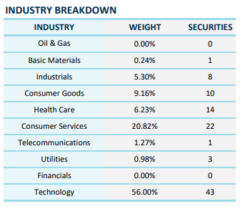
SECTOR ALLOCATION (Sort small to large for chart)
Name | Portfolio | Bmrk
Information Technology | 29.30% | 56.0%
ETF/ETN | 22.21% | 0.0%
Cash | 17.01% | 0.0%
Communication Services | 11.67% | 1.3%
Consumer Discretionary | 11.10% | 20.8%
Health Care | 3.89% | 6.2%
Consumer Staples | 3.10% | 9.2%
Industrials | 1.11% | 5.3%
Utilities | 0.60% | 1.0%
Financials | 0.00% | 0.0%
Materials | 0.00% | 0.2%
Energy | 0.00% | 0.0%
Real Estate | 0.00% | 0.0%
Future | 0.00% | 0.0%

 | 100.00% | 100.00%
PORTFOLIO STATISTICS
Metric | Portfolio | Bmrk

Number of Holdings | 107 | 102
Top 10 Holdings (%) | 67.5% | 51.3%
Mean Total Mkt Cap ($mil) | $160,846 | $161,722
P/E Ratio (Trailing) | 34.2 | 39.3 | Median

