Strategic Allocation-FACT SHEET
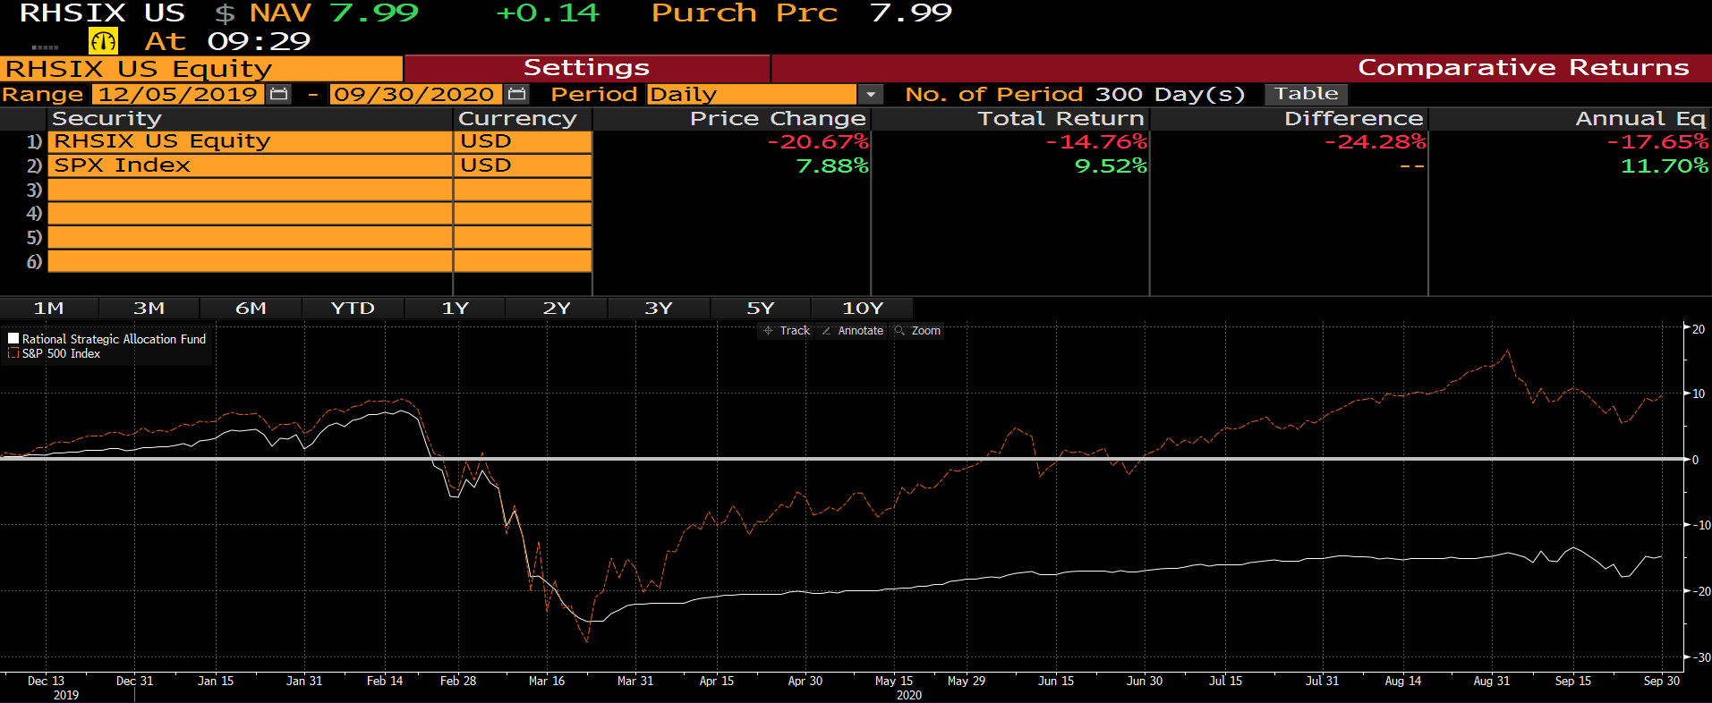
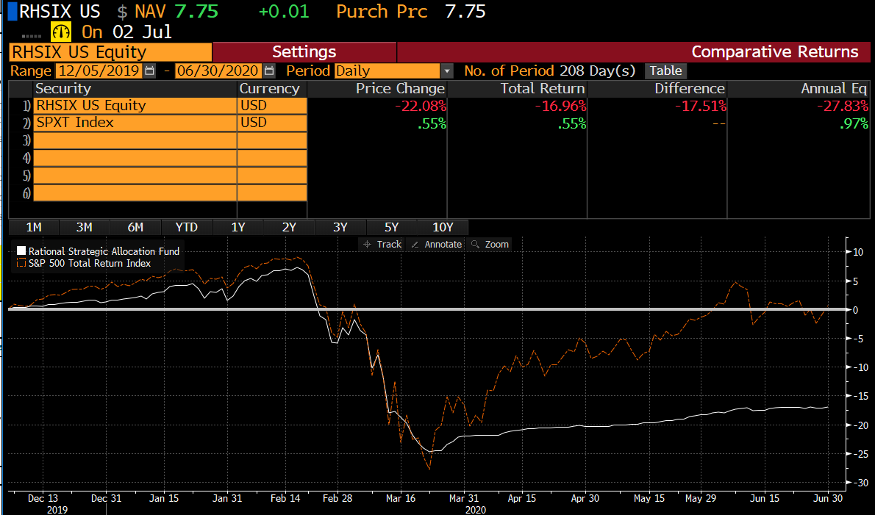
PAGE 1 |  |  |  |  |  |  |  | PAGE 2

 | GROWTH OF $10,000 - CHART | 31-Mar-21 | HBAFX | BENCH |  |  |  |  | CURRENT HOLDINGS
 |  |  | $19,618 | $51,134 |  |  |  |  |  | Weight | Exposure | Focus
 | PERFORMANCE SUMMARY GRAPH | YTD | 7.35% | 6.17% |  |  |  |  | Rational Special Situations Income Fund Institutional Class | 18.26% | 18.26% | Non-Agency RMBS
 |  | 1 Year | 34.77% | 56.35% |  |  |  |  | Catalyst Enhanced Income Strategy Fund Class I | 18.10% | 18.10% | Non-Agency RMBS
 |  | 3 Years | 4.38% | 16.78% |  |  |  |  | Rational/Pier 88 Convertible Securities Fund Institutional Class | 16.19% | 16.19% | Convertible Bond
 |  | 5 Years | 6.18% | 16.29% |  |  |  |  | Catalyst/CIFC Floating Rate Income Fund Class I | 10.48% | 10.48% | Senior Secured Notes
 |  | 10 Years | 4.87% | 13.91% |  |  |  |  | Catalyst Insider Income Fund Class I | 10.21% | 10.21% | Corporate Bonds
 |  | Inception* | 5.94% | 15.01% |  |  |  |  | Catalyst/Stone Beach Income Opportunity Fund Class I | 8.65% | 8.65% | Agency MBS
 |  |  |  |  |  |  |  |  | AlphaCentric Income Opportunities Fund Class I | 5.53% | 5.53% | Target Distribution
 | PERFORMANCE SUMMARY | YTD | 1 Year | 3 Years | 5 Years | 10 Years | Inception* |  | Cash and Equivalents | 7.76% | 7.76% | Cash Equivalents
 | Class A | 7.35 | 34.77 | 4.38 | 6.18 | 4.87 | 5.94 |  | United States Treasury Bill 0% Due 12/30/2021 | 4.83% | 4.83% | Government Bond
 | S&P 500 TR Index | 6.17 | 56.35 | 16.78 | 16.29 | 13.91 | 15.01 |  | S&P 500 Futures Contracts | 0.00% | 100.63% | Futures Contracts
 | Class A Load | 2.23 | 28.31 | 2.69 | 5.15 | 4.36 | 5.50
 | Institutional | 7.56 | 35.11 | 4.64 | n/a | n/a | 6.27
 | Class C | 7.17 | 33.72 | 3.62 | n/a | n/a | 5.20 |  |  | 100.00% | 200.63%
 | S&P 500 TR Index | 6.17 | 56.35 | 16.78 | n/a | n/a | 16.38
 |  |  |  |  |  |  |  |  | SHARE CLASS INFORMATION | Net Exp | Gross Exp
 | RISK & PERF. STATS | RHSIX | BENCH |  | DO NOT USE UNTIL 2021 |  |  |  | Class A | 2.18% | 2.83%
 | Cumulative Return* | 5.45% | 30.39% |  | BB COMP |  |  |  | Class C | 2.93% | 3.50%
 | Annualized Return* | 5.94% | 15.01% |  |  |  |  |  | Institutional | 1.93% | 2.46%
 | Standard Deviation | 10.03% | 13.99% |  |  |  |  |  | Inception Date (A & Inst/C) | 2009-07-30 | 2016-05-31
 | Sharpe Ratio | 0.59 | 1.07
 | Alpha vs. Bench | -2.85% | - |  |  |  |  |  | Distribution Schedule | Quarterly
 | Beta vs. Bench | 0.59 | -
 | Correlation vs. Bench | 0.82 | -
 | % Positive Months | 67% | 71%
 | Maximum Drawdown | -23.15% | -19.60%

