Dividend Capture -INPUTS
AS OF DATE | 2021-03-31

Load Performance
 | YTD | 1yr | 3yr | 5yr | 10yr | Inception*
Class A w/ Load | 0.32% | 20.22% | 5.89% | 2.45% | 5.11% | 5.30% | gemini

Top 10 Holdings
Name | %
Cash | 11.19%
JPMorgan Chase & Co | 3.99%
Johnson & Johnson | 3.47%
Bank of America Corp | 3.17%
Walt Disney Co/The | 3.14%
Chevron Corp | 2.70%
Comcast Corp | 2.65%
Verizon Communications Inc | 2.60%
FedEx Corp | 2.47%
Caterpillar Inc | 2.36%

SECTOR ALLOCATION (Sort small to large for chart) |  |  |  | S&P website
Name | Portfolio | Bmrk
Financials | 18.22% | 20.3%
Cash | 11.19% | 0.0%
Health Care | 10.98% | 14.4%
Industrials | 10.93% | 11.9%
Information Technology | 10.49% | 11.7%
Communication Services | 8.38% | 6.9%
Consumer Discretionary | 6.88% | 7.7%
Materials | 6.11% | 3.5%
Energy | 4.80% | 5.7%
Utilities | 4.30% | 4.9%
Consumer Staples | 4.03% | 9.0%
Real Estate | 1.91% | 3.9%
ETF/ETN | 1.78% | 0.0%
Options | 0.00% | 0.0%
 | 100.00% | 99.90%
PORTFOLIO STATISTICS
Metric | Portfolio | Bmrk

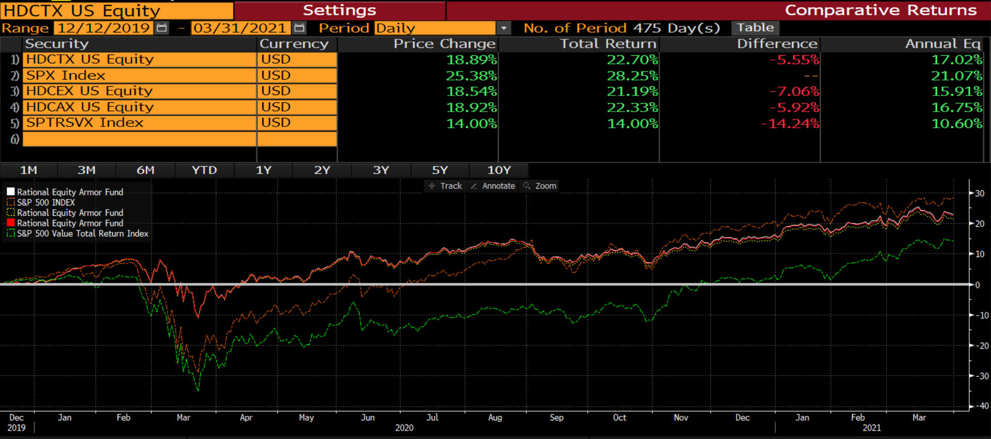
Number of Holdings | 40 | 435
Top 10 Holdings (%) | 37.7% | 18.3%
Mean Total Mkt Cap ($mil) | $215,822 | $27,787
P/E Ratio (Trailing) | 23.6 | 42.1 | Median

Dividend Capture -Fact Sheet
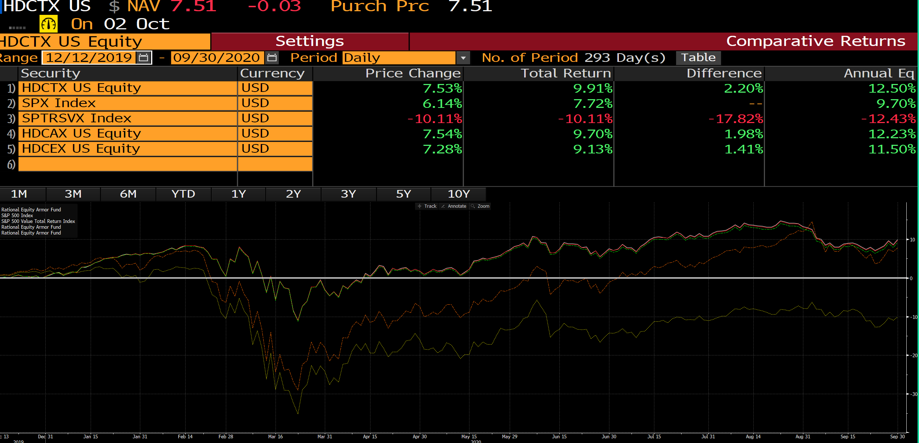
PAGE 1 |  |  |  |  |  |  |  |  |  | PAGE 2

 | GROWTH OF $10,000 - CHART | 31-Mar-21 | HDCTX | BENCH |  |  |  |  |  |  | TOP 10 HOLDINGS
 |  |  | $12,271 | $11,400 |  |  |  |  |  |  | Cash | 11.2% |  | Chevron Corp | 2.7%
 | PERFORMANCE SUMMARY GRAPH | YTD | 5.56% | 10.77% |  |  |  |  |  |  | JPMorgan Chase & Co | 4.0% |  | Comcast Corp | 2.6%
 |  | 1yr | 26.48% | 50.37% |  |  |  |  |  |  | Johnson & Johnson | 3.5% |  | Verizon Communications Inc | 2.6%
 |  | Since 12/12/2019 | 22.71% | 14.00% |  |  |  |  |  |  | Bank of America Corp | 3.2% |  | FedEx Corp | 2.5%
 |  | 3yr | 7.91% | 11.83% |  |  |  |  |  |  | Walt Disney Co/The | 3.1% |  | Caterpillar Inc | 2.4%
 |  | 5yr | 3.74% | 12.31%
 |  | 10yr | 5.89% | 11.15% |  |  |  |  |  |  | SECTOR ALLOCATION | Portfolio | Bench
 |  | Inception* | 5.81% | 6.75% |  |  |  |  |  |  | Financials | 18.2% | 20.3%
 |  |  |  |  |  |  |  |  |  |  | Cash | 11.2% | 0.0%
 |  |  |  |  | Previous Strategy |  |  |  |  |  | Health Care | 11.0% | 14.4%
 | PERFORMANCE SUMMARY | YTD | 1yr | Since 12/12/2019 | 3yr | 5yr | 10yr | Inception* |  |  | Industrials | 10.9% | 11.9%
 | Institutional Class | 5.56 | 26.48 | 22.71 | 7.91 | 3.74 | 5.89 | 5.81 |  |  | Information Technology | 10.5% | 11.7%
 | S&P 500 Value Index | 10.77 | 50.37 | 14.00 | 11.83 | 12.31 | 11.15 | 6.75 | Use this since inception value (Ultimus not correct) |  | Communication Services | 8.4% | 6.9%
 | S&P 500 Index | 6.17 | 56.35 | 25.38 | 16.78 | 16.29 | 13.91 | 8.08 |  |  | Consumer Discretionary | 6.9% | 7.7%
 | Class A | 5.37 | 26.14 | 22.33 | 7.64 | 3.45 | 5.62 | 5.55 |  |  | Materials | 6.1% | 3.5%
 | Class C | 5.24 | 25.26 | 21.18 | 6.85 | 2.78 | 4.93 | 4.68 | For C share 10YR & SI use our values |  | Energy | 4.8% | 5.7%
 | Class A Load | 0.32 | 20.22 | 16.52 | 5.89 | 2.45 | 5.11 | 5.30 |  |  | Utilities | 4.3% | 4.9%
 | Class C will not match Gemini backup file as it's a blend of historical I share w/ C 12b-1 and new C share |  |  |  |  |  |  |  |  |  | Consumer Staples | 4.0% | 9.0%
 |  |  |  |  |  |  |  |  |  |  | Real Estate | 1.9% | 3.9%
 |  |  |  |  |  |  |  |  |  |  | ETF/ETN | 1.8% | 0.0%
 |  |  |  |  |  |  |  |  |  |  | Options | 0.0% | 0.0%

 |  |  |  |  |  |  |  |  |  |  | PORTFOLIO STATISTICS | Portfolio | Bench

 |  |  |  |  |  |  |  |  |  |  | Number of Holdings | 40 | 435
 |  |  |  |  |  |  |  |  |  |  | Top 10 Holdings (%) | 37.7% | 18.3%
 |  |  |  |  |  |  |  |  |  |  | Mean Total Mkt Cap ($mil) | 215,822 | 27,787
 |  |  |  |  |  |  |  |  |  |  | P/E Ratio (Trailing) | 23.60 | 42.13

 |  | YTD | Since 12/12/2019 | 1yr | 3yr | 5yr | 10yr | Inception*
 | Institutional Class | 5.55% | 22.71% | 26.48% | 7.91% | 3.74% | 5.89% | 5.81%
 | S&P 500 Value Index | 10.77% | 14.00% | 50.37% | 11.83% | 12.31% | 11.15% | 6.75%
 | S&P 500 Index | 6.17% | 25.38% | 56.35% | 16.78% | 16.29% | 13.91% | 8.08% | BB COMP
 | Class A | 5.37% | 22.33% | 26.14% | 7.64% | 3.45% | 5.62% | 5.55%
 | Class C | 5.25% | 21.18% | 25.25% | 6.84% | 2.78% | 4.93% | 4.68%
 | Class A Load | 0.320% | 16.523% | 20.220% | 5.890% | 2.450% | 5.110% | 5.300%
 |  |  | Cumulative until 12/12/2020

