Executive Summary
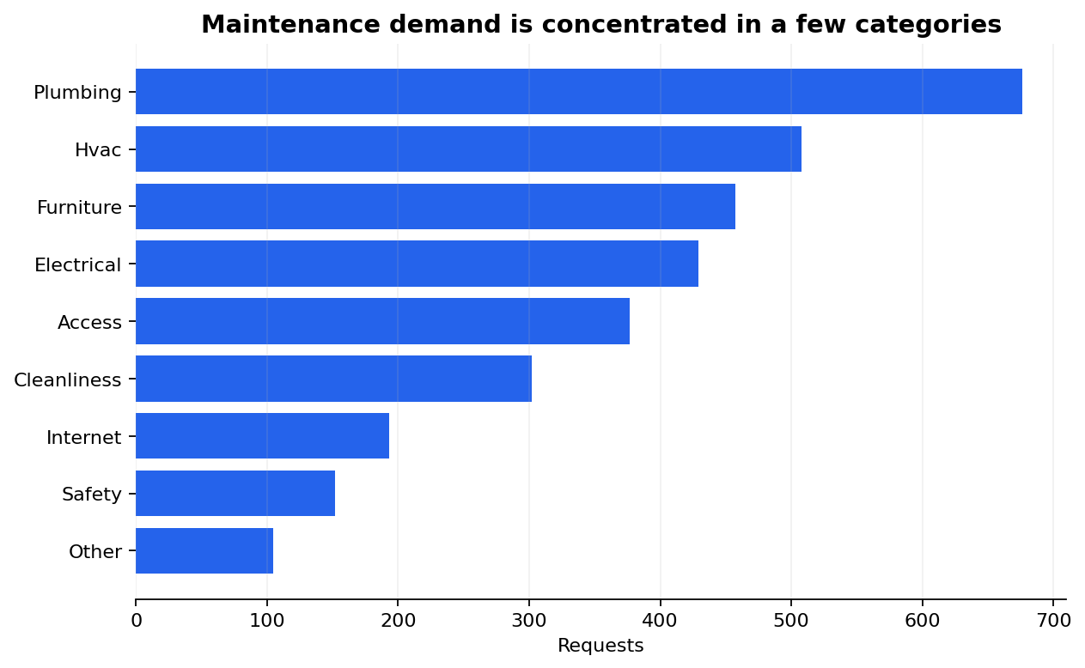
Residence Hall Maintenance Operations Dashboard
Synthetic data | 3,199 cleaned records | Built for portfolio demonstration

Key performance indicators |  | Recommended actions
Total requests | 3199
Avg. assignment time (hours) | 5.58 | 1. Route emergency and high-priority requests through a dedicated triage queue.
Assignment SLA rate | 87.0% | 2. Use hall-level workload monitoring to rebalance assignments before backlogs grow.
Avg. resolution time (hours) | 22.05 | 3. Create recurring-work playbooks for plumbing, HVAC, and furniture requests.
Reopen rate | 9.8% | 4. Track assignment SLA weekly and review reopened requests for root causes.
Avg. satisfaction | 4.24

