Part C - Graphs
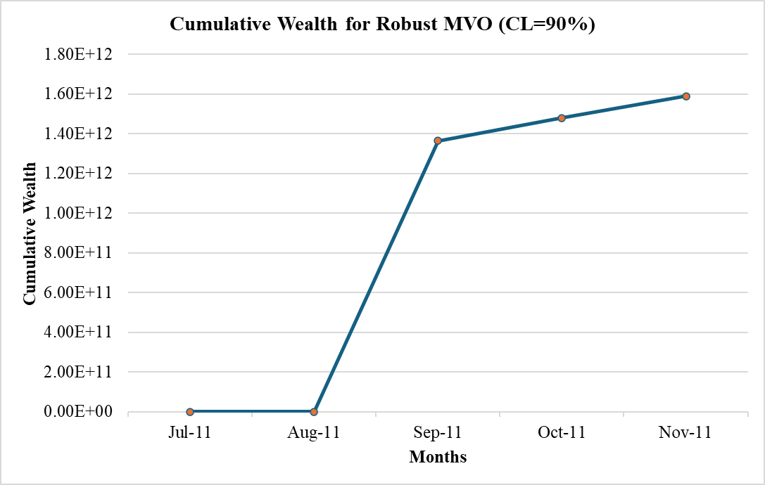
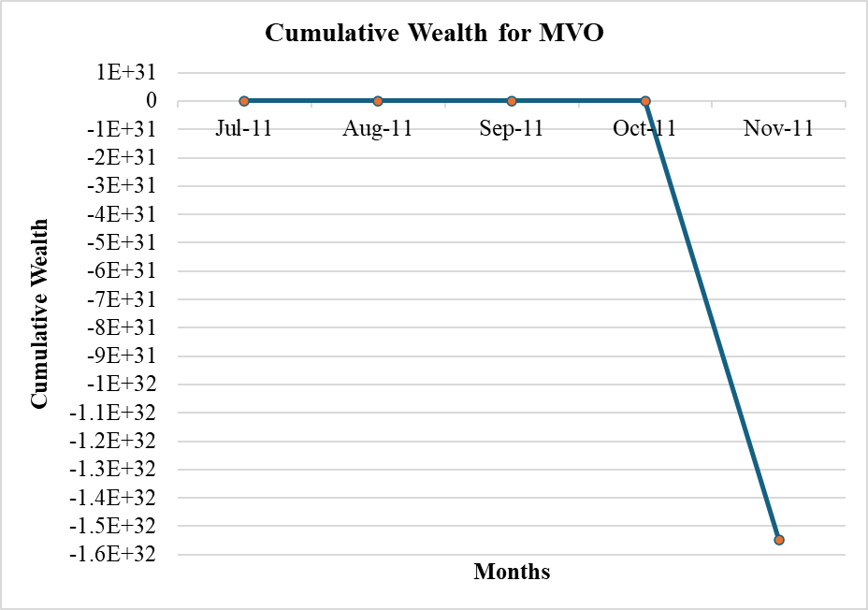
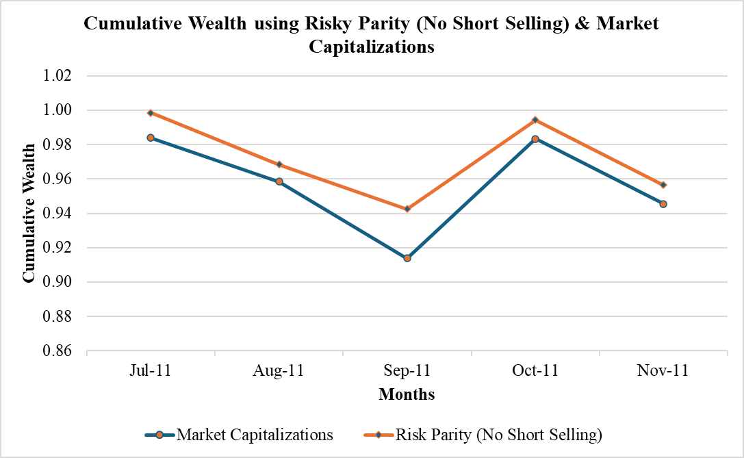
Month | Mean-variance optimization (MVO) | Robust mean-variance optimization (CL = 95%) | Robust mean-variance optimization (CL = 90%) | Risk Parity optimization with no short selling. | Market Capitalizations
2024-07-11 | 707780 | 9.27E+04 | 2.64E+03 | -0.016 | -0.0015
2024-08-11 | 2.15E+07 | 1.40E+05 | 2.57E+04 | -0.026 | -0.0301
2024-09-11 | 1.43E+07 | 0.9309 | 2.01E+04 | -0.0466 | -0.0268
2024-10-11 | -6.07E+04 | 0.0845 | 0.0845 | 0.0761 | 0.055
2024-11-11 | 1.17E+07 | 0.0365 | 0.074 | -0.0385 | -0.038

2024-07-11 | 707781 | 9.27E+04 | 2.64E+03 | 0.98
2024-08-11 | 1.52E+13 | 1.30E+10 | 6.78E+07 | 0.958416
2024-09-11 | 2.18E+20 | 2.50E+10 | 1.36E+12 | 9.14E-01
2024-10-11 | -1.32E+25 | 2.71E+10 | 1.48E+12 | 0.98329048
2024-11-11 | -1.55E+32 | 2.81E+10 | 1.59E+12 | 0.945433796

2024-07-11 | 707781
2024-08-11 | 1.52E+13
2024-09-11 | 2.18E+20
2024-10-11 | -1.32E+25
2024-11-11 | -1.55E+32

