Results
Net Financial Position (In Thousands of Dollars)
2010 | -10,857.0
2011 | -9,350.0
2012 | 5,861.0
2013 | 9,912.0
2014 | 12,010.0
2015 | 26,320.0
2016 | 7,812.0
2017 | 9,584.0
2018 | -12,489.0
2019 | -23,029.0
2020 | -11,231.0
2021 | -23,746.0
2022 | -17,038.0
2023 | -69,883.0
More
Sustainable
Less
Sustainable
Interest-to-Total Revenues
2010 | 0.043089963258
2011 | 0.023722011777
2012 | 0.032538381542
2013 | 0.04350273712
2014 | 0.029927645407
2015 | 0.020886050528
2016 | 0.019552635695
2017 | 0.014234590322
2018 | 0.015633702972
2019 | 0.023549484093
2020 | 0.024683025599
2021 | 0.020779779632
2022 | 0.016440925768
2023 | 0.01817722552
Less
Flexible
More
Flexible
Government Transfers-to-Total Revenue
2010 | 0.21832369311
2011 | 0.1856880321
2012 | 0.22158179543
2013 | 0.19093838568
2014 | 0.1648531518
2015 | 0.13569238596
2016 | 0.16898691277
2017 | 0.13322561692
2018 | 0.11761355005
2019 | 0.17342355413
2020 | 0.14418116955
2021 | 0.21962018866
2022 | 0.13744908186
2023 | 0.08802012999
More
Vulnerable
Less
Vulnerable
Financial Assets-to-Total Liabilities
2010 | 0.90459578207
2011 | 0.91331194719
2012 | 1.0575912115
2013 | 1.0980163361
2014 | 1.1220392029
2015 | 1.2807915933
2016 | 1.0717625552
2017 | 1.0893396473
2018 | 0.91829885779
2019 | 0.84802148778
2020 | 0.92500817959
2021 | 0.87152796563
2022 | 0.91148677081
2023 | 0.67882436749
Total Assets-to-Total Liabilities
2010 | 2.3827065026
2011 | 2.4844239648
2012 | 2.6808654895
2013 | 2.7434883215
2014 | 2.8435845586
2015 | 3.1774470582
2016 | 2.8961316933
2017 | 2.9005462545
2018 | 2.3529327105
2019 | 2.4440895412
2020 | 2.5637640806
2021 | 2.1097038424
2022 | 2.1936765875
2023 | 2.0826343728
More
Sustainable
Less
Sustainable
More
Sustainable
Less
Sustainable
Net Book Value-to-Cost of Tangible Capital Assets
2010 | 0.51919402681
2011 | 0.51005622577
2012 | 0.49275919977
2013 | 0.48454211644
2014 | 0.48096511549
2015 | 0.48221529431
2016 | 0.48143402748
2017 | 0.47500935507
2018 | 0.49953439646
2019 | 0.50465264854
2020 | 0.5045651902
2021 | 0.44282230446
2022 | 0.45491418876
2023 | 0.48491239393
More
Flexible
Less
Flexible
What it is: The difference between the city’s financial assets (like cash and receivables) and its liabilities (like debt and pensions). This is the cumulative surplus/deficit that the city has accumulated through successive budget cycles. What it tells you: A positive net financial position suggests the city has more financial assets than obligations and is in a better position to weather downturns, invest in infrastructure, or respond to emergencies without resorting to borrowing or service cuts. If this number is negative, the city has spent more than it has saved and is relying on future revenue to pay past bills. What the trend shows: A downward trend means the city is growing more reliant on borrowing or deferring payments. An upward trend means it’s becoming more financially secure. | What it is: The percentage of annual revenue spent on interest payments. What it tells you: This shows how much of the budget is consumed by past borrowing. The higher the percentage, the less room for services, maintenance, or investment. What the trend shows: An increasing trend limits future choices and can crowd out basic services. A decreasing trend improves flexibility and budget health. | What it is: The share of the city’s income that comes from state or federal aid. What it tells you: High dependency on outside funding makes the city vulnerable to political or economic shifts beyond its control. What the trend shows: If the trend is rising, the city is becoming more dependent on outside help. If it’s falling, the city is strengthening its local revenue base.

Net Debt-to-Total Revenues
2015 | 0.1974789916
2016 | 0.17533660878
2017 | 0
2018 | 0
2019 | 0
2020 | 0
2021 | 0
2022 | 0
2023 | 0.15809661249
 | 0.26728490349
 | 0.13535891626
 | 0.26890280499
 | 0.15666694252
 | 0.67893054571
Less
Sustainable
More
Sustainable
What it is: The city’s financial assets—such as cash, receivables, and other short-term holdings—divided by its total liabilities. This is a different way of presenting the Net Financial Position. What it tells you: This ratio shows whether the city has enough liquid financial resources to cover what it owes. A ratio below 1 means it would not be able to pay off its liabilities using only its financial assets, which is a sign of financial stress. What the trend shows: A rising trend means the city is improving its financial buffer. A falling trend suggests the city is becoming less able to handle its obligations without borrowing or cutting services. | What it is: The current value of the city’s physical assets compared to their original cost. What it tells you: This indicates how well the city is maintaining its infrastructure. A low value means assets are aging and wearing out. What the trend shows: A declining trend means the city is falling behind on maintenance. A stable or rising trend suggests it is keeping up.

What it is: The value of all the city’s assets (including infrastructure) divided by its total liabilities. What it tells you: A ratio above 1 means the city owns more than it owes (solvent). Below 1 means it owes more than it owns (insolvent). What the trend shows: A downward trend means the city is becoming less solvent. An upward trend shows improving financial resilience.

What it is: The total liabilities the city owes compared to how much revenue it collects in a year. What it tells you: This shows how many years of income it would take to pay off all debts if every dollar went to debt repayment. What the trend shows: If the ratio is rising, debt is growing faster than income—this is unsustainable. If it’s falling, the city is gaining control of its obligations. Note: If this graph shows a flat line at 0 after inputting your city’s numbers, this means that the city has a net surplus (no net debt).

Financial Report Pages
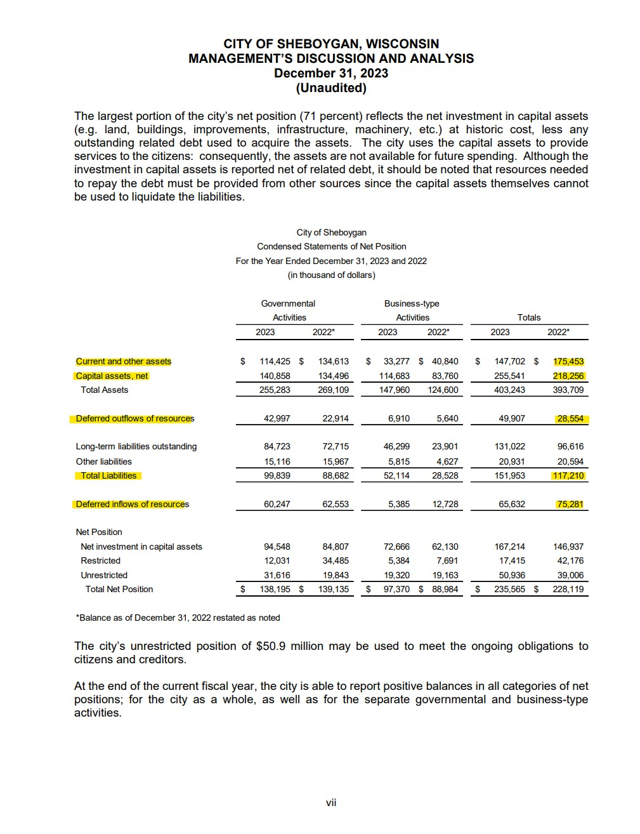
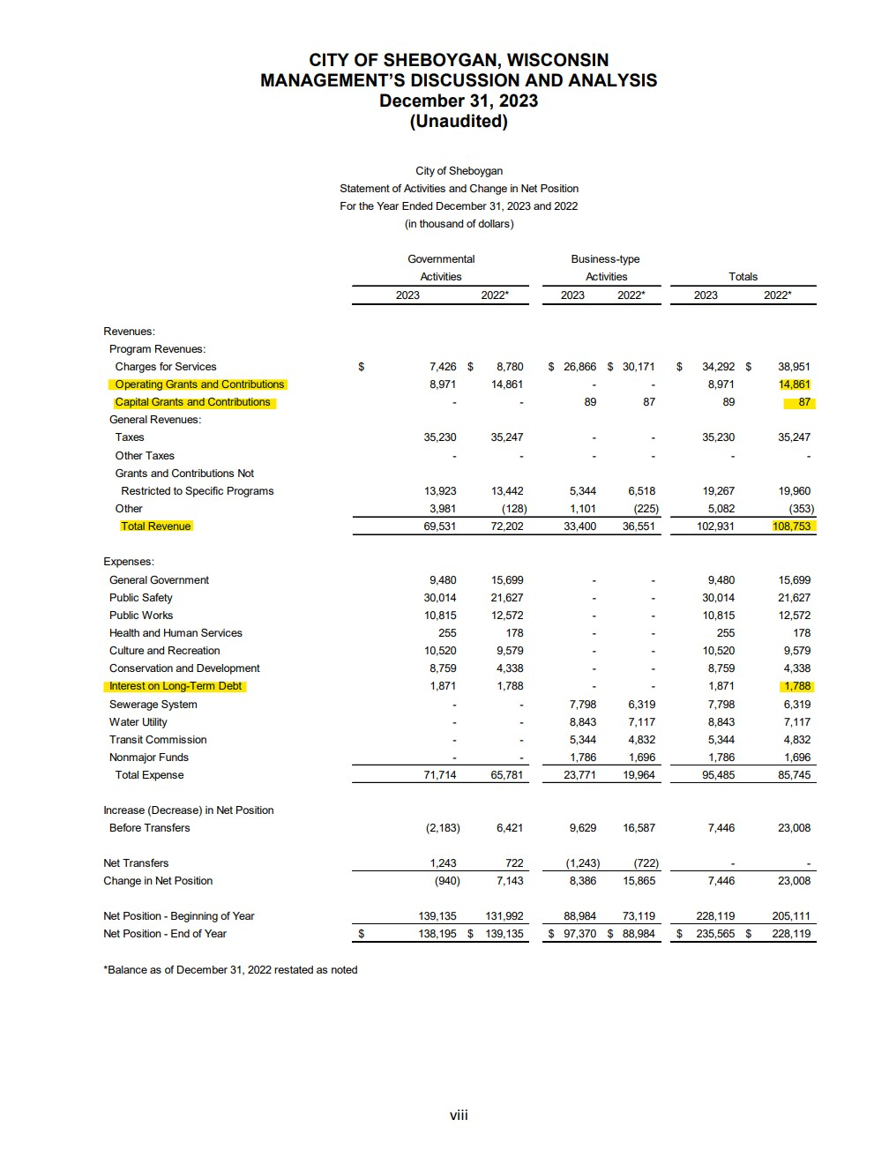
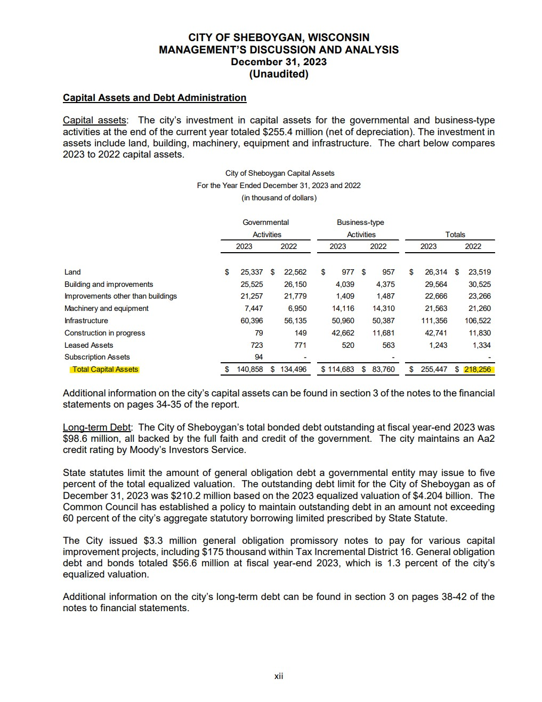
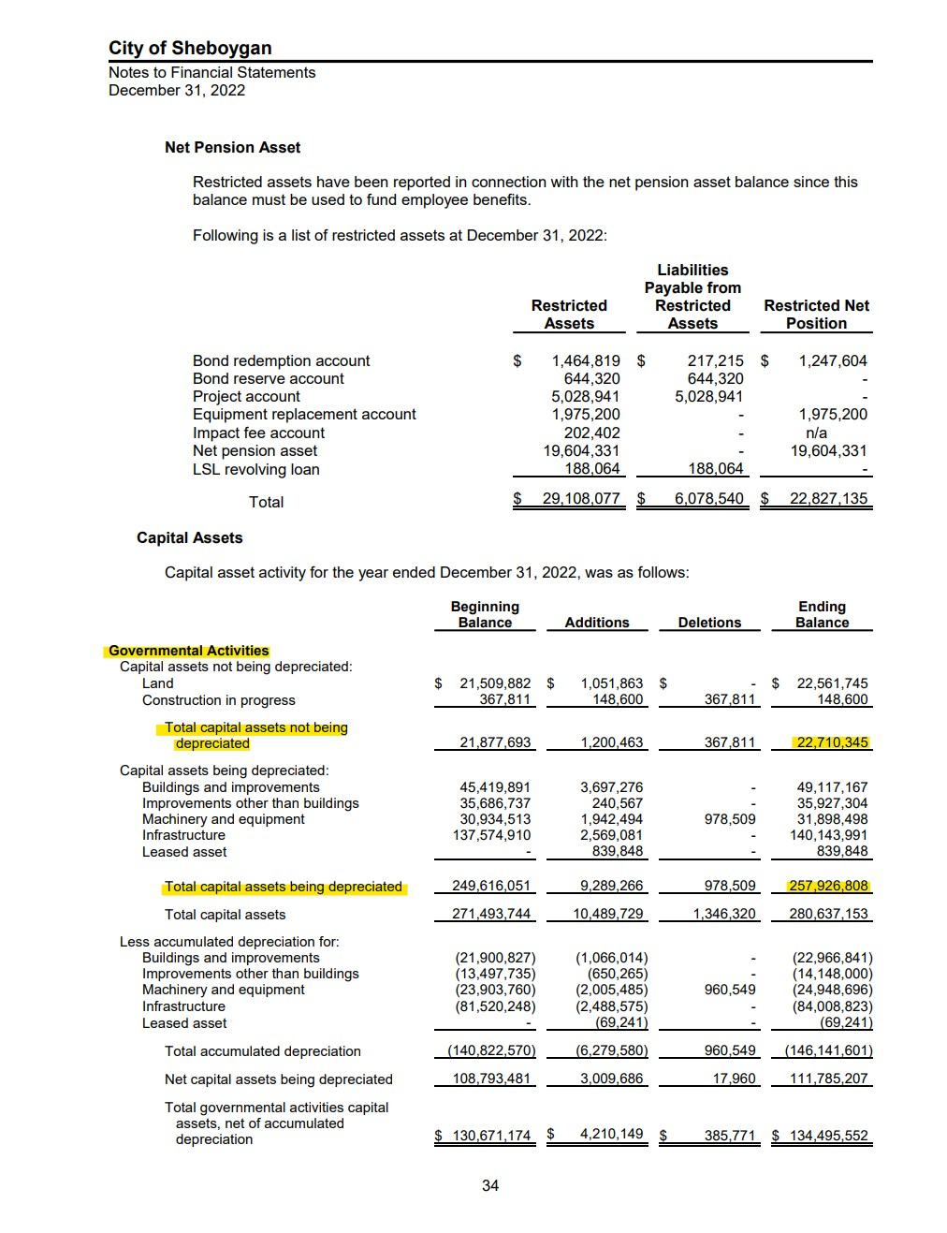
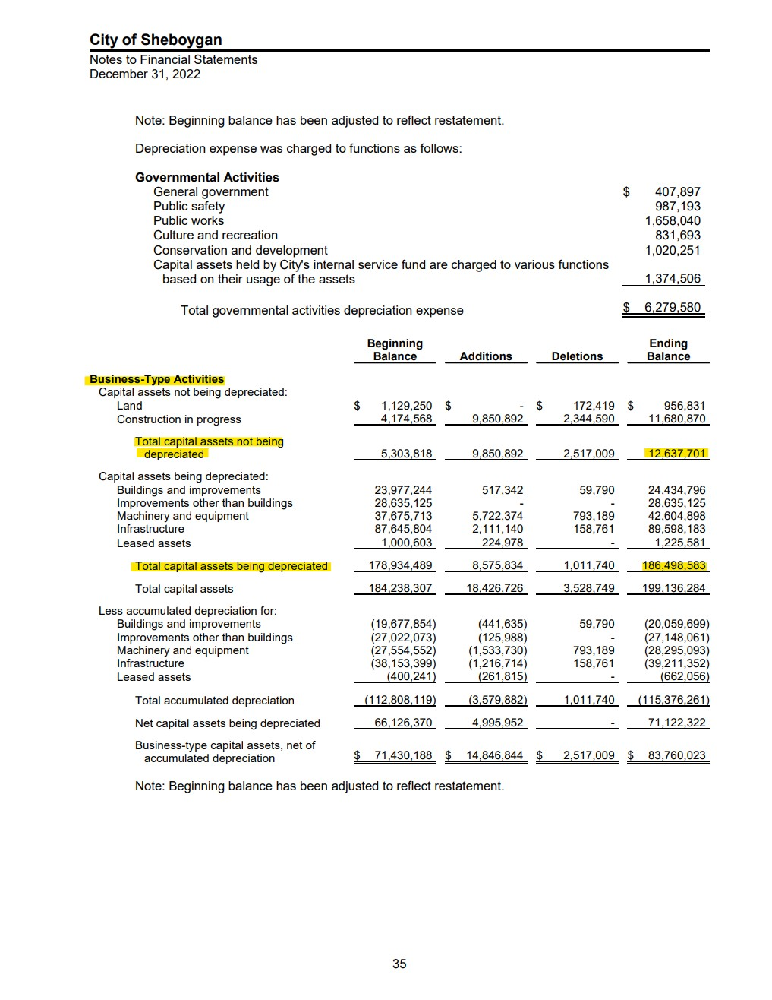
2023 Reports
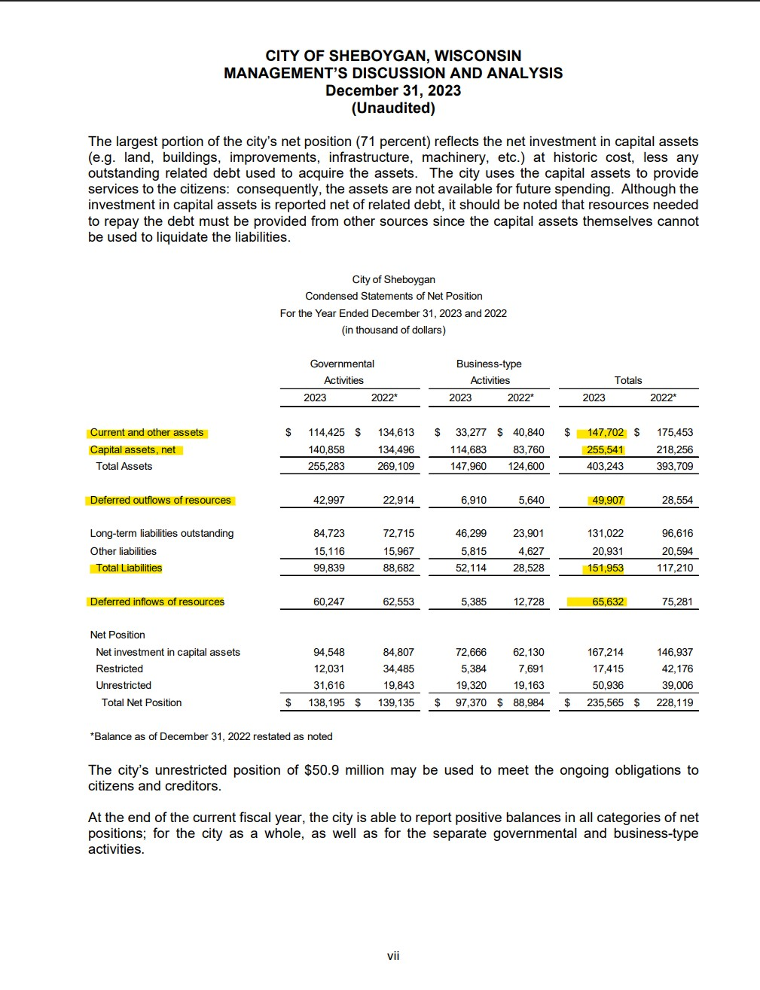

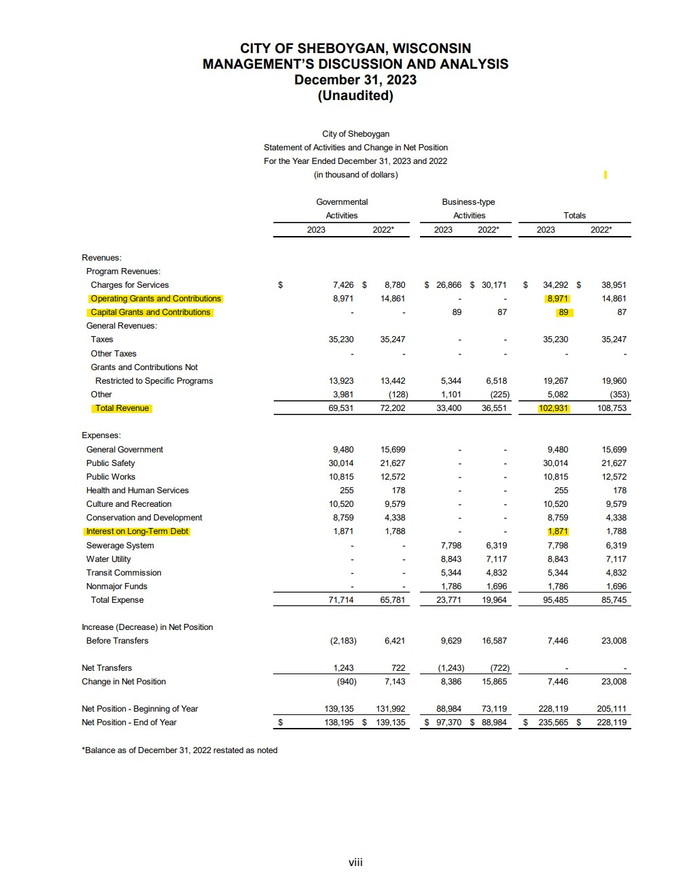

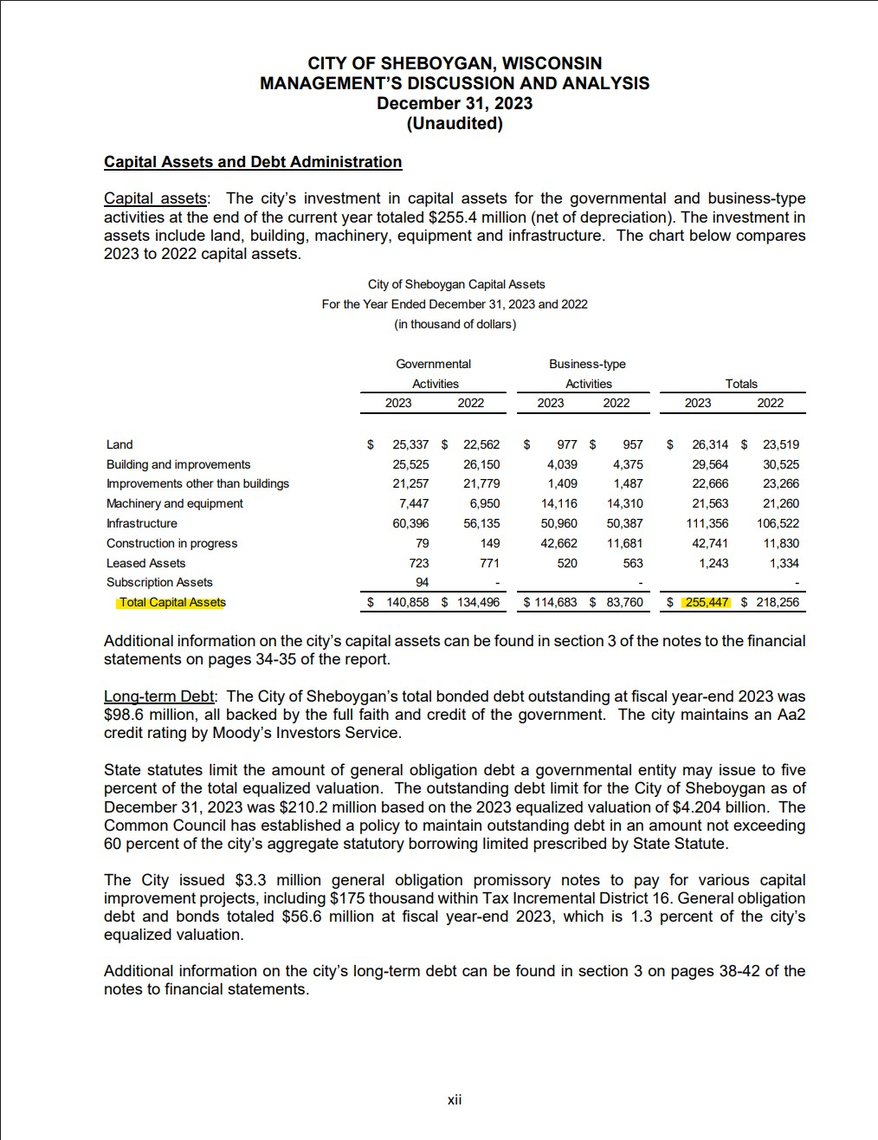

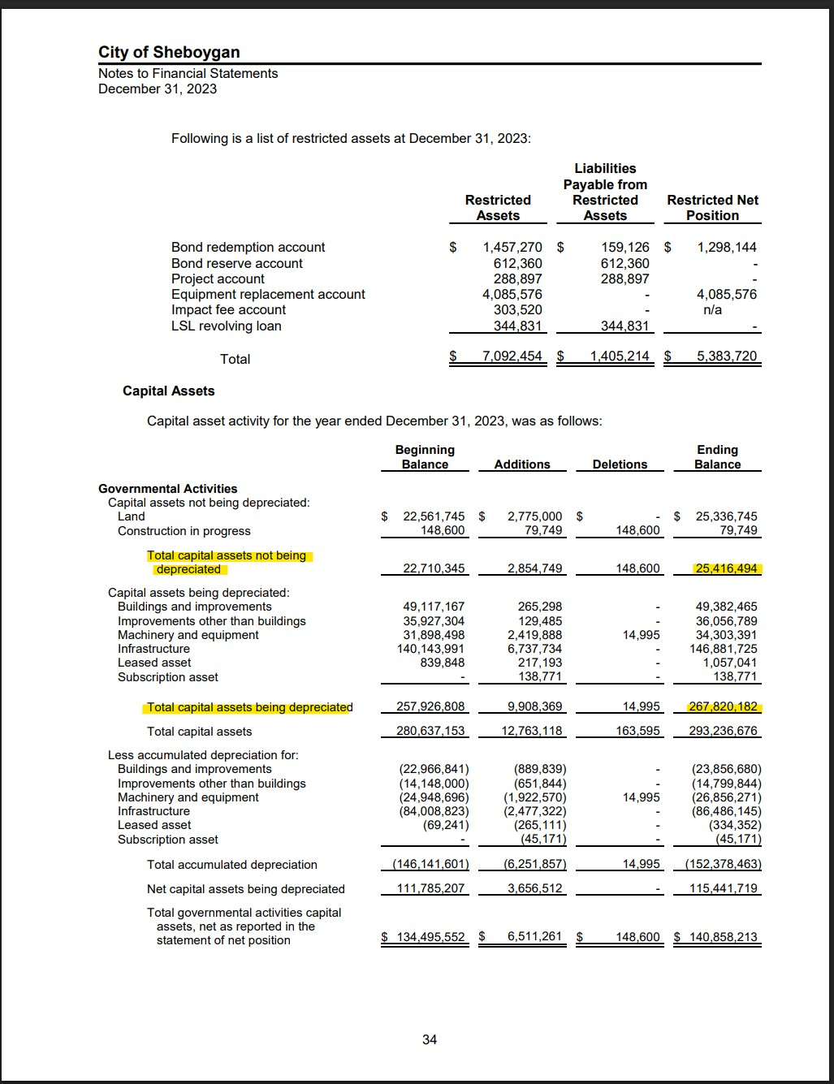

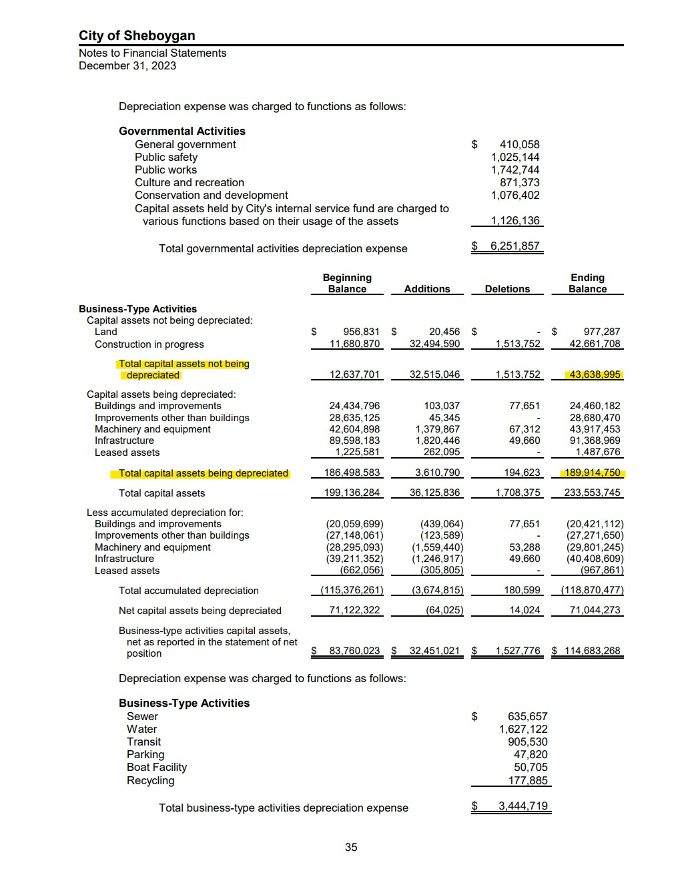

2022 Reports | Note: the most recent year will be used if available. Ex. 2023 Condensed Net Position will be used for 2022 numbers. While the notes on capital assets are only available on 2022 report

