max_z
x1 = | 30000
x2 = | 30000
z = | 30000
Max | z = | 30000

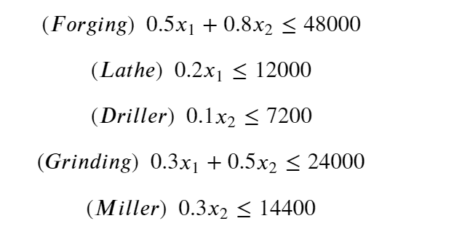
s.t
39000 | ≤ | 48000
6000 | ≤ | 12000
3000 | ≤ | 7200
24000 | ≤ | 24000
9000 | ≤ | 14400

