ASP.NET Web Deployment
http://www.asp.net/whitepapers/aspnet-web-deployment-content-map#appoffline
Web Deployment Overview for Visual Studio and ASP.NET

Typical Deployment Scenarios
 | One-click publish
 |  | deploy directly from the Visual Studio IDE by clicking a button.
 | A web deployment package is a .zip file
 |  | You create the package from the command line or in Visual Studio, and you install it on the destination server by using the command line or IIS Manager.

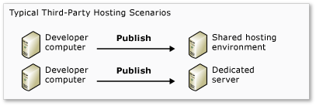

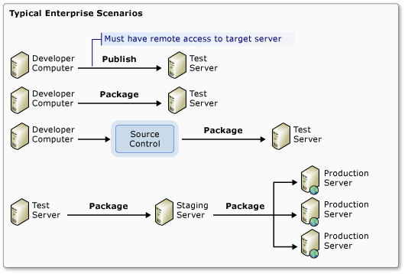

Basic Deployment Tasks
 | 1:Set up an account with a hosting company.
 | 2:Create a publish profile.(.pubxml file)
 |  | A publish profile specifies the server you are deploying to, credentials for logging on to the server, databases to deploy, and other options.
 | 3:Start the deployment process by clicking the one-click publish button.

Configuring Database Deployment in Visual Studio
 | Visual Studio offers three methods of automated database deployment:
 | 1:Entity Framework Code First Migrations

 | 2:The dbDacFx Web Deploy Provider

 | 3:The dbFullSql Web Deploy Provider

Other Deployment Tasks
 | Configure Web.config transformations.
 |  | Web.config Transformation Syntax for Web Project Deployment Using Visual Studio
 |  | Windows Azure Web Sites: How Application Strings and Connection Strings Work on

 | Specify which files and folders should be copied to the destination server.
 |  | For example, you might want to exclude database files in the App_Data folder if those files are only used in development.

 | Set folder permissions on the destination server.
 |  | For example, if the application lets users upload files, it needs write access to the folder where it saves the uploaded files.
 |  | Setting Folder Permissions

 | Precompile the project.
 |  | By default, web site projects are not precompiled, and .aspx and .ascx pages are not precompiled in web application projects.
 |  | In some large applications, the process of compiling can result in a slight delay that might be noticeable the first time a web page is requested after deployment.

 | Take the application off-line during deployment.

 | Test the site in an environment similar to production before deploying it to production.
 |  | Deploying to IIS as a Test Environment

 | Configure deployment settings that aren't exposed in the Visual Studio UI.
 |  | For example, you can't use the UI to exclude an individual folder from deployment.
 |  | How to: Edit Deployment Settings in Publish Profile (.pubxml) Files and the .wpp.targets File in Visual Studio Web Projects.

 | Make sure that binary files for ASP.NET MVC are copied to the server.
 |  | If you're deploying to a hosting provider that does not support ASP.NET MVC or your target version of it,
 |  | make sure that you have installed the appropriate MVC 3 or MVC 4 NuGet package in your project.

 | Make sure that binary files for SQL Server Compact 4.0 are copied to the server.
 |  | If you're deploying to a hosting provider that does not support SQL Server Compact 4.0,
 |  | make sure that you have installed the SqlServerCompact NuGet package in your project.
 |  | You must also include the bin\x86 and bin\amd64 folders in your project.
 |  | Deploying SQL Server Compact Databases.

 | Make sure that the destination server can correctly generate password hashes or decrypt encrypted information in a database.
 |  | Using SQL Membership with ASP.NET Application
 |  | The default algorithm is HMACSHA256 and is specified in the validation attribute of the machineKey element in the Web.config file.

 | Install certificates on the server.

Backup and Restore
 | 1:Back up all of the code and resources used by the site.
 | 2:If the update includes database changes, create a rollback plan for backing out the database changes.
 | 3:If the application interfaces with other applications, create a rollback plan that specifies what to do about them if you have to roll back an update.

One-Click Publish
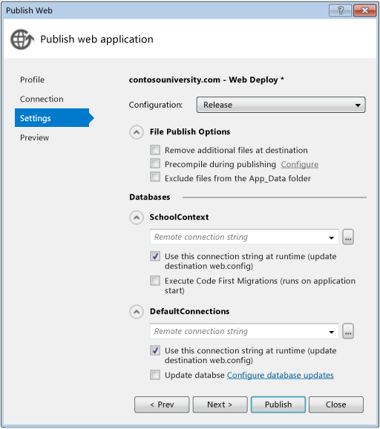
How to: Deploy a Web Project Using One-Click Publish in Visual Studio

 | You can deploy to any of the following destinations:
 | １：To a hosting provider.
 | ２：To a file folder on your network (you can manually copy from there to a folder used by IIS).
 | ３：To IIS on your development computer as a testing environment.
 | ４：To a server on your company's internal network.

 | Create a publish profile
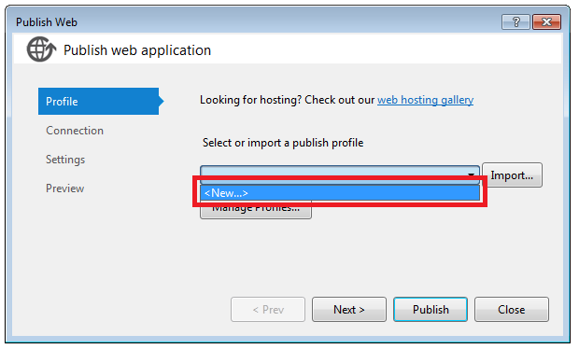

 |  | If you are publishing to Windows Azure Web Sites, you can download and import a .publishsettings file for a destination web site,
 |  | or you can connect directly to your Windows Azure Account from Visual Studio.
 |  | Deploying an ASP.NET Web Application to a Windows Azure Web Site

 |  | １：If you are going to use a .publishsettings file to create your publish profile, start by downloading the .publishsettings file from your hosting provider.
 |  | The procedure for doing this depends on your hosting provider.
 |  | You don’t need to do this if you are deploying to a Windows Azure Web Site.

 |  | ２：right-click the project and select Publish to open the Publish Web wizard.

 |  | ３：Perform one of the following procedures to create a publish profile:
 |  |  | To create a profile by importing a .publishsettings file for a web site
 |  |  | To create a profile without a .publishsettings file

 | Configuring the Connection Tab
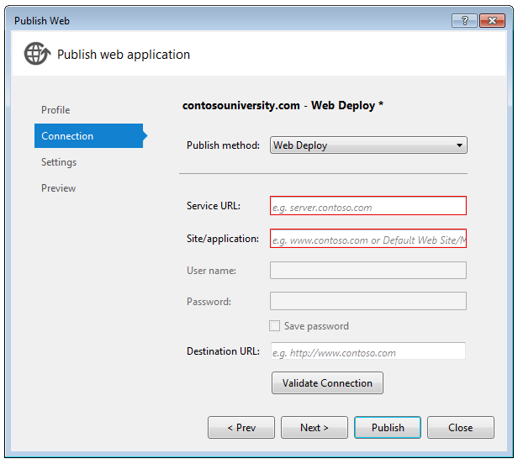

 |  | １：Select a value from the Publish method list.
 |  |  | If you select Web Deploy and you are publishing to IIS on your own computer for testing, you must have administrative rights on your computer,
 |  |  | and Visual Studio must be running in administrator mode.

 |  |  | If you select Web Deploy and you are publishing to a server on your own network,
 |  |  | make sure that the server is set up for the Web Deployment Agent Service (MSDepSvc, also known as Remote Agent service),
 |  |  | and that you have administrative rights on the destination server.

 |  |  | If you are deploying to a hosting provider that does not support Web Deploy, you can select FTP instead.
 |  |  | FTP-Deployed Web Site Projects

 |  |  | One of the Publish method options is Web Deploy Package. If you want to create a deployment package,
 |  |  | see: How to: Create a Web Deployment Package in Visual Studio

 |  | ２：In the Service URL box, enter the URL that Web Deploy can use to publish the application.
 |  |  | If you are publishing to a hosting company, the company provides this value. (for example, https://contoso.com)
 |  |  | If you are publishing to IIS on your own computer for testing, enter localhost or the name of your computer.
 |  |  | If you are publishing to a server on your own network, enter one of the following URLs:
 |  |  |  | http://ServerName
 |  |  |  | http://ServerName/msdeployagentservice
 |  |  | If you’re publishing through a firewall, you might need to open port 8172.

 |  | ３：In the Site/application box, enter the name of the IIS web site and application.
 |  |  | if you are publishing to the default web site in IIS and if the application name is MyApplication, enter Default Web Site/MyApplication.

 |  | ４：In the User name and Password boxes, enter credentials for an account that has sufficient authority to perform deployment tasks on the destination web server.
 |  |  | If you are publishing to a hosting company, the company provides these values.

 |  | ５：If you do not want to be prompted for a password every time you publish, select the Save password check box.
 |  |  | The password is encrypted and stored in a .pubxml.user file in the PublishProfiles folder.
 |  |  | If you use source control, this file is excluded from source control by default.

 | Configuring the Setting Tab

