Sheet1
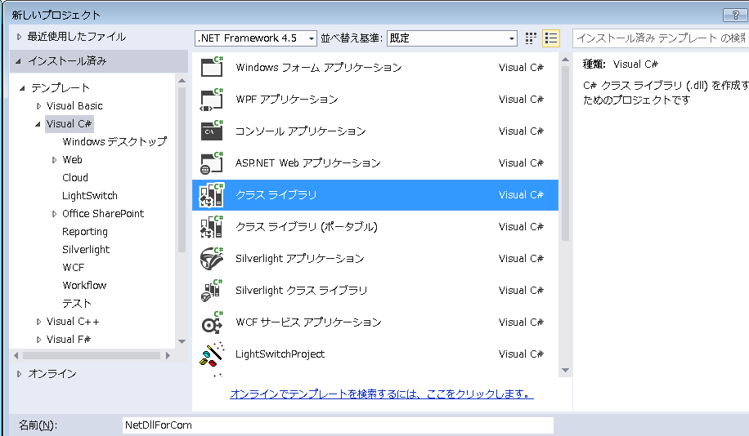

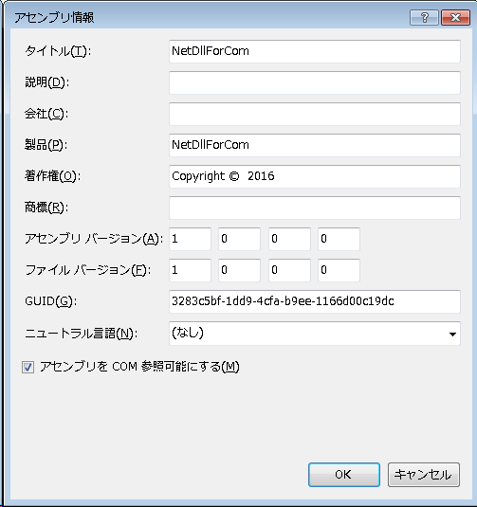

Check this
 | Then: It will set [assembly: ComVisible(true)] in AssemblyInfo.cs

 |  | Check this
 |  |  | Or else: when createInstance in net2.0 It will get error

 |  | Here you can built project get NetDllForCom.dll

 |  | Run file Dll_Install.bat at ./RegisterAndSavetoGac/ to register dll

 |  | Check register result

 |  | Here is all to register dll

 |  | You can create instance in net2.0 with two ways
 |  |  | one is: CreateInstance
 |  |  | the other is: CreatObject

