D Column Evaluation
Text file import
 |  |  |  | Does // exist in B4 | If NOT( // exists and after =) | Does // exist in B4 OR not(does // exist in A4 AND after =) | Is len of C4 0 | Extract from right to // | Else
// DefaultLivery="PREFIX" // PREFIX is the base texture map name, assumed to be BMP unless specified | // DefaultLivery="PREFIX" // PREFIX is the base texture map name, assumed to be BMP unless specified |  |  | TRUE | false | *true | true* | // DefaultLivery="PREFIX" // PREFIX is the base texture map name, assumed to be BMP unless specified | // DefaultLivery="PREFIX" // PREFIX is the base texture map name, assumed to be BMP unless specified
DefaultLivery="C6R_00.DDS" // " | DefaultLivery= | "C6R_00.DDS" | // " | FALSE | false | *false | false* | // " | // "
 |  |  |  | FALSE | true* | *true | true* | #VALUE!
HDVehicle=C6R_GT2_2009.hdv | HDVehicle= | C6R_GT2_2009.hdv |  | FALSE | true* | *true | false* | #VALUE!
Graphics=C6R.gen | Graphics= | C6R.gen |  | FALSE | true* | *true | false* | #VALUE!
Spinner=C6R_Spinner.gen | Spinner= | C6R_Spinner.gen |  | FALSE | true* | *true | false* | #VALUE!
Upgrades=C6R_Upgrades.ini // Vehicle upgrades information | Upgrades= | C6R_Upgrades.ini | // Vehicle upgrades information | FALSE | false | *false | false* | // Vehicle upgrades information | // Vehicle upgrades information
GenString=// Used to generate GMT names in *.gen file | GenString= |  | // Used to generate GMT names in *.gen file | FALSE | false | *false | true* | // Used to generate GMT names in *.gen file | GenString=// Used to generate GMT names in *.gen file
Cameras=C6R.cam // Defaults to cams.cfg in UserData directory | Cameras= | C6R.cam | // Defaults to cams.cfg in UserData directory | FALSE | false | *false | false* | // Defaults to cams.cfg in UserData directory | // Defaults to cams.cfg in UserData directory
Sounds=C6R.sfx// | Sounds= | C6R.sfx | // | FALSE | false | *false | false* | // | //
HeadPhysics=HeadPhysics_GT.ini o// Affects driver eyepoint only | HeadPhysics= | HeadPhysics_GT.ini | o// Affects driver eyepoint only | FALSE | false | *false | false* | // Affects driver eyepoint only | o// Affects driver eyepoint only
Cockpit=C6R_cockpitinfo.ini | Cockpit= | C6R_cockpitinfo.ini |  | FALSE | true* | *true | false* | #VALUE!
AIUpgradeClass=GT2 | AIUpgradeClass= | GT2 |  | FALSE | true* | *true | false* | #VALUE!
 |  |  |  | FALSE | true* | *true | true* | #VALUE!
//////////////////////////TEAM HISTORY AND INFORMATION/////////////////////////////////////////// | //////////////////////////TEAM HISTORY AND INFORMATION/////////////////////////////////////////// |  |  | TRUE | true* | *true | true* | //////////////////////////TEAM HISTORY AND INFORMATION/////////////////////////////////////////// | //////////////////////////TEAM HISTORY AND INFORMATION///////////////////////////////////////////
 |  |  |  | FALSE | true* | *true | true* | #VALUE!
 |  |  |  | FALSE | true* | *true | true*
Number=00 | Number= | 00 |  | FALSE | true* | *true | false*
Team="Corvette Racing" | Team= | "Corvette Racing" |  | FALSE | true* | *true | false*
PitGroup="Group1" | PitGroup= | "Group1" |  | FALSE | true* | *true | false*
Driver="Milos / Stokely" | Driver= | "Milos / Stokely" |  | FALSE | true* | *true | false*
Description="Corvette C6.R GT2_c #00" | Description= | "Corvette C6.R GT2_c #00" |  | FALSE | true* | *true | false*
Engine="Chevrolet V-8" | Engine= | "Chevrolet V-8" |  | FALSE | true* | *true | false*
Manufacturer="Michelin" | Manufacturer= | "Michelin" |  | FALSE | true* | *true | false*
Classes="GT2_C6R" | Classes= | "GT2_C6R" |  | FALSE | true* | *true | false*
 |  |  |  | FALSE | true* | *true | true*
FullTeamName="Corvette Racing" | FullTeamName= | "Corvette Racing" |  | FALSE | true* | *true | false*
TeamFounded=2003 | TeamFounded= | 2003 |  | FALSE | true* | *true | false*
TeamHeadquarters="Sparta, Wisconsin" | TeamHeadquarters= | "Sparta, Wisconsin" |  | FALSE | true* | *true | false*
TeamStarts=30 | TeamStarts= | 30 |  | FALSE | true* | *true | false*
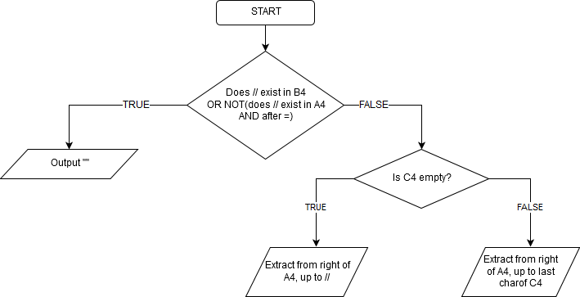
TeamPoles=5 | TeamPoles= | 5 |  | FALSE | true* | *true | false*
TeamWins=5 | TeamWins= | 5 |  | FALSE | true* | *true | false*
TeamWorldChampionships=2 | TeamWorldChampionships= | 2 |  | FALSE | true* | *true
 |  |  |  | FALSE | true* | *true
 |  |  |  | FALSE | true* | *true
Category="VIR_3H_Event, Corvette ALMS GT2 2009 custom" | Category= | "VIR_3H_Event, Corvette ALMS GT2 2009 custom" |  | FALSE | true* | *true

C Column Evaluation
 |  |  | Does B4 contain // or omits = |  |  | if "//" doesn't exist |  | if char(34) exists |  |  |  | if space (char32) exists
 |  |  | Does // exist in B4 | If "=" not exists | Does // exist in B4 OR does = NOT exist in B4 |  | extract after '=' | if " exists | (IF True) if " exists before // | Extract within quotes IF applicable | extract within quotes | if space exists | if " " exists before // | Extract from = to (" " or //) IF applicable | extract from = to before " " | extract from = to "//"
// DefaultLivery="PREFIX" // PREFIX is the base texture map name, assumed to be BMP unless specified | // DefaultLivery="PREFIX" // PREFIX is the base texture map name, assumed to be BMP unless specified |  | TRUE | FALSE | *true | FALSE |  | TRUE | FALSE
DefaultLivery="C6R_00.DDS" // " | DefaultLivery= | "C6R_00.DDS" | FALSE | FALSE | *false | FALSE | "C6R_00.DDS" // " | TRUE | TRUE | "C6R_00.DDS" | "C6R_00.DDS" | TRUE | TRUE | "C6R_00.DDS" | "C6R_00.DDS" | "C6R_00.DDS"
 |  |  | FALSE | TRUE | *true | TRUE | #VALUE! | FALSE | #VALUE! | false* | #VALUE! | FALSE | #VALUE! | #VALUE! | #VALUE! | #VALUE!
HDVehicle=C6R_GT2_2009.hdv | HDVehicle= | C6R_GT2_2009.hdv | FALSE | FALSE | *false | TRUE | C6R_GT2_2009.hdv | FALSE | #VALUE! | false* | #VALUE! | FALSE | #VALUE! | #VALUE! | #VALUE! | #VALUE!
Graphics=C6R.gen | Graphics= | C6R.gen | FALSE | FALSE | *false | TRUE | C6R.gen | FALSE | #VALUE! | false* | #VALUE! | FALSE | #VALUE! | #VALUE! | #VALUE! | #VALUE!
Spinner=C6R_Spinner.gen | Spinner= | C6R_Spinner.gen | FALSE | FALSE | *false | TRUE | C6R_Spinner.gen | FALSE | #VALUE! | false* | #VALUE! | FALSE | #VALUE! | #VALUE! | #VALUE! | #VALUE!
Upgrades=C6R_Upgrades.ini //"c" // Vehicle upgrades information | Upgrades= | C6R_Upgrades.ini | FALSE | FALSE | *false | FALSE | C6R_Upgrades.ini //"c" // Vehicle upgrades information | TRUE | FALSE | false* | "c" | TRUE | TRUE | C6R_Upgrades.ini | C6R_Upgrades.ini | C6R_Upgrades.ini
GenString=// Used to generate GMT names in *.gen file | GenString= |  | FALSE | FALSE | *false | FALSE | // Used to generate GMT names in *.gen file | FALSE | #VALUE! | false* | #VALUE! | TRUE | FALSE |  | //
Cameras=C6R.cam // Defaults to cams.cfg in UserData directory | Cameras= | C6R.cam | FALSE | FALSE | *false | FALSE | C6R.cam // Defaults to cams.cfg in UserData directory | FALSE | #VALUE! | false* | #VALUE! | TRUE | TRUE | C6R.cam | C6R.cam | C6R.cam
Sounds=C6R.sfx// | Sounds= | C6R.sfx | FALSE | FALSE | *false | FALSE | C6R.sfx// | FALSE | #VALUE! | false* | #VALUE! | FALSE | #VALUE! | C6R.sfx | #VALUE! | C6R.sfx
HeadPhysics=HeadPhysics_GT.ini o// Affects driver eyepoint only | HeadPhysics= | HeadPhysics_GT.ini | FALSE | FALSE | *false | FALSE | HeadPhysics_GT.ini o// Affects driver eyepoint only | FALSE | #VALUE! | false* | #VALUE! | TRUE | TRUE | HeadPhysics_GT.ini | HeadPhysics_GT.ini | HeadPhysics_GT.ini o
Cockpit=C6R_cockpitinfo.ini | Cockpit= | C6R_cockpitinfo.ini | FALSE | FALSE | *false | TRUE | C6R_cockpitinfo.ini | FALSE | #VALUE! | false* | #VALUE! | FALSE | #VALUE! | #VALUE! | #VALUE! | #VALUE!
AIUpgradeClass=GT2 | AIUpgradeClass= | GT2 | FALSE | FALSE | *false | TRUE | GT2 | FALSE | #VALUE! | false* | #VALUE! | FALSE | #VALUE! | #VALUE! | #VALUE! | #VALUE!
 |  |  | FALSE | TRUE | *true | TRUE | #VALUE! | FALSE | #VALUE! | false* | #VALUE! | FALSE | #VALUE! | #VALUE! | #VALUE! | #VALUE!
//////////////////////////TEAM HISTORY AND INFORMATION/////////////////////////////////////////// | //////////////////////////TEAM HISTORY AND INFORMATION/////////////////////////////////////////// |  | TRUE | TRUE | *true | FALSE | #VALUE! | FALSE | #VALUE! | false* | #VALUE! | FALSE | #VALUE! | #VALUE! | #VALUE! | #VALUE!
 |  |  | FALSE | TRUE | *true | TRUE | #VALUE! | FALSE | #VALUE! | false* | #VALUE! | FALSE | #VALUE! | #VALUE! | #VALUE! | #VALUE!
 |  |  | FALSE | TRUE | *true | TRUE | #VALUE! | FALSE | #VALUE! | false* | #VALUE! | FALSE | #VALUE! | #VALUE! | #VALUE! | #VALUE!
Number=00 | Number= | 00 | FALSE | FALSE | *false | TRUE | 00 | FALSE | #VALUE! | false* | #VALUE! | FALSE | #VALUE! | #VALUE! | #VALUE! | #VALUE!
Team="Corvette Racing" | Team= | "Corvette Racing" | FALSE | FALSE | *false | TRUE | "Corvette Racing" | TRUE | #VALUE! | false* | "Corvette Racing" | TRUE | #VALUE! | #VALUE! | "Corvette | #VALUE!
PitGroup="Group1" | PitGroup= | "Group1" | FALSE | FALSE | *false | TRUE | "Group1" | TRUE | #VALUE! | false* | "Group1" | FALSE | #VALUE! | #VALUE! | #VALUE! | #VALUE!
Driver="Milos / Stokely" | Driver= | "Milos / Stokely" | FALSE | FALSE | *false | TRUE | "Milos / Stokely" | TRUE | #VALUE! | false* | "Milos / Stokely" | TRUE | #VALUE! | #VALUE! | "Milos | #VALUE!
Description="Corvette C6.R GT2_c #00" | Description= | "Corvette C6.R GT2_c #00" | FALSE | FALSE | *false | TRUE | "Corvette C6.R GT2_c #00" | TRUE | #VALUE! | false* | "Corvette C6.R GT2_c #00" | TRUE | #VALUE! | #VALUE! | "Corvette | #VALUE!
Engine="Chevrolet V-8" | Engine= | "Chevrolet V-8" | FALSE | FALSE | *false | TRUE | "Chevrolet V-8" | TRUE | #VALUE! | false* | "Chevrolet V-8" | TRUE | #VALUE! | #VALUE! | "Chevrolet | #VALUE!
Manufacturer="Michelin" | Manufacturer= | "Michelin" | FALSE | FALSE | *false | TRUE | "Michelin" | TRUE | #VALUE! | false* | "Michelin" | FALSE | #VALUE! | #VALUE! | #VALUE! | #VALUE!
Classes="GT2_C6R" | Classes= | "GT2_C6R" | FALSE | FALSE | *false | TRUE | "GT2_C6R" | TRUE | #VALUE! | false* | "GT2_C6R" | FALSE | #VALUE! | #VALUE! | #VALUE! | #VALUE!
 |  |  | FALSE | TRUE | *true | TRUE | #VALUE! | FALSE | #VALUE! | false* | #VALUE! | FALSE | #VALUE! | #VALUE! | #VALUE! | #VALUE!
FullTeamName="Corvette Racing" | FullTeamName= | "Corvette Racing" | FALSE | FALSE | *false | TRUE | "Corvette Racing" | TRUE | #VALUE! | false* | "Corvette Racing" | TRUE | #VALUE! | #VALUE! | "Corvette | #VALUE!
TeamFounded=2003 | TeamFounded= | 2003 | FALSE | FALSE | *false | TRUE | 2003 | FALSE | #VALUE! | false* | #VALUE! | FALSE | #VALUE! | #VALUE! | #VALUE! | #VALUE!
TeamHeadquarters="Sparta, Wisconsin" | TeamHeadquarters= | "Sparta, Wisconsin" | FALSE | FALSE | *false | TRUE | "Sparta, Wisconsin" | TRUE | #VALUE! | false* | "Sparta, Wisconsin" | TRUE | #VALUE! | #VALUE! | "Sparta, | #VALUE!
TeamStarts=30 | TeamStarts= | 30 | FALSE | FALSE | *false | TRUE | 30 | FALSE | #VALUE! | false* | #VALUE! | FALSE | #VALUE! | #VALUE! | #VALUE! | #VALUE!
TeamPoles=5 | TeamPoles= | 5 | FALSE | FALSE | *false | TRUE | 5 | FALSE | #VALUE! | false* | #VALUE! | FALSE | #VALUE! | #VALUE! | #VALUE! | #VALUE!
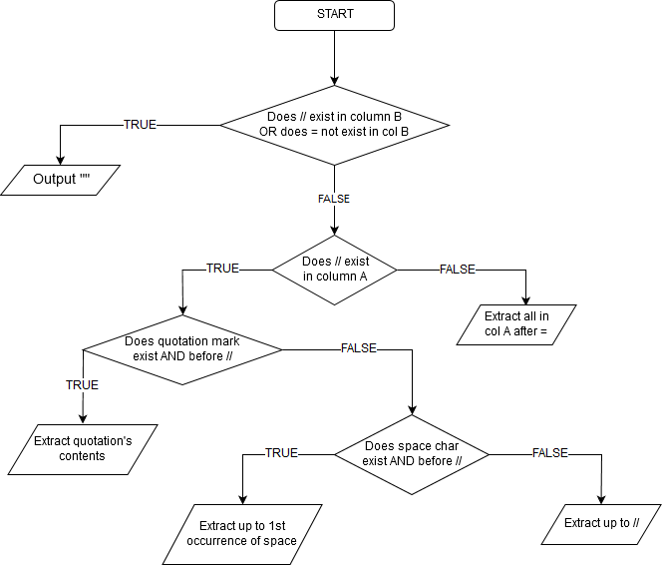
TeamWins=5 | TeamWins= | 5 | FALSE | FALSE | *false | TRUE | 5 | FALSE | #VALUE! | false* | #VALUE! | FALSE | #VALUE! | #VALUE! | #VALUE! | #VALUE!
TeamWorldChampionships=2 | TeamWorldChampionships= | 2 | FALSE | FALSE | *false | TRUE | 2 | FALSE | #VALUE! | false* | #VALUE! | FALSE | #VALUE! | #VALUE! | #VALUE! | #VALUE!
 |  |  | FALSE | TRUE | *true | TRUE | #VALUE! | FALSE | #VALUE! | false* | #VALUE! | FALSE | #VALUE! | #VALUE! | #VALUE! | #VALUE!
 |  |  | FALSE | TRUE | *true | TRUE | #VALUE! | FALSE | #VALUE! | false* | #VALUE! | FALSE | #VALUE! | #VALUE! | #VALUE! | #VALUE!
Category="VIR_3H_Event, Corvette ALMS GT2 2009 custom" | Category= | "VIR_3H_Event, Corvette ALMS GT2 2009 custom" | FALSE | FALSE | *false | TRUE | "VIR_3H_Event, Corvette ALMS GT2 2009 custom" | TRUE | #VALUE! | false* | "VIR_3H_Event, Corvette ALMS GT2 2009 custom" | TRUE | #VALUE! | #VALUE! | "VIR_3H_Event, | #VALUE!

 |  |  |  |  |  |  | ***bbn*** | bbn
 |  |  |  |  |  |  | ***bsew*** | bsew

B Column Evaluation
 |  | Is A4 Blank | Does = NOT exist | Does // or = NOT exist | extract left of = | Does // NOT exist | Substitute all " " | After substitute extract left of = | is = located before //
// DefaultLivery="PREFIX" // PREFIX is the base texture map name, assumed to be BMP unless specified | // DefaultLivery="PREFIX" // PREFIX is the base texture map name, assumed to be BMP unless specified | FALSE | FALSE | *false | FALSE | FALSE | //DefaultLivery="PREFIX"//PREFIXisthebasetexturemapname,assumedtobeBMPunlessspecified | //DefaultLivery= | FALSE
DefaultLivery="C6R_00.DDS" // " | DefaultLivery= | FALSE | FALSE | *false | DefaultLivery= | FALSE | DefaultLivery="C6R_00.DDS"//" | DefaultLivery= | TRUE
 |  | TRUE | TRUE | *true | #VALUE! | TRUE |  | #VALUE! | #VALUE!
HDVehicle=C6R_GT2_2009.hdv | HDVehicle= | FALSE | FALSE | *true | HDVehicle= | TRUE | HDVehicle=C6R_GT2_2009.hdv | HDVehicle= | #VALUE!
Graphics=C6R.gen | Graphics= | FALSE | FALSE | *true | Graphics= | TRUE | Graphics=C6R.gen | Graphics= | #VALUE!
Spinner=C6R_Spinner.gen | Spinner= | FALSE | FALSE | *true | Spinner= | TRUE | Spinner=C6R_Spinner.gen | Spinner= | #VALUE!
Upgrades=C6R_Upgrades.ini //"c" // Vehicle upgrades information | Upgrades= | FALSE | FALSE | *false | Upgrades= | FALSE | Upgrades=C6R_Upgrades.ini//"c"//Vehicleupgradesinformation | Upgrades= | TRUE
GenString=// Used to generate GMT names in *.gen file | GenString= | FALSE | FALSE | *false | GenString= | FALSE | GenString=//UsedtogenerateGMTnamesin*.genfile | GenString= | TRUE
Cameras=C6R.cam // Defaults to cams.cfg in UserData directory | Cameras= | FALSE | FALSE | *false | Cameras= | FALSE | Cameras=C6R.cam//Defaultstocams.cfginUserDatadirectory | Cameras= | TRUE
Sounds=C6R.sfx// | Sounds= | FALSE | FALSE | *false | Sounds= | FALSE | Sounds=C6R.sfx// | Sounds= | TRUE
HeadPhysics=HeadPhysics_GT.ini o// Affects driver eyepoint only | HeadPhysics= | FALSE | FALSE | *false | HeadPhysics= | FALSE | HeadPhysics=HeadPhysics_GT.inio//Affectsdrivereyepointonly | HeadPhysics= | TRUE
Cockpit=C6R_cockpitinfo.ini | Cockpit= | FALSE | FALSE | *true | Cockpit= | TRUE | Cockpit=C6R_cockpitinfo.ini | Cockpit= | #VALUE!
AIUpgradeClass=GT2 | AIUpgradeClass= | FALSE | FALSE | *true | AIUpgradeClass= | TRUE | AIUpgradeClass=GT2 | AIUpgradeClass= | #VALUE!
 |  | TRUE | TRUE | *true | #VALUE! | TRUE |  | #VALUE! | #VALUE!
//////////////////////////TEAM HISTORY AND INFORMATION/////////////////////////////////////////// | //////////////////////////TEAM HISTORY AND INFORMATION/////////////////////////////////////////// | FALSE | TRUE | *false | #VALUE! | FALSE | //////////////////////////TEAMHISTORYANDINFORMATION/////////////////////////////////////////// | #VALUE! | #VALUE!
 |  | TRUE | TRUE | *true | #VALUE! | TRUE |  | #VALUE! | #VALUE!
 |  | TRUE | TRUE | *true | #VALUE! | TRUE |  | #VALUE! | #VALUE!
Number=00 | Number= | FALSE | FALSE | *true | Number= | TRUE | Number=00 | Number= | #VALUE!
Team="Corvette Racing" | Team= | FALSE | FALSE | *false | Team= | TRUE | Team="CorvetteRacing" | Team= | #VALUE!
PitGroup="Group1" | PitGroup= | FALSE | FALSE | *true | PitGroup= | TRUE | PitGroup="Group1" | PitGroup= | #VALUE!
Driver="Milos / Stokely" | Driver= | FALSE | FALSE | *false | Driver= | TRUE | Driver="Milos/Stokely" | Driver= | #VALUE!
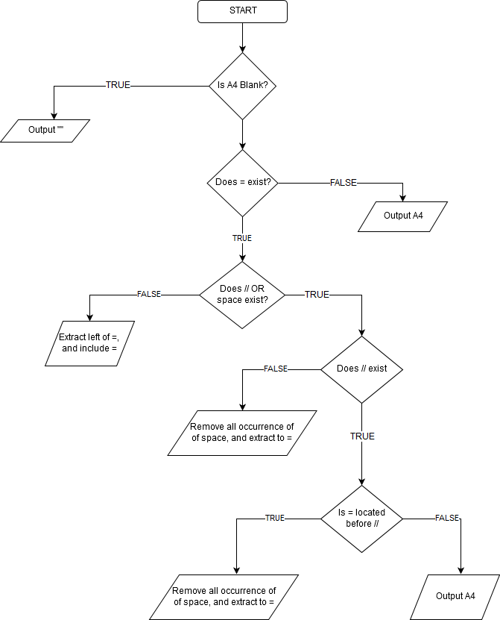
Description="Corvette C6.R GT2_c #00" | Description= | FALSE | FALSE | *false | Description= | TRUE | Description="CorvetteC6.RGT2_c#00" | Description= | #VALUE!
Engine="Chevrolet V-8" | Engine= | FALSE | FALSE | *false | Engine= | TRUE | Engine="ChevroletV-8" | Engine= | #VALUE!
Manufacturer="Michelin" | Manufacturer= | FALSE | FALSE | *true | Manufacturer= | TRUE | Manufacturer="Michelin" | Manufacturer= | #VALUE!
Classes="GT2_C6R" | Classes= | FALSE | FALSE | *true | Classes= | TRUE | Classes="GT2_C6R" | Classes= | #VALUE!
 |  | TRUE | TRUE | *true | #VALUE! | TRUE |  | #VALUE! | #VALUE!
FullTeamName="Corvette Racing" | FullTeamName= | FALSE | FALSE | *false | FullTeamName= | TRUE | FullTeamName="CorvetteRacing" | FullTeamName= | #VALUE!
TeamFounded=2003 | TeamFounded= | FALSE | FALSE | *true | TeamFounded= | TRUE | TeamFounded=2003 | TeamFounded= | #VALUE!
TeamHeadquarters="Sparta, Wisconsin" | TeamHeadquarters= | FALSE | FALSE | *false | TeamHeadquarters= | TRUE | TeamHeadquarters="Sparta,Wisconsin" | TeamHeadquarters= | #VALUE!
TeamStarts=30 | TeamStarts= | FALSE | FALSE | *true | TeamStarts= | TRUE | TeamStarts=30 | TeamStarts= | #VALUE!
TeamPoles=5 | TeamPoles= | FALSE | FALSE | *true | TeamPoles= | TRUE | TeamPoles=5 | TeamPoles= | #VALUE!
TeamWins=5 | TeamWins= | FALSE | FALSE | *true | TeamWins= | TRUE | TeamWins=5 | TeamWins= | #VALUE!
TeamWorldChampionships=2 | TeamWorldChampionships= | FALSE | FALSE | *true | TeamWorldChampionships= | TRUE | TeamWorldChampionships=2 | TeamWorldChampionships= | #VALUE!
 |  | TRUE | TRUE | *true | #VALUE! | TRUE |  | #VALUE! | #VALUE!
 |  | TRUE | TRUE | *true | #VALUE! | TRUE |  | #VALUE! | #VALUE!
Category="VIR_3H_Event, Corvette ALMS GT2 2009 custom" | Category= | FALSE | FALSE | *false | Category= | TRUE | Category="VIR_3H_Event,CorvetteALMSGT22009custom" | Category= | #VALUE!

dszdfs

dszdfs

"Corvette C6.R GT2_c #00"
#VALUE!

