Sheet1
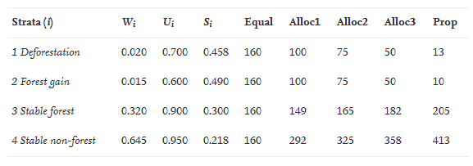
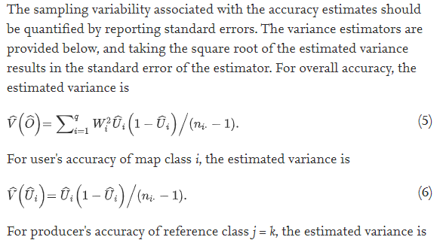
 | My study
 | classes | pixels | wi | assumed UA | si | wi*si | ni | prop | equal
1 | non-water | 11902815 | 0.78851 | 0.95 | 0.218 | 0.172 | 135 | 207 | 66
2 | wetland | 296083 | 0.01961 | 0.60 | 0.490 | 0.010 | 50 | 5 | 66
3 | seasonal water | 420313 | 0.02784 | 0.70 | 0.458 | 0.013 | 50 | 7 | 66
4 | permanent water | 2476208 | 0.16404 | 0.90 | 0.300 | 0.049 | 28 | 43 | 66
 | total | 15095419

 | overal standard error | 0.015 |  | remainder
 | n | 263 |  | 163

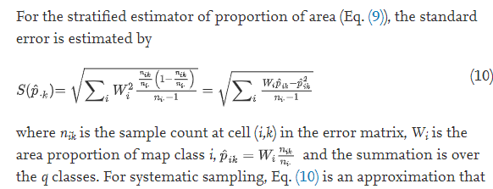
 | Example forest change | pixels | wi | alloc1 | prop
1 | deforestation | 200000 | 0.02 | 100 | 13
2 | forest gain | 150000 | 0.015 | 100 | 10
3 | stable forest | 3200000 | 0.32 | 146 | 205
4 | stable non-forest | 6450000 | 0.645 | 295 | 413
 | total | 10000000

 | overall standard error | 0.01 |  | remainder
 | n | 641 |  | 441

