Dashboards
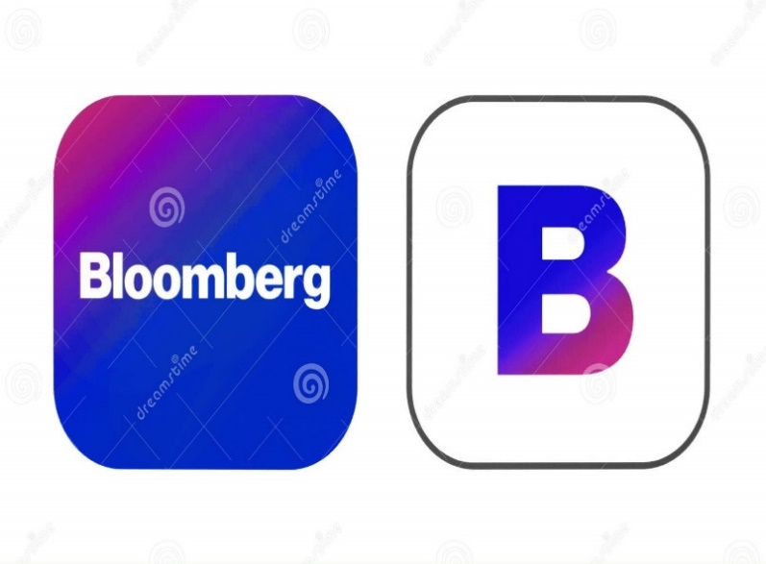

Bloomberg Sales anlaysis

Sales Revenue by Product
 | Total
GTK 500 | 400,612
GTX Basic | 499,263
GTX Plus Basic | 705,275
GTX Plus Pro | 2,629,651
GTXPro | 3,510,578
MG Advanced | 2,216,387
MG Special | 43,768
Total Revenue by Sector
 | Total
employment | 6,104.64
entertainment | 9,665.22
finance | 16,233.34
marketing | 13,070.38
medical | 16,976.88
retail | 27,355.76
services | 4,944.69
software | 30,950.45
technolgy | 27,780.53
telecommunications | 16,461.91
Employee Distribution by Sector
 | Total
employment | 4
entertainment | 6
finance | 8
marketing | 8
medical | 12
retail | 17
services | 5
software | 7
technolgy | 12
telecommunications | 6

Sales Revenue by Regional Offices
 | Series1
1 | 3346293
2 | 3090594
3 | 3568647
Deals by Stage
 | Total
Engaging | 1,589
Lost | 2,473
Prospecting | 500
Won | 4,238
TOP 5 Sales Agents by Revenue
 | Top 5 sales agents | Rank
Donn Cantrell | 445,860 | 5
Cassey Cress | 450,489 | 4
Kary Hendrixson | 454,298 | 3
Vicki Laflamme | 478,396 | 2
Darcel Schlecht | 1,153,214 | 1

Average Time to close deals(Days)
 | Total
GTK 500 | 54
GTX Basic | 50
GTX Plus Basic | 49
GTX Plus Pro | 46
GTXPro | 46
MG Advanced | 47
MG Special | 48

