Sheet1
Estimating the size of the apriltag required for our robot

Input parameters:
d = max detection distance in meters | 1 | apriltag software cannot handle 4K photos taken using my mobile. 640 and 1024 horizontal resolution worked.
b = the number of bits that span the width of the tag (excluding the white border for Apriltag 2). ex: 36h11 = 8, 25h9 = 6, standard41h12 = 9 | 8 | Test Robot with apriltag attached using bluertag
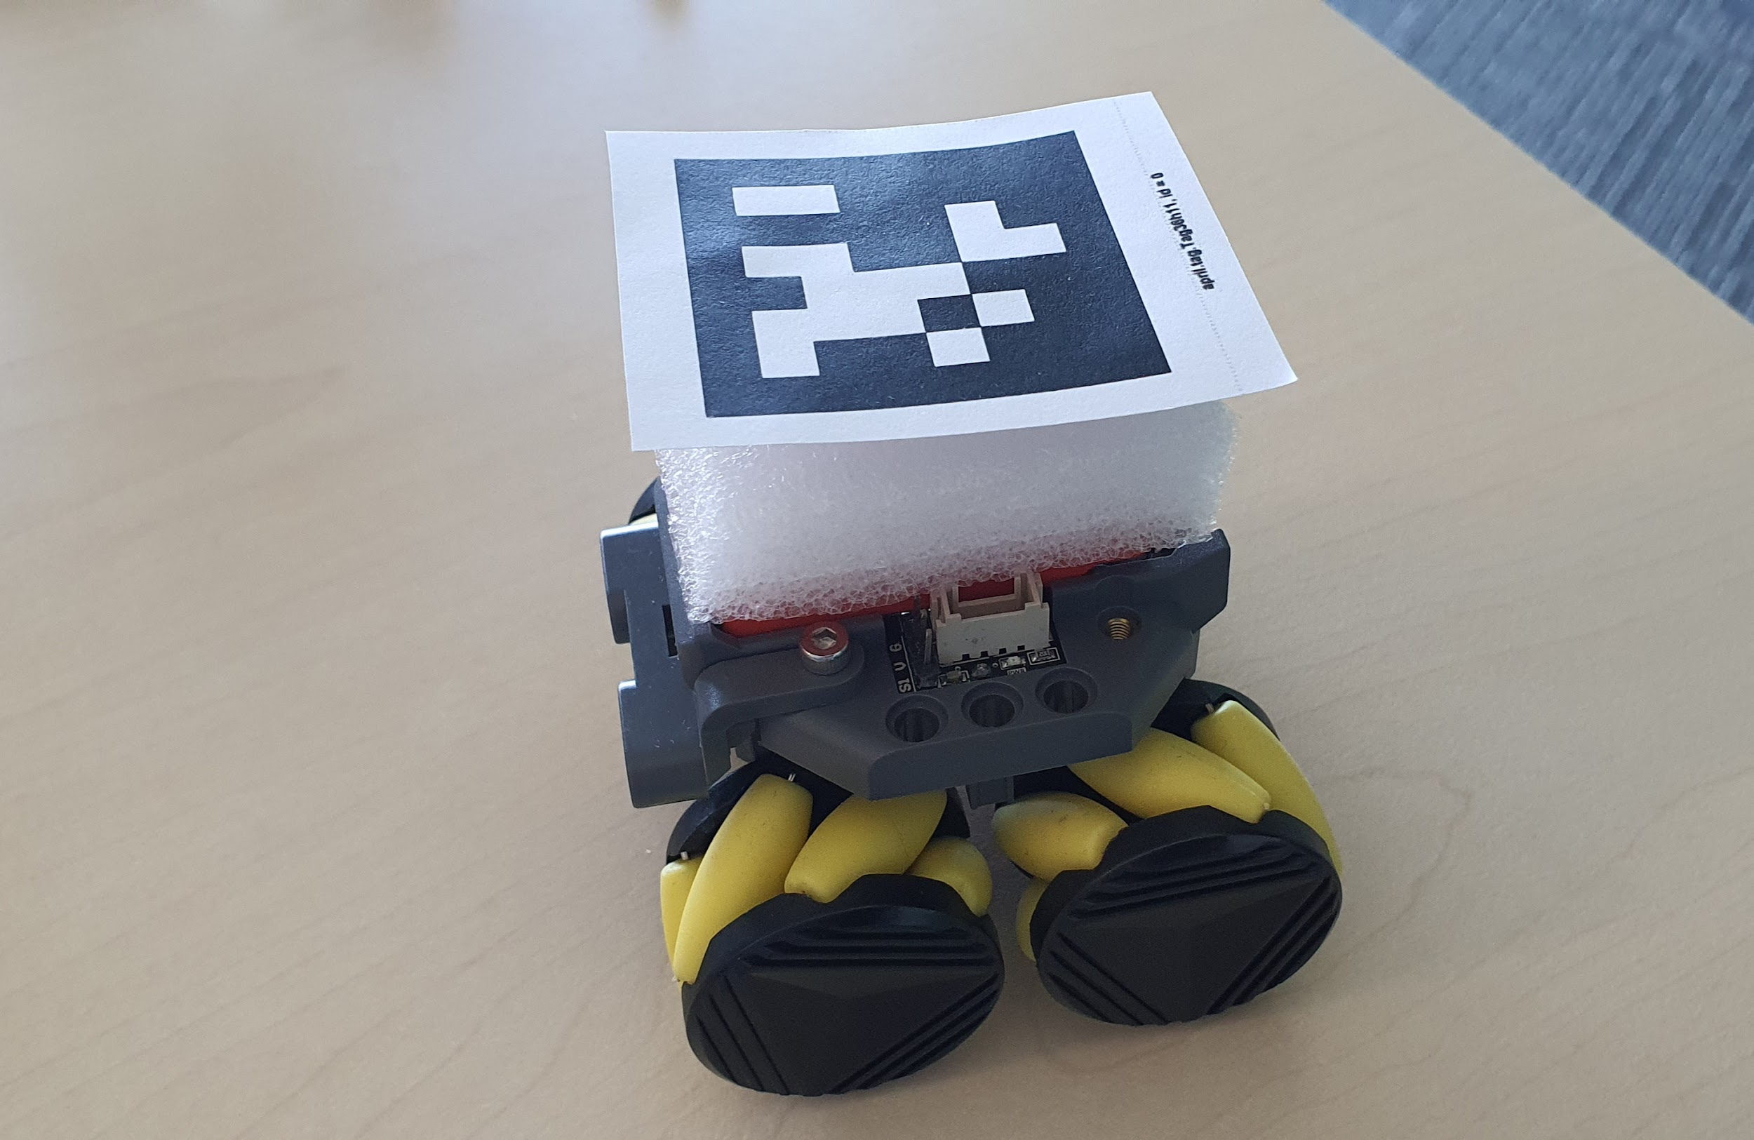
f = horizontal FOV of your camera in degrees | 80
r = horizontal resolution of you camera | 1280
p = the number of pixels required to detect a bit. This is an adjustable constant. We recommend 5. Lowest number we recommend is 2 which is the Nyquist Frequency. We recommend 5 to avoid some of the detection pitfalls mentioned above. | 5

Estimation:
Size of tag in meters | 0.044

Formulas

d = t /(2 * tan( (b* f * p) / (2 * r ) ) )

t = d * (2 * tan( (b* f * p) / (2 * r ) ) )
 |  | Tag size including white order 55mm
 |  | Tag size excluding white order 42mm

