Sheet1
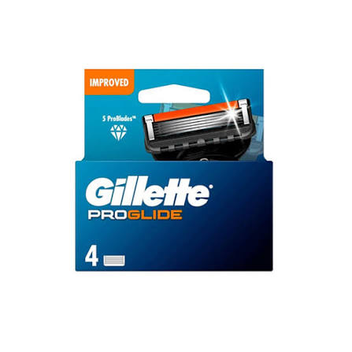
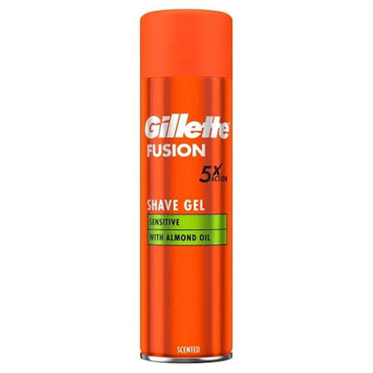
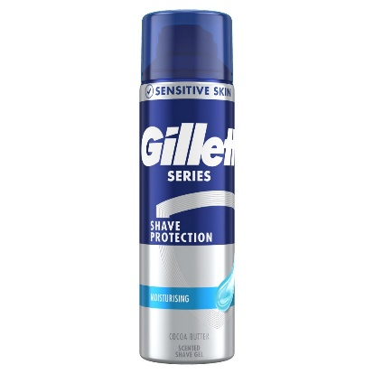
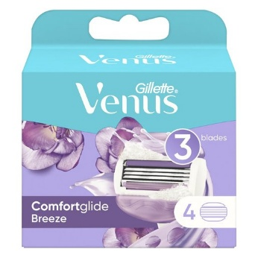


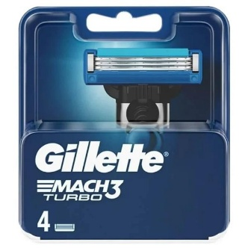


 |  | Gillette Stock Offer

 |  | MOV 5000 GBP / Full Pallets

EAN | Description | Case Size | Case Cost | Unit Cost | Cases per Pallet | Currency | Lead time | Avl. Units
7702018464692 | Gillette Fusion5 Ultra Sensitive Shaving Gel 200ml | 6 | £8.40 | £1.40 | 434 | GBP | 1-2 Weeks | 5208
7702018980833 | Gillette Series Conditioning Shave Gel 200Ml | 6 | £6.60 | £1.10 | 434 | GBP | 1 Week | 1026
7702018263844 | Gillette Fusion Proglide Razor Blades 4 Cartridges | 10 | £76.10 | £7.61 | 400 | GBP | 1 Week | 690
7702018851294 | Gillette Fusion Cart 4's x 10 | 10 | £71.20 | £7.12 | TBC | GBP | 2 Weeks | 1000
3014260274924 | Gillette Mach3 Turbo Cart 8's x 10 | 10 | £121.20 | £12.12 | TBC | GBP | 2 Weeks | 1000
7702018263813 | Gillette Mach3 Turbo Cart 4's x 10 | 10 | £64.00 | £6.40 | TBC | GBP | 2 Weeks | 1000
7702018886364 | Gillette Venus Breeze 4's x 10 | 10 | £60.70 | £6.07 | TBC | GBP | 2 Weeks | 1000

