Hoja1
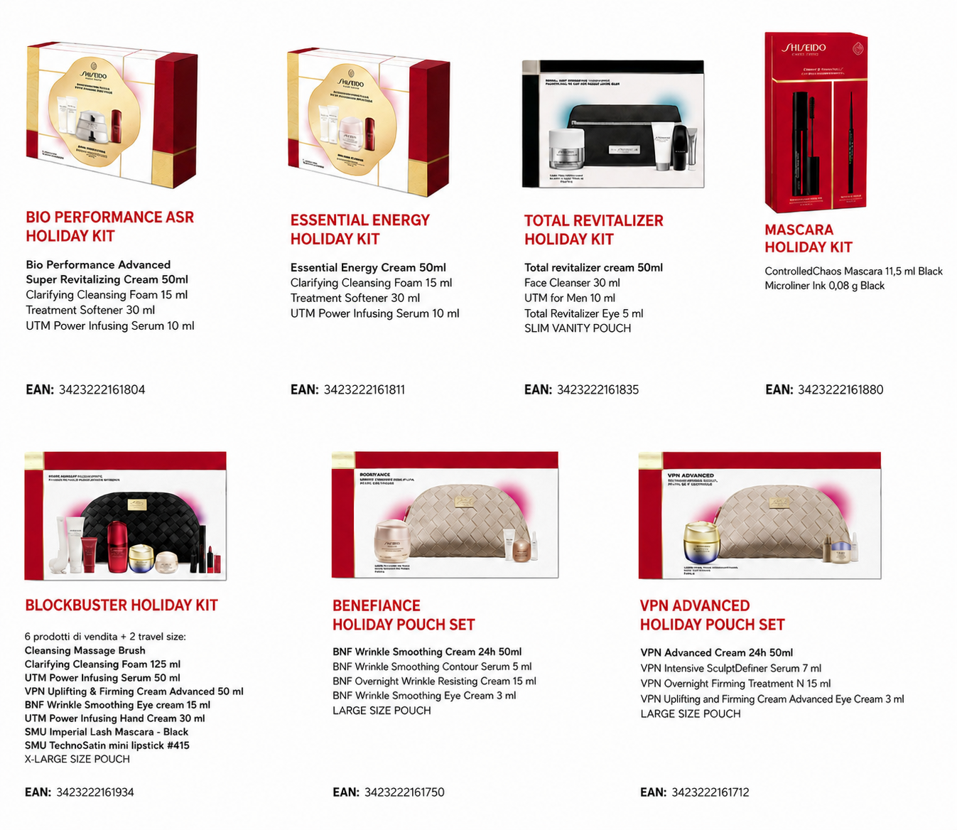
 |  |  | 66Y1017.130717
 |  | SHISEIDO XMAS SETS
QTY: up to 720 pcs per set
Delivery: October
MOQ: 10K
Reference | EAN | Description | Price
70306675101 | 3423222161804 | AW26 BOP ASR HOLIDAY KIT | € 54.10
70306676101 | 3423222161811 | AW26 EE HOLIDAY KIT | € 31.03
70306670101 | 3423222161750 | AW26 BNF CREAM HOLIDAY POUCH SET | € 49.33
70306666101 | 3423222161712 | AW26 VPN ADVANCED CREAM HOLIDAY POUCH SET | € 60.07
70306667101 | 3423222161729 | AW26 VPN SUPREME CREAM HOLIDAY POUCH SET | € 66.43
70306669101 | 3423222161743 | AW26 VPN HOLIDAY EYECARE POUCH SET | € 40.58
70306708101 | 3423222162085 | AW26 BNF HOLIDAY EYECARE POUCH SET | € 38.19
70306680101 | 3423222161859 | AW26 SFS LX EYE CREAM HOLIDAY POUCH SET | € 86.32
70306678101 | 3423222161835 | AW26 SMN TOTAL REVITALIZER HOLIDAY KIT | € 42.96
70306683101 | 3423222161880 | AW26 MASCARA HOLIDAY KIT | € 17.11
70306688101 | 3423222161934 | AW26 BLOCKBUSTER VANITY KIT | € 83.54

