Lamp ID
Lamp and Technology Identification Guide

Strip Lights | Can be warm or cool colour |  |  | Does it blink when it starts (and/or short delay) |  |  |  | Yes => | Magnetic ballast+starter
 |  |  |  |  | No
 |  |  |  | 16mm = T5 (electronic only) |  | 1150mm | 25W
 |  |  |  | Electronic ballast for T8 lamps (unusual in residential) (see lamp list to right)
 |  |  |  | LED strip light

Lamp Colour | Cool | Will be fluorescent or LED
 | Warm | Can be any technology

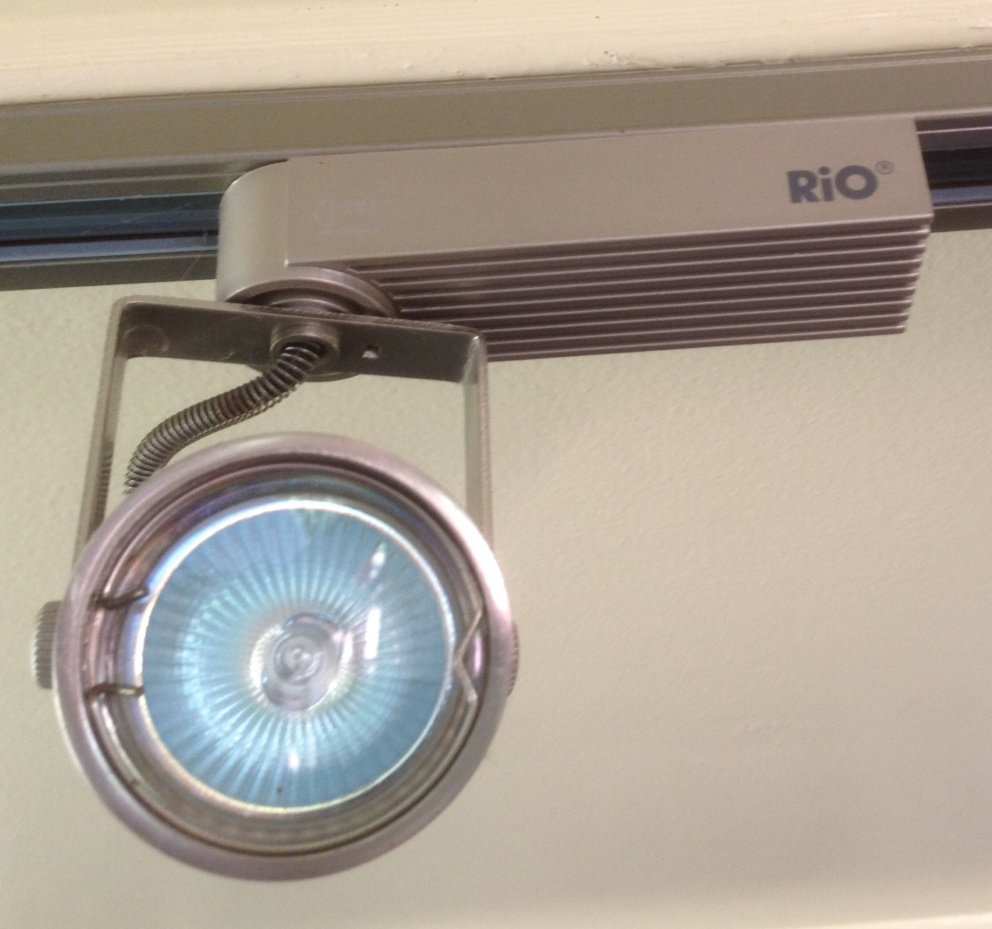
Starting | Blink on start |  | Probably fluorescent with magnetic ballast+starter (might be CFL with electronic ballast)
 | Short delay or no delay |  | Could be fluorescent or LED (0.25 sec) (electronic)
 | Immediate ramp up |  | Incandescent or halogen (light starts immediately but takes 0.25 sec to reach full brightness)
 | Low initial light output |  | Probably fluorescent (CFL)
 |  |  |  |  |  |  |  |  |  |  | G4-5.3 RIGHT = 12V
Downlights | MR16 - 50mm diameter downlights, flush mounted (or equivalent)
 | MR10 - 30mm - ditto, these are almost always low voltage for residential (option is not available for mains voltage halogen)
 | Halogen - cone shape reflector, can see the capsule in the cone (if not frosted) with light off, warm yellow colour, point light source but not in the base of the cone
 | LED - can be a point light source in the base of the cone, often looks yellow when off
 | LED - can be multi LEDs mounted around the 50mm lamp (no reflector cone) - can be 3 to 7 LEDs - see lighting guide
 | CFL - can usually see the tube when on and/or off |  |  |  |  |  |  |  |  | Transfomer on a track light==>
Track/spot lights | If there is no transformer visible (or a large lump that can house a transformer), the lamps are most likely low voltage (bare wires will be also be low voltage)

Light bulbs
 | CFL stick - can be 1 to 4 sticks, most light output is sideways (useful if trying to see through an opaque fitting), range of 10W to 40W (very large with 4 sticks) - most around 12W to 18W, usually have round base
 | CFL spiral - throws light more evenly (still a lot of light sideways), typically 11W to 20W, can be up to 25W for large, usually have round base (almost always integral - plug in rare)
 | CFL plug in stick - square base that plugs into a hard wired fitting (it is possible to have a plug in CFL lamp into a ballast that has a B22 cap, but this is rare), can be Double D shape (see Lighting Guide pics)

These can | Incandescent - can see tungsten filament if clear (very thin wire), around 30mm long, light emitted along wire length when on (long light source), warm yellow light, lamp power usually written on the glass
look very similar | Halogen bulbs - can see halogen capsule inside if clear, light emitted from more of a point source if frosted, warm yellow light, lamp powers typically lower than incandescent (many different power levels)

 | LED - usually immediate on at full brightness, often A shape with frosted top half only (ice cream cone) with plastic base, often cooler colour (but LED can now be any shape or configuration)

Off | CFL and fluorescents can leave an afterglow for a second or so when turned off (darker room)
 | LED off should be almost immediate
 | Incandescent and halogen off is a ramp down of light with light receding to a small point over about 0.2 sec as the wire/capsule cools |  |  |  |  |  |  |  |  | Gimble mounted downlights - THESE SHOULD ALMOST ALWAYS 12V SYSTEMS
 |  |  |  |  |  |  |  |  |  | (NOT MAINS VOLTAGE) FOR HALOGEN AND LED
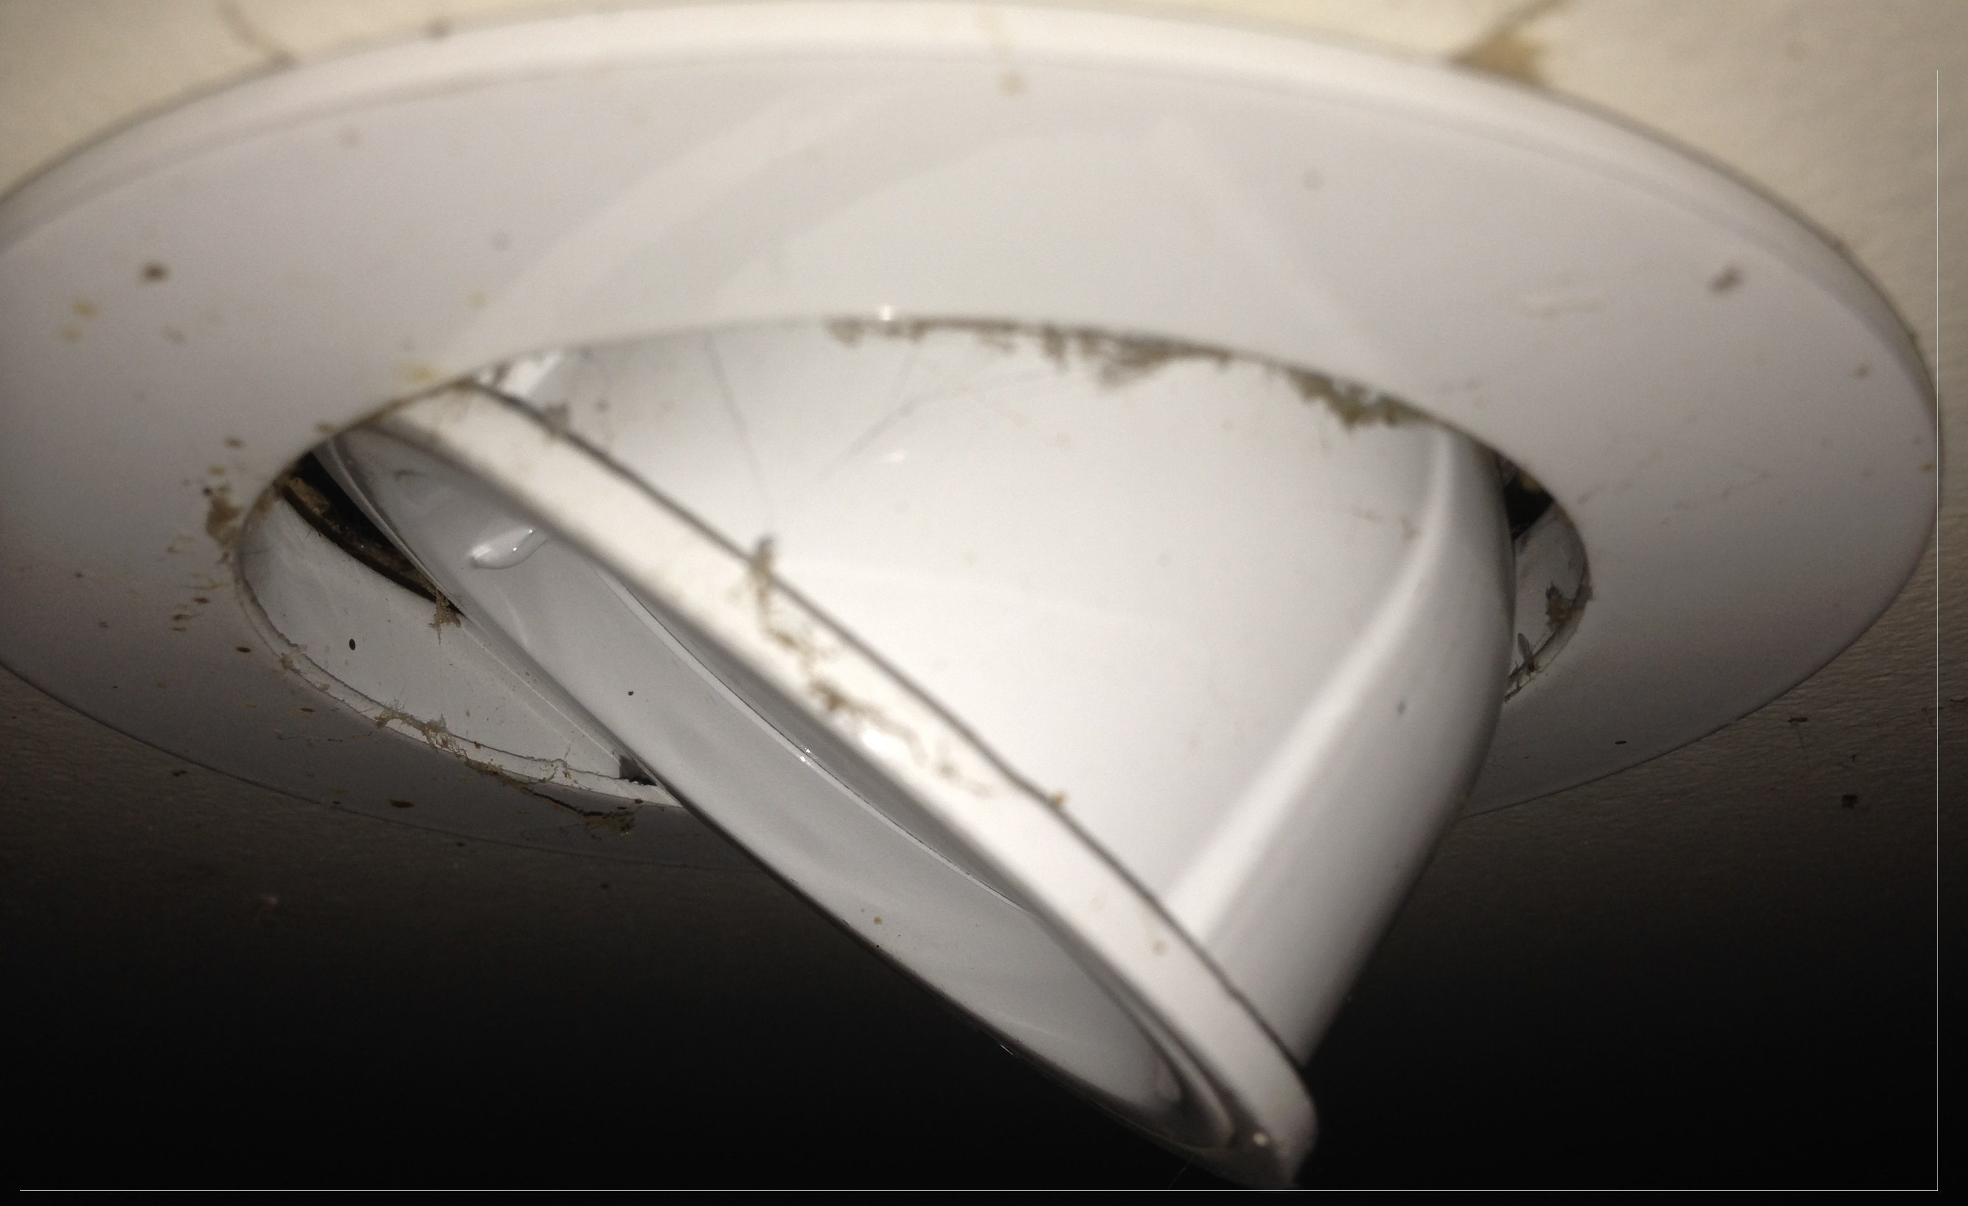
 |  |  |  |  |  |  |  |  |  |  | Note the larger ring
PINS |  | GU10 - LEFT = 240V |  |  |  |  |  |  |  |  | These have to have a 90mm hole in the plaster
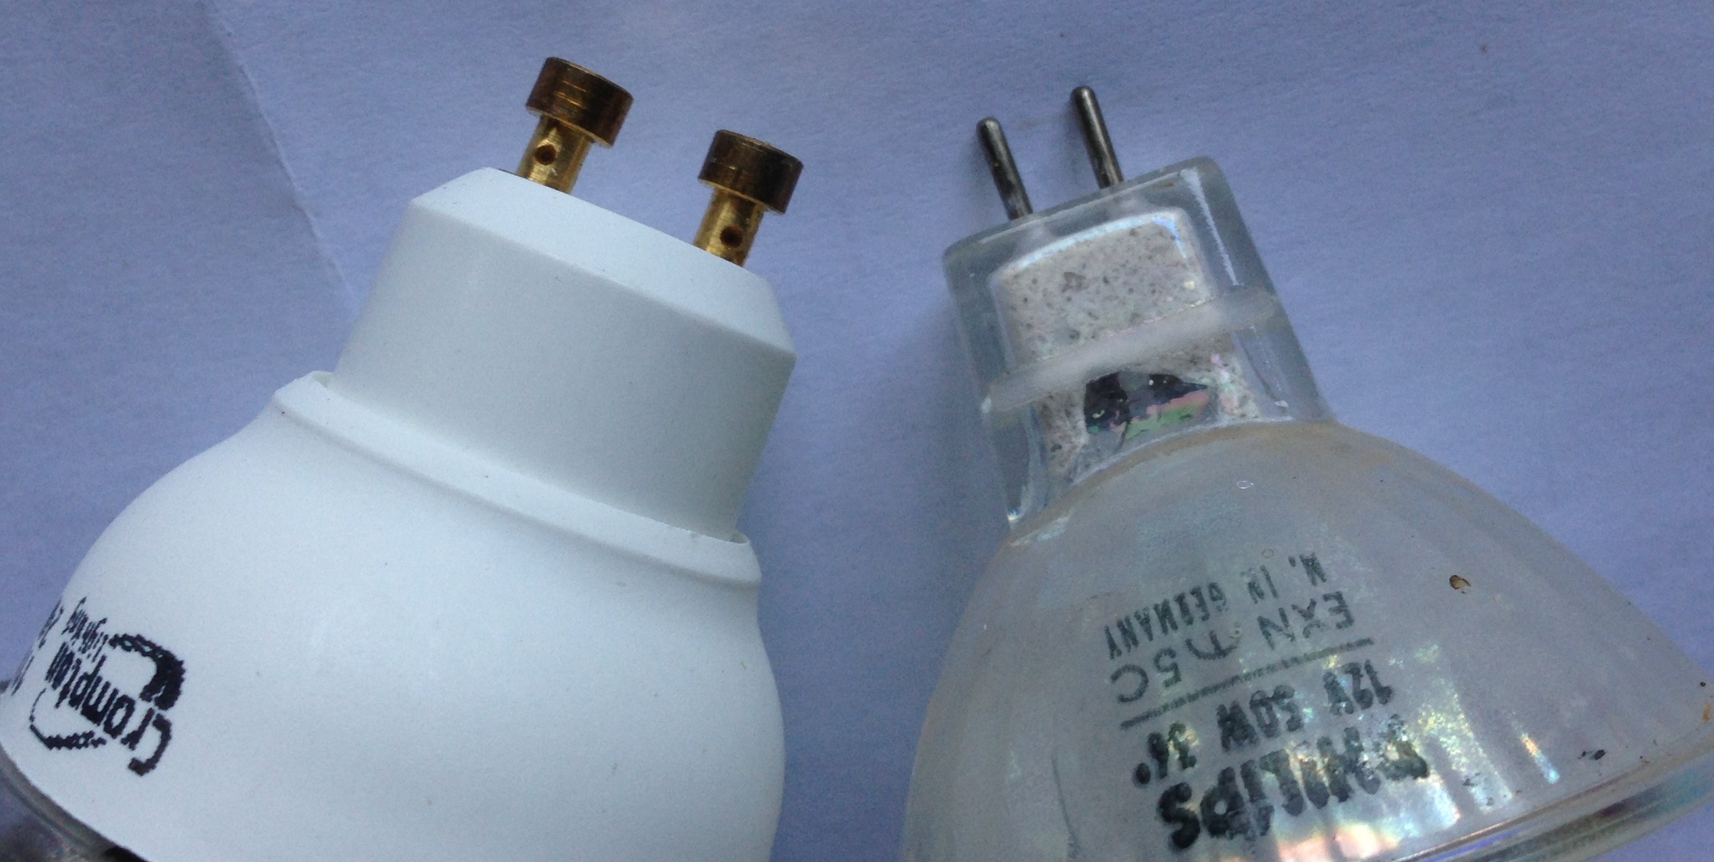
GU10 is always mains voltage |  |  |  |  |  |  |  |  |  |  | Out ring diameter is about 100mm
G4-5.3 is always low voltage
Show householder a lamp with the pins
They may be able to tell you what they have

