Report
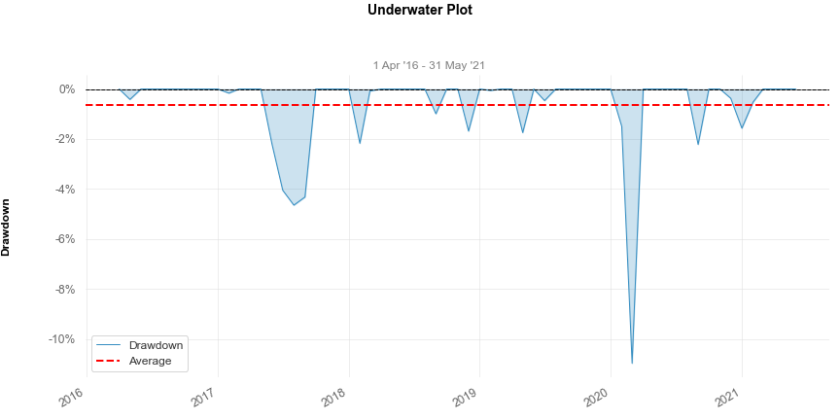
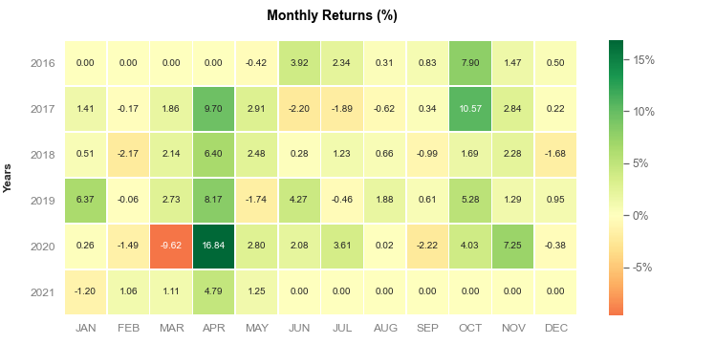
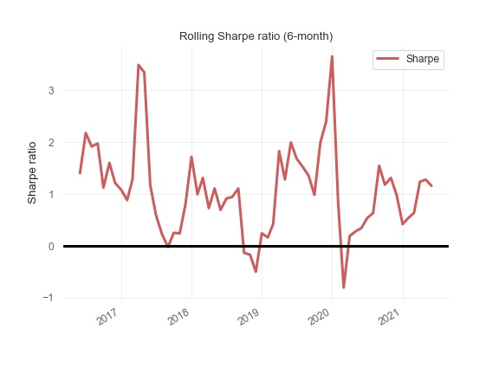
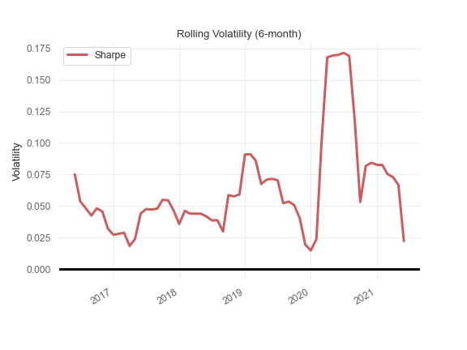
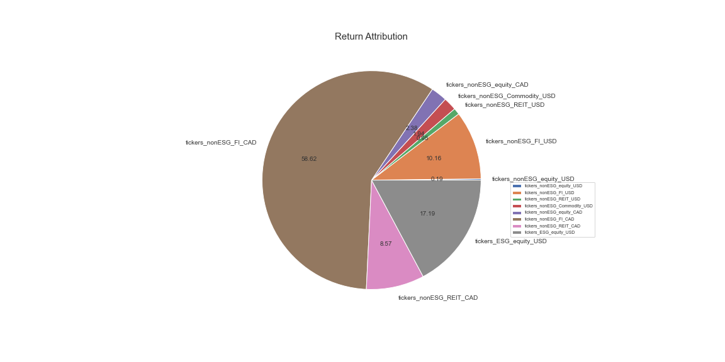
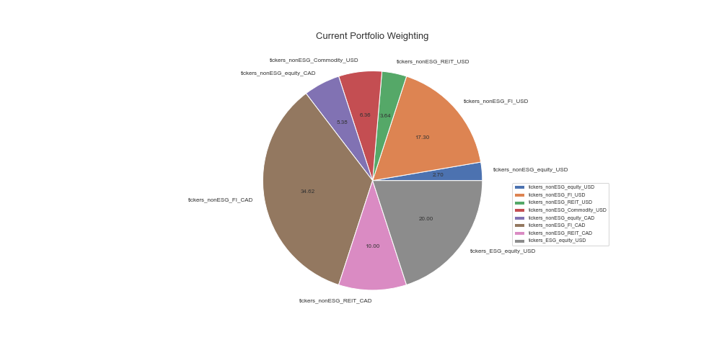
Key Performance Metrics
Metrics | Value
Investment Start Date | 2016-04-01
Report Date | 2021-05-31

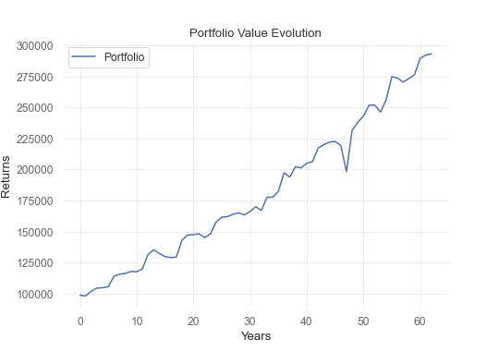
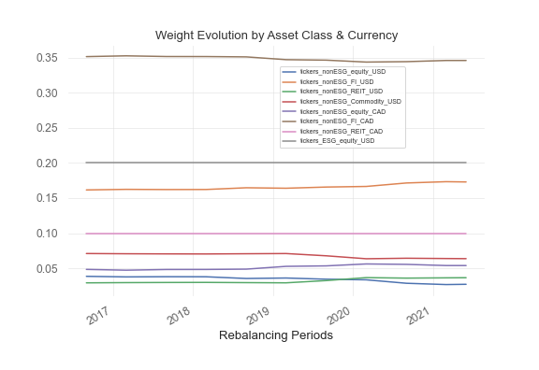
Annualized Return (YTD) | 9.73%
Annualized Return (1-Yr) | 11.32%
Annualized Return (3-Yr) | 10.48% |  | Return Attribution
Annualized Return (5-Yr) | 9.36% |  | tickers_nonESG_equity_USD | 0.19
Annualized Volatility | 9.67% |  | tickers_nonESG_FI_USD | 10.16
Sharpe Ratio | 84.47% |  | tickers_nonESG_REIT_USD | 0.95
Alpha | 2.23 |  | tickers_nonESG_Commodity_USD | 1.94
Beta | 1.06 |  | tickers_nonESG_equity_CAD | 2.38
 |  |  | tickers_nonESG_FI_CAD | 58.61
Correlation with Benchmark | 0.7 |  | tickers_nonESG_REIT_CAD | 8.57
Information Ratio | 35.66% |  | tickers_ESG_equity_USD | 17.19
Tracking Error | 7.00%
max_drawdown | -10.97%

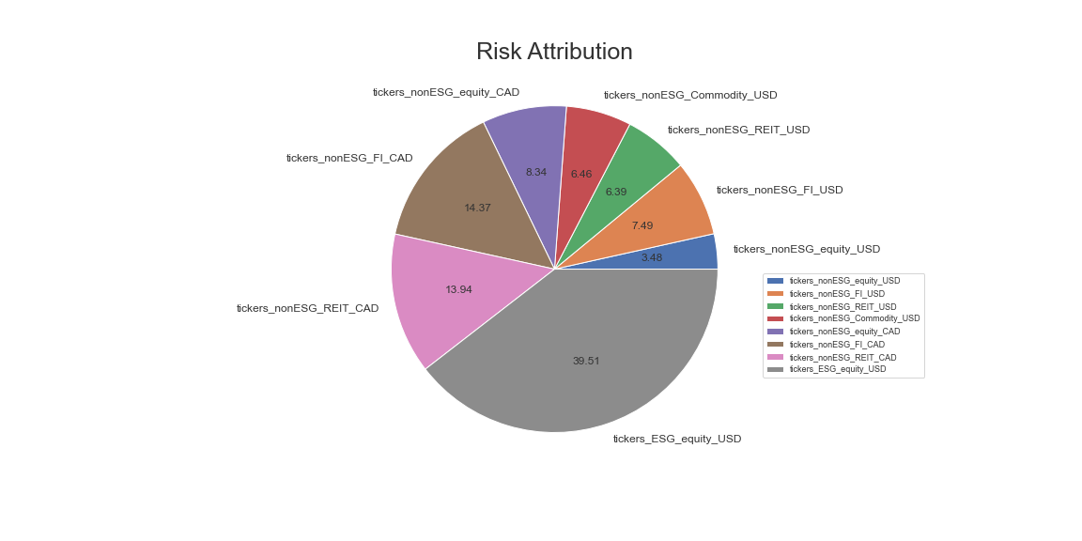
Kurtosis | 5.39528
Skewness | 0.30515
VaR & CVaR | Return % | PnL
99% 1 day VaR | 1.15% | 3364.76
99% 1 day CVaR | 1.32% | 3866.97
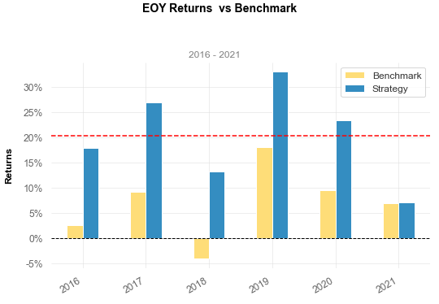
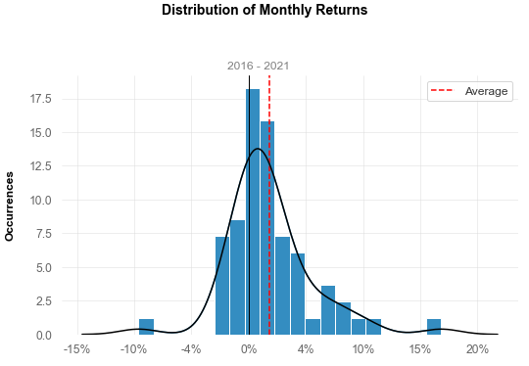
99% 10 day VaR | 3.44% | 10073.32
99% 10 day CVaR | 3.98% | 11661.44

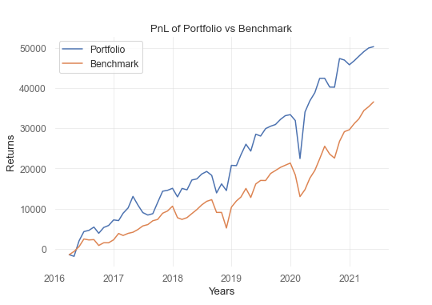
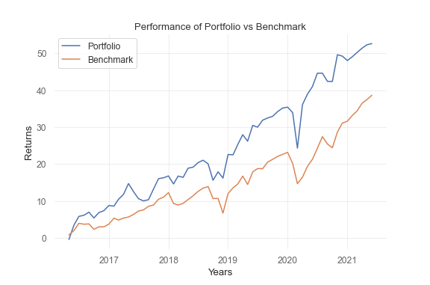
 |  |  | Risk Attribution
 |  |  | tickers_nonESG_equity_USD | 3.48
 |  |  | tickers_nonESG_FI_USD | 7.49
 |  |  | tickers_nonESG_REIT_USD | 6.39
 |  |  | tickers_nonESG_Commodity_USD | 6.46
 |  |  | tickers_nonESG_equity_CAD | 8.34
 |  |  | tickers_nonESG_FI_CAD | 14.37
 |  |  | tickers_nonESG_REIT_CAD | 13.94
 |  |  | tickers_ESG_equity_USD | 39.51

