Sheet1
LOGO |  |  |  |  |  |  |  |  | XXX SURVEILLANCE INSPECTION SERVICES
 |  |  |  |  |  |  |  |  | RADIOGRAPHIC EXAMINATION REPORT
Customer |  |  |  | Tag Gemi |  |  |  |  |  |  |  | Inspection Procedure |  |  |  | Value |  |  |  | Page |  |  | 1
Project Name |  |  |  | aaa |  |  |  |  |  |  |  | Inspection Scope |  |  |  | TS EN ISO 23278 Class B |  |  |  | Report No |  |  | Value
Inspection Place |  |  |  | Value |  |  |  |  |  |  |  | Drawing No |  |  |  | - |  |  |  | Report Date |  |  | Value
Inspection Standart |  |  |  | TS EN ISO 17638 |  |  |  |  |  |  |  | Surface Condition |  |  |  | aas |  |  |  | Job Order No |  |  | Values
Evaluation Standart |  |  |  | P-101-004 |  |  |  |  |  |  |  | Stage Of Examination |  |  |  | asfasf |  |  |  | Offer No |  |  | Values
Equipment
Equipment |  | Used Device |  |  |  |  | Device Energy |  |  |  |  |  |  | Focal Shoot Size |  |  | Exposure Time |  | Film Focus Distance |  |  | Pb Scenes |  |  | Filters
 |  |  |  |  |  |  | Ir-192 |  | Se-75 |  | X-Ray
 |  |  |  |  |  |  |  |  |  |  | Kv |  | mA
Equipment1 |  | XXH 1605 |  |  |  |  | - |  | - |  | - |  | - | 0.2 mm |  |  | 100 sn |  | 500 mm |  |  | 0.2 mm |  |  | filters
Heat Treatment |  | Geometric un-sharpness |  |  |  | Film Informations |  |  |  |  |  |  |  |  |  | IQI Tech |  |  |  | Film Processing Tech
 |  |  |  |  |  | Film Brand |  | Film Type |  |  |  |  |  |  |  | EN |  | ASTM |  | Automatic |  | Manual |  | Temperature
val |  | u = bxa |  | 0.18mm |  |  |  | D4(MX-125) |  |  | D5(T2000) |  | D7(AA 400) |  |  | Source Side |  | Film Side

 |  |  |  |  |  | Kodak |  |  |  |  |  |  |  |  |  |  |  |  |  |  |  |  |  | val
Shooting Informations
Film Size |  | 10x12 |  |  |  | 10x16 |  | 10x24 |  |  | 10x36 |  |  | 10x48 |  |  | 30x40 |  | Suitible Film |  |  | Repair Film
Film Quant |  | 12 |  |  |  | 12 |  | 12 |  |  | 12 |  |  | 12 |  |  | 12 |  | Value |  |  | value
Evaluatin Symbols |  |  |  | Accepted OK |  |  |  | Repair R |  | Cut-Out C/O |  |  |  |  |  | Re-Shoot RS |  |  |  |  | Extra Film EF
Test Arrangements
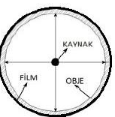
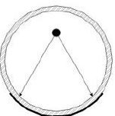
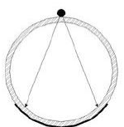
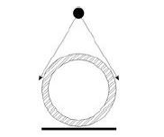
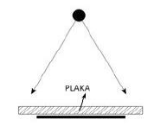
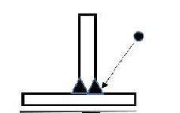

According To |  |  | Defect Types |  |  |  |  |  |  |  |  |  | According To |  |  |  | Defect Types
IIW | 652-1 |  |  |  |  |  |  |  |  |  |  |  | IIW | 652-1
Aa | 2011 |  | Prosity |  |  |  |  |  |  |  |  |  | Db | 515 |  |  | Root Suck Back
Ab | 2016 |  | Worm Holes |  |  |  |  |  |  |  |  |  | Dc | 504 |  |  | Exessive Penetration
Ac | 2014 |  | Aligned Prosity |  |  |  |  |  |  |  |  |  | Ea | 1011 |  |  | Longitudinal Crack
Ad | 2013 |  | Porosity Group |  |  |  |  |  |  |  |  |  | Eb | 10211023,1 |  |  | Transverse Crack
Ba | 3012 |  | Slag Inclusion |  |  |  |  |  |  |  |  |  | Ec | 1046,1047,1054 |  |  | Crater Cracks
Bb | 3011 |  | Slag Line |  |  |  |  |  |  |  |  |  | Fb | 517, 5091 |  |  | Bad Weld Surface
Bc | 3013 |  | Slag Group (Clustered) |  |  |  |  |  |  |  |  |  | Fc | 5011,5012,5013 |  |  | Undercut
C | 4011 |  | Lack Of Fusion |  |  |  |  |  |  |  |  |  | ff | - |  |  | Film Failure
D | 402,4021,4013 |  | Incomplete Penetration |  |  |  |  |  |  |  |  |  | W | 3041 |  |  | Tungsten Inclusion
Inspection Dates
Descriptions and Attachments
Inspection Results
Serial No | Shooting Area |  |  |  | Film No |  | Material Type | Welding Type | Welder Nr | Position | Thicknes | IQI | Visible IQI | Density | 10x12 | 10x16 | 10x24 | 10x36 | 10x48 | 30x40 | Defect Loc | Defect Type | Pre Evaluation |  | Final Evaluation

1 | 1 |  |  |  | 1 |  | 1 | 1 | 1 | 1 | 1 | 1 | 1 | 1 | 1 | 1 | 1 | 1 | 1 | 1 | 1 | 1 | 1 |  | 1

Personel Information |  |  |  |  | Radiographer |  |  |  |  |  | Evaluated By |  |  |  |  |  | Confirmation |  |  |  | Personel Information
Name Surname |  |  |  |  | admin admin |  |  |  |  |  | admin admin |  |  |  |  |  | akif akif
Level
Date
Signature

