Sheet0
Equipment
Pole Distance | 100mm |  | Stage Of Examination | WELD + HAZ |  | Surface Temperature | value
Equipment | NAWOO Sn:1701020 |  | Current Type | AC |  | Gauss Field Strength | 3.2 kA/m
Mp Carrier Medium | BT-20 LOT:B036P01 |  | Luxmeter | 1200 LUX
Mag Tech | o |  | Test Medium | a |  | Surface Condition | GRINDING
UV Light Intencity | W/m2 |  | Demagnetization | a |  | Identification of Light Equipment | ***
Distance Of Light | mm |  | Heat Treatment | a |  | Lifting Test Date / Number | a
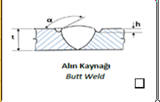 Butt weld |  | Fillet Weld |  | Location of Discontinuity
 |  |  |  | BM | Base Metal
 |  |  |  | BM | Base Metal
 |  |  |  | HAZ | Heat affected zone
 |  |  |  | W | Weld
Standart Derivations | a
Inspection Dates | value
Description | a

