Sheet1
LOGO |  |  |  |  |  | XXX SURVEILLANCE INSPECTION SERVICES
 |  |  |  |  |  | RADIOGRAPHIC EXAMINATION REPORT
Customer |  | Tag Gemi |  |  |  |  |  |  | Inspection Procedure |  | Value |  |  | Page |  | 1
Project Name |  | name |  |  |  |  |  |  | Inspection Scope |  | TS EN ISO 23278 Class B |  |  | Report No |  | Value
Inspection Place |  | Value |  |  |  |  |  |  | Drawing No |  | - |  |  | Report Date |  | Value
Inspection Standart |  | TS EN ISO 17638 |  |  |  |  |  |  | Surface Condition |  | surface |  |  | Job Order No |  | Values
Evaluation Standart |  | P-101-004 |  |  |  |  |  |  | Stage Of Examination |  | stage |  |  | Offer No |  | Values
Equipment
Pole Distance |  | 100mm |  |  | Stage Of Examination |  |  |  | WELD + HAZ |  |  |  |  | Surface Temperature |  |  | value
Equipment |  | NAWOO Sn:1701020 |  |  | Current Type |  |  |  | AC |  |  |  |  | Gauss Field Strength |  |  | 3.2 kA/m
MP Carrier Medium |  | BT-20 LOT:B036P01 |  |  | Luxmeter |  |  |  | 1200 LUX
Mag Tech |  | o |  |  | Test Medium |  |  |  | value |  |  |  |  | Surface Condition |  |  | GRINDING
UV Light Intensity |  | W/m2 |  |  | Demagnetization |  |  |  | value |  |  |  |  | Identication Of Light Equipment |  |  | ***
Distance Of Light |  | mm |  |  | Heat Treatment |  |  |  | value |  |  |  |  | Lifting Test Date/Number |  |  | value
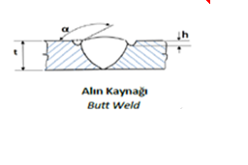 |  |  | 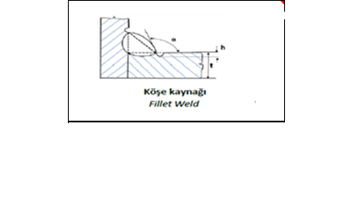 |  |  |  |  |  | Location Of Discontinuity
 |  |  |  |  |  |  |  |  | BM |  |  | Base Metal
 |  |  |  |  |  |  |  |  | Haz |  |  | Heat Affected Zone
 |  |  |  |  |  |  |  |  | W |  |  | Weld
 |  |  |  |  |  |  |  |  | B |  |  | Bevel
Standart Derivations |  |  |  | value
Inspection Dates |  |  |  | value
Description and Attachments |  |  |  | value
Inpection Results
Serial No | Weld Piece No |  |  |  | Test Length |  | Welding Proces |  |  | Thickness | Diameter |  | Defect Type |  | Defect Loc |  |  | Result
1 | value |  |  |  | value |  | value |  |  | value | value |  | value |  | value |  |  | OK
2 | value |  |  |  | value |  | value |  |  | value | value |  | value |  | value |  |  | OK
3 | value |  |  |  | value |  | value |  |  | value | value |  | value |  | value |  |  | OK

Personel Information |  |  | Operator |  |  |  |  | Evaluated By |  |  |  | Confirmation |  |  | Personel Information
Name Surname
Level
Date
Signature

