Sales data 2019
Sales data 2020
Month | Store_No | SKU_No | Sales | Units | Store_No | Total Units | Total Sales | SKU_No | Store_No
JAN | 1000 | E0028M | 9,660 | 345 |  |  |  | E0028M | 1000
JAN | 1050 | E0028M | 5,936 | 212 |  |  |  | E0030M | 1050
JAN | 2000 | E0028M | 10,136 | 362 | SKU_No | Total Units | Total Sales | E0032M | 2000
JAN | 2050 | E0028M | 3,388 | 121 |  |  |  | E0034M | 2050
JAN | 3000 | E0028M | 14,056 | 502 |  |  |  | E0036M | 3000
JAN | 3050 | E0028M | 10,136 | 362 |  |  |  | B0028M | 3050
Indsæt dropdown med henholdsvis Store_No og SKU_No. Brug data fra L og N.
Indsæt formler der viser/udregner henholdsvis Total Units og Total Sales
JAN | 1000 | E0030M | 14,588 | 521 |  |  |  | B0030M
JAN | 1050 | E0030M | 6,552 | 234 |  |  |  | B0032M
JAN | 2000 | E0030M | 11,788 | 421 |  |  |  | B0034M
JAN | 2050 | E0030M | 9,072 | 324 |  |  |  | B0036M
JAN | 3000 | E0030M | 3,388 | 121 |  |  |  | C0028M
JAN | 3050 | E0030M | 15,176 | 542 |  |  |  | C0030M
JAN | 1000 | E0032M | 5,964 | 213 |  |  |  | C0032M
JAN | 1050 | E0032M | 6,748 | 241 |  |  |  | C0034M
JAN | 2000 | E0032M | 11,508 | 411 |  |  |  | C0036M
JAN | 2050 | E0032M | 3,416 | 122
JAN | 3000 | E0032M | 14,588 | 521
JAN | 3050 | E0032M | 17,640 | 630
JAN | 1000 | E0034M | 9,856 | 352
JAN | 1050 | E0034M | 9,016 | 322
JAN | 2000 | E0034M | 17,976 | 642
JAN | 2050 | E0034M | 14,616 | 522
JAN | 3000 | E0034M | 3,724 | 133
JAN | 3050 | E0034M | 12,712 | 454
JAN | 1000 | E0036M | 16,828 | 601
JAN | 1050 | E0036M | 14,056 | 502
JAN | 2000 | E0036M | 8,456 | 302
JAN | 2050 | E0036M | 17,808 | 636
JAN | 3000 | E0036M | 3,416 | 122
JAN | 3050 | E0036M | 13,020 | 465
FEB | 1000 | E0028M | 17,780 | 635
FEB | 1050 | E0028M | 7,140 | 255
FEB | 2000 | E0028M | 7,448 | 266
FEB | 2050 | E0028M | 6,608 | 236
FEB | 3000 | E0028M | 9,856 | 352
FEB | 3050 | E0028M | 10,248 | 366
FEB | 1000 | E0030M | 14,616 | 522
FEB | 1050 | E0030M | 11,816 | 422
FEB | 2000 | E0030M | 14,896 | 532
FEB | 2050 | E0030M | 3,724 | 133
FEB | 3000 | E0030M | 14,616 | 522
FEB | 3050 | E0030M | 9,016 | 322
FEB | 1000 | E0032M | 11,928 | 426
FEB | 1050 | E0032M | 11,480 | 410
FEB | 2000 | E0032M | 8,960 | 320
FEB | 2050 | E0032M | 18,284 | 653
FEB | 3000 | E0032M | 14,028 | 501
FEB | 3050 | E0032M | 11,256 | 402
FEB | 1000 | E0034M | 11,760 | 420
FEB | 1050 | E0034M | 10,080 | 360
FEB | 2000 | E0034M | 11,760 | 420
FEB | 2050 | E0034M | 8,484 | 303
FEB | 3000 | E0034M | 16,856 | 602
FEB | 3050 | E0034M | 14,560 | 520
FEB | 1000 | E0036M | 8,456 | 302
FEB | 1050 | E0036M | 5,684 | 203
FEB | 2000 | E0036M | 5,740 | 205
FEB | 2050 | E0036M | 11,228 | 401
FEB | 3000 | E0036M | 17,360 | 620
FEB | 3050 | E0036M | 6,524 | 233
MAR | 1000 | E0028M | 7,084 | 253
MAR | 1050 | E0028M | 16,828 | 601
MAR | 2000 | E0028M | 12,096 | 432
MAR | 2050 | E0028M | 14,616 | 522
MAR | 3000 | E0028M | 3,724 | 133
MAR | 3050 | E0028M | 14,616 | 522
MAR | 1000 | E0030M | 9,016 | 322
MAR | 1050 | E0030M | 11,928 | 426
MAR | 2000 | E0030M | 11,480 | 410
MAR | 2050 | E0030M | 8,960 | 320
MAR | 3000 | E0030M | 18,284 | 653
MAR | 3050 | E0030M | 14,028 | 501
MAR | 1000 | E0032M | 11,256 | 402
MAR | 1050 | E0032M | 11,760 | 420
MAR | 2000 | E0032M | 10,080 | 360
MAR | 2050 | E0032M | 11,760 | 420
MAR | 3000 | E0032M | 8,484 | 303
MAR | 3050 | E0032M | 16,856 | 602
MAR | 1000 | E0034M | 14,560 | 520
MAR | 1050 | E0034M | 8,456 | 302
MAR | 2000 | E0034M | 5,684 | 203
MAR | 2050 | E0034M | 5,740 | 205
MAR | 3000 | E0034M | 5,936 | 212
MAR | 3050 | E0034M | 10,136 | 362
MAR | 1000 | E0036M | 3,388 | 121
MAR | 1050 | E0036M | 14,056 | 502
MAR | 2000 | E0036M | 10,136 | 362
MAR | 2050 | E0036M | 14,588 | 521
MAR | 3000 | E0036M | 6,552 | 234
MAR | 3050 | E0036M | 11,788 | 421
JAN | 1000 | B0028M | 9,072 | 324
JAN | 1050 | B0028M | 3,388 | 121
JAN | 2000 | B0028M | 15,176 | 542
JAN | 2050 | B0028M | 5,964 | 213
JAN | 3000 | B0028M | 3,724 | 133
JAN | 3050 | B0028M | 14,616 | 522
JAN | 1000 | B0030M | 9,016 | 322
JAN | 1050 | B0030M | 11,928 | 426
JAN | 2000 | B0030M | 11,480 | 410
JAN | 2050 | B0030M | 8,960 | 320
JAN | 3000 | B0030M | 18,284 | 653
JAN | 3050 | B0030M | 14,028 | 501
JAN | 1000 | B0032M | 11,256 | 402
JAN | 1050 | B0032M | 11,760 | 420
JAN | 2000 | B0032M | 10,080 | 360
JAN | 2050 | B0032M | 11,760 | 420
JAN | 3000 | B0032M | 8,484 | 303
JAN | 3050 | B0032M | 16,856 | 602
JAN | 1000 | B0034M | 14,560 | 520
JAN | 1050 | B0034M | 8,456 | 302
JAN | 2000 | B0034M | 5,684 | 203
JAN | 2050 | B0034M | 5,740 | 205
JAN | 3000 | B0034M | 5,936 | 212
JAN | 3050 | B0034M | 10,136 | 362
JAN | 1000 | B0036M | 3,388 | 121
JAN | 1050 | B0036M | 14,056 | 502
JAN | 2000 | B0036M | 10,136 | 362
JAN | 2050 | B0036M | 14,588 | 521
JAN | 3000 | B0036M | 6,552 | 234
JAN | 3050 | B0036M | 11,788 | 421
FEB | 1000 | B0028M | 9,072 | 324
FEB | 1050 | B0028M | 3,388 | 121
FEB | 2000 | B0028M | 15,176 | 542
FEB | 2050 | B0028M | 5,964 | 213
FEB | 3000 | B0028M | 14,588 | 521
FEB | 3050 | B0028M | 17,640 | 630
FEB | 1000 | B0030M | 9,856 | 352
FEB | 1050 | B0030M | 9,016 | 322
FEB | 2000 | B0030M | 17,976 | 642
FEB | 2050 | B0030M | 14,616 | 522
FEB | 3000 | B0030M | 3,724 | 133
FEB | 3050 | B0030M | 12,712 | 454
FEB | 1000 | B0032M | 16,828 | 601
FEB | 1050 | B0032M | 14,056 | 502
FEB | 2000 | B0032M | 8,456 | 302
FEB | 2050 | B0032M | 17,808 | 636
FEB | 3000 | B0032M | 3,416 | 122
FEB | 3050 | B0032M | 13,020 | 465
FEB | 1000 | B0034M | 17,780 | 635
FEB | 1050 | B0034M | 7,140 | 255
FEB | 2000 | B0034M | 7,448 | 266
FEB | 2050 | B0034M | 6,608 | 236
FEB | 3000 | B0034M | 9,856 | 352
FEB | 3050 | B0034M | 10,248 | 366
FEB | 1000 | B0036M | 14,616 | 522
FEB | 1050 | B0036M | 11,816 | 422
FEB | 2000 | B0036M | 14,896 | 532
FEB | 2050 | B0036M | 3,724 | 133
FEB | 3000 | B0036M | 14,616 | 522
FEB | 3050 | B0036M | 9,016 | 322
MAR | 1000 | B0028M | 5,936 | 212
MAR | 1050 | B0028M | 10,136 | 362
MAR | 2000 | B0028M | 3,388 | 121
MAR | 2050 | B0028M | 14,056 | 502
MAR | 3000 | B0028M | 10,136 | 362
MAR | 3050 | B0028M | 14,588 | 521
MAR | 1000 | B0030M | 6,552 | 234
MAR | 1050 | B0030M | 11,788 | 421
MAR | 2000 | B0030M | 9,072 | 324
MAR | 2050 | B0030M | 3,388 | 121
MAR | 3000 | B0030M | 15,176 | 542
MAR | 3050 | B0030M | 5,964 | 213
MAR | 1000 | B0032M | 14,588 | 521
MAR | 1050 | B0032M | 17,640 | 630
MAR | 2000 | B0032M | 9,856 | 352
MAR | 2050 | B0032M | 9,016 | 322
MAR | 3000 | B0032M | 17,976 | 642
MAR | 3050 | B0032M | 14,616 | 522
MAR | 1000 | B0034M | 3,724 | 133
MAR | 1050 | B0034M | 12,712 | 454
MAR | 2000 | B0034M | 16,828 | 601
MAR | 2050 | B0034M | 14,056 | 502
MAR | 3000 | B0034M | 8,456 | 302
MAR | 3050 | B0034M | 17,808 | 636
MAR | 1000 | B0036M | 3,416 | 122
MAR | 1050 | B0036M | 13,020 | 465
MAR | 2000 | B0036M | 17,780 | 635
MAR | 2050 | B0036M | 7,140 | 255
MAR | 3000 | B0036M | 7,448 | 266
MAR | 3050 | B0036M | 6,608 | 236
JAN | 1000 | C0028M | 9,856 | 352
JAN | 1050 | C0028M | 10,248 | 366
JAN | 2000 | C0028M | 14,616 | 522
JAN | 2050 | C0028M | 11,816 | 422
JAN | 3000 | C0028M | 14,896 | 532
JAN | 3050 | C0028M | 3,724 | 133
JAN | 1000 | C0030M | 14,616 | 522
JAN | 1050 | C0030M | 9,016 | 322
JAN | 2000 | C0030M | 3,724 | 133
JAN | 2050 | C0030M | 14,616 | 522
JAN | 3000 | C0030M | 9,016 | 322
JAN | 3050 | C0030M | 11,928 | 426
JAN | 1000 | C0032M | 11,480 | 410
JAN | 1050 | C0032M | 8,960 | 320
JAN | 2000 | C0032M | 18,284 | 653
JAN | 2050 | C0032M | 14,028 | 501
JAN | 3000 | C0032M | 11,256 | 402
JAN | 3050 | C0032M | 11,760 | 420
JAN | 1000 | C0034M | 10,080 | 360
JAN | 1050 | C0034M | 11,760 | 420
JAN | 2000 | C0034M | 8,484 | 303
JAN | 2050 | C0034M | 16,856 | 602
JAN | 3000 | C0034M | 14,560 | 520
JAN | 3050 | C0034M | 8,456 | 302
JAN | 1000 | C0036M | 5,684 | 203
JAN | 1050 | C0036M | 14,588 | 521
JAN | 2000 | C0036M | 17,640 | 630
JAN | 2050 | C0036M | 9,856 | 352
JAN | 3000 | C0036M | 9,016 | 322
JAN | 3050 | C0036M | 17,976 | 642
FEB | 1000 | C0028M | 14,616 | 522
FEB | 1050 | C0028M | 3,724 | 133
FEB | 2000 | C0028M | 12,712 | 454
FEB | 2050 | C0028M | 16,828 | 601
FEB | 3000 | C0028M | 14,056 | 502
FEB | 3050 | C0028M | 8,456 | 302
FEB | 1000 | C0030M | 17,808 | 636
FEB | 1050 | C0030M | 3,416 | 122
FEB | 2000 | C0030M | 13,020 | 465
FEB | 2050 | C0030M | 17,780 | 635
FEB | 3000 | C0030M | 7,140 | 255
FEB | 3050 | C0030M | 7,448 | 266
FEB | 1000 | C0032M | 6,608 | 236
FEB | 1050 | C0032M | 9,856 | 352
FEB | 2000 | C0032M | 10,248 | 366
FEB | 2050 | C0032M | 14,616 | 522
FEB | 3000 | C0032M | 11,816 | 422
FEB | 3050 | C0032M | 14,896 | 532
FEB | 1000 | C0034M | 3,724 | 133
FEB | 1050 | C0034M | 14,616 | 522
FEB | 2000 | C0034M | 9,016 | 322
FEB | 2050 | C0034M | 5,936 | 212
FEB | 3000 | C0034M | 10,136 | 362
FEB | 3050 | C0034M | 3,388 | 121
FEB | 1000 | C0036M | 14,056 | 502
FEB | 1050 | C0036M | 10,136 | 362
FEB | 2000 | C0036M | 14,588 | 521
FEB | 2050 | C0036M | 6,552 | 234
FEB | 3000 | C0036M | 11,788 | 421
FEB | 3050 | C0036M | 9,072 | 324
MAR | 1000 | C0028M | 3,388 | 121
MAR | 1050 | C0028M | 15,176 | 542
MAR | 2000 | C0028M | 5,964 | 213
MAR | 2050 | C0028M | 3,724 | 133
MAR | 3000 | C0028M | 14,616 | 522
MAR | 3050 | C0028M | 9,016 | 322
MAR | 1000 | C0030M | 11,928 | 426
MAR | 1050 | C0030M | 11,480 | 410
MAR | 2000 | C0030M | 8,960 | 320
MAR | 2050 | C0030M | 18,284 | 653
MAR | 3000 | C0030M | 14,028 | 501
MAR | 3050 | C0030M | 11,256 | 402
MAR | 1000 | C0032M | 11,760 | 420
MAR | 1050 | C0032M | 10,080 | 360
MAR | 2000 | C0032M | 11,760 | 420
MAR | 2050 | C0032M | 8,484 | 303
MAR | 3000 | C0032M | 16,856 | 602
MAR | 3050 | C0032M | 14,560 | 520
MAR | 1000 | C0034M | 8,456 | 302
MAR | 1050 | C0034M | 5,684 | 203
MAR | 2000 | C0034M | 5,740 | 205
MAR | 2050 | C0034M | 3,724 | 133
MAR | 3000 | C0034M | 14,616 | 522
MAR | 3050 | C0034M | 9,016 | 322
MAR | 1000 | C0036M | 11,928 | 426
MAR | 1050 | C0036M | 11,480 | 410
MAR | 2000 | C0036M | 8,960 | 320
MAR | 2050 | C0036M | 18,284 | 653
MAR | 3000 | C0036M | 14,028 | 501
MAR | 3050 | C0036M | 11,256 | 402

Lookup
Kunde | Kunde ID | Adresse | PostNr | By | Kunde ID | 1003
Dansk Vin import | 1001 | Vin vej 2 | 4000 | Roskilde
Cykel importen | 1002 | Cykelvej 5 | 3000 | Helsingør | Kunde
Auto Hjælpen | 1003 | Auto vej 8 | 5000 | Odense | Adresse
Fusk & Svindel A/S | 1004 | Vej 6 | 3070 | Snekkersten | PostNr
Byliv | 1005 | Stranden 5 | 3000 | Helsingør | By

Du skal bruge en lookup funktion til at finde kundeoplysninger ud fra "Kunde ID"
Hvis brugeren skriver et Kunde ID der ikke findes skal lookup funktionen retunere: "Findes ikke"
Husk: Der findes flere forskellige mulige Lookup funktioner

Bestået
Navn | Karakter | Bestået
Ole Hansen | 00
Pia Petersen | 10
Lise Olsen | 02
Kim Rasmussen | 4
Hans Larsen | -3
Du skal i kolonnen "Bestået" skrive om kursisten har bestået faget eller ej - 02 eller der over.
Desuden skal teksten være Rød hvis kursisten er dumpet.

Tolerance
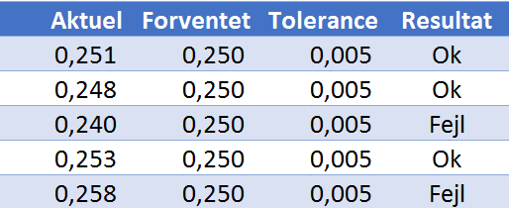
Værdi indenfor tolerancen

Aktuel | Forventet | Tolerance | Resultat
0.251 | 0.250 | 0.005
0.248 | 0.250 | 0.005
0.240 | 0.250 | 0.005
0.253 | 0.250 | 0.005
0.258 | 0.250 | 0.005

Du skal i Resultat bruge en HVIS funktion til at skrive om værdien er inden for tolerancen.
Hvis værdien er indefor skal du skrive "Ok" ellers "Fejl"
Du skal bruge en ekstra Excel Funktion - ABS - da tolerancen både kan være + og -.

Karakter
Du vil gerne opnå et snit på 7 efter 4. semester.
Hvilken karakter skal du have på 4. semester?
Brug What-If
Eksamen | Karakter
1. semester | 4
2. semester | 7
3 semester | 7
4. semester | ????

Karakter snit | ????

Oms_Afdeling
Omsætning fordelt på måneder
Afdeling | Jan | Feb | Mar
Afdeling 1 | 32,948 | 73,384 | 46,040 | Afdeling | Afdeling 2
Afdeling 2 | 22,143 | 12,853 | 86,832 | Måned | Jan
Afdeling 3 | 13,704 | 14,712 | 94,909 | Omsætning | ????
Afdeling 4 | 24,005 | 41,634 | 51,613
Afdeling 5 | 87,304 | 57,227 | 74,604
Du skal indsætte Minidiagrammer der viser udviklingen i omsærningen som søjler.
Største punkt skal markeres med Grønt
Du skal finde omsætningen for en given afdeling i en given månede.
Der er altså 2 inputværdier; Afdeling og Måned
Du skal bruge 2 Excel funktioner sammen for at opnå dette.

SalesOrders
Du skal oprette nedstående
4 Pivot tabeller
1 Diagram
1 Udvælgesværktøj (skal vises År)
OrderDate | Region | Rep | Item | Units | Unit Cost | Total
42375 | East | Jones | Pencil | 95 | 1.99 | 189.05
42392 | Central | Kivell | Binder | 50 | 19.99 | 999.5
42409 | Central | Jardine | Pencil | 36 | 4.99 | 179.64
42426 | Central | Gill | Pen | 27 | 19.99 | 539.73
42444 | West | Sorvino | Pencil | 56 | 2.99 | 167.44
42461 | East | Jones | Binder | 60 | 4.99 | 299.4
42478 | Central | Andrews | Pencil | 75 | 1.99 | 149.25
42495 | Central | Jardine | Pencil | 90 | 4.99 | 449.1
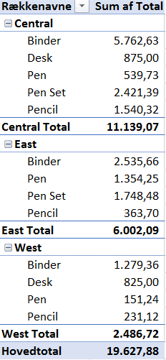
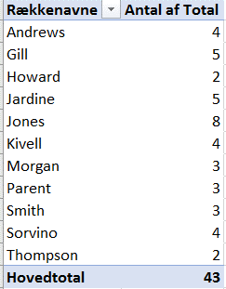
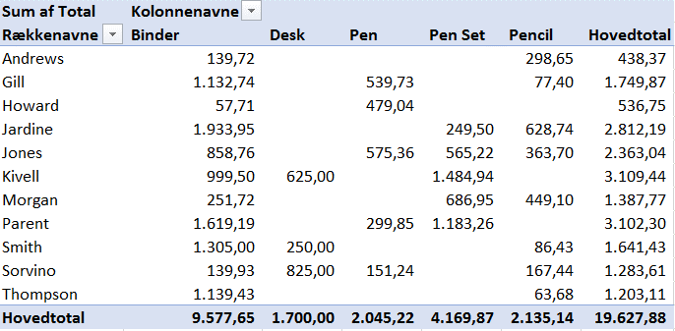
42512 | West | Thompson | Pencil | 32 | 1.99 | 63.68
42529 | East | Jones | Binder | 60 | 8.99 | 539.4
42546 | Central | Morgan | Pencil | 90 | 4.99 | 449.1
42563 | East | Howard | Binder | 29 | 1.99 | 57.71
42580 | East | Parent | Binder | 81 | 19.99 | 1619.19
42597 | East | Jones | Pencil | 35 | 4.99 | 174.65
42614 | Central | Smith | Desk | 2 | 125 | 250
42631 | East | Jones | Pen Set | 16 | 15.99 | 255.84
42648 | Central | Morgan | Binder | 28 | 8.99 | 251.72
42665 | East | Jones | Pen | 64 | 8.99 | 575.36
42682 | East | Parent | Pen | 15 | 19.99 | 299.85
42699 | Central | Kivell | Pen Set | 96 | 4.99 | 479.04
42716 | Central | Smith | Pencil | 67 | 1.29 | 86.43
42733 | East | Parent | Pen Set | 74 | 15.99 | 1183.26
42750 | Central | Gill | Binder | 46 | 8.99 | 413.54
42767 | Central | Smith | Binder | 87 | 15 | 1305
42784 | East | Jones | Binder | 4 | 4.99 | 19.96
42801 | West | Sorvino | Binder | 7 | 19.99 | 139.93
42818 | Central | Jardine | Pen Set | 50 | 4.99 | 249.5
42835 | Central | Andrews | Pencil | 66 | 1.99 | 131.34
42852 | East | Howard | Pen | 96 | 4.99 | 479.04
42869 | Central | Gill | Pencil | 53 | 1.29 | 68.37
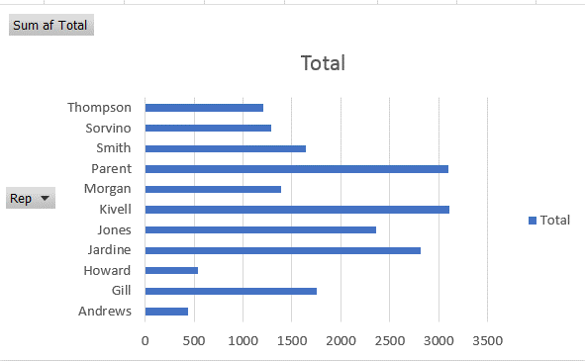
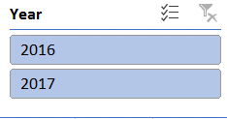
42886 | Central | Gill | Binder | 80 | 8.99 | 719.2
42903 | Central | Kivell | Desk | 5 | 125 | 625
42920 | East | Jones | Pen Set | 62 | 4.99 | 309.38
42937 | Central | Morgan | Pen Set | 55 | 12.49 | 686.95
42954 | Central | Kivell | Pen Set | 42 | 23.95 | 1005.9
42971 | West | Sorvino | Desk | 3 | 275 | 825
42988 | Central | Gill | Pencil | 7 | 1.29 | 9.03
43005 | West | Sorvino | Pen | 76 | 1.99 | 151.24
43022 | West | Thompson | Binder | 57 | 19.99 | 1139.43
43039 | Central | Andrews | Pencil | 14 | 1.29 | 18.06
43056 | Central | Jardine | Binder | 11 | 4.99 | 54.89
43073 | Central | Jardine | Binder | 94 | 19.99 | 1879.06
43090 | Central | Andrews | Binder | 28 | 4.99 | 139.72

Pareto
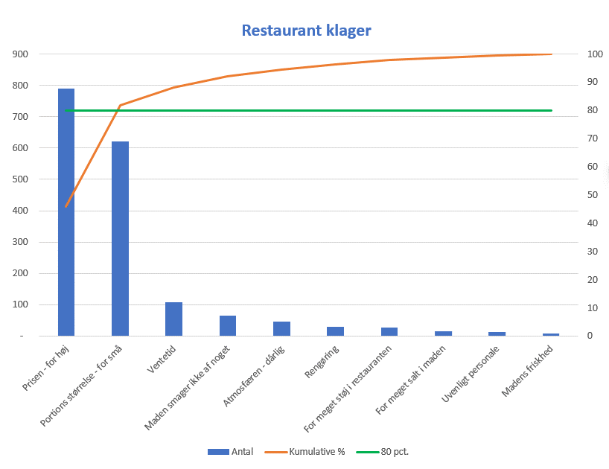
Restaurant klager

Klage type | Antal | Kumulative | Kumulative %
Prisen - for høj | 789 | 789 | 45.8
Portions størrelse - for små | 621 | 1,410 | 81.9
Ventetid | 109 | 1,519 | 88.2
Maden smager ikke af noget | 65 | 1,584 | 92.0
Atmosfæren - dårlig | 45 | 1,629 | 94.6
Rengøring | 30 | 1,659 | 96.3
For meget støj i restauranten | 27 | 1,686 | 97.9
For meget salt i maden | 15 | 1,701 | 98.8
Uvenligt personale | 12 | 1,713 | 99.5
Madens friskhed | 9 | 1,722 | 100.0
Du skal oprette dette diagram over "Resturant Klager"
Den grønne linje ved 80 skal du også selv oprette "data" for at få vist.

BetingetFormatering
Du skal bruge Conditional Formating til at farvelægge weekends med grønt
Dato
2018-09-10
2018-09-11
2018-09-12
2018-09-13
2018-09-14
2018-09-15
2018-09-16
2018-09-17
2018-09-18
2018-09-19
2018-09-20
2018-09-21
2018-09-22
2018-09-23
2018-09-24
2018-09-25
2018-09-26
2018-09-27
2018-09-28
2018-09-29
2018-09-30
2018-10-01

