PHOTOS



Battery Defective Concern


REGISTRATION PLATE PHOTO | MILEAGE PHOTO | VIN PHOTO
 |  | 



DEFECTIVE BATTERY DETAILS (BATCH+SERIAL+SPEC) | DEFECTIVE BATTERY MANUFACTURER NAME | REPLACED BATTERY DETAILS (BATCH+SERIAL+SPEC) | REPLACED BATTERY MANUFACTURER NAME

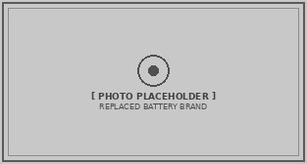

VOLTAGE WITHOUT LOAD | VOLTAGE WITH LOAD | BOTH BATTERY PHOTOS WITH REG. PLATE

INVOICE, PWA, REJECTION REPORT

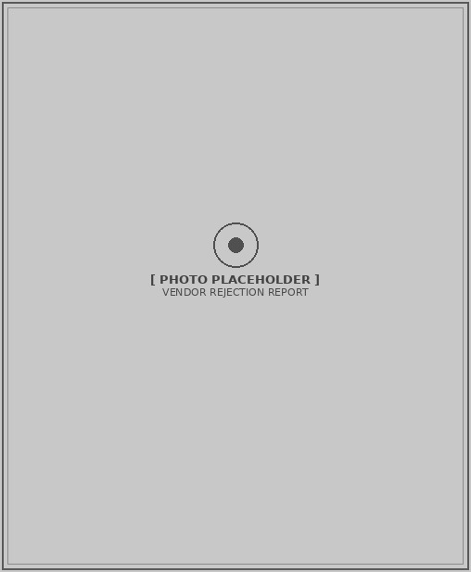

VENDOR REJECTION REPORT / BATTERY TEST REPORT | INVOICE | ESTIMATION
 |  | SI No. | Part Number | Part Description | List Price | Qty | Amount (Without Tax) | Total (With Tax)
 |  | {si_no_1} | {part_number_1} | {part_description_1} | {part_list_price_1} | {part_qty_1} | {part_amount_1} | #VALUE!
 |  | {si_no_2} | {part_number_2} | {part_description_2} | {part_list_price_2} | {part_qty_2} | {part_amount_2} | #VALUE!
 |  | Total Part Amount (W/O, With Tax) |  |  |  |  | - | #VALUE!
 |  | SI No. | Labour Code | Labour Description | List Price | Qty | Amount (Without Tax) | Total (With Tax)
 |  | {si_no_labour_1} | {labour_code_1} | {labour_description_1} | {labour_list_price_1} | {labour_qty_1} | {labour_amount_1} | #VALUE!
 |  | {si_no_labour_2} | {labour_code_2} | {labour_description_2} | {labour_list_price_2} | {labour_qty_2} | {labour_amount_2} | #VALUE!
 |  | Total Labour Amount (W/O, With Tax) |  |  |  |  | - | #VALUE!
 |  | Total Amount |  |  |  |  |  | #VALUE!

PWA REQUEST SCREEN

NDMS Invoice, Sharing %

INVOICE |  | Total cost with Tax | HMIL Share % | HMIL Share (Rs) | Dealer Share (%) | Dealer Share (Rs.) | Cust. Share (%) | Cust. Share (Rs.)
 | Part | {part_total_cost_with_tax} | {hmil_share_pct_part} | #VALUE! | {dealer_share_pct_part} | #VALUE! | {customer_share_pct_part} | #VALUE!
 | Labour | {labour_total_cost_with_tax} | {hmil_share_pct_labour} | #VALUE! | {dealer_share_pct_labour} | #VALUE! | {customer_share_pct_labour} | #VALUE!
 | Total | #VALUE! |  | #VALUE! |  | #VALUE! |  | #VALUE!

