Executive Summary
Metric | Value
Date range | 22 Jan 2020 – 27 Jul 2020 | Dashboard Preview
Final confirmed | 16,480,485
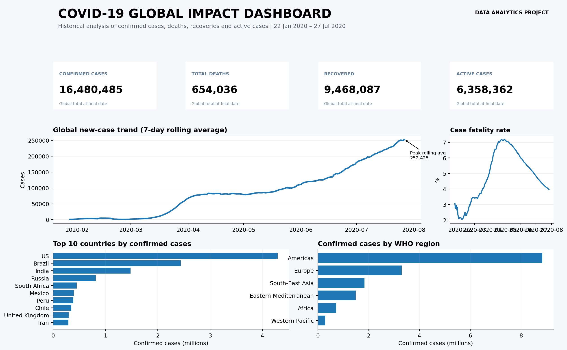
Final deaths | 654,036
Final recovered | 9,468,087
Final active | 6,358,362
Peak daily new cases | 282,756 on 23 Jul 2020
Peak daily new deaths | 9,966 on 23 Jul 2020
Peak 7-day avg new cases | 252,425 on 27 Jul 2020
Final case fatality rate | 3.97%
Countries represented at final date | 187

