TaxCalculator
Program Statement |  |  |  |  |  |  |  |  |  |  |  |  |  |  |  |  | Duration : 32H

. Calculate following information, based on given inputs and rules and verify output.
 | - Non-Taxable income
 | - Taxable income
 | - Income tax

Explanation about desired implementation

. This program implements unit testing. Therefore, implement following modules.
 | (1) A tax calculator library (DLL).
 | (2) A test program which will use DLL above to get and verify "tax details", "error code" output by applying different test cases.
 |  | [Refer sheet "Structure" for detail.]
Unit Test Project
TaxCalculator(DLL)
TestCase 1
TestCase 2
TestCase N
.
.
.
CalculateTaxDetails(PersonalInfo, InvestmentInfo)
Each test case contains below
- Specify input
- Call the method
- Get output from method
- Verify whether output is correct?
 |  | [Overview of flow is as below]

 | (3) There are different ways of calling method in unit testing. You can apply your preferable way.
 | (4) It is not must to follow output format given in the sheet "Output".

Concepts to learn

Following concepts (mainly mathematical calculations) are mainly targeted to be learned from this program.
- | Operator precedence
 |  | Not handling operator precendence leades to wrong calculations.
- | Invariant Culture (date, number)
 |  | Not all cultures use the same format for dates and decimal / currency values.
 |  | This matters when you are converting input values (read) that are stored as strings to DateTime, float, double or decimal etc.
- | Date
 |  | How to correctly parse and get date input only in the specified format?
- | Number formating
 |  | How to put comma at required places in a number (specially in case of big numbers)
- | Decimal type use
 |  | Learn when to use decimal and when to use non-decimal types of integer (to handle risk of wrong calculation).
- | Regex
 |  | Use regex to get input only in specified format.
- | Using enums
 |  | Use enum where suitable.
- | Inheritance
 |  | In heritance, constructor of child class can be used to set the members of the parent class.
- | Unit testing
 |  | Unit testing is helpful in making sure the quality code before actual testing phase.
- | Library
 |  | How to create a library and how to use it.

Inputs

Input fields are as below
 | 1. Personal Details:
 |  | No. |  | Field |  | Description |  |  |  | Type | Expected Input limit
 |  | 1 |  | Name |  | Name of the person. |  |  |  | string | Alphabets - Length: 1~50
 |  | 2 |  | DOB |  | Date of birth of the person. |  |  |  |  | Date - Year . Min: 1900 . Max: 2010 - Format: YYYY/MM/DD
 |  | 3 |  | Gender |  | Gender of the person. |  |  |  | char | Options: - M: Male (Case insensitive) - F: Female (Case insensitive)

 | 2. Income and Investment:
 |  | No. |  | Field |  | Description |  |  |  | Type | Expected Input limit
 |  | 1 |  | Income |  | Income of the person. |  |  |  | int | Input should be positive number.
 |  | 2 |  | Investment |  | Investment by the person.
 |  | 3 |  | Hourse Loan/Rent |  | Hourse loan/rent by the person.

Tax Calculation Rules

(1) | Tax Slab Rules
 | . Consider following Tax slabs for tax calculation.
 |  | [Tax Slabs for Men]
 |  |  | No. |  | Income Range |  |  | Tax (% of income)
 |  |  | 1 |  | 0 ~ 1,60,000 |  |  | NO TAX
 |  |  | 2 |  | 1,60,001 ~ 3,00,000 |  |  | 10%
 |  |  | 3 |  | 3,00,001 ~ 5,00,000 |  |  | 20%
 |  |  | 4 |  | 5,00,001 and above |  |  | 30%

 |  | [Tax Slabs for Women]
 |  |  | No. |  | Income Range |  |  | Tax (% of income)
 |  |  | 1 |  | 0 ~ 1,90,000 |  |  | NO TAX
 |  |  | 2 |  | 1,90,001 ~ 3,00,000 |  |  | 10%
 |  |  | 3 |  | 3,00,001 ~ 5,00,000 |  |  | 20%
 |  |  | 4 |  | 5,00,001 and above |  |  | 30%

 |  | [Tax Slabs for Senior Citizen (60 years and above)]
 |  |  | No. |  | Income Range |  |  | Tax (% of income)
 |  |  | 1 |  | 0 ~ 2,40,000 |  |  | NO TAX
 |  |  | 2 |  | 2,40,001 ~ 3,00,000 |  |  | 10%
 |  |  | 3 |  | 3,00,001 ~ 5,00,000 |  |  | 20%
 |  |  | 4 |  | 5,00,001 and above |  |  | 30%

(2) | Investment Rules
 | (i) Whichever is less from (a) and (b), will be non-taxable.
 |  | (a) 80% of amount paid as Home loan / House rent.
 |  | (b) 20% of total income.
 |  | Example: If home loan is 100 rs. in a year and income is 200 in a year, then, amount (b) will be non-taxable.
 |  |  | (a) 80% of amount paid as Home loan / House rent = Rs. 80.
 |  |  | (b) 20% of total income = Rs. 40.
 | (ii) Any amount invested (<= 1 lakh) is non-taxable.
 |  | Example : If somebody invests Rs 3 Lakh, then 1 Lakh will be non-taxable but remaining 2 lakh will be taxable amount.

Reference table with examples

 | No. |  | Personal Details |  |  |  | Income and Investment |  |  |  |  |  |  | Slabs |  |  |  |  | Output
 |  |  | Gender |  |  | Age | Income |  | HomeLoan/HouseRent Exemption |  |  | Income Exemption | Valid Investment | Slab 1 | Slab 2 | Slab 3 |  | Slab 4 | NonTaxable Amount | Taxable Amount | Total Tax
...

Structure
Structure
Following diagram shows a detail design diagram of structure of program TaxCalculator.
Note:
 | - The definition of method "CalculateTaxDetails" must be exactly same as given in this sheet.
 | - Regarding other parts, if you want to apply different way or structure, than discuss with the mentor and proceed for the same.
 | - Regarding error codes, refer "Error definitions" given in this sheet at end.
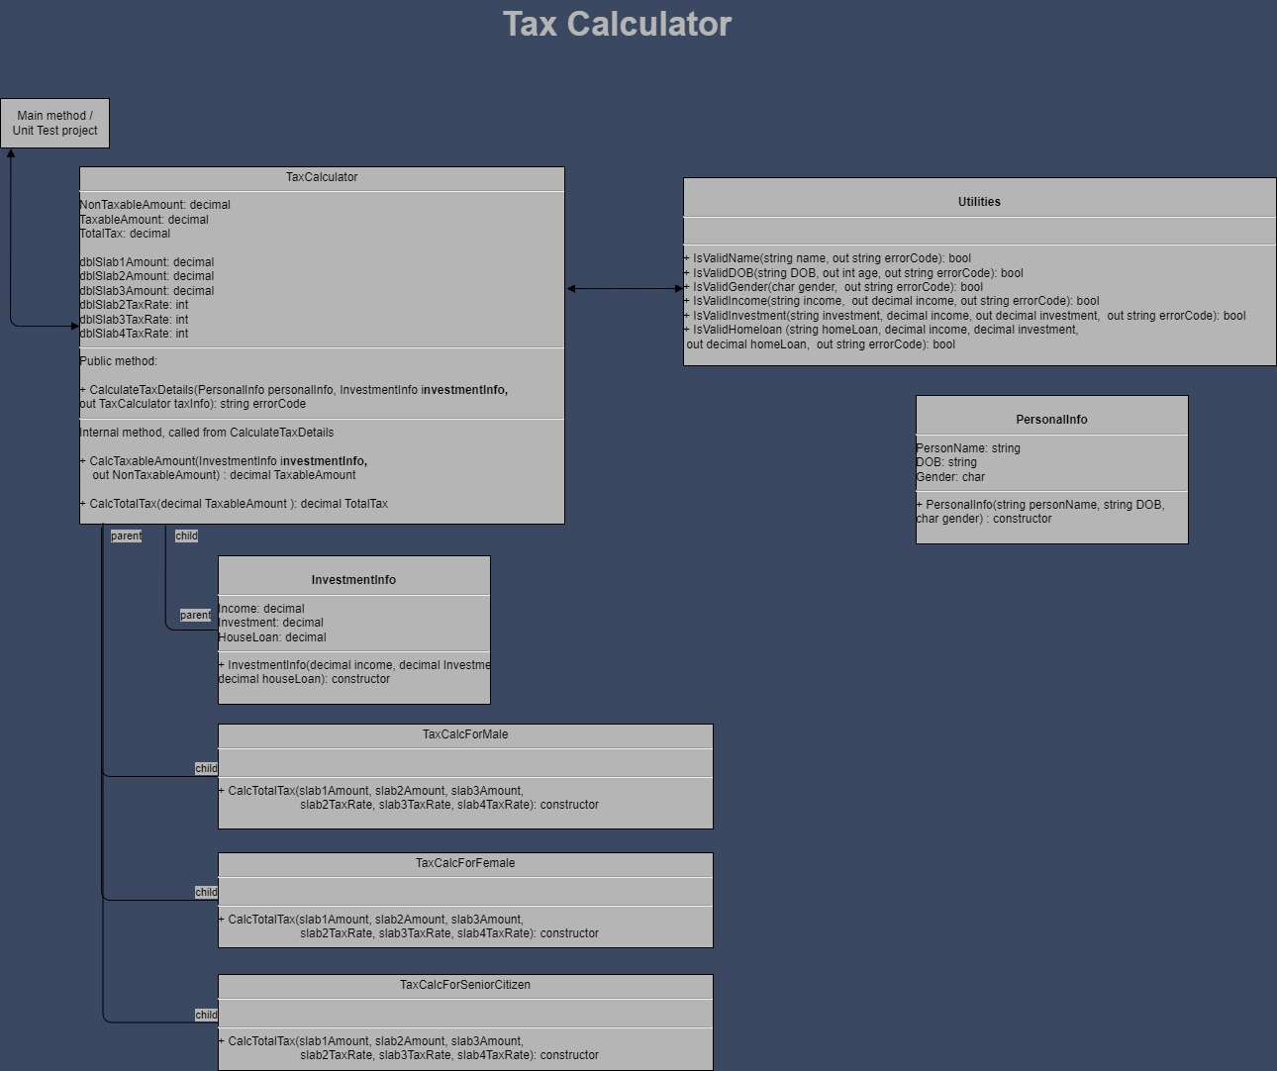

Error definitions
No. | Error | ErrorCode
1 | Input is out of text limit. | E01
2 | Input not given for "name". | E02
3 | Input contains invalid characters. | E03
4 | Date format is invalid. | E04
5 | Birth year is out of range. | E05
6 | Input not given for "date of birth". | E06
...
12 | Investment cannot be more than income. | E12
13 | Investment combined with house loan/rent cannot be more than income. | E13

XML code of the diagram above.
- To edit the diagram, save the code below to a file with extension as ".drawio"
 | Example: TaxCalculator.drawio
- Open file in suitable tool. For example: VSCode, and do the needful changes.
 | In the related tool, you may need to install required extensions. For example: in VS code install "Draw.io.Integration" extension.

<mxfile host="app.diagrams.net" modified="2024-01-29T11:45:07.319Z" agent="Mozilla/5.0 (Windows NT 10.0; Win64; x64) AppleWebKit/537.36 (KHTML, like Gecko) Chrome/120.0.0.0 Safari/537.36" etag="E6qoFAJe54-CuFGXvUyP" version="22.1.21" type="device">
<diagram id="guYZASPQEuHW1JgftrNr" name="Page-1">
<mxGraphModel dx="1434" dy="2438" grid="0" gridSize="10" guides="1" tooltips="1" connect="1" arrows="1" fold="1" page="1" pageScale="1" pageWidth="1100" pageHeight="1700" background="#3A4861" math="0" shadow="0">
<root>
<mxCell id="0" />
<mxCell id="1" parent="0" />
<mxCell id="5" value="&lt;p style=&quot;margin:0px;margin-top:4px;text-align:center;&quot;&gt;&lt;/p&gt;&lt;div style=&quot;text-align: center;&quot;&gt;&lt;span style=&quot;background-color: initial;&quot;&gt;TaxCalculator&lt;/span&gt;&lt;/div&gt;&lt;hr&gt;NonTaxableAmount: decimal&lt;br&gt;TaxableAmount: decimal&lt;br&gt;TotalTax: decimal&lt;br&gt;&lt;br&gt;&lt;span style=&quot;background-color: initial;&quot;&gt;dblSlab1Amount: decimal&lt;/span&gt;&lt;div&gt;dblSlab2Amount: decimal&lt;/div&gt;&lt;div&gt;dblSlab3Amount: decimal&lt;span style=&quot;background-color: initial;&quot;&gt;&amp;nbsp; &amp;nbsp; &amp;nbsp; &amp;nbsp; &amp;nbsp; &amp;nbsp; &amp;nbsp; &amp;nbsp; &amp;nbsp; &amp;nbsp;&lt;/span&gt;&lt;/div&gt;&lt;span style=&quot;background-color: initial;&quot;&gt;dblSlab2TaxRate: int&lt;br&gt;&lt;/span&gt;&lt;span style=&quot;background-color: initial;&quot;&gt;dblSlab3TaxRate: int&lt;br&gt;&lt;/span&gt;&lt;span style=&quot;background-color: initial;&quot;&gt;dblSlab4TaxRate: int&lt;/span&gt;&lt;br&gt;&lt;hr&gt;Public method:&lt;br&gt;&lt;br&gt;+ CalculateTaxDetails(PersonalInfo personalInfo, InvestmentInfo i&lt;b style=&quot;text-align: center;&quot;&gt;nvestmentInfo,&lt;/b&gt;&lt;br&gt;out TaxCalculator taxInfo): string errorCode&lt;br&gt;&lt;hr&gt;Internal method, called from CalculateTaxDetails&lt;br&gt;&lt;br&gt;+ CalcTaxableAmount(InvestmentInfo i&lt;b style=&quot;text-align: center;&quot;&gt;nvestmentInfo,&lt;br&gt;&lt;/b&gt;&amp;nbsp; &amp;nbsp; out NonTaxableAmount) : decimal TaxableAmount&lt;br&gt;&lt;br&gt;+ CalcTotalTax(decimal TaxableAmount ):&amp;nbsp;decimal TotalTax" style="verticalAlign=top;align=left;overflow=fill;fontSize=12;fontFamily=Helvetica;html=1;fillColor=#B5B5B5;" parent="1" vertex="1">
<mxGeometry x="120" y="-971" width="490" height="361" as="geometry" />
</mxCell>
<mxCell id="10" value="&lt;p style=&quot;margin:0px;margin-top:4px;text-align:center;&quot;&gt;&lt;br&gt;&lt;b&gt;PersonalInfo&lt;/b&gt;&lt;/p&gt;&lt;hr&gt;PersonName: string&lt;br&gt;DOB: string&lt;br&gt;Gender: char&lt;br&gt;&lt;hr&gt;+ PersonalInfo(string personName, string DOB, &lt;br&gt;char gender) : constructor" style="verticalAlign=top;align=left;overflow=fill;fontSize=12;fontFamily=Helvetica;html=1;fillColor=#B5B5B5;" parent="1" vertex="1">
<mxGeometry x="965" y="-740" width="275" height="150" as="geometry" />
</mxCell>
<mxCell id="12" value="&lt;p style=&quot;margin:0px;margin-top:4px;text-align:center;&quot;&gt;&lt;br&gt;&lt;b&gt;InvestmentInfo&lt;/b&gt;&lt;br&gt;&lt;/p&gt;&lt;hr&gt;Income: decimal&lt;br&gt;Investment: decimal&lt;br&gt;HouseLoan: decimal&lt;br&gt;&lt;hr&gt;+ InvestmentInfo(decimal income, decimal Investment,&lt;br&gt;decimal houseLoan): constructor" style="verticalAlign=top;align=left;overflow=fill;fontSize=12;fontFamily=Helvetica;html=1;fillColor=#B5B5B5;" parent="1" vertex="1">
<mxGeometry x="260" y="-578" width="275" height="150" as="geometry" />
</mxCell>
<mxCell id="13" value="&lt;p style=&quot;margin:0px;margin-top:4px;text-align:center;&quot;&gt;&lt;br&gt;&lt;b&gt;Utilities&lt;/b&gt;&lt;/p&gt;&lt;hr&gt;&lt;br&gt;&lt;hr&gt;+ IsValidName(string name, out string errorCode): bool&lt;br&gt;+ IsValidDOB(string DOB, out int age,&amp;nbsp;out string errorCode): bool&lt;br&gt;+ IsValidGender(char gender,&amp;nbsp;&amp;nbsp;out string errorCode): bool&lt;br&gt;+ IsValidIncome(string income,&amp;nbsp; out decimal income, out string errorCode): bool&lt;br&gt;+ IsValidInvestment(string investment, decimal income, out decimal investment,&amp;nbsp;&amp;nbsp;out string errorCode): bool&lt;br&gt;+ IsValidHomeloan (string homeLoan, decimal income, decimal investment,&lt;br&gt;&amp;nbsp;out decimal homeLoan,&amp;nbsp;&amp;nbsp;out string errorCode): bool" style="verticalAlign=top;align=left;overflow=fill;fontSize=12;fontFamily=Helvetica;html=1;fillColor=#B5B5B5;" parent="1" vertex="1">
<mxGeometry x="730" y="-960" width="599" height="190" as="geometry" />
</mxCell>
<mxCell id="16" value="Main method / &lt;br&gt;Unit Test project" style="html=1;fillColor=#B5B5B5;" parent="1" vertex="1">
<mxGeometry x="40" y="-1040" width="110" height="50" as="geometry" />
</mxCell>
<mxCell id="22" value="" style="endArrow=block;startArrow=block;endFill=1;startFill=1;html=1;entryX=0.095;entryY=1.012;entryDx=0;entryDy=0;entryPerimeter=0;fontColor=#ffffff;" parent="1" target="16" edge="1">
<mxGeometry width="160" relative="1" as="geometry">
<mxPoint x="120" y="-810" as="sourcePoint" />
<mxPoint x="70" y="-985" as="targetPoint" />
<Array as="points">
<mxPoint x="50" y="-810" />
</Array>
</mxGeometry>
</mxCell>
<mxCell id="25" value="" style="endArrow=none;html=1;edgeStyle=orthogonalEdgeStyle;exitX=0;exitY=0.5;exitDx=0;exitDy=0;entryX=0.177;entryY=1.004;entryDx=0;entryDy=0;entryPerimeter=0;" parent="1" source="12" target="5" edge="1">
<mxGeometry relative="1" as="geometry">
<mxPoint x="345" y="-657" as="sourcePoint" />
<mxPoint x="200" y="-699" as="targetPoint" />
</mxGeometry>
</mxCell>
<mxCell id="27" value="child" style="edgeLabel;resizable=0;html=1;align=right;verticalAlign=bottom;labelBackgroundColor=#B5B5B5;" parent="25" connectable="0" vertex="1">
<mxGeometry x="1" relative="1" as="geometry">
<mxPoint x="33" y="19" as="offset" />
</mxGeometry>
</mxCell>
<mxCell id="28" value="&lt;p style=&quot;margin:0px;margin-top:4px;text-align:center;&quot;&gt;&lt;/p&gt;&lt;div style=&quot;text-align: center;&quot;&gt;&lt;span style=&quot;background-color: initial;&quot;&gt;TaxCalcForMale&lt;/span&gt;&lt;/div&gt;&lt;hr&gt;&lt;span style=&quot;background-color: initial;&quot;&gt;&lt;br&gt;&lt;/span&gt;&lt;hr&gt;+&amp;nbsp;&lt;span style=&quot;background-color: initial;&quot;&gt;CalcTotalTax(slab1Amount,&lt;/span&gt;&lt;span style=&quot;background-color: initial;&quot;&gt;&amp;nbsp;slab2Amount, slab3Amount, &lt;br&gt;&amp;nbsp; &amp;nbsp; &amp;nbsp; &amp;nbsp; &amp;nbsp; &amp;nbsp; &amp;nbsp; &amp;nbsp; &amp;nbsp; &amp;nbsp; &amp;nbsp; &amp;nbsp; &amp;nbsp;slab2TaxRate,&lt;/span&gt;&lt;span style=&quot;background-color: initial;&quot;&gt;&amp;nbsp;slab3TaxRate, slab4TaxRate): constructor&lt;/span&gt;&lt;span style=&quot;background-color: initial;&quot;&gt;&lt;br&gt;&lt;/span&gt;" style="verticalAlign=top;align=left;overflow=fill;fontSize=12;fontFamily=Helvetica;html=1;fillColor=#B5B5B5;" parent="1" vertex="1">
<mxGeometry x="260" y="-408" width="500" height="106" as="geometry" />
</mxCell>
<mxCell id="29" value="&lt;p style=&quot;margin:0px;margin-top:4px;text-align:center;&quot;&gt;&lt;/p&gt;&lt;div style=&quot;text-align: center;&quot;&gt;&lt;span style=&quot;background-color: initial;&quot;&gt;TaxCalcForFemale&lt;/span&gt;&lt;/div&gt;&lt;hr&gt;&lt;span style=&quot;background-color: initial;&quot;&gt;&lt;br&gt;&lt;/span&gt;&lt;hr&gt;+&amp;nbsp;&lt;span style=&quot;background-color: initial;&quot;&gt;CalcTotalTax(slab1Amount,&lt;/span&gt;&lt;span style=&quot;background-color: initial;&quot;&gt;&amp;nbsp;slab2Amount, slab3Amount,&lt;br&gt;&amp;nbsp; &amp;nbsp; &amp;nbsp; &amp;nbsp; &amp;nbsp; &amp;nbsp; &amp;nbsp; &amp;nbsp; &amp;nbsp; &amp;nbsp; &amp;nbsp; &amp;nbsp; &amp;nbsp;slab2TaxRate,&lt;/span&gt;&lt;span style=&quot;background-color: initial;&quot;&gt;&amp;nbsp;slab3TaxRate, slab4TaxRate):&amp;nbsp;&lt;/span&gt;constructor" style="verticalAlign=top;align=left;overflow=fill;fontSize=12;fontFamily=Helvetica;html=1;fillColor=#B5B5B5;" parent="1" vertex="1">
<mxGeometry x="260" y="-278" width="500" height="96" as="geometry" />
</mxCell>
<mxCell id="30" value="&lt;p style=&quot;margin:0px;margin-top:4px;text-align:center;&quot;&gt;&lt;/p&gt;&lt;div style=&quot;text-align: center;&quot;&gt;&lt;span style=&quot;background-color: initial;&quot;&gt;TaxCalcForSeniorCitizen&lt;/span&gt;&lt;/div&gt;&lt;hr&gt;&lt;span style=&quot;background-color: initial;&quot;&gt;&lt;br&gt;&lt;/span&gt;&lt;hr&gt;+&amp;nbsp;&lt;span style=&quot;background-color: initial;&quot;&gt;CalcTotalTax(slab1Amount,&lt;/span&gt;&lt;span style=&quot;background-color: initial;&quot;&gt;&amp;nbsp;slab2Amount, slab3Amount,&lt;br&gt;&amp;nbsp; &amp;nbsp; &amp;nbsp; &amp;nbsp; &amp;nbsp; &amp;nbsp; &amp;nbsp; &amp;nbsp; &amp;nbsp; &amp;nbsp; &amp;nbsp; &amp;nbsp; &amp;nbsp;slab2TaxRate,&lt;/span&gt;&lt;span style=&quot;background-color: initial;&quot;&gt;&amp;nbsp;slab3TaxRate, slab4TaxRate):&amp;nbsp;&lt;/span&gt;constructor" style="verticalAlign=top;align=left;overflow=fill;fontSize=12;fontFamily=Helvetica;html=1;fillColor=#B5B5B5;" parent="1" vertex="1">
<mxGeometry x="260" y="-155" width="500" height="97" as="geometry" />
</mxCell>
<mxCell id="34" value="Tax Calculator" style="text;align=center;fontStyle=1;verticalAlign=middle;spacingLeft=3;spacingRight=3;rotatable=0;points=[[0,0.5],[1,0.5]];portConstraint=eastwest;fontSize=34;fontColor=#B5B5B5;" parent="1" vertex="1">
<mxGeometry x="398" y="-1139" width="530" height="40" as="geometry" />
</mxCell>
<mxCell id="41" value="" style="endArrow=none;html=1;edgeStyle=orthogonalEdgeStyle;exitX=0.045;exitY=1.021;exitDx=0;exitDy=0;exitPerimeter=0;entryX=0;entryY=0.5;entryDx=0;entryDy=0;" parent="1" source="5" target="28" edge="1">
<mxGeometry relative="1" as="geometry">
<mxPoint x="15" y="-519" as="sourcePoint" />
<mxPoint x="175" y="-519" as="targetPoint" />
</mxGeometry>
</mxCell>
<mxCell id="42" value="parent" style="edgeLabel;resizable=0;html=1;align=left;verticalAlign=bottom;labelBackgroundColor=#B5B5B5;" parent="41" connectable="0" vertex="1">
<mxGeometry x="-1" relative="1" as="geometry">
<mxPoint x="8" y="12" as="offset" />
</mxGeometry>
</mxCell>
<mxCell id="43" value="child" style="edgeLabel;resizable=0;html=1;align=right;verticalAlign=bottom;labelBackgroundColor=#B5B5B5;" parent="41" connectable="0" vertex="1">
<mxGeometry x="1" relative="1" as="geometry" />
</mxCell>
<mxCell id="50" value="" style="endArrow=none;html=1;edgeStyle=orthogonalEdgeStyle;exitX=0.048;exitY=0.996;exitDx=0;exitDy=0;exitPerimeter=0;entryX=0;entryY=0.5;entryDx=0;entryDy=0;" parent="1" source="5" target="30" edge="1">
<mxGeometry relative="1" as="geometry">
<mxPoint x="149.79999999999995" y="-694.94" as="sourcePoint" />
<mxPoint x="270" y="-24" as="targetPoint" />
</mxGeometry>
</mxCell>
<mxCell id="52" value="child" style="edgeLabel;resizable=0;html=1;align=right;verticalAlign=bottom;labelBackgroundColor=#B5B5B5;" parent="50" connectable="0" vertex="1">
<mxGeometry x="1" relative="1" as="geometry" />
</mxCell>
<mxCell id="54" value="" style="endArrow=none;html=1;edgeStyle=orthogonalEdgeStyle;exitX=0.045;exitY=1.009;exitDx=0;exitDy=0;exitPerimeter=0;entryX=0;entryY=0.5;entryDx=0;entryDy=0;" parent="1" source="5" target="29" edge="1">
<mxGeometry relative="1" as="geometry">
<mxPoint x="149.79999999999995" y="-689.065" as="sourcePoint" />
<mxPoint x="270" y="-214" as="targetPoint" />
</mxGeometry>
</mxCell>
<mxCell id="56" value="child" style="edgeLabel;resizable=0;html=1;align=right;verticalAlign=bottom;labelBackgroundColor=#B5B5B5;" parent="54" connectable="0" vertex="1">
<mxGeometry x="1" relative="1" as="geometry" />
</mxCell>
<mxCell id="57" value="" style="endArrow=block;startArrow=block;endFill=1;startFill=1;html=1;exitX=1.004;exitY=0.341;exitDx=0;exitDy=0;exitPerimeter=0;" parent="1" source="5" edge="1">
<mxGeometry width="160" relative="1" as="geometry">
<mxPoint x="570" y="-820" as="sourcePoint" />
<mxPoint x="730" y="-848" as="targetPoint" />
<Array as="points" />
</mxGeometry>
</mxCell>
<mxCell id="58" value="parent" style="edgeLabel;resizable=0;html=1;align=left;verticalAlign=bottom;labelBackgroundColor=#B5B5B5;" parent="1" connectable="0" vertex="1">
<mxGeometry x="219.99999999999994" y="-509.9990000000001" as="geometry" />
</mxCell>
</root>
</mxGraphModel>
</diagram>
</mxfile>

