File Merger
 | Program outline |  |  |  |  |  |  | Duration : 40H

 | Merges content of files within an input folder into a single output file.
 | Input folder path and output file (Optional) path will be given as command line arguments of the program.
 | Note:
 |  | - Input folder can have any numbers of files and any type of files (Like, text, images, exe)
 |  | - Do not consider subfolders while searching files in the given input folder.

 | Concepts to Learn

 | - | File I/O Operations
 | - | Delegates and Callbacks
 | - | Exception Handling
 | - | User-Defined Exception

 | Command-Line Arguments

 |  | No | Command line argument |  |  | Description
 |  | 1 | 1st argument: args[1] |  |  | Input folder path Path to the folder containing files to be merged
 |  | 2 | 2nd argument: args[2] |  |  | Output file path. This is optional argument Path to the merged output file. If not provided, the output file will be stored with the name of the input folder at the same location as the input folder with ".mrg" extension

 |  | Example
FileMerger.exe "C:\InputFolder" "D:\OutputFile.mrg"

 | Program's sequence(flow)

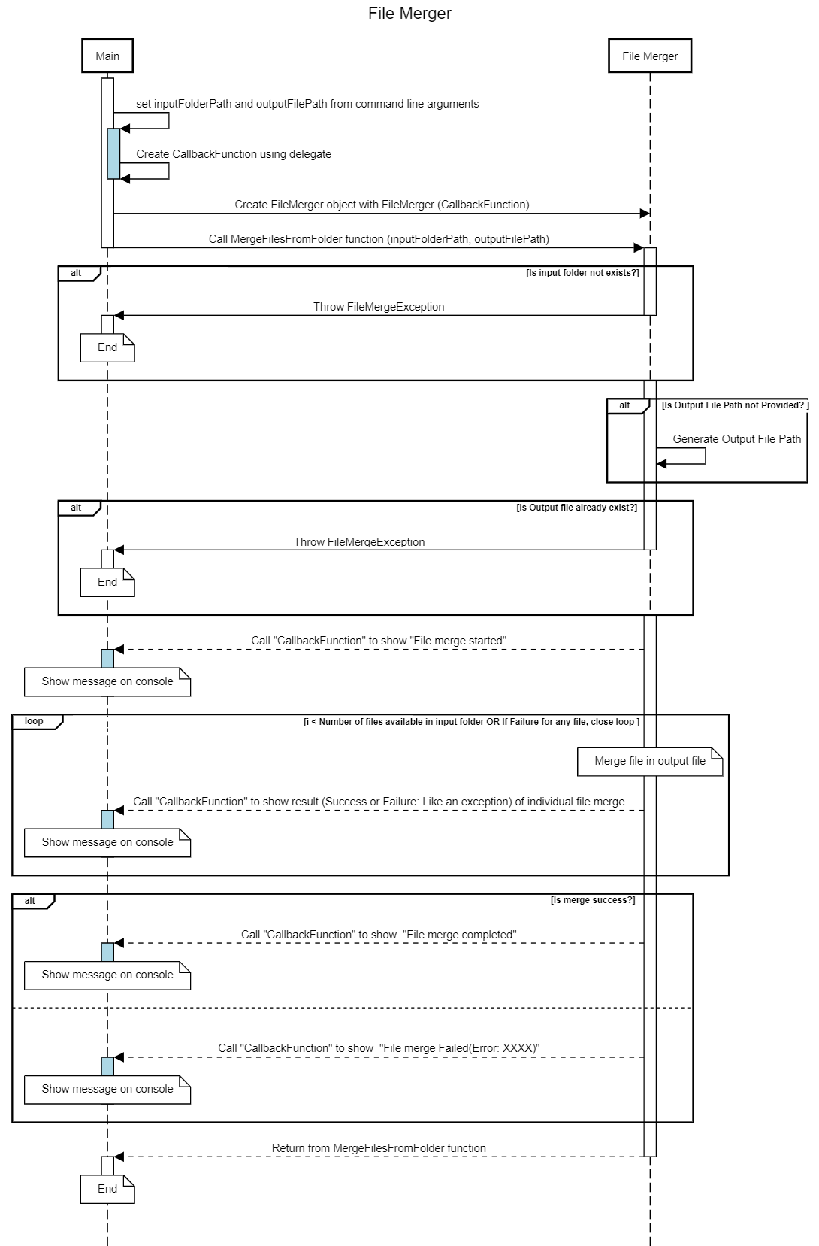

For details refer to the FileMergeException
Invalid input folder path. Please provide a valid folder path.

For details refer to the FileMergeException
A merged file with the same name already exists at the specified location.

Close this loop if error occred for a file

For details refer to the CallbackFunction
Report merge progress

For details refer to the CallbackFunction
Report end result of File Merge

 |  | FileMergeException
 |  | - | Create custom FileMergeException class.
 |  | - | During merge process if any error occurs then FileMergeException will be thrown.
 |  | - | FileMergeException will have the below error details.
 |  |  |  | Error type (enum)
 |  |  |  |  | Error enum (example Source folder not exist, source folder empty etc)
 |  |  |  | ErrorDetailCode (int)
 |  |  |  |  | Error code to identify problem location in the source code
 |  |  |  | Error Message
 |  |  |  |  | Error message in short

 |  | CallbackFunction
 |  | This callback will be used to report the merge process's status to the calling module.
 |  | Callback will provide below details.
 |  | - | Current status(enum)
 |  |  | Start, In-progress, Fail, Success
 |  | - | During in-progress, below Information
 |  |  | Copied file's name
 |  |  | Copied file's index in terms of total file count

 | Input validation/Messages

 | Input validation details are listed below.

 | Sample output

 |  | File merge success
C:\Users\FileMerger.exe "C:\InputFolder" ": D:\OutputFile.mrg'
Input Folder Path: C:\InputFolder
Merge file Path: D:\OutputFile.mrg
File merge started
[1/5]: File1.txt merged
[2/5]: File2.png merged
[3/5]: File3.exe merged
[4/5]: File4.dat mergederged
[5/5]: File5.txt merged
File merge completed(Success)
 |  |  |  |  |  |  | Input Folder Path: C:\InputFolder
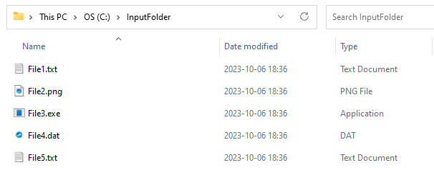

 |  | File merge fail
C:\Users\FileMerger.exe "C:\InputFolder" ": D:\OutputFile.mrg'
Input Folder Path: C:\InputFolder
Merge file Path: D:\OutputFile.mrg
File merge started
[1/5]: File1.txt merged
[2/5]: File2.png merged
[3/5]: File3.exe merge failed
File merge Failed(Error: 10001)

[10001] is details error code

 |  | Source folder not exist
C:\Users\FileMerger.exe "C:\InputFolder" ": D:\OutputFile.mrg'
Input Folder Path: C:\InputFolder
Merge file Path: D:\OutputFile.mrg
Error: Invalid input folder path. Please provide valid folder path.

 |  | Merged file already exist
C:\Users\FileMerger.exe "C:\InputFolder" ": D:\OutputFile.mrg'
Input Folder Path: C:\InputFolder
Merge file Path: D:\OutputFile.mrg
Error: A merged file with the same name already exists at the specified location.

 |  | Invalid Command Line Arguments
C:\Users\FileMerger.exe
Error: Invalid input. Program usage is as below
[FileMerger.exe] [Source folder path] [Merged file path]

 | Reference tutorials for study (Refer [Study reference] folder

 |  | File I/O Operations
 |  |  | https://www.youtube.com/watch?v=TU1rTuBM1Cs
 |  | Delegates and Callbacks
 |  |  | https://www.youtube.com/watch?v=vjz5FW8eWY0
 |  | Exception Handling
 |  |  | https://www.youtube.com/watch?v=ZJRg8nrNeeA
 |  | User-Defined Exception
 |  |  | https://www.youtube.com/watch?v=zJvcXoTOarc

EOS

