Bug Report
QA |  |  |  |  |  |  |  |  |  |  | Developer
Bug ID | ModuleName | Build No. | Description | TCID | Steps to replicate bug | Screenshot | Severity | Priority | Reported By | Assigned to | Resoultion | Status | Fixed Date
ORHRM_001 | Orange HRM_MyInfo | 1 | Dashboard is displayed after login is successful instead of MyInfo page | TC_MyInfo_001 | 1) Launch browser 2) Open the URL "https://opensource-demo.orangehrmlive.com " 3) Provide valid ESS username 4) Provide valid password 5) CLick on Login button | 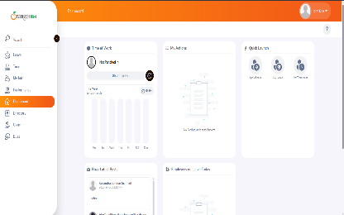 | s3 | p3 | Samita | Rita | Accepted | In-progress

