Introduction
 | MITRE ATT&CK® to CRI Profile Mapping
 | 

Introduction

 | The MITRE Center for Threat-Informed Defense (CTID) conducted a project with the objective to map the adversarial behaviors as described in MITRE’s ATT&CK framework to the risk management objectives defined in the Cyber Risk Institute (CRI) Profile controls framework.

 | This project was entitled “Threat-Informed Defense for the Financial Sector” and was conducted in collaboration with Citibank, JPMorgan Chase, and the FS-ISAC, and in coordination with CRI.

 | For the most up to date mappings to ATT&CK, please use the Mappings Explorer for the CRI Profile here:

 | MITRE CTID Mappings Explorer for the CRI Profile

 | License information for the Mappings Explorer can be found here:

 | Mappings Explorer License Information

 | The following graphic summarizes the project’s defined Problem, Solution, and Impact Statements:



 | The mappings developed by the project team provide a valuable resource to financial services firms seeking to align their threat analysis and threat modeling programs to their control program management activities. This alignment enables firms to extend and integrate their “threat-informed defense” initiatives with broader cybersecurity program management and compliance management activities. This integration can prove invaluable in demonstrating that a firm is appropriately focused on managing the right threats with the right controls.

 | Further information about the project can be found on the Project Announcement and Project Summary pages of MITRE CTID’s web site here:

 | Project Announcement

 | Project Summary

 | Further information about the MITRE Center for Threat-Informed Defense can be found here:
 | MITRE Center for Threat-Informed Defense (CTID)

 | Further information about the Cyber Risk Institute can be found here:

 | Cyber Risk Institute (CRI)

Project Results

 | The mappings developed by the project team can be viewed online or downloaded in several different formats at MITRE’s Mappings Explorer site here:

 | MITRE CTID Mappings Explorer

 | The mappings, in several different formats, are also provided in this Excel file, along with relevant project background and methodology information. The mappings in this Excel file are based on the Mappings Explorer data available as of July 14, 2025. See below for a description of the contents of this file.

 | The project team was able map 430 unique MITRE ATT&CK Techniques (and Subtechniques) to 60 unique CRI Profile Diagnostic Statements. This mapping resulted in 2,152 distinct mapping lines (Technique / Diagnostic Statement pairs).

 | The coverage of the mappings across the entire ATT&CK Enterprise techniques framework can be visualized and analyzed using MITRE’s ATT&CK Navigator Tool. A summary view of the coverage is provided in this graphic:
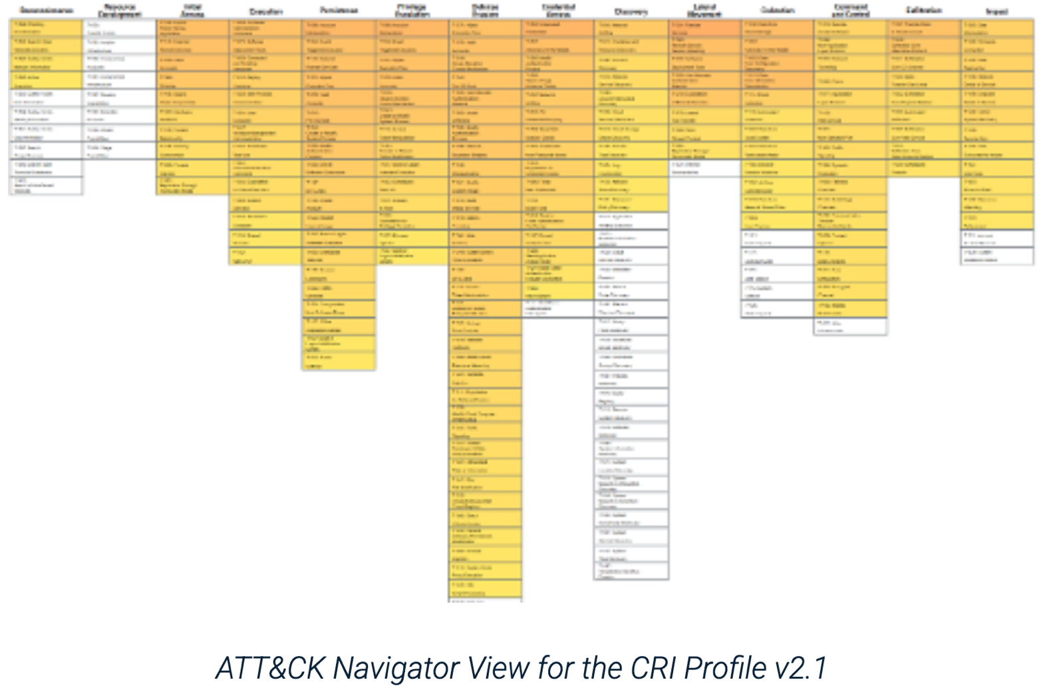

Contents of This CRI Mapping Excel File

 | The following paragraphs describe each of the worksheets in this Excell workbook file.

 | Introduction (This Worksheet)
 | This worksheet provides an overview of the MITRE CTID mapping project and the results produced by the project.

 | Mapping Methodology
 | This worksheet provides an overview of the methodology employed by the project team to develop the mapping.
 | CRI Profile Scoping Decisions
 | This worksheet describes key decisions made by the project team with respect to which CRI Profile Categories, Subcategories, and Diagnostic Statements would be included or excluded in the mapping. Under the methodology employed, only certain types of control objectives are considered relevant to the mapping. These scoping decisions are critical to understanding why only 60 CRI Profile Diagnostic Statements are included in the mapping.

 | CRI Formatted Mapping
 | This worksheet provides the ATT&CK Technique to CRI Profile mapping in a format similar to other mappings provided by CRI. This mapping is sorted and grouped by the CRI Profile Diagnostic Statements on the left side, with the mapped ATT&CK Techniques on the right side. Additional data fields for the Profile Diagnostic Statements and ATT&CK Techniques are included (i.e., fields not included in MITRE CTID’s version of the mapping).

 | CRI Reverse Mapping
 | This version of the CRI Formatted mapping is sorted and grouped by the ATT&CK Techniques on the left side, with the mapped CRI Profile Diagnostic Statements on the right side.

 | Mappings Explorer Download
 | This worksheet provides a copy of the Excel file download as provided directly from MITRE CTID’s Mappings Explorer site (i.e., the data as provided directly by MITRE CTID).

 | CRI Mapping Data Import
 | This worksheet contains the same data as the CRI Formatted Mapping, but with the headers and data groupings removed. The version is more suitable for data analysis or importing into other software applications.

