Steps_bu_bounty
 | Reference deck | https://docs.google.com/presentation/d/1R-3eqlt31sL7_rj2f1_vGEqqb7hcx4vxX_L7E23lJVo/edit#slide=id.g3af0ae9b4b_3_218

No | Process | Details | Query or steps
1 | Discovering IP space | ASN(Anonymous System Number) | https://bgp.he.net/
 |  |  | https://whois.arin.net/rest/customer/C01712299
 |  |  | https://apps.db.ripe.net/db-web-ui/#/query
 |  |  | https://www.shodan.io/search?query=org%3A%22uber%22

 | Brand discovery | Acquisitions | https://www.crunchbase.com/organization/uber/acquisitions/acquisitions_list#section-overview
 |  | Burp discovery

 |  | domlink | https://github.com/vysecurity/DomLink
 |  | builtwith add-n | add it to browser

2 | Sub-domain scrapping | DNSdumpster | check in browser
 |  | amass scan | https://github.com/OWASP/Amass

 |  | subfinder | https://github.com/subfinder/subfinder

 |  | google dorks | site:target.com -www
 |  |  | site:target.com intitle:"test" -support
 |  |  | site:target.com ext:php
 |  |  | site:target.com inurl:auth
 |  |  | site:target.com inurl:dev

 | Sub-domain brute forcing | massdns

 | sub-domain lists | Jason haddix list | https://gist.githubusercontent.com/jhaddix/86a06c5dc309d08580a018c66354a056/raw/96f4e51d96b2203f19f6381c8c545b278eaa0837/all.txt
 |  |  | https://github.com/rbsec/dnscan

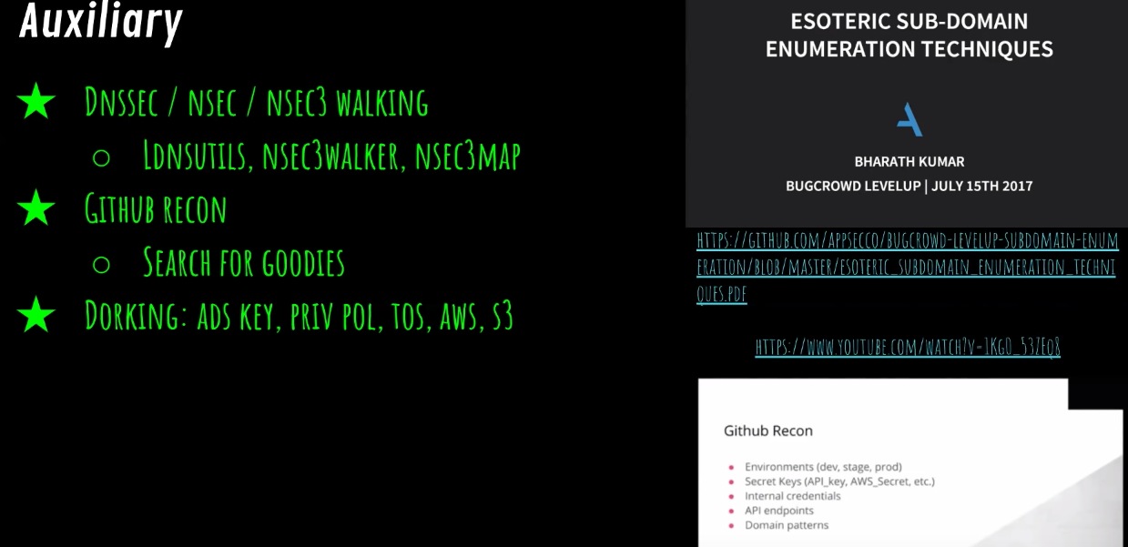
 | Github recon | https://github.com/appsecco/bugcrowd-levelup-subdomain-enumeration/blob/master/esoteric_subdomain_enumeration_techniques.pdf
 | google dorking | https://www.youtube.com/watch?v=1Kg0_53ZEq8

3 | port scanning | masscan | #!/bin/bash strip=$(echo $1|sed 's/https\?:\/\///') echo "" echo "##################################################" host $strip echo "##################################################" echo "" masscan -p1-65535 $(dig +short $strip|grep -oE "\b([0-9]{1,3}\.){3}[0-9]{1,3}\b"|head -1) --max-rate 1000 |& tee $strip_scan
 |  |  | https://censys.io/domain/paypal.com
 |  |  | http://www.visualsitemapper.com/map/paypal.com

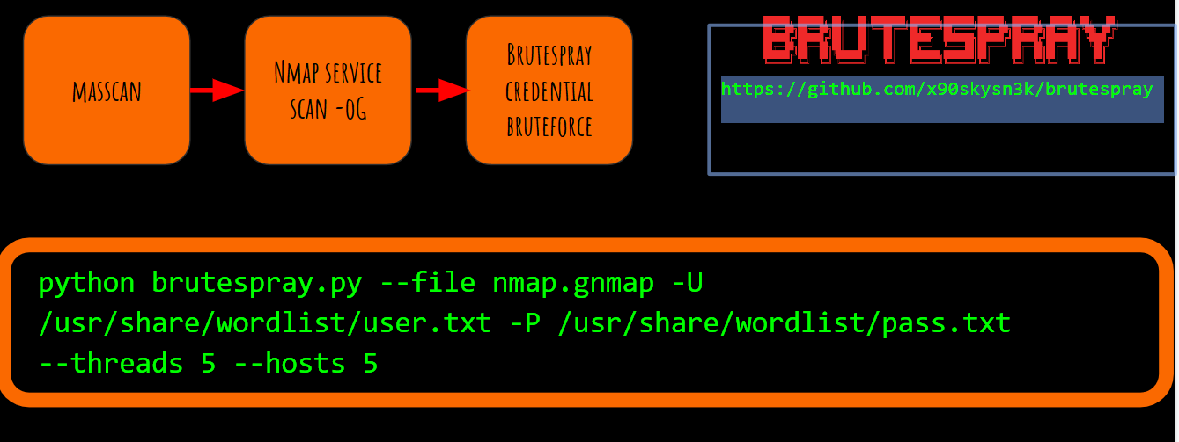
 | credential brute forcing | brutespray

 |  |  | https://github.com/x90skysn3k/brutespray

 |  |  | python brutespray.py --file nmap.gnmap -U /usr/share/wordlist/user.txt -P /usr/share/wordlist/pass.txt --threads 5 --hosts 5

 | web page screen shot | eyewitness | Kali in-built
 | older website screenshot | php tool | https://github.com/daudmalik06/ReconCat
 |  |  | https://github.com/tomnomnom/waybackurls

4 | notes | xmind desktop application

5 | identifying publc cve | burp-vulners-scanner | https://github.com/vulnersCom/burp-vulners-scanner

6 | parsing javascript | linkfinder | https://github.com/GerbenJavado/LinkFinder
 |  |  | https://github.com/jobertabma/relative-url-extractor

7 | content discovery | gobuster | https://gist.github.com/jhaddix/b80ea67d85c13206125806f0828f4d10
 |  | wpscan
 |  | cmsscan

8 | Parameter bruting | parameth | https://github.com/maK-/parameth

9 | XSS | blind xss | https://github.com/LewisArdern/bXSS
 |  |  | https://github.com/ssl/ezXSS

10 | SSRF |  | https://gist.githubusercontent.com/jhaddix/78cece26c91c6263653f31ba453e273b/raw/a4869d58a5ce337d1465c2d1b29777b9eecd371f/cloud_metadata.txt

11 | sub domain takeover | tool | https://github.com/EdOverflow/can-i-take-over-xyz

12 | Misconfigured S3 buckets | s3scanner | https://github.com/sa7mon/S3Scanner
 |  | google | site:s3.amazonaws.com+xyz.com
 |  | github | "x.com"+"s3"
 |  |  | https://github.com/nahamsec/lazys3

13 | Old web sites | webarchive | https://web.archive.org/

14 | github key | search on google | "xyz.com" API_key
 |  |  | "X.com" secret_key
 |  |  | "x.com" aws_key
 |  |  | "x.com" Password
 |  |  | "x.com" FTP
 |  |  | "x.com" login
 |  |  | "x.com" gihub_token
 |  |  | api.xyz.com

15 | WAF identifier | tool | https://github.com/EnableSecurity/wafw00f

Recon_nhamsec
Recon process

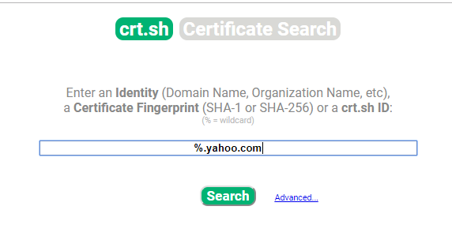
Step1 | https://crt.sh/ |  |  |  | Search criteria

 |  |  |  |  | %admin%.yahoo.com
 |  |  |  |  | %api%.yahoo.com | ops.yahoo.com | stage
 |  |  |  |  | yahoo.com% | corp.yahoo.com | repo
 |  |  |  |  | %dev%.yahoo.com |  | jenkins
 |  |  |  |  | %corp% |  | private
 |  |  |  |  | %internal% |  | devops
 |  |  |  |  | %payment%
 |  |  |  |  | %stg%
 |  |  |  |  | https://crt.sh/?q=%25.%25.%25.%25.seek.com

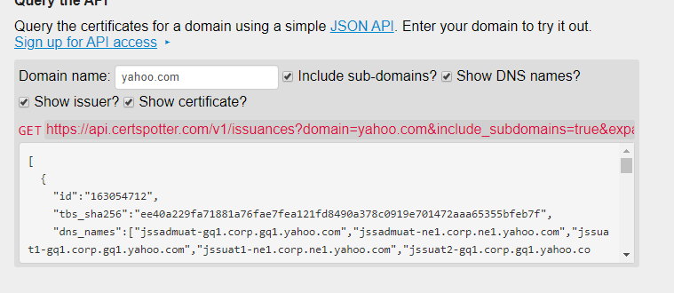
 | https://sslmate.com/certspotter/

 | https://github.com/nahamsec/lazyrecon |  |  | For complete recon step

 | All subdomains |  |  | certspotter target.com

 | All live subdomains |  |  | certspotter target.com | httprobe

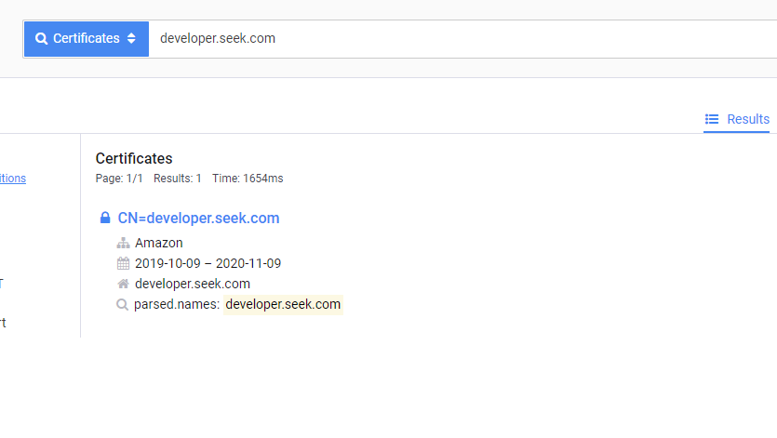
 | Censys.io | https://censys.io/certificates?q=developer.seek.com

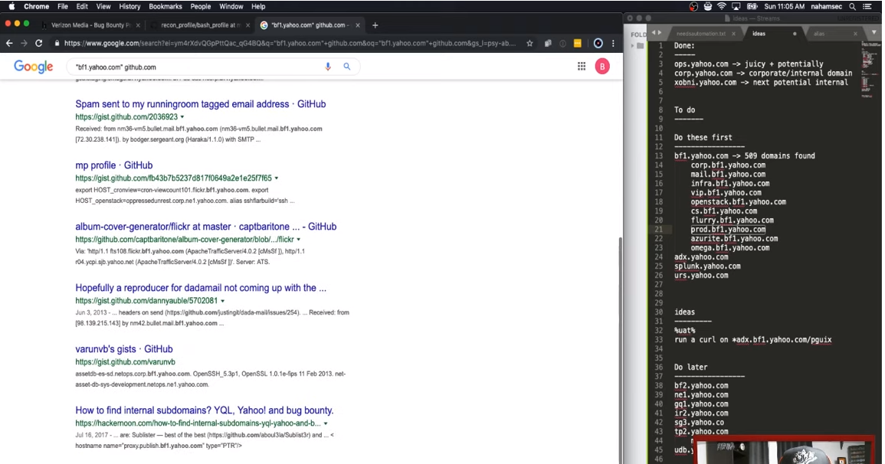

httprobe |  | topnomnom | https://github.com/tomnomnom/httprobe

screensot |  | webscreensot.py

tips
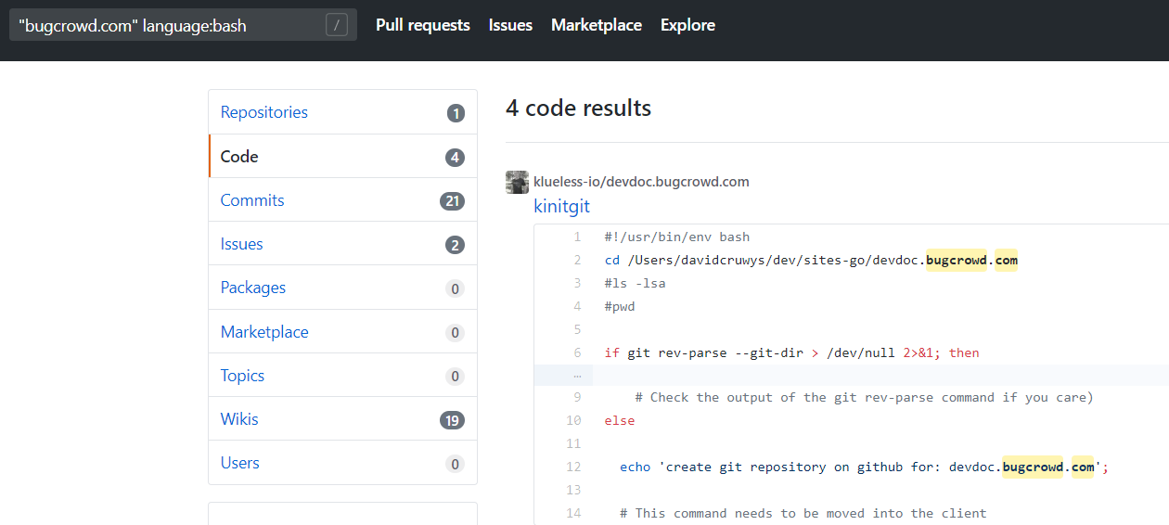
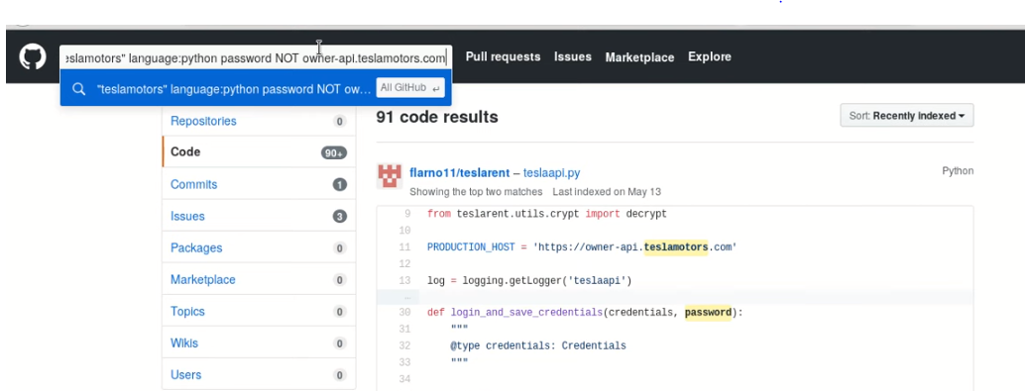
1 | look for api/stg/dev/sandbox/uat/db endpoints
2 | 403/cms endpoints
3 | when something is redirecting then try to do directory search
4 | check view source and look for any interesting end point or cloud references
5 | Site:github.com "yahoo.com"
6 | user: username password in github
7 | "domain" sendkeys
8 | "doamin" language: bash

