Sheet1
Values corresponding to normalized histone signal lost as a function of time post UVC damage induction

time [min] | Fluourescence of H3.3-SNAp parental (normalized to time 0)
0 | 1
1 | 0.60952380952
1.5 | 0.52380952381
0 | 1
1 | 0.60952380952
1.5 | 0.52380952381
2 | 0.45238095238
2.5 | 0.41904761905
3 | 0.38571428571
3.5 | 0.35238095238
4 | 0.32857142857
4.5 | 0.30952380952
5 | 0.28571428571
5.5 | 0.27619047619
6 | 0.2619047619
7 | 0.2380952381
7.5 | 0.24285714286
8 | 0.22857142857
8.5 | 0.21904761905
9 | 0.20952380952
9.5 | 0.2
10 | 0.19142857143
10.5 | 0.19047619048
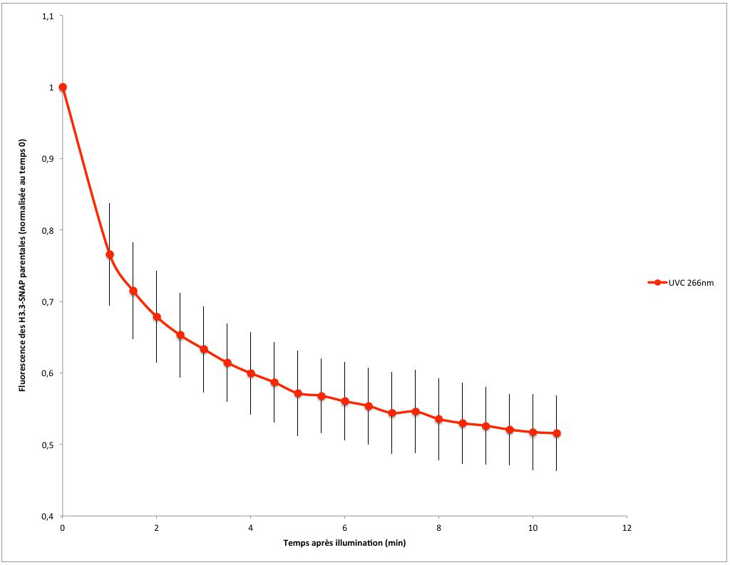
2 | 0.45238095238
2.5 | 0.41904761905
3 | 0.38571428571
3.5 | 0.35238095238
4 | 0.32857142857
4.5 | 0.30952380952
5 | 0.28571428571
5.5 | 0.27619047619
6 | 0.2619047619
7 | 0.2380952381
7.5 | 0.24285714286
8 | 0.22857142857
8.5 | 0.21904761905
9 | 0.20952380952
9.5 | 0.2
10 | 0.19142857143
10.5 | 0.19047619048

Values corresponding to Histone signal recovery after UVC damage

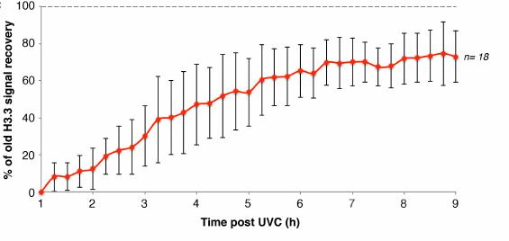
time [min] | Fluourescence of H3.3-SNAp parental (normalized to time 0)
1 | 0
1.25 | 0.083333333333
1.5 | 0.083333333333
1.75 | 0.11666666667
2 | 0.13333333333
2.25 | 0.19166666667
2.5 | 0.225
2.75 | 0.23333333333
3 | 0.3
3.25 | 0.38333333333
3.5 | 0.4
3.75 | 0.425
4 | 0.46666666667
4.25 | 0.475
4.5 | 0.50833333333
4.75 | 0.53333333333
5 | 0.53333333333
5.25 | 0.6
5.5 | 0.61666666667
5.75 | 0.625
6 | 0.64166666667
6.25 | 0.63333333333
6.5 | 0.7
6.75 | 0.69166666667
7 | 0.7
7.25 | 0.7
7.5 | 0.66666666667
7.75 | 0.675
8 | 0.7
8.25 | 0.71666666667
8.5 | 0.725
8.75 | 0.73333333333
9 | 0.71666666667

We now look at the ratio of the two curves at matching times

Loss |  | Recovery
time [min] | Fluourescence of H3.3-SNAp parental (normalized to time 0) | time [min] | Fluourescence of H3.3-SNAp parental (normalized to time 0)
0 | 1 |  |  | time | difference Loss-Recovery | time | Ratio recovery/loss
1 | 0.60952380952 | 1 | 0 | 1 | 0.60952380952 | 1 | 0
1.5 | 0.52380952381 | 1.5 | 0.083333333333 | 1.5 | 0.44047619048 | 1.5 | 0.15909090909
2 | 0.45238095238 | 2 | 0.13333333333 | 2 | 0.31904761905 | 2 | 0.29473684211
2.5 | 0.41904761905 | 2.5 | 0.225 | 2.5 | 0.19404761905 | 2.5 | 0.53693181818
3 | 0.38571428571 | 3 | 0.3 | 3 | 0.085714285714 | 3 | 0.77777777778
3.5 | 0.35238095238 | 3.5 | 0.4 | 3.5 | -0.047619047619 | 3.5 | 1.1351351351
4 | 0.32857142857 | 4 | 0.46666666667 | 4 | -0.1380952381 | 4 | 1.4202898551
4.5 | 0.30952380952 | 4.5 | 0.50833333333 | 4.5 | -0.19880952381 | 4.5 | 1.6423076923
5 | 0.28571428571 | 5 | 0.53333333333 | 5 | -0.24761904762 | 5 | 1.8666666667
5.5 | 0.27619047619 | 5.5 | 0.61666666667 | 5.5 | -0.34047619048 | 5.5 | 2.2327586207
6 | 0.2619047619 | 6 | 0.64166666667 | 6 | -0.37976190476 | 6 | 2.45
6.5 | 0.25714285714 | 6.5 | 0.7 | 6.5 | -0.44285714286 | 6.5 | 2.7222222222
7 | 0.2380952381 | 7 | 0.7 | 7 | -0.4619047619 | 7 | 2.94
7.5 | 0.24285714286 | 7.5 | 0.66666666667 | 7.5 | -0.42380952381 | 7.5 | 2.7450980392
8 | 0.22857142857 | 8 | 0.7 | 8 | -0.47142857143 | 8 | 3.0625
8.5 | 0.21904761905 | 8.5 | 0.725 | 8.5 | -0.50595238095 | 8.5 | 3.3097826087
9 | 0.20952380952 | 9 | 0.71666666667 | 9 | -0.50714285714 | 9 | 3.4204545455
Loss-Recovery
9.5 | 0.2
10 | 0.19142857143
recovery/loss
10.5 | 0.19047619048

