Sheet1
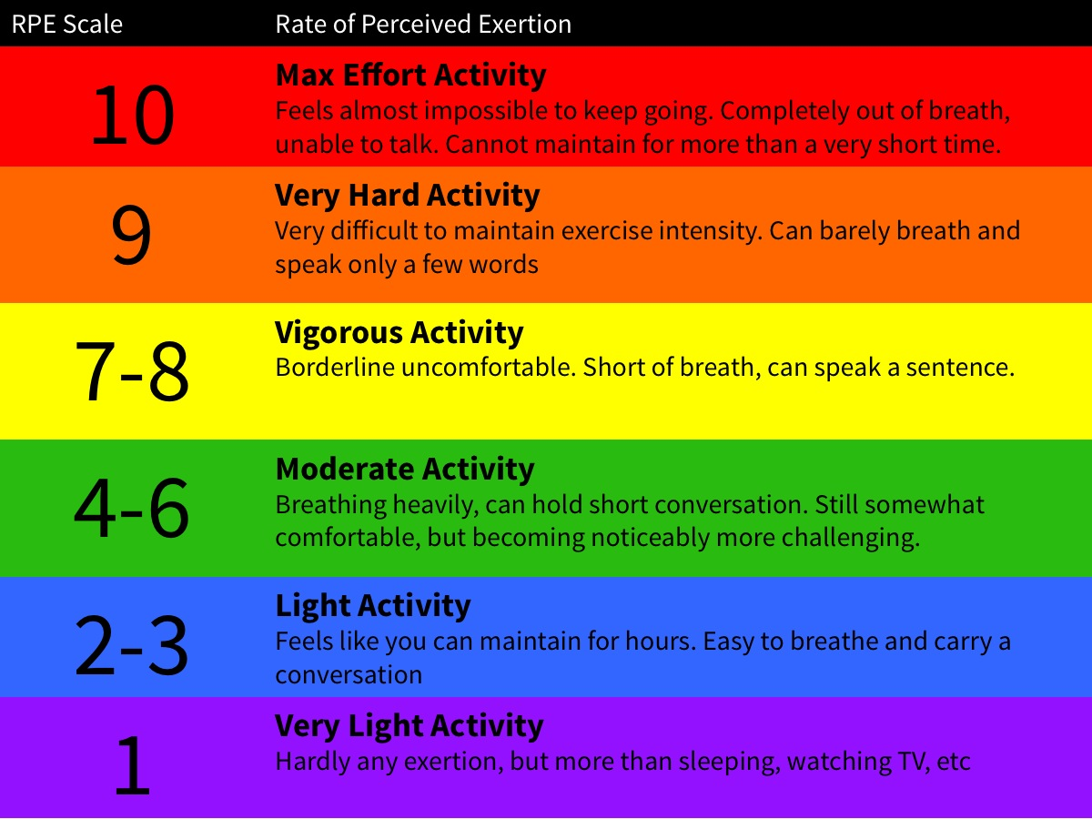
Exercise types
Aerobic | Cycling/mountain biking; golf; walking; jogging; running; swimming; triathlon; rowing; spinning | 25

Mixed | Football; rugby; basketball; baseball; hockey; tennis; squash/badminton; dancing; HIIT; water polo

Anaerobic | Sprint swimming; weight lifting/body building; track and field events (Long jump, javelin, shotput, high jump, pole vault, sprinting); archery; gymnastics (bars, beam, floor, rings, vault, horse); fencing

Exercise Intensity

